Sheet1
table edges |  | table nods location |  |  | table node skills
node1 | node2 | node | x | y | node | skill | weight
1 | 2 | 1 | 29.7628844 | -95.3830615 | 1 | s1 | 10
1 | 3 | 2 | 46.7866719 | -92.1004852 | 2 | s1 | 5
1 | 4 | 3 | 27.949436 | -82.4651441 | 3 | s2 | 6
1 | 15 | 4 | 32.7897222 | 35.5247222 | 3 | s4 | 7
2 | 3 | 5 | 18.109581 | -77.297508 | 4 | s2 | 10
2 | 4 | 6 | -6.9147444 | 107.6098111 | 4 | s3 | 7
3 | 4 | 7 | 45.6216318 | -94.2069365 | 4 | s4 | 10
4 | 5 | 8 | 55.6033306 | 13.0013029 | 5 | s1 | 5
6 | 9 | 9 | 33.4269728 | -117.6119925 | 5 | s3 | 9
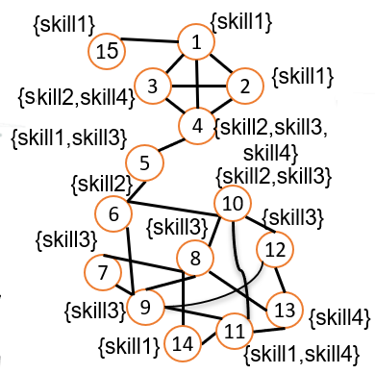
6 | 10 | 10 | 50.6761111 | -120.3408333 | 6 | s2 | 10
7 | 8 | 11 | 40.4166909 | -3.7003454 | 7 | s3 | 8
7 | 9 | 12 | 25.7889689 | -80.2264393 | 8 | s3 | 10
8 | 9 | 13 | 41.1412077 | -73.2637258 | 9 | s3 | 5
8 | 10 | 14 | 37.09024 | -95.712891 | 10 | s2 | 7
8 | 13 |  |  |  | 10 | s3 | 9
8 | 14 |  |  |  | 11 | s1 | 3
9 | 11 |  |  |  | 11 | s4 | 10
9 | 12 |  |  |  | 12 | s3 | 6
10 | 11 |  |  |  | 13 | s4 | 9
10 | 12 |  |  |  | 14 | s1 | 8
11 | 13
11 | 14
12 | 13

 | Team1 {TeamLocation=(35,35), contribution Capacity=1, required skills=(s1,s3,s4), required number of each skill=(3,3,2), minimum weigh of each skill=(5,6,4)}

