MASTER SHEET
Chemokine Ligand | Chemokine Receptor | Strength of Interaction Knowledge | References: Citations | Extra Notes |  | Strength of Interaction Knowledge Scale
CCL1 [I-309] | CCR8 | 5 | Roos et al. "Identification of CCR8, the Receptor for the Human CC Chemokine I-309". JBC. 1997. |  |  | 5 | Low nM interaction; Excellent evidence

 |  |  |  |  |  | 4 | Lower potency/efficacy; Excellent evidence
 |  |  | Tiffany et al. "Identification of CCR8: A Human Monocyte and Thymus Receptor for the CC Chemokine I-309". JEM. 1997.
 |  |  |  |  |  | 3 | Low nM interaction; Moderate or conflicting evidence
 | ACKR1 | 4 | Gardner et al. "The human Duffy antigen binds selected inflammatory but not homeostatic chemokines". Biochem. Biophys. Res. Commun. 2004. | Ki =309.3nM
CCL2 [MCP-1] | CCR2 | 5 | Yamagami et al. "cDNA Cloning and Functional Expression of a Human Monocyte Chemoattractant Protein 1 Receptor". Biochem. Biophys. Res. Commun. 1994. | Two splice variants: CCR2A and CCR2B (Alternative splicing in Carboyx-terminal tail); Ref = Charo et al. PNAS. 1994
 |  |  | Myers et al. "Signal Transduction and Ligand Specificity of the Human Monocyte Chemoattractant Protein-1 Receptor in Transfected Embryonic Kideny Cells". JBC. 1995. |  |  | 2 | Lower potency/efficacy; Moderate evidence

 |  |  |  |  |  | 1 | Interaction listed; Poor evidence
 |  |  | Parody et al. "High level expression, activation, and antagonism of CC chemokine receptors CCR2 and CCR3 in Chinese hamster ovary cells". Cytokine. 2004.

 | CCR3 | 4 | Daugherty et al. "Cloning, Expression, and Characterization of Human Eosinophil Eotaxin Receptor". JEM. 1996.
 |  |  | Parody et al. "High level expression, activation, and antagonism of CC chemokine receptors CCR2 and CCR3 in Chinese hamster ovary cells". Cytokine. 2004.

 | CCR4 | 1 | Power et al. "Molecular Cloning and Functional Expression of a Novel CC Chemokine Receptor cDNA from a Human Basophilic Cell Line". JBC. 1995. |  |  | NOTE: Antagonists are BOLD
 |  |  | Imai et al. "The T Cell-directed CC Chemokine TARC Is a Highly Specific Biological Ligand for the CC Chemokine Receptor 4". JBC. 1997. | CCL2 does NOT interact with CCR4

 | CCR5 | 2 | Blanpain et al. "CCR5 Binds Multiple CC-Chemokines: MCP-3 Acts as a Natural Antagonist". Blood. 1999. | CCL2 does NOT interact with CCR5: Refs (Samson et al. JBC. 1997; Raport et al. JBC. 1996)

 | ACKR1 | 5 | Gardner et al. "The human Duffy antigen binds selected inflammatory but not homeostatic chemokines". Biochem. Biophys. Res. Commun. 2004.
 | ACKR2 | 5 | Nibbs et al. "Cloning and Characterization of a Novel Promiscuous Human B-Chemokine Receptor D6." JBC. 1997. | Kd = 16.5 nM
CCL3 [MIP-1a] | CCR1 | 5 | Combadiere et al. "Monocyte Chemoattractant Protein-3 Is a Functional Ligand for CC Chemokine Receptors 1 and 2B". JBC. 1995.
 |  |  | Neote et al. "Molecular Cloning, Functional Expression, and Signaling Characteristics of a C-C Chemokine Receptor". Cell. 1993.
 |  |  | Gao et al. "Structure and Functional Expression of the Human Macrophage Inflammatory Protein 1alpha/RANTES Receptor". JEM. 1993.

 | CCR5 | 5 | Ruffing et al. "CCR5 has an Expanded Ligand-Binding Repertoire and Is the Primary Recpetor Used by MCP-2 on Activated T Cells". Cellular Immunology. 1998
 |  |  | Blanpain et al. "CCR5 Binds Multiple CC-Chemokines: MCP-3 Acts as a Natural Antagonist". Blood. 1999.
 |  |  | Detheux et al. "Natural Proteolytic Processing of Hemofiltrate CC Chemokine 1 Generates a Potent CC Chemokine Receptor (CCR)1 and CCR5 agonist with Anti-HIV Properties". JEM. 2000.
 | ACKR2 | 4 | Nibbs et al. "Cloning and Characterization of a Novel Promiscuous Human B-Chemokine Receptor D6." JBC. 1997. | Kd = 64nM
 | CCR4 | 1 | Hoogewerf et al. "Molecular Cloning of Murine CC CKR-4 and High Affinity Binding of Chemokines to Murine and Human CC CKR-4". Biochem. Biophys. Res. Commun. 1996. | CCL3 DOES bind CCR4
 |  |  | Power et al. "Molecular Cloning and Functional Expression of a Novel CC Chemokine Receptor cDNA from a Human Basophilic Cell Line". JBC. 1995.
 |  |  | Imai et al. "Macrophage-derived chemokine is a functional ligand for the CC chemokine receptor 4". JBC. 1998. | CCL3 does NOT bind CCR4
 |  |  | Imai et al. "The T Cell-directed CC Chemokine TARC Is a Highly Specific Biological Ligand for the CC Chemokine Receptor 4". JBC. 1997.
 | CCR3 | 3 | Combadiere et al. "Cloning and Functional Expression of a Human Eosinophil CC Chemokine Receptor". JBC. 1995. | CCL3 DOES bind CCR3
 |  |  | Daugherty et al. "Cloning, Expression, and Characterization of Human Eosinophil Eotaxin Receptor". JEM. 1996. | CCL3 does NOT bind CCR3
CCL4 [MIP-1b] | CCR1 | 4 | Guan et al. "Natural Truncation of the Chemokine MIP-1b/CCL4 Affects Receptor Specificity but Not Anti-HIV-1 Activity". JBC. 2002. | "Native" (3-69); NOT full length | Induced Ca Flux
 |  |  | Neote et al. "Molecular Cloning, Functional Expression, and Signaling Characteristics of a C-C Chemokine Receptor". Cell. 1993. | Full Length | Partial Agonist? Binding affinity ~120nM; Less effective at inducing Ca release
 |  |  | Chou et al. "Pharmacological characterization of the chemokine receptor, hCCR1 in a stable transfectant and differentiated HL-60 cells: antagonism of hCCR1 activation by MIP-1B". Br. J. Pharmacol. 2002. | Potent but WEAK agonist; could serve as an endogenous inibitor of CCR1 function | Can block Ca flux and chemotaxis in response to MIP-1a, RANTES, and MPIF-1
 | CCR2 | 2 | Guan et al. "Natural Truncation of the Chemokine MIP-1b/CCL4 Affects Receptor Specificity but Not Anti-HIV-1 Activity". JBC. 2002. | "Native" (3-69); NOT full length; Binds to CCR2b | Induced Ca Flux
 |  |  | Myers et al. "Signal Transduction and Ligand Specificity of the Human Monocyte Chemoattractant Protein-1 Receptor in Transfected Embryonic Kideny Cells". JBC. 1995. | Full Length; NO Binding/activation
 | CCR3 | 1 | Steen et al. "Biased and G protein-independent signaling of chemokine receptors". Frontiers in Immunology. 2014. | Can't find evidence for interaction | From Raport et al: "Although Combadiere and colleagues originally reported that CCR3 signaled in response to MIP-1B, they subsequently reported that this was not due to CCR3"
 | CCR5 | 5 | Guan et al. "Natural Truncation of the Chemokine MIP-1b/CCL4 Affects Receptor Specificity but Not Anti-HIV-1 Activity". JBC. 2002. | "Native" (3-63) and Full Length
 |  |  | Raport et al. "Molecular Cloning and Functional Characterization of a Novel Human CC Chemokine Receptor (CCR5) for RANTES, MIP-1B, and MIP-1A". JBC. 1996. | Full Length
 | ACKR2 | 5 | Nibbs et al. "Cloning and Characterization of a Novel Promiscuous Human B-Chemokine Receptor D6." JBC. 1997. | Full Length | Kd = 1.7nM
 |  |  | Bonecchi et al. "Differential Recognition and Scavenging of Native and Truncated Macrophage-Derived Chemokine (CCL22) by the D6 Decoy Receptor". J Immunol. 2004. | Full Length
CCL5 [RANTES] | CCR1 | 5 | Neote et al. "Molecular Cloning, Functional Expression, and Signaling Characteristics of a C-C Chemokine Receptor". Cell. 1993. | Kd=<10nM | NOTE FROM Struyf et al. Eur J Immunol. 1998. "RANTES (3-68) was ineffective on CCR1 and CCR3…RANTES(3-68) inhibited RANTES(1-68) MIP-1a, MIP-1b, or MCP-3 but not MCP-1 or MCP2-induced chemotaxis [of monocytic cells]"
 |  |  | Combadiere et al. "Cloning and Functional Expression of a Human Eosinophil CC Chemokine Receptor". JBC. 1995. | EC50=30nM
 | CCR2 | 1 | Steen et al. "Biased and G protein-independent signaling of chemokine receptors". Frontiers in Immunology. 2014. | Listed in Steen, Can't find other evidence
 | CCR3 | 5 | Combadiere et al. "Cloning and Functional Expression of a Human Eosinophil CC Chemokine Receptor". JBC. 1995.
 |  |  | Daugherty et al. "Cloning, Expression, and Characterization of Human Eosinophil Eotaxin Receptor". JEM. 1996.
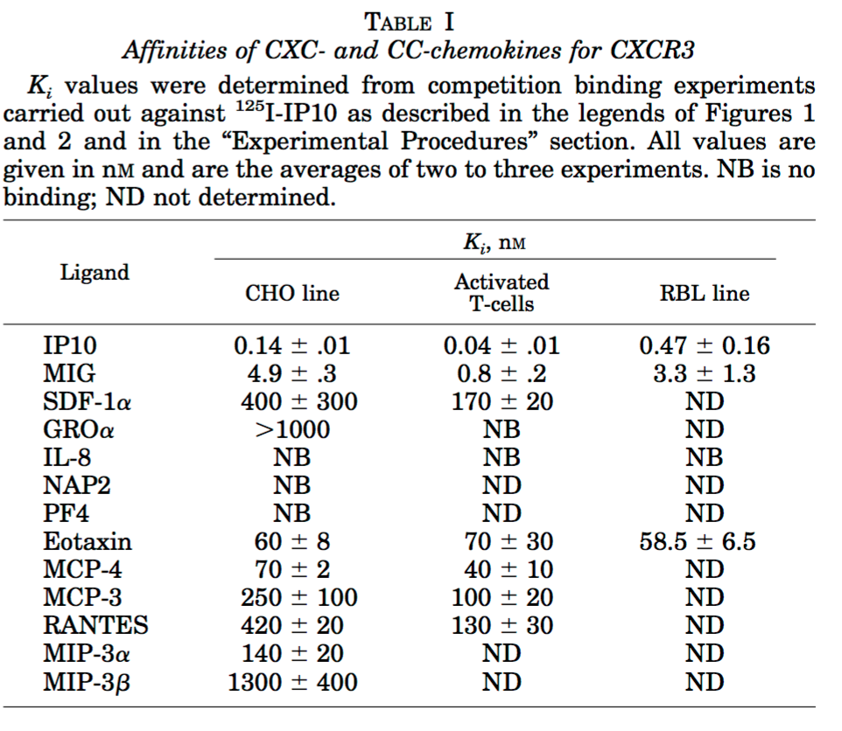
 |  |  | Wan et al. "Identification of full, partial, and inverse CC chemokine receptor 3 agonists using [35S]GTPgammaS binding". Eur J Pharmacol. 2002. | Partial Agonist
 | CCR5 | 5 | Blanpain et al. "CCR5 Binds Multiple CC-Chemokines: MCP-3 Acts as a Natural Antagonist". Blood. 1999.
 |  |  | Samson et al. "Molecular Cloning and Functional Expression of a New Human CC-Chemokine Receptor Gene". Biochemistry. 1996.
 | ACKR1 | 5 | Horuk et al. "Identification and Characterization of a Promiscuous Chemokine-binding Protein in a Human Erythroleukemic Cell Line". JBC. 1994.
 |  |  | Szabo et al. "Chemokine Class Differences in Binding to the Duffy Antigen-Erythrocyte Chemokine Receptor". JBC. 1995.
 | ACKR2 | 5 | Nibbs et al. "Cloning and Characterization of a Novel Promiscuous Human B-Chemokine Receptor D6." JBC. 1997. | Kd = 3.6nM
 |  |  | Bonecchi et al. "Differential Recognition and Scavenging of Native and Truncated Macrophage-Derived Chemokine (CCL22) by the D6 Decoy Receptor". J Immunol. 2004.
 | CXCR3 | 2 | Weng et al. "Binding and Functional Properties of Recombinant and Endogenous CXCR3 Chemokine Receptors". JBC. 1998. | Low affinity; Only binidng data; No calcium response detected; See chart to right
CCL7 [MCP-3] | CCR1 | 5 | Ben-Baruch et al. "Monocyte Chemotactic Protein-3 (MCP3) Interacts with Mulitple Leukocyte Receptors. C-C CKR1, A Receptor for Macrophage Inflammatory Protein-1a/RANTES, is also a Functional Receptor for MCP3". JBC. 1995.
 |  |  | Combadiere et al. "Cloning and Functional Expression of a Human Eosinophil CC Chemokine Receptor". JBC. 1995.
 | CCR2 | 5 | Combadiere et al. "Cloning and Functional Expression of a Human Eosinophil CC Chemokine Receptor". JBC. 1995. | CCR2B
 |  |  | Huma et al. "Key determinants of selective binding and activation by the monocyte chemoattractant proteins at the chemokine receptor CCR2". Sci Signaling. 2017. | "The Chemokine MCP-2 (CCL8) and MCP-3 (CCL7) are partial agoninsts of their shared receptor CCR2"
 |  |  | Luttichau et al. "A Highly Selective CCR2 Chemokine Agonist Encoded by Human Herpesvirus 6". JBC. 2003. | CCR2B
 | CCR3 | 5 | Daugherty et al. "Cloning, Expression, and Characterization of Human Eosinophil Eotaxin Receptor". JEM. 1996. | "Surprisingly, 100nM of MCP-3 was required to induce a [calcium] response" | Kd=0.7-2.7nM
 |  |  | Ponath et al. "Molecular Cloning and Characterization of a Human Eotaxin Receptor Expressed Selectively on Eosinophils". JEM. 1996. | "No detectable migration below 100ng/mL"
 |  |  | Wan et al. "Identification of full, partial, and inverse CC chemokine receptor 3 agonists using [35S]GTPgammaS binding". Eur J Pharmacol. 2002. | Partial Agonist
 | CCR5 | 5* | Blanpain et al. "CCR5 Binds Multiple CC-Chemokines: MCP-3 Acts as a Natural Antagonist". Blood. 1999. | "MCP-3 can be considered as a natural ANTAGONIST of CCR5" | pIC50 = 8.59 +/- 0.11 | pEC50 = <6.3
 |  |  | Mueller et al. "Pharmacological characterization of the chemokine receptor, CCR5". Br J Pharmacol. 2002. | "MCP-3 also binds to CCR5 with high affinity but is unable to activate the receptor and appears to be an antagonist in each assay"
 | ACKR1 | 5 | Gardner et al. "The human Duffy antigen binds selected inflammatory but not homeostatic chemokines". Biochem. Biophys. Res. Commun. 2004. | Ki=6.6nM
 | ACKR2 | 5 | Nibbs et al. "Cloning and Characterization of a Novel Promiscuous Human B-Chemokine Receptor D6." JBC. 1997. | Kd = 1.2nM
 | CXCR3 | 2 | Weng et al. "Binding and Functional Properties of Recombinant and Endogenous CXCR3 Chemokine Receptors". JBC. 1998. | Low affinity; Only binding data; No calcium response detected
CCL8 [MCP-2] | CCR1 | 5 | Gong et al. "Monocyte Chemotactic Protein-2 (MCP-2) Uses CCR1 and CCR2B as Its Functional Receptors". JBC. 1997.
 |  |  | Chou et al. "Pharmacological characterization of the chemokine receptor, hCCR1 in a stable transfectant and differentiated HL-60 cells: antagonism of hCCR1 activation by MIP-1B". Br. J. Pharmacol. 2002. | EC50 = 19.8 +/-2 nM (GTPyS Binding)
 | CCR2 | 5 | Huma et al. "Key determinants of selective binding and activation by the monocyte chemoattractant proteins at the chemokine receptor CCR2". Sci Signaling. 2017. | "The Chemokine MCP-2 (CCL8) and MCP-3 (CCL7) are partial agoninsts of their shared receptor CCR2"
 |  |  | Luttichau et al. "A Highly Selective CCR2 Chemokine Agonist Encoded by Human Herpesvirus 6". JBC. 2003. | EC50 = 15.4nM (Ca)
 |  |  | Gong et al. "Monocyte Chemotactic Protein-2 (MCP-2) Uses CCR1 and CCR2B as Its Functional Receptors". JBC. 1997. | CCR2b
 | CCR3 | 4 | Struyf et al. "Synergistic up-regulation of MCP-2/CCL8 activity is counteracted by chemokine cleavage, limiting its inflammatory and anti-tumoral effects". Eur J Immunol. 2009.
 |  |  | Heath et al. "Chemokine Receptor Usage by Human Eosinophils". JCI. 1997. | CCR3 is the receptor for CCL8 on eosinophils
 |  |  | Noso et al. "Human Monocyte Chemotactic Proteins-2 and 3 (MCP-2 and MCP-3) Attract Human Eosinophils and Desensitize the Chemotactic Responses Toward RANTES". Biochem Biophys Res Comm. 1994. | Eosinophil chemotaxis EC50 = 40nM (compared to MCP-3 of 2-3nM)
 | CCR5 | 5 | Ruffing et al. "CCR5 has an expanded ligand-binding repertoire and is the primary receptor used by MCP-2 on activated T cells". Cell Immunol. 1998.
 | ACKR1 | 4 | Gardner et al. "The human Duffy antigen binds selected inflammatory but not homeostatic chemokines". Biochem. Biophys. Res. Commun. 2004. | Weak binding; Ki = 151nM; Displacing CXCL8
 | ACKR2 | 5 | Nibbs et al. "Cloning and Characterization of a Novel Promiscuous Human B-Chemokine Receptor D6." JBC. 1997. | Kd = 768pM
CCL11 [Eotaxin-1] | CCR2 | 3* | Luttichau et al. "A Highly Selective CCR2 Chemokine Agonist Encoded by Human Herpesvirus 6". JBC. 2003. | IC50 = 72nM (Displacement of 125I-CCL2)
 |  |  | Ogilvie et al. "Eotaxin is a natural antagonist for CCR2 and an agonist for CCR5." Blood. 2001. | Antagonist | Moderate affinity; Inihibits CCL2-induced Ca flux and Migration
 |  |  | Martinelli et al. "The CC Chemokine Eotaxin (CCL11) Is a Partial Agonist of CC Chemokine Receptor 2b". JBC. 2001. | Partial Agonist | Eotaxin-1 could induce chemotaxis of CCR2-expressing cells at high (1uM) concentrations, but inhibited activation of CCR2 by monocyte chemoattractant protein-1 (MCP-1) at much lower concentrations |  | Eotaxin binding Kd = 7.50 +/- 3.30 nM
 | CCR3 | 5 | Daugherty et al. "Cloning, Expression, and Characterization of Human Eosinophil Eotaxin Receptor". JEM. 1996. | Kd = 0.1nM; Stimulated Ca response
 |  |  | Kitaura et al. "Molecular Cloning of a Novel Human CC Chemokine (Eotaxin-3) That is a Functional Ligand of the CC Chemokine Receptor 3". JBC. 1999. | Radioligand competition with 125I-CCL11, IC50 = 1.9nM;EC50=0.4nM
 | CCR5 | 4 | Blanpain et al. "CCR5 Binds Multiple CC-Chemokines: MCP-3 Acts as a Natural Antagonist". Blood. 1999. | IC50 = ~20nM (Radioligand competion with CCL4); EC50 not determinable | "Although mild stimulation of the receptor was observed at the highest concentration tested (500nM), a full dose response could not be established"
 |  |  | Ogilvie et al. "Eotaxin is a natural antagonist for CCR2 and an agonist for CCR5." Blood. 2001.
 | ACKR1 | 4 | Gardner et al. "The human Duffy antigen binds selected inflammatory but not homeostatic chemokines". Biochem. Biophys. Res. Commun. 2004. | Ki = 67.3 nM | Characterized as "strong binding" by the authors
 | ACKR2 | 4 | Bonecchi et al. "Differential Recognition and Scavenging of Native and Truncated Macrophage-Derived Chemokine (CCL22) by the D6 Decoy Receptor". J Immunol. 2004. | "…the inflammatory CC chemokines CCL5 and CCL11 were scavenged with the highest efficiency"
 |  |  | Nibbs et al. "Cloning and Characterization of a Novel Promiscuous Human B-Chemokine Receptor D6." JBC. 1997. | Kd = 46nM
 | CXCR3 | 3* | Weng et al. "Binding and functional properties of recombinant and endogenous CXCR3 chemokine receptors". JBC. 1998. | "Eotaxin does not activate CXCR3 but, in CXCR3-transfected cells, can block IP10-mediated receptor activation. Eotaxin, therefore, may be a natural CXCR3 antagonist" | Ki ~60nM; Competing off 125I-IP10.
 |  |  | Xanthou et al. "CCR3 functional responses are regulated by both CXCR3 and its ligands CXCL9, CXCL10, and CXCL11". Eur J Immunol. 2003. | "Here, we report that although CCL11, CCL24, and CCL26 are neither agonists nor antagonists of CXCR3, CCL11 binds with high affinity to CXCR3." | Radioligand competion using hot/cold CCL11: IC50 = 3.12 +/- 0.87nM
CCL13 [MCP-4] | CCR1? | 1 | Garcia-Zepeda et al. "Human monocyte chemoattractant protein (MCP)-4 is a novel CC chemokine with activities on monocytes, eosinophils, and basophils induced in allergic and nonallergic inflammation that signals through the CC chemokine receptors (CCR)-2 and -3". J Immunol. 1996. | CCL13 does not signal through CCR1
 |  |  | Mendez-Enriquez et al. "The multiple faces of CCL13 in immunity and inflammation". Inflammopharmacology. 2013 | Says CCL13 binds CCR1; References cited don't show evidence for this
 | CCR2 | 5 | Uguccioni et al. "High Expression of the Chemokine Receptor CCR3 in Human Blood Basophils. Role in Activation by Eotaxin, MCP-4, and Other Chemokines". JCI. 1997. | IC50 = 2.3nM (Radioligand displacement using 125I-MCP-1) | CCR2B
 | CCR3 | 5 | Uguccioni et al. "High Expression of the Chemokine Receptor CCR3 in Human Blood Basophils. Role in Activation by Eotaxin, MCP-4, and Other Chemokines". JCI. 1997. | IC50 = 2nM (Radioligand displacement using 125I-Eotaxin)
 |  |  | Wan et al. "Identification of full, partial, and inverse CC chemokine receptor 3 agonists using [35S]GTPgammaS binding". Eur J Pharmacol. 2002.
 | CCR5 | 4 | Ruffing et al. "CCR5 has an expanded ligand-binding repertoire and is the primary receptor used by MCP-2 on activated T cells". Cell Immunol. 1998. | Ki =0.82 nM; IC50 (for MIP-1a) = 32nM; BUT MCP-4 binding was displaced well by MIP-1a (IC50=0.85nM) | Weak, induced a chemotactic response only at high concentrations (100nM)
 |  |  | Blanpain et al. "CCR5 Binds Multiple CC-Chemokines: MCP-3 Acts as a Natural Antagonist". Blood. 1999. | IC50 = 5.89nM (Radioligand displacement of 125I-MIP-1B) ; EC50 = 103nM | Moderate affinity; only induced a functional response at relatively high concentrations
 |  |  | Mueller et al. "Pharmacological characterization of the chemokine receptor, CCR5". Br J Pharmacol. 2002.
 | ACKR1 | 5 | Gardner et al. "The human Duffy antigen binds selected inflammatory but not homeostatic chemokines". Biochem. Biophys. Res. Commun. 2004. | Ki = 32.8nM
 | ACKR2 | 5 | Nibbs et al. "Cloning and Characterization of a Novel Promiscuous Human B-Chemokine Receptor D6." JBC. 1997. | Kd = 5.97nM
 | CXCR3 | 2 | Weng et al. "Binding and functional properties of recombinant and endogenous CXCR3 chemokine receptors". JBC. 1998. | Ki = 70nM
...

