Sheet1
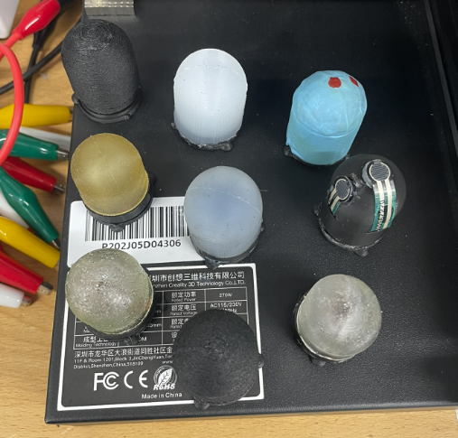
Number | Code | Description | People Involved | Exists?
1 | G1 | Gelatin hydrogel
2 | F1 | Conductive FDM print rigid | Sudong
3 | F2 | Conductive FDM print deformable | Sudong
4 | A1 | PAAm hydrogel hard | Antonia
5 | A2 | PAAM hydrogel soft | Antonia
6 | Z1 | FSR
7 | B1 | Piezoresistive fabric | Benhui
8 | N1 | Pneumatic | Kai, Kieran
9 | R1 | Internal rubber coating | Qinghua
10 | H1 | Hall effect | Sudong?
11 | C1 | Capacitive? | Qinghua?
12 | P1 | Solid silicone (passive)
13 | P2 | Hollow silicone (passive)
14 | T1 | Anisotropic TPU 1 (passive)
15 | T2 | Anisotropic TPU 2 (passive)

Also expect second versions of some of these

