AI_ready_dataset
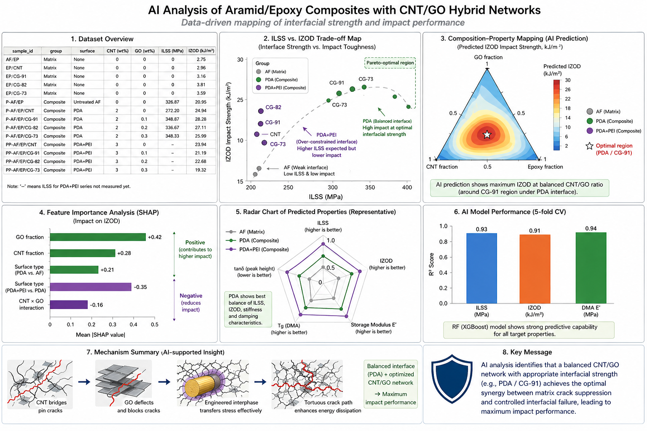
sample_id | material_level | fiber_present | fiber_surface | surface_code | filler_code | filler_system | cnt_fraction_in_filler | go_fraction_in_filler | epoxy_present | tensile_strength_mpa | tensile_strain_percent | izod_impact_kj_m2 | izod_improvement_vs_control_percent | ilss_mpa | ilss_change_vs_AF_EP_percent | storage_modulus_mpa | loss_modulus_mpa | tan_delta
EP | Matrix | 0 | None | 0 | None | None | 0 | 0 | 1 | 49.7 | 1.5 | 2.75 | 0 |  |  | 1200.6 | 100.1 | 1.024
EP/CNT | Matrix | 0 | None | 0 | CNT | CNT only | 1 | 0 | 1 | 44.5 | 2.7 | 2.96 | 7.6363636364 |  |  | 1183.8 | 131.6 | 1.001
EP/CG-91 | Matrix | 0 | None | 0 | CG-91 | CNT/GO 9:1 | 0.9 | 0.1 | 1 | 39.7 | 2.7 | 3.16 | 14.909090909 |  |  | 1230.9 | 137.2 | 1.05
EP/CG-82 | Matrix | 0 | None | 0 | CG-82 | CNT/GO 8:2 | 0.8 | 0.2 | 1 | 45.5 | 3.4 | 3.81 | 38.545454545 |  |  | 1220.2 | 112.4 | 0.945
EP/CG-73 | Matrix | 0 | None | 0 | CG-73 | CNT/GO 7:3 | 0.7 | 0.3 | 1 | 49.5 | 5.3 | 3.59 | 30.545454545 |  |  | 1050 | 89.9 | 1.002
AF/EP | Composite | 1 | Untreated AF | 1 | None | None | 0 | 0 | 1 |  |  | 20.95 | 0 | 326.87 | 0 | 1889.3 | 248.2 | 0.636
P-AF/EP/CNT | Composite | 1 | PDA | 2 | CNT | CNT only | 1 | 0 | 1 |  |  | 24.94 | 19.045346062 | 272.2 | -16.725303638 | 1910.8 | 215.1 | 0.699
P-AF/EP/CG-91 | Composite | 1 | PDA | 2 | CG-91 | CNT/GO 9:1 | 0.9 | 0.1 | 1 |  |  | 28.28 | 34.988066826 | 348.87 | 6.7305044819 | 1611 | 204.2 | 0.658
P-AF/EP/CG-82 | Composite | 1 | PDA | 2 | CG-82 | CNT/GO 8:2 | 0.8 | 0.2 | 1 |  |  | 27.11 | 29.403341289 | 336.67 | 2.9981338147 | 2241.8 | 290.8 | 0.704
P-AF/EP/CG-73 | Composite | 1 | PDA | 2 | CG-73 | CNT/GO 7:3 | 0.7 | 0.3 | 1 |  |  | 25.99 | 24.057279236 | 348.33 | 6.5653011901 | 2103.3 | 311.4 | 0.65
PP-AF/EP/CNT | Composite | 1 | PDA+PEI | 3 | CNT | CNT only | 1 | 0 | 1 |  |  | 23.94 | 14.272076372 |  |  | 1871.3 | 188.5 | 0.665
PP-AF/EP/CG-91 | Composite | 1 | PDA+PEI | 3 | CG-91 | CNT/GO 9:1 | 0.9 | 0.1 | 1 |  |  | 21.19 | 1.1455847255 |  |  | 2054.1 | 289.2 | 0.789
PP-AF/EP/CG-82 | Composite | 1 | PDA+PEI | 3 | CG-82 | CNT/GO 8:2 | 0.8 | 0.2 | 1 |  |  | 22.68 | 8.2577565632 |  |  | 1773.5 | 182.9 | 0.639
PP-AF/EP/CG-73 | Composite | 1 | PDA+PEI | 3 | CG-73 | CNT/GO 7:3 | 0.7 | 0.3 | 1 |  |  | 19.32 | -7.7804295943 |  |  | 1841.5 | 200.1 | 0.68

* 복합재료의 경우 filler 의 총 함량은 Epoxy 레진대비 0.5wt%을 유지하였음.

