eil76_summary
Algo | Greedy | 0 | 0 |  |  |  | SUMMARY

Dataset | EIL76 | 0 | 0
Run | Solution | Iteration | Time |  |  |  | EIL76 | Solution |  |  | Time |  |  | Iteration
1 | 711.99329263 | - | 0.002
0 | 0 | 0 | 0 |  |  |  | Algorithms | MIN | AVG | MAX | MIN | AVG | MAX
 |  |  |  |  |  |  | Greedy | - | 711.99329263 | - | - | 0.002 | - | -
 |  |  |  |  |  |  | Simulated Annealing | 563.18260382 | 588.568447 | 619.8992444 | 0.567 | 0.65715 | 0.948 | 20577
 |  |  |  |  |  |  | Particle Swarm Optimization | 664.81684143 | 687.70601664 | 711.99329263 | 8.655 | 10.31485 | 13.932 | 1000
Algo | Simulated Annealing | 0
Dataset | EIL76 | 0
Iteration | 20577 | 0
EIL76 Solution
 | SA | PSO | Greedy
 | 597.86172763 | 681.62819603 | 711.99329263
 | 591.64994255 | 668.87120718 | 711.99329263
 | 573.33006322 | 674.99722795 | 711.99329263
 | 573.61289426 | 694.55823978 | 711.99329263
 | 597.17661149 | 664.81684143 | 711.99329263
 | 607.20486384 | 676.71142676 | 711.99329263
 | 594.26286529 | 688.19974046 | 711.99329263
 | 580.27537842 | 687.29335903 | 711.99329263
 | 598.74538179 | 695.4920514 | 711.99329263
 | 585.62132228 | 683.5037229 | 711.99329263
 | 585.28411896 | 694.10728912 | 711.99329263
 | 575.62847379 | 678.68825988 | 711.99329263
 | 575.49285909 | 700.77665371 | 711.99329263
 | 576.37113805 | 706.18988244 | 711.99329263
 | 602.69644539 | 679.44117219 | 711.99329263
 | 601.60505613 | 699.96619061 | 711.99329263
 | 563.18260382 | 695.435791 | 711.99329263
 | 619.8992444 | 711.99329263 | 711.99329263
 | 594.40838525 | 700.03589135 | 711.99329263
 | 577.05956431 | 671.41389701 | 711.99329263
Run | Solution | Time |  | Solution
1 | 597.86172763 | 0.589 |  | MIN | AVG | MAX
2 | 591.64994255 | 0.575 |  | 563.18260382 | 588.568447 | 619.8992444
3 | 573.33006322 | 0.588
4 | 573.61289426 | 0.942 |  | Time
5 | 597.17661149 | 0.57 |  | MIN | AVG | MAX
6 | 607.20486384 | 0.567 |  | 0.567 | 0.65715 | 0.948
7 | 594.26286529 | 0.577
8 | 580.27537842 | 0.587
9 | 598.74538179 | 0.588
10 | 585.62132228 | 0.584
11 | 585.28411896 | 0.585
12 | 575.62847379 | 0.793
13 | 575.49285909 | 0.821
14 | 576.37113805 | 0.948
15 | 602.69644539 | 0.581
16 | 601.60505613 | 0.588
17 | 563.18260382 | 0.573
18 | 619.8992444 | 0.934
19 | 594.40838525 | 0.575
20 | 577.05956431 | 0.578

Algo | Particle Swarm Optimization | 0
Dataset | EIL76 | 0
Iteration | 1000 | 0
Run | Solution | Time |  | Solution
1 | 681.62819603 | 10.935 |  | MIN | AVG | MAX
2 | 668.87120718 | 9.304 |  | 664.81684143 | 687.70601664 | 711.99329263
3 | 674.99722795 | 10.867
4 | 694.55823978 | 10.08 |  | Time
5 | 664.81684143 | 11.109 |  | MIN | AVG | MAX
6 | 676.71142676 | 11.017 |  | 8.655 | 10.31485 | 13.932
7 | 688.19974046 | 9.049
8 | 687.29335903 | 10.986
9 | 695.4920514 | 13.932
10 | 683.5037229 | 11.048
11 | 694.10728912 | 10.943
12 | 678.68825988 | 8.781
13 | 700.77665371 | 8.878
14 | 706.18988244 | 10.232
15 | 679.44117219 | 10.839
16 | 699.96619061 | 8.794
17 | 695.435791 | 11.08
18 | 711.99329263 | 8.655
19 | 700.03589135 | 10.966
20 | 671.41389701 | 8.802

d657_summary
Algo | Greedy |  |  |  |  |  | SUMMARY

Dataset | D657 | 0 | 0
Run | Solution | Iteration | Time |  |  |  | D657 | Solution |  |  | Time |  |  | Iteration
1 | 62176.401032 | - | 0.147
0 | 0 | 0 | 0 |  |  |  | Algorithms | MIN | AVG | MAX | MIN | AVG | MAX
 |  |  |  |  |  |  | Greedy | - | 62176.401032 | - | - | 0.147 | - | -
Algo | Simulated Annealing | 0 |  |  |  |  | Simulated Annealing | 59673.004754 | 61070.629296 | 62544.170288 | 5.001 | 5.44425 | 7.051 | 21655
Dataset | D657 | 0 |  |  |  |  | Particle Swarm Optimization | 62047.30909 | 62151.819872 | 62176.401032 | 445.379 | 450.7249 | 456.242 | 2000
Iteration | 21655 | 0
Run | Solution | Time |  | Solution
D657 Solution
 | SA | PSO | greedy
 | 61065.854138 | 62169.360612 | 62176.401032
 | 61941.573037 | 62122.863139 | 62176.401032
 | 61378.983358 | 62145.540326 | 62176.401032
 | 61852.54295 | 62176.401032 | 62176.401032
 | 61190.492665 | 62176.401032 | 62176.401032
 | 61840.701931 | 62155.847258 | 62176.401032
 | 61840.701931 | 62172.189529 | 62176.401032
 | 60032.766758 | 62064.969284 | 62176.401032
 | 60945.649022 | 62144.083476 | 62176.401032
 | 60697.808384 | 62176.401032 | 62176.401032
 | 59737.978054 | 62176.401032 | 62176.401032
 | 60046.570998 | 62173.247976 | 62176.401032
 | 60683.202726 | 62047.30909 | 62176.401032
 | 62544.170288 | 62176.401032 | 62176.401032
 | 61466.342609 | 62176.401032 | 62176.401032
 | 59788.201225 | 62176.401032 | 62176.401032
 | 60801.864578 | 62143.503513 | 62176.401032
 | 59673.004754 | 62141.451794 | 62176.401032
 | 61975.352011 | 62176.401032 | 62176.401032
 | 61908.824503 | 62144.823181 | 62176.401032
1 | 61065.854138 | 5.07 |  | MIN | AVG | MAX
2 | 61941.573037 | 5.071 |  | 59673.004754 | 61070.629296 | 62544.170288
3 | 61378.983358 | 7.051
4 | 61852.54295 | 5.03 |  | Time
5 | 61190.492665 | 6.375 |  | MIN | AVG | MAX
6 | 61840.701931 | 5.037 |  | 5.001 | 5.44425 | 7.051
7 | 61840.701931 | 5.037
8 | 60032.766758 | 5.037
9 | 60945.649022 | 5.803
10 | 60697.808384 | 5.001
11 | 59737.978054 | 5.789
12 | 60046.570998 | 5.065
13 | 60683.202726 | 6.346
14 | 62544.170288 | 5.03
15 | 61466.342609 | 5.014
16 | 59788.201225 | 5.037
17 | 60801.864578 | 5.072
18 | 59673.004754 | 6.361
19 | 61975.352011 | 5.238
20 | 61908.824503 | 5.421

Algo | Particle Swarm Optimization | 0
Dataset | D657 | 0
Iteration | 2000 | 0
Run | Solution | Time |  | Solution
1 | 62169.360612 | 456.242 |  | MIN | AVG | MAX
2 | 62122.863139 | 446.577 |  | 62047.30909 | 62151.819872 | 62176.401032
3 | 62145.540326 | 445.643
4 | 62176.401032 | 445.379 |  | Time
5 | 62176.401032 | 450.202 |  | MIN | AVG | MAX
6 | 62155.847258 | 455.068 |  | 445.379 | 450.7249 | 456.242
7 | 62172.189529 | 451.709
8 | 62064.969284 | 451.172
9 | 62144.083476 | 451.987
10 | 62176.401032 | 450.973
11 | 62176.401032 | 450.251
12 | 62173.247976 | 450.22
13 | 62047.30909 | 451.117
14 | 62176.401032 | 450.894
15 | 62176.401032 | 447.363
16 | 62176.401032 | 450.628
17 | 62143.503513 | 452.458
18 | 62141.451794 | 447.805
19 | 62176.401032 | 454.973
20 | 62144.823181 | 453.837

nrw1379_summary
Algo | Greedy |  |  |  |  |  | SUMMARY

Dataset | NRW1379 | 0 | 0
Run | Solution | Iteration | Time |  |  |  | NRW1379 | Solution |  |  | Time |  |  | Iteration
1 | 70015.457122 | - | 0.361
 |  |  |  |  |  |  | Algorithms | MIN | AVG | MAX | MIN | AVG | MAX
Algo | Simulated Annealing | 0 |  |  |  |  | Greedy | - | 70015.457122 | - | - | 0.361 | - | -
Dataset | NRW1379 | 0 |  |  |  |  | Simulated Annealing | 68542.996739 | 69616.757417 | 70781.178907 | 11.811 | 12.67915 | 13.971 | 22026
Iteration | 22026 | 0 |  |  |  |  | Particle Swarm Optimization | 69962.720957 | 70006.496601 | 70015.457122 | 4384.808 | 5610.902525 | 7388.215 | 5000
Run | Solution | Time |  | Solution
1 | 68582.680407 | 13.106 |  | MIN | AVG | MAX
NRW1379 Solution
 | SA | PSO | greedy
 | 68582.680407 | 70008.369251 | 70015.457122
 | 68542.996739 | 70011.913186 | 70015.457122
 | 69696.549377 | 70015.457122 | 70015.457122
 | 70254.13354 | 70015.457122 | 70015.457122
 | 69895.329052 | 70015.457122 | 70015.457122
 | 70249.416564 | 69989.089039 | 70015.457122
 | 68963.365572 | 69962.720957 | 70015.457122
 | 68843.509576 | 69989.089039 | 70015.457122
 | 70457.547807 | 70015.457122 | 70015.457122
 | 69004.980134 | 70015.457122 | 70015.457122
 | 70781.178907 | 70015.457122 | 70015.457122
 | 68751.772359 | 69999.680551 | 70015.457122
 | 70490.000696 | 69983.90398 | 70015.457122
 | 69278.489244 | 69999.680551 | 70015.457122
 | 69901.331373 | 70015.457122 | 70015.457122
 | 69212.113725 | 70015.457122 | 70015.457122
 | 69613.875551 | 70015.457122 | 70015.457122
 | 69657.863853 | 70015.457122 | 70015.457122
 | 70404.943279 | 70015.457122 | 70015.457122
 | 69753.070586 | 70015.457122 | 70015.457122
2 | 68542.996739 | 12.594 |  | 68542.996739 | 69616.757417 | 70781.178907
3 | 69696.549377 | 13.817
4 | 70254.13354 | 12.586 |  | Time
5 | 69895.329052 | 12.571 |  | MIN | AVG | MAX
6 | 70249.416564 | 11.811 |  | 11.811 | 12.67915 | 13.971
7 | 68963.365572 | 12.575
8 | 68843.509576 | 13.143
9 | 70457.547807 | 12.611
10 | 69004.980134 | 12.642
11 | 70781.178907 | 13.971
12 | 68751.772359 | 12.712
13 | 70490.000696 | 12.567
14 | 69278.489244 | 12.602
15 | 69901.331373 | 12.509
16 | 69212.113725 | 12.03
17 | 69613.875551 | 12.496
18 | 69657.863853 | 12.317
19 | 70404.943279 | 12.447
20 | 69753.070586 | 12.476

Algo | Particle Swarm Optimization | 0
Dataset | NRW1379 | 0
Iteration | 5000 | 0
Run | Solution | Time |  | Solution
1 | 70008.369251 | 4543.138 |  | MIN | AVG | MAX
2 | 70011.913186 | 4523.0215 |  | 69962.720957 | 70006.496601 | 70015.457122
3 | 70015.457122 | 4502.905
4 | 70015.457122 | 4507.162 |  | Time
5 | 70015.457122 | 4511.419 |  | MIN | AVG | MAX
6 | 69989.089039 | 4510.519 |  | 4384.808 | 5610.902525 | 7388.215
7 | 69962.720957 | 4509.619
8 | 69989.089039 | 4456.345
9 | 70015.457122 | 4403.071
10 | 70015.457122 | 4393.9395
11 | 70015.457122 | 4384.808
12 | 69999.680551 | 5886.5115
13 | 69983.90398 | 7388.215
14 | 69999.680551 | 7303.14
15 | 70015.457122 | 7218.065
16 | 70015.457122 | 7115.948
17 | 70015.457122 | 7013.831
18 | 70015.457122 | 7011.868
19 | 70015.457122 | 7009.905
20 | 70015.457122 | 7024.62

greedy
Algo | Greedy |  |  |  |  |  | hardware
Dataset | EIL76 |  |  |  |  |  | Processor | Intel Xeon CPU @2.20 GHz
Run | Solution | Iteration | Time | EIL76 | D657 | NRW1379 | Memory | 13 GB RAM
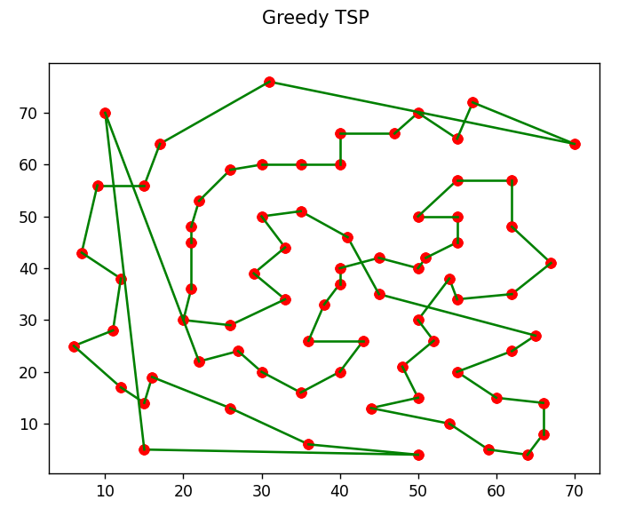
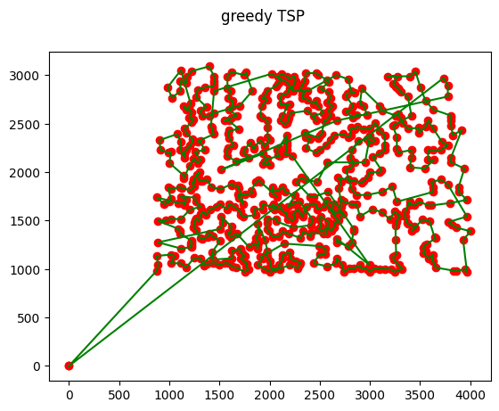
1 | 711.99329263 | - | 0.002
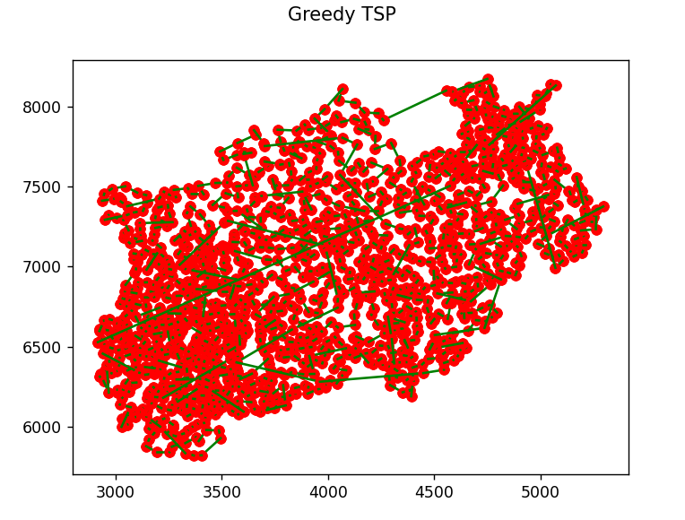
Dataset | D657
Run | Solution | Iteration | Time
1 | 62176.401032 | - | 0.147

Dataset | NRW1379
Run | Solution | Iteration | Time
1 | 70015.457122 | - | 0.361

sa_76
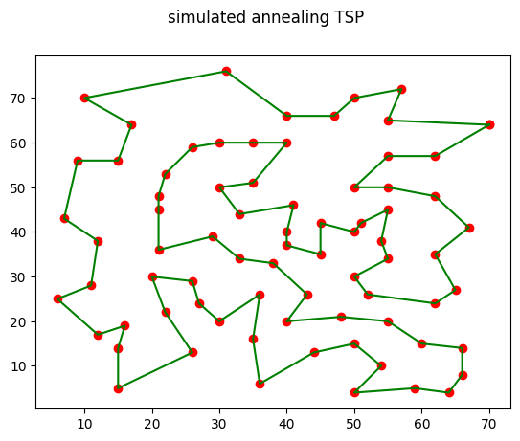
Algo | Simulated Annealing |  | Route
Dataset | EIL76
Iteration | 20577
Run | Solution | Time
1 | 597.86172763 | 0.589
2 | 591.64994255 | 0.575
3 | 573.33006322 | 0.588
4 | 573.61289426 | 0.942
5 | 597.17661149 | 0.57
6 | 607.20486384 | 0.567
7 | 594.26286529 | 0.577
8 | 580.27537842 | 0.587
9 | 598.74538179 | 0.588
10 | 585.62132228 | 0.584
11 | 585.28411896 | 0.585 | Iteration
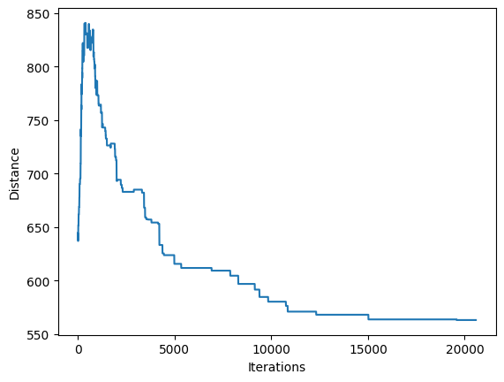
12 | 575.62847379 | 0.793
13 | 575.49285909 | 0.821
14 | 576.37113805 | 0.948
15 | 602.69644539 | 0.581
16 | 601.60505613 | 0.588
17 | 563.18260382 | 0.573
18 | 619.8992444 | 0.934
19 | 594.40838525 | 0.575
20 | 577.05956431 | 0.578

sa_657
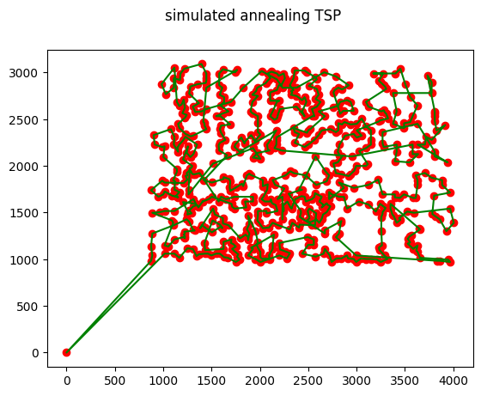
Algo | Simulated Annealing |  | Route
Dataset | D657
Iteration | 21655
Run | Solution | Time
1 | 61065.854138 | 5.07
2 | 61941.573037 | 5.071
3 | 61378.983358 | 7.051
4 | 61852.54295 | 5.03
5 | 61190.492665 | 6.375
6 | 61840.701931 | 5.037
7 | 61840.701931 | 5.037
8 | 60032.766758 | 5.037
9 | 60945.649022 | 5.803
10 | 60697.808384 | 5.001
11 | 59737.978054 | 5.789
12 | 60046.570998 | 5.065 | Iteration
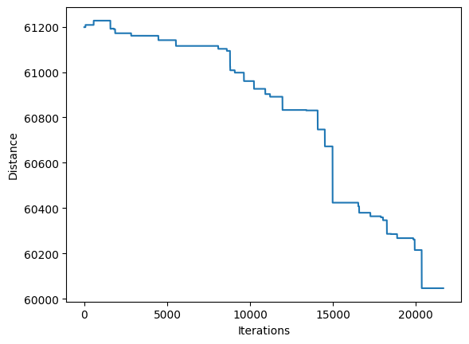
13 | 60683.202726 | 6.346
14 | 62544.170288 | 5.03
15 | 61466.342609 | 5.014
16 | 59788.201225 | 5.037
17 | 60801.864578 | 5.072
18 | 59673.004754 | 6.361
19 | 61975.352011 | 5.238
20 | 61908.824503 | 5.421

sa_1379
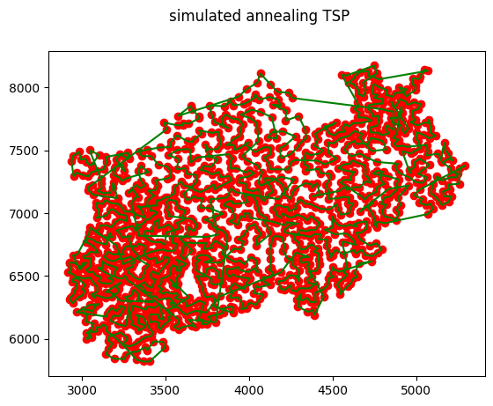
Algo | Simulated Annealing |  | Route
Dataset | NRW1379
Iteration | 22026
Run | Solution | Time
1 | 68582.680407 | 13.106
2 | 68542.996739 | 12.594
3 | 69696.549377 | 13.817
4 | 70254.13354 | 12.586
5 | 69895.329052 | 12.571
6 | 70249.416564 | 11.811
7 | 68963.365572 | 12.575
8 | 68843.509576 | 13.143
9 | 70457.547807 | 12.611
10 | 69004.980134 | 12.642
11 | 70781.178907 | 13.971 | Iteration
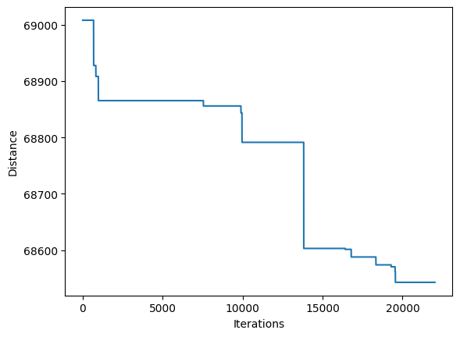
12 | 68751.772359 | 12.712
13 | 70490.000696 | 12.567
14 | 69278.489244 | 12.602
15 | 69901.331373 | 12.509
16 | 69212.113725 | 12.03
17 | 69613.875551 | 12.496
18 | 69657.863853 | 12.317
19 | 70404.943279 | 12.447
20 | 69753.070586 | 12.476

pso_76
Algo | Particle Swarm Optimization |  | parameter: pso = PSO(iterations=1000, population_size=150, pbest_probability=0.9, gbest_probability=0.01, cities=cities)
Dataset | EIL76
Iteration | 1000 |  |  | Route
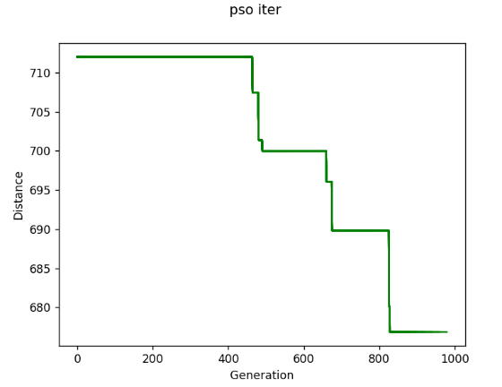
Run | Solution | Time
1 | 681.62819603 | 10.935
2 | 668.87120718 | 9.304
3 | 674.99722795 | 10.867
4 | 694.55823978 | 10.08
5 | 664.81684143 | 11.109
6 | 676.71142676 | 11.017
7 | 688.19974046 | 9.049
8 | 687.29335903 | 10.986
9 | 695.4920514 | 13.932
10 | 683.5037229 | 11.048
11 | 694.10728912 | 10.943 |  | Iteration
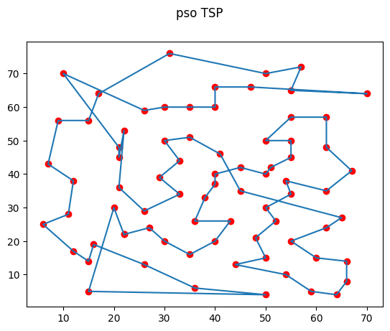
12 | 678.68825988 | 8.781
13 | 700.77665371 | 8.878
14 | 706.18988244 | 10.232
15 | 679.44117219 | 10.839
16 | 699.96619061 | 8.794
17 | 695.435791 | 11.08
18 | 711.99329263 | 8.655
19 | 700.03589135 | 10.966
20 | 671.41389701 | 8.802

