eil76_summary
Algo | Greedy | 0 | 0 |  |  |  | SUMMARY

Dataset | EIL76 | 0 | 0
Run | Solution | Iteration | Time |  |  |  | EIL76 | Solution |  |  | Time |  |  | Iteration
1 | 711.99329263 | - | 6.4
0 | 0 | 0 | 0 |  |  |  | Algorithms | MIN | AVG | MAX | MIN | AVG | MAX
 |  |  |  |  |  |  | Greedy | - | 711.99329263 | - | - | 6.4 | - | -
 |  |  |  |  |  |  | Simulated Annealing | 565.45409997 | 593.27174325 | 613.8726276 | 0.685 | 0.75015 | 0.803 | 20577
 |  |  |  |  |  |  | Particle Swarm Optimization | 659.6321561 | 690.13276728 | 706.04916852 | 9.131 | 9.66025 | 11.906 | 1000
Algo | Simulated Annealing | 0
Dataset | EIL76 | 0
Iteration | 20577 | 0
EIL76 Solution
 | SA | PSO | Greedy
 | 593.4790223 | 670.35860564 | 711.99329263
 | 591.0368007 | 701.84486545 | 711.99329263
 | 590.98106376 | 684.49055746 | 711.99329263
 | 565.45409997 | 687.36195696 | 711.99329263
 | 584.30106834 | 659.6321561 | 711.99329263
 | 582.8412532 | 687.5614258 | 711.99329263
 | 597.49471783 | 693.11877503 | 711.99329263
 | 582.64907773 | 691.6494698 | 711.99329263
 | 613.8726276 | 699.68663741 | 711.99329263
 | 605.23975921 | 684.8451435 | 711.99329263
 | 609.46677548 | 686.42058055 | 711.99329263
 | 602.29299017 | 675.78015548 | 711.99329263
 | 581.87691429 | 689.39945705 | 711.99329263
 | 589.27919721 | 701.38516145 | 711.99329263
 | 597.13904252 | 694.95680627 | 711.99329263
 | 587.72333491 | 694.97880534 | 711.99329263
 | 588.35506869 | 689.8195179 | 711.99329263
 | 596.21744384 | 706.04916852 | 711.99329263
 | 606.35304674 | 698.31962132 | 711.99329263
 | 599.3815606 | 704.99647866 | 711.99329263
Run | Solution | Time |  | Solution
1 | 593.4790223 | 0.803 |  | MIN | AVG | MAX
2 | 591.0368007 | 0.685 |  | 565.45409997 | 593.27174325 | 613.8726276
3 | 590.98106376 | 0.769
4 | 565.45409997 | 0.732 |  | Time
5 | 584.30106834 | 0.74 |  | MIN | AVG | MAX
6 | 582.8412532 | 0.773 |  | 0.685 | 0.75015 | 0.803
7 | 597.49471783 | 0.733
8 | 582.64907773 | 0.738
9 | 613.8726276 | 0.738
10 | 605.23975921 | 0.759
11 | 609.46677548 | 0.721
12 | 602.29299017 | 0.782
13 | 581.87691429 | 0.786
14 | 589.27919721 | 0.73
15 | 597.13904252 | 0.74
16 | 587.72333491 | 0.723
17 | 588.35506869 | 0.722
18 | 596.21744384 | 0.787
19 | 606.35304674 | 0.754
20 | 599.3815606 | 0.788

Algo | Particle Swarm Optimization | 0
Dataset | EIL76 | 0
Iteration | 1000 | 0
Run | Solution | Time |  | Solution
1 | 670.35860564 | 11.906 |  | MIN | AVG | MAX
2 | 701.84486545 | 10.087 |  | 659.6321561 | 690.13276728 | 706.04916852
3 | 684.49055746 | 9.923
4 | 687.36195696 | 9.274 |  | Time
5 | 659.6321561 | 9.343 |  | MIN | AVG | MAX
6 | 687.5614258 | 9.827 |  | 9.131 | 9.66025 | 11.906
7 | 693.11877503 | 9.344
8 | 691.6494698 | 9.47
9 | 699.68663741 | 9.608
10 | 684.8451435 | 9.369
11 | 686.42058055 | 10.368
12 | 675.78015548 | 9.605
13 | 689.39945705 | 9.35
14 | 701.38516145 | 9.143
15 | 694.95680627 | 9.525
16 | 694.97880534 | 9.353
17 | 689.8195179 | 9.131
18 | 706.04916852 | 9.559
19 | 698.31962132 | 9.352
20 | 704.99647866 | 9.668

d657_summary
Algo | Greedy |  |  |  |  |  | SUMMARY

Dataset | D657 | 0 | 0
Run | Solution | Iteration | Time |  |  |  | D657 | Solution |  |  | Time |  |  | Iteration
1 | 62176.401032 | - | 73.432
0 | 0 | 0 | 0 |  |  |  | Algorithms | MIN | AVG | MAX | MIN | AVG | MAX
 |  |  |  |  |  |  | Greedy | - | 62176.401032 | - | - | 73.432 | - | -
Algo | Simulated Annealing | 0 |  |  |  |  | Simulated Annealing | 60364.425323 | 61606.553878 | 63435.736305 | 6.114 | 6.76945 | 9.123 | 21655
Dataset | D657 | 0 |  |  |  |  | Particle Swarm Optimization | 0 | 0 | 0 | 0 | 0 | 0 | 0
Iteration | 21655 | 0
Run | Solution | Time |  | Solution
D657 Solution
 | SA | greedy
 | 61163.80952 | 62176.401032
 | 62824.049889 | 62176.401032
 | 60495.201078 | 62176.401032
 | 62017.677192 | 62176.401032
 | 61270.356693 | 62176.401032
 | 61250.821173 | 62176.401032
 | 60364.425323 | 62176.401032
 | 61133.615062 | 62176.401032
 | 61619.327485 | 62176.401032
 | 60727.428175 | 62176.401032
 | 61946.202057 | 62176.401032
 | 62329.83246 | 62176.401032
 | 61346.277201 | 62176.401032
 | 63435.736305 | 62176.401032
 | 62109.047344 | 62176.401032
 | 61159.085094 | 62176.401032
 | 61493.87918 | 62176.401032
 | 61960.737849 | 62176.401032
 | 62643.686092 | 62176.401032
 | 60839.88238 | 62176.401032
1 | 61163.80952 | 6.45 |  | MIN | AVG | MAX
2 | 62824.049889 | 6.208 |  | 60364.425323 | 61606.553878 | 63435.736305
3 | 60495.201078 | 9.123
4 | 62017.677192 | 7.168 |  | Time
5 | 61270.356693 | 6.593 |  | MIN | AVG | MAX
6 | 61250.821173 | 6.114 |  | 6.114 | 6.76945 | 9.123
7 | 60364.425323 | 6.868
8 | 61133.615062 | 6.938
9 | 61619.327485 | 6.527
10 | 60727.428175 | 6.686
11 | 61946.202057 | 6.855
12 | 62329.83246 | 6.926
13 | 61346.277201 | 6.652
14 | 63435.736305 | 7.138
15 | 62109.047344 | 6.184
16 | 61159.085094 | 6.363
17 | 61493.87918 | 6.817
18 | 61960.737849 | 6.477
19 | 62643.686092 | 7.125
20 | 60839.88238 | 6.177

nrw1379_summary
Algo | Greedy |  |  |  |  |  | SUMMARY

Dataset | NRW1379 | 0 | 0
Run | Solution | Iteration | Time |  |  |  | NRW1379 | Solution |  |  | Time |  |  | Iteration
1 | 70015.457122 | - | 296.635
 |  |  |  |  |  |  | Algorithms | MIN | AVG | MAX | MIN | AVG | MAX
Algo | Simulated Annealing | 0 |  |  |  |  | Greedy | - | 70015.457122 | - | - | 296.635 | - | -
Dataset | NRW1379 | 0 |  |  |  |  | Simulated Annealing | 68465.325012 | 69834.930298 | 71001.466682 | 13.076 | 13.9517 | 15.826 | 22026
Iteration | 22026 | 0 |  |  |  |  | Particle Swarm Optimization | 0 | 0 | 0 | 0 | 0 | 0 | 0
Run | Solution | Time |  | Solution
1 | 69458.040061 | 14.106 |  | MIN | AVG | MAX
NRW1379 Solution
 | SA | greedy
 | 69458.040061 | 70015.457122
 | 70314.04759 | 70015.457122
 | 69882.324757 | 70015.457122
 | 70276.951584 | 70015.457122
 | 69143.319023 | 70015.457122
 | 71001.466682 | 70015.457122
 | 70053.797739 | 70015.457122
 | 69243.590213 | 70015.457122
 | 70494.844588 | 70015.457122
 | 68822.98468 | 70015.457122
 | 70804.333046 | 70015.457122
 | 69896.875226 | 70015.457122
 | 70293.822328 | 70015.457122
 | 69666.403263 | 70015.457122
 | 69253.599389 | 70015.457122
 | 68880.988205 | 70015.457122
 | 70216.704241 | 70015.457122
 | 68465.325012 | 70015.457122
 | 70430.171869 | 70015.457122
 | 70099.016469 | 70015.457122
2 | 70314.04759 | 14.06 |  | 68465.325012 | 69834.930298 | 71001.466682
3 | 69882.324757 | 14.178
4 | 70276.951584 | 15.826 |  | Time
5 | 69143.319023 | 14.248 |  | MIN | AVG | MAX
6 | 71001.466682 | 13.768 |  | 13.076 | 13.9517 | 15.826
7 | 70053.797739 | 14.035
8 | 69243.590213 | 13.949
9 | 70494.844588 | 13.631
10 | 68822.98468 | 13.631
11 | 70804.333046 | 13.739
12 | 69896.875226 | 13.076
13 | 70293.822328 | 13.657
14 | 69666.403263 | 13.732
15 | 69253.599389 | 13.984
16 | 68880.988205 | 13.539
17 | 70216.704241 | 13.922
18 | 68465.325012 | 13.978
19 | 70430.171869 | 14.14
20 | 70099.016469 | 13.835

greedy
Algo | Greedy |  |  |  |  |  | hardware
Dataset | EIL76 |  |  |  |  |  | Processor | Intel i3-10110U @2.1Ghz
Run | Solution | Iteration | Time | EIL76 | D657 | NRW1379 | Memory | 8 GB
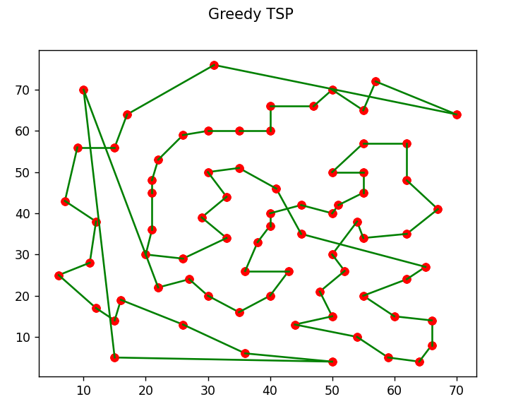
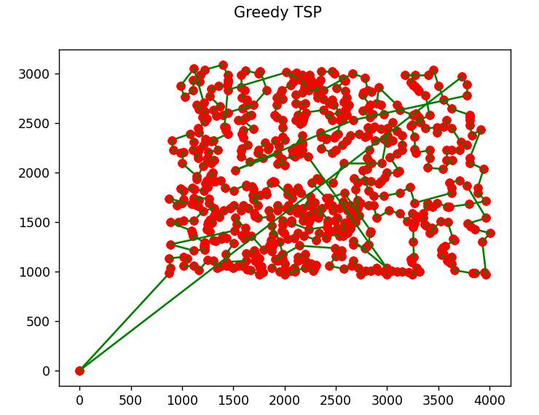
1 | 711.99329263 | - | 6.4 |  |  |  | GPU | Intel UHD 620
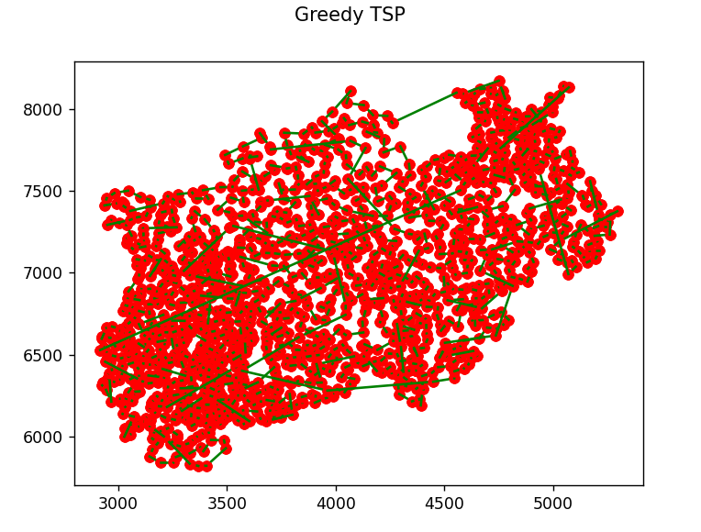
 |  |  |  |  |  |  | Operating System | Windows 11
Dataset | D657
Run | Solution | Iteration | Time
1 | 62176.401032 | - | 73.432

Dataset | NRW1379
Run | Solution | Iteration | Time
1 | 70015.457122 | - | 296.635

sa_76
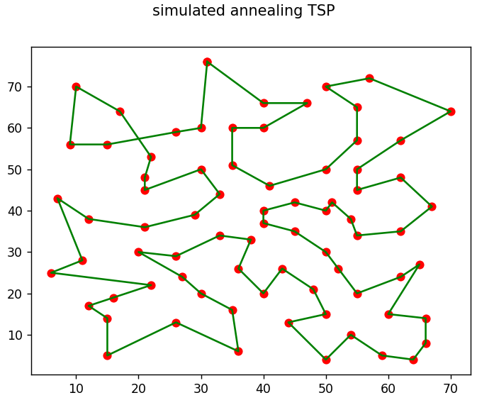
Algo | Simulated Annealing |  | Route
Dataset | EIL76
Iteration | 20577
Run | Solution | Time
1 | 593.4790223 | 0.803
2 | 591.0368007 | 0.685
3 | 590.98106376 | 0.769
4 | 565.45409997 | 0.732
5 | 584.30106834 | 0.74
6 | 582.8412532 | 0.773
7 | 597.49471783 | 0.733
8 | 582.64907773 | 0.738
9 | 613.8726276 | 0.738
10 | 605.23975921 | 0.759
11 | 609.46677548 | 0.721 | Iteration
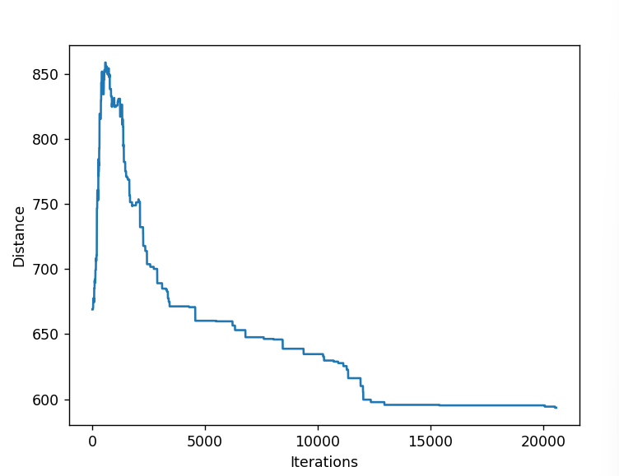
12 | 602.29299017 | 0.782
13 | 581.87691429 | 0.786
14 | 589.27919721 | 0.73
15 | 597.13904252 | 0.74
16 | 587.72333491 | 0.723
17 | 588.35506869 | 0.722
18 | 596.21744384 | 0.787
19 | 606.35304674 | 0.754
20 | 599.3815606 | 0.788

sa_657
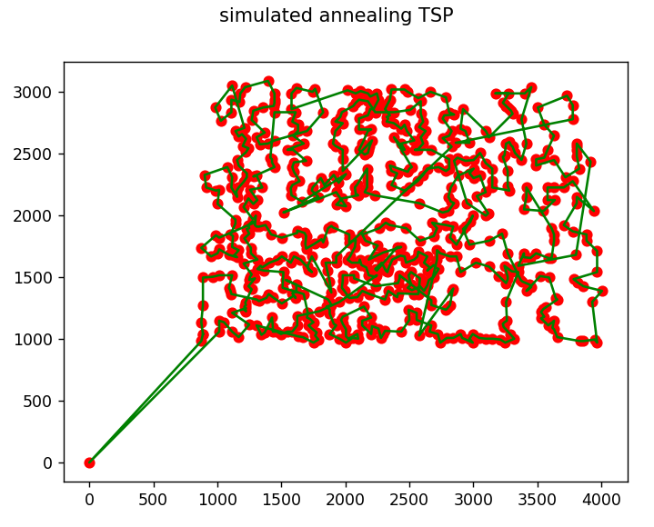
Algo | Simulated Annealing |  | Route
Dataset | D657
Iteration | 21655
Run | Solution | Time
1 | 61163.80952 | 6.45
2 | 62824.049889 | 6.208
3 | 60495.201078 | 9.123
4 | 62017.677192 | 7.168
5 | 61270.356693 | 6.593
6 | 61250.821173 | 6.114
7 | 60364.425323 | 6.868
8 | 61133.615062 | 6.938
9 | 61619.327485 | 6.527
10 | 60727.428175 | 6.686
11 | 61946.202057 | 6.855
12 | 62329.83246 | 6.926 | Iteration
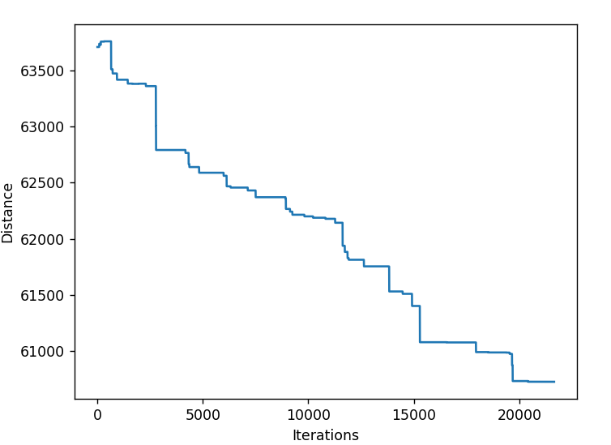
13 | 61346.277201 | 6.652
14 | 63435.736305 | 7.138
15 | 62109.047344 | 6.184
16 | 61159.085094 | 6.363
17 | 61493.87918 | 6.817
18 | 61960.737849 | 6.477
19 | 62643.686092 | 7.125
20 | 60839.88238 | 6.177

sa_1379
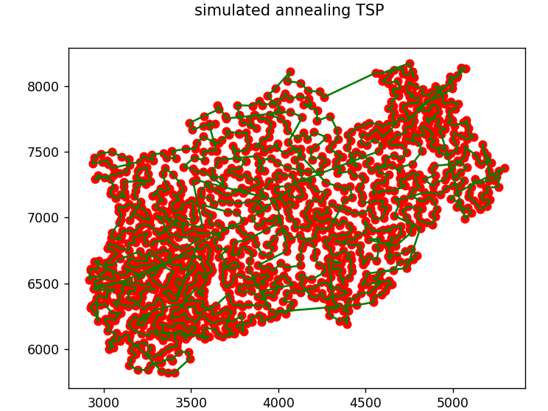
Algo | Simulated Annealing |  | Route
Dataset | NRW1379
Iteration | 22026
Run | Solution | Time
1 | 69458.040061 | 14.106
2 | 70314.04759 | 14.06
3 | 69882.324757 | 14.178
4 | 70276.951584 | 15.826
5 | 69143.319023 | 14.248
6 | 71001.466682 | 13.768
7 | 70053.797739 | 14.035
8 | 69243.590213 | 13.949
9 | 70494.844588 | 13.631
10 | 68822.98468 | 13.631
11 | 70804.333046 | 13.739 | Iteration
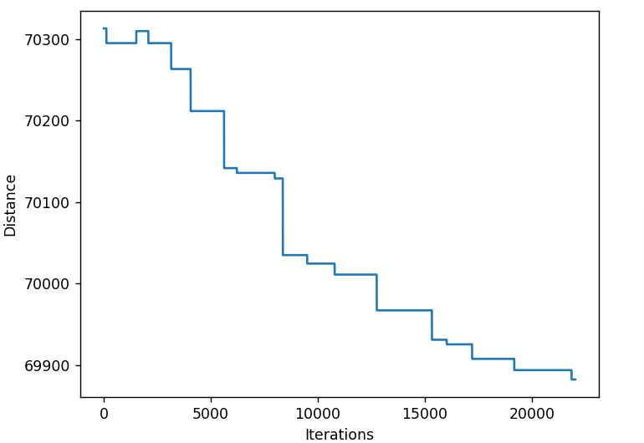
12 | 69896.875226 | 13.076
13 | 70293.822328 | 13.657
14 | 69666.403263 | 13.732
15 | 69253.599389 | 13.984
16 | 68880.988205 | 13.539
17 | 70216.704241 | 13.922
18 | 68465.325012 | 13.978
19 | 70430.171869 | 14.14
20 | 70099.016469 | 13.835

pso_76
Algo | Particle Swarm Optimization |  | parameter: pso = PSO(iterations=1000, population_size=150, pbest_probability=0.9, gbest_probability=0.01, cities=cities)
Dataset | EIL76
Iteration | 1000 |  |  | Route
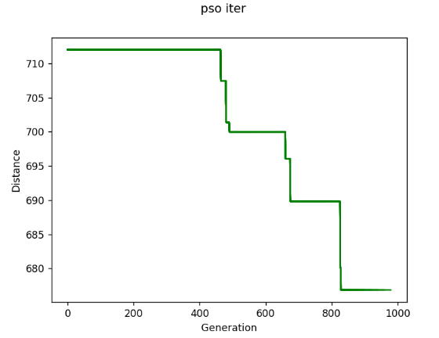
Run | Solution | Time
1 | 670.35860564 | 11.906
2 | 701.84486545 | 10.087
3 | 684.49055746 | 9.923
4 | 687.36195696 | 9.274
5 | 659.6321561 | 9.343
6 | 687.5614258 | 9.827
7 | 693.11877503 | 9.344
8 | 691.6494698 | 9.47
9 | 699.68663741 | 9.608
10 | 684.8451435 | 9.369
11 | 686.42058055 | 10.368 |  | Iteration
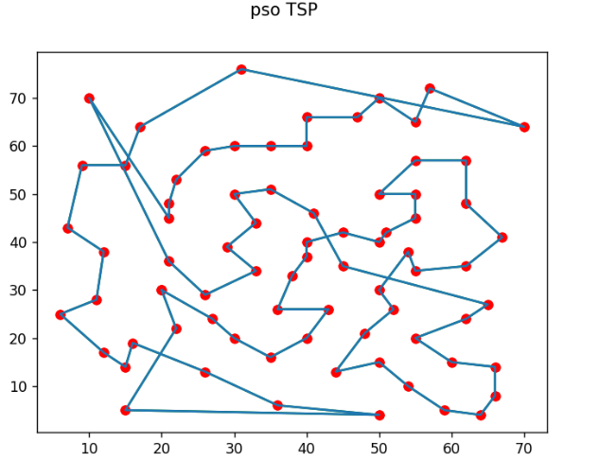
12 | 675.78015548 | 9.605
13 | 689.39945705 | 9.35
14 | 701.38516145 | 9.143
15 | 694.95680627 | 9.525
16 | 694.97880534 | 9.353
17 | 689.8195179 | 9.131
18 | 706.04916852 | 9.559
19 | 698.31962132 | 9.352
20 | 704.99647866 | 9.668

