prelim_budget
component | unit_count | total_unit_count | component_cost | unit_cost | total_unit_cost | Comment
micromouse | 1 | 5 |  | $120.00 | $600.00
raspberry pi zero w | 1 | 5 | $10.00 | $10.00 | $50.00 | adafruit, includes only board.
camera | 2 | 10 | $25.00 | $50.00 | $250.00 | estimate. Can 2 cameras be put on one pi zero board? Do we really need 2 cameras? What benefits do multiple cameras provide? How "nice" does the camera need to be for computer vision? High frame rates will be important.
motor | 2 | 10 | $10.00 | $20.00 | $100.00 | estimate
battery | 1 | 5 | $20.00 | $20.00 | $100.00 | estimate
wheels | 4 | 20 | $5.00 | $20.00 | $100.00 | estimate
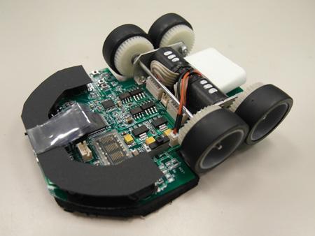
Note: This is a very rough estimate, which leaves out components like gears, wires, etc. The final price will be greater than the price determined here. However, we can refine as we engineer the device.

