TEMPLATE
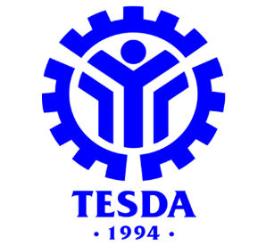
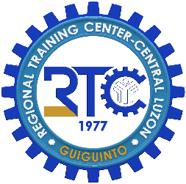
 |  |  |  |  |  |  |  | Annex P
 |  |  |  |  |  |  |  | Rev. No. 00s. 2023
 |  |  |  | Republic of the Philippines
TECHNICAL EDUCATION AND SKILLS DEVELOPMENT AUTHORITY
Regional Training Center Central Luzon- Guiguinto

COURSE REGISTER
________________________________________________________

 | Name of TVI: Regional Training Center Central Luzon - Guiguinto |  |  |  |  | Qualification/Program: Gas Tungsten Arc Welding NC II
 | Date Start: ______________________________ |  | Date End: ______________________________
 | Name of Trainer: Aris D. Sapra |  |  |  |  | NTTC No.: 211703141200555 |  | Validity Date: May 23, 2024
 | Date: ______________________________ |  |  |  |  | Location of Training: RTCCL Compound, Mac Arthur Hi-way, Tabang, Guiguinto, Bulacan

# | NAME | Age | ADDRESS | Highest Educational | CP Number/s | Email Address | Messenger Account | Guardian | Contact Number of Guardian

1
2
3
4
5
6
7
8
9
10
11
12
13
14
15
16
17
18
19
20
21
22
23
24
25

 | Prepared by: |  | Checked by:

 | ARIS D. SAPRA |  |  | RHEO HENRY M. RODRIGUEZ
 | Trainer |  |  | Center Chief

