Supplementary Figure 1
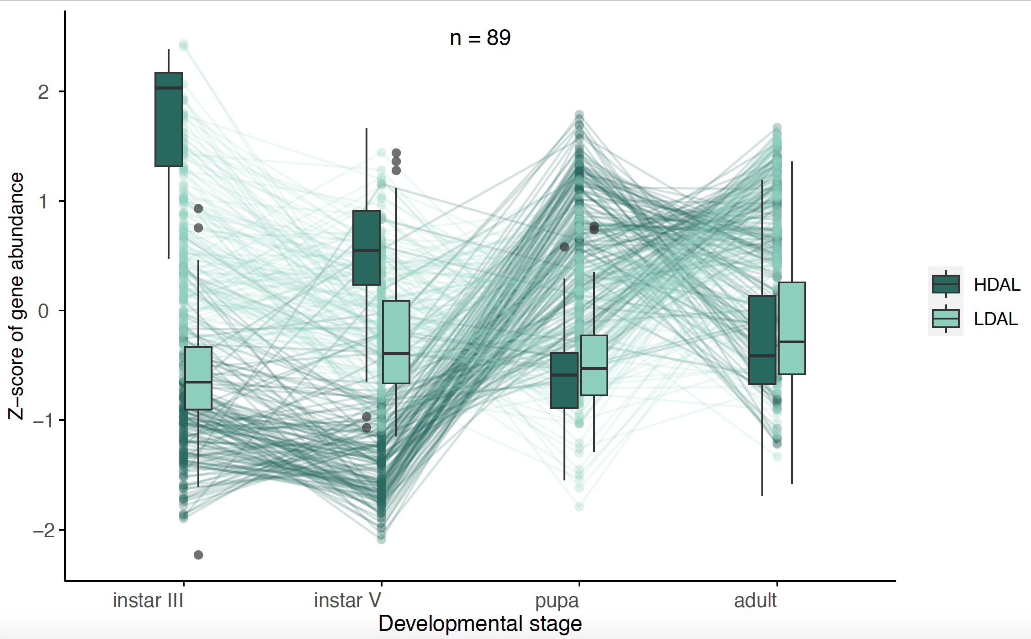
Supplementary Figure 1. Box plots showing the temporal patterns of differential expression across ontogenetic stages in head (cluster 2). Outliers are indicated with circles, temporal trends of gene expression levels for specific genes are illustrated with lines.

