Fixing Columns
 | Fix columns: Merge columns for creating unique identifiers if needed: E.g. Merge State, City into Full address Split columns for more data: Split address to get State and City to analyse each separately Add column names: Add column names if missing Rename columns consistently: Abbreviations, encoded columns Align misaligned columns: Dataset may have shifted columns Delete columns: Delete unnecessary columns

CONTINUE

Step 1
Merge columns

abc_St | abc_Cit |  | abc_StateAndCity
GH | Town |  | GH-Town
GH | City |  | GH-City
IJ | Village |  | IJ-Village
IJ | City |  | IJ-City
KL | Metropole |  | KL-Metropole
KL | City |  | KL-City
KL | Village |  | KL-Village
KL | Metropole |  | KL-Metropole
KL | City |  | KL-City
KL | Village |  | KL-Village
KL | Metropole |  | KL-Metropole

Go to step 2

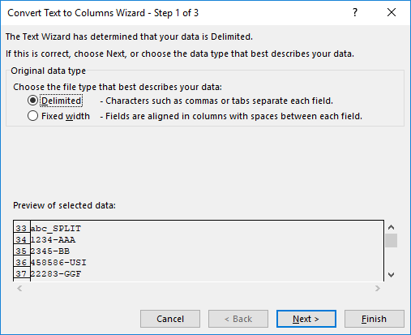
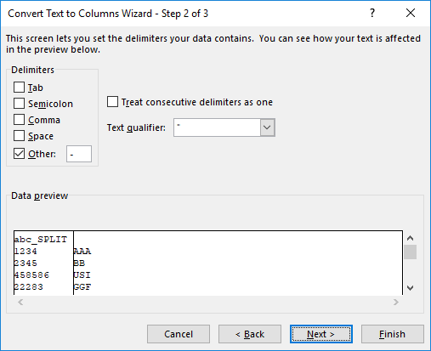
Step 2
Split columns

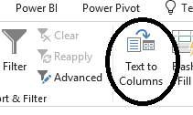
abc_SPLIT |  |  | abc_SPLIT
1234 | AAA |  | 1234 | AAA
2345 | BB |  | 2345 | BB
458586 | USI |  | 458586 | USI
22283 | GGF |  | 22283 | GGF
1234 | AAA |  | 1234 | AAA
2345 | BB |  | 2345 | BB
458586 | USI |  | 458586 | USI
22283-GGF |  |  | 22283 | GGF
1234-AAA |  |  | 1234 | AAA
2345-BB |  |  | 2345 | BB

Go to step 3

Step 3
Add column names

ID | abc_cat | abc_SPC | abc_Age |  | abc_Quan | abc_PPC | abd_date | abc_Mis | abc_Mis | abc_St | abc_Cit | abc_StateAndCity | abc_SPLIT
1 | C | 0.44111289612 | 33 | 0 | 57 | 28179 | 2017-01-01 | 1 | def | GH | Town | def-GH | 1234 | AAA
2 | D | 0.75596014081 | 85 | 0 | 74 | 19247 | 2017-01-02 | 1 | def | GH | City | def-GH | 2345 | BB
3 | B | 0.62893289833 | 71 | 0 | 50 | 21873 | 2017-01-03 | 1 | def | IJ | Village | def-IJ | 458586 | USI
TO
ID | abc_cat | abc_SPC | abc_Age | Gender | abc_Quan | abc_PPC | abd_date | abc_Mis | abc_Mis | abc_St | abc_Cit | abc_StateAndCity | abc_SPLIT | abc_SPLIT2
1 | C | 0.44111289612 | 33 | 0 | 57 | 28179 | 2017-01-01 | 1 | def | GH | Town | def-GH | 1234 | AAA
2 | D | 0.75596014081 | 85 | 0 | 74 | 19247 | 2017-01-02 | 1 | def | GH | City | def-GH | 2345 | BB
3 | B | 0.62893289833 | 71 | 0 | 50 | 21873 | 2017-01-03 | 1 | def | IJ | Village | def-IJ | 458586 | USI

Go to step 4

Step 4
Rename column names

ID | abc_cat | abc_SPC | abc_Age | Gender | abc_Quan | abc_PPC | abd_date | abc_Mis | abc_Mis | abc_St | abc_Cit | abc_StateAndCity | abc_SPLIT | abc_SPLIT2
1 | C | 0.44111289612 | 33 | 0 | 57 | 28179 | 2017-01-01 | 1 | def | GH | Town | def-GH | 1234 | AAA
2 | D | 0.75596014081 | 85 | 0 | 74 | 19247 | 2017-01-02 | 1 | def | GH | City | def-GH | 2345 | BB
3 | B | 0.62893289833 | 71 | 0 | 50 | 21873 | 2017-01-03 | 1 | def | IJ | Village | def-IJ | 458586 | USI
TO
ID | Category | SPC | Age | Gender | Quantity | PPC | Date | Mis | Mis_definition | State | City | State_And_City | PostalCode | PostalCode2
1 | C | 0.44111289612 | 33 | 0 | 57 | 28179 | 2017-01-01 | 1 | def | GH | Town | def-GH | 1234 | AAA
2 | D | 0.75596014081 | 85 | 0 | 74 | 19247 | 2017-01-02 | 1 | def | GH | City | def-GH | 2345 | BB
3 | B | 0.62893289833 | 71 | 0 | 50 | 21873 | 2017-01-03 | 1 | def | IJ | Village | def-IJ | 458586 | USI

Go to step 5

Step 5
Alling misalligned columns
ID | Category | SPC | Age | Gender | Quantity | PPC | Date | Mis | Mis_definition |  | State | City | State_And_City | PostalCode | PostalCode2
1 | C | 0.44111289612 | 33 | 0 | 57 | 28179 | 2017-01-01 | 1 | def |  | GH | Town | GH-Town | 1234 | AAA
2 | D | 0.75596014081 | 85 | 0 | 74 | 19247 | 2017-01-02 | 1 | def |  | GH | City | GH-City | 2345 | BB
3 | B | 0.62893289833 | 71 | 0 | 50 | 21873 | 2017-01-03 | 1 | def |  | IJ | Village | IJ-Village | 458586 | USI
4 | B | 0.19648938386 | 63 | 1 | 98 | 43181 | 2017-01-04 | 1 | def |  | IJ | City | IJ-City | 22283 | GGF
5 | B | 0.44535728444 | 76 | 1 | 61 | 48735 | 2017-01-05 | 1 | def |  | KL | Metropole | KL-Metropole | 1234 | AAA
6 | D | 0.37231088331 | 76 | 0 | 74 | 7903 | 2017-01-06 | 1 | def |  | KL | City | KL-City | 2345 | BB
7 | E | 0.22357150033 | 42 | F | 63 | 26879 | 2017-01-07 | 1 | def |  | KL | Village | KL-Village | 458586 | USI
8 | E | 0.082898278009 | 61 | 0 | 68 | 41679 | 2017-01-08 | 1 | def |  | KL | Metropole | KL-Metropole | 22283 | GGF
9 | B | 0.46340608557 | na | F | 93 | 43268 | 2017-01-09 | 1 |  | def | KL | City | KL-City | 1234 | AAA
10 | C | 0.44099355975 | 42 | F | 90 | 16914 | 2017-01-10 | 1 |  | def | KL | Village | KL-Village | 2345 | BB
11 | D | 0.91687882779 | 90 | F | 92 | 38325 | 2017-01-11 | 1 | def |  | KL | Metropole | KL-Metropole | 458586 | USI
TO
ID | Category | SPC | Age | Gender | Quantity | PPC | Date | Mis | Mis_definition |  | State | City | State_And_City | PostalCode | PostalCode2
1 | C | 0.44111289612 | 33 | 0 | 57 | 28179 | 2017-01-01 | 1 | def |  | GH | Town | GH-Town | 1234 | AAA
2 | D | 0.75596014081 | 85 | 0 | 74 | 19247 | 2017-01-02 | 1 | def |  | GH | City | GH-City | 2345 | BB
3 | B | 0.62893289833 | 71 | 0 | 50 | 21873 | 2017-01-03 | 1 | def |  | IJ | Village | IJ-Village | 458586 | USI
4 | B | 0.19648938386 | 63 | 1 | 98 | 43181 | 2017-01-04 | 1 | def |  | IJ | City | IJ-City | 22283 | GGF
5 | B | 0.44535728444 | 76 | 1 | 61 | 48735 | 2017-01-05 | 1 | def |  | KL | Metropole | KL-Metropole | 1234 | AAA
6 | D | 0.37231088331 | 76 | 0 | 74 | 7903 | 2017-01-06 | 1 | def |  | KL | City | KL-City | 2345 | BB
7 | E | 0.22357150033 | 42 | F | 63 | 26879 | 2017-01-07 | 1 | def |  | KL | Village | KL-Village | 458586 | USI
8 | E | 0.082898278009 | 61 | 0 | 68 | 41679 | 2017-01-08 | 1 | def |  | KL | Metropole | KL-Metropole | 22283 | GGF
9 | B | 0.46340608557 | na | F | 93 | 43268 | 2017-01-09 | 1 | def |  | KL | City | KL-City | 1234 | AAA
10 | C | 0.44099355975 | 42 | F | 90 | 16914 | 2017-01-10 | 1 | def |  | KL | Village | KL-Village | 2345 | BB
11 | D | 0.91687882779 | 90 | F | 92 | 38325 | 2017-01-11 | 1 | def |  | KL | Metropole | KL-Metropole | 458586 | USI

Go to step 6

Step 6
Delete Columns
ID | Category | SPC | Age | Gender | Quantity | PPC | Date | Mis | Mis_definition |  | State | City | State_And_City | PostalCode | PostalCode2
1 | C | 0.44111289612 | 33 | 0 | 57 | 28179 | 2017-01-01 | 1 | def |  | GH | Town | GH-Town | 1234 | AAA
2 | D | 0.75596014081 | 85 | 0 | 74 | 19247 | 2017-01-02 | 1 | def |  | GH | City | GH-City | 2345 | BB
3 | B | 0.62893289833 | 71 | 0 | 50 | 21873 | 2017-01-03 | 1 | def |  | IJ | Village | IJ-Village | 458586 | USI
4 | B | 0.19648938386 | 63 | 1 | 98 | 43181 | 2017-01-04 | 1 | def |  | IJ | City | IJ-City | 22283 | GGF
5 | B | 0.44535728444 | 76 | 1 | 61 | 48735 | 2017-01-05 | 1 | def |  | KL | Metropole | KL-Metropole | 1234 | AAA
6 | D | 0.37231088331 | 76 | 0 | 74 | 7903 | 2017-01-06 | 1 | def |  | KL | City | KL-City | 2345 | BB
7 | E | 0.22357150033 | 42 | F | 63 | 26879 | 2017-01-07 | 1 | def |  | KL | Village | KL-Village | 458586 | USI
8 | E | 0.082898278009 | 61 | 0 | 68 | 41679 | 2017-01-08 | 1 | def |  | KL | Metropole | KL-Metropole | 22283 | GGF
9 | B | 0.46340608557 | na | F | 93 | 43268 | 2017-01-09 | 1 | def |  | KL | City | KL-City | 1234 | AAA
10 | C | 0.44099355975 | 42 | F | 90 | 16914 | 2017-01-10 | 1 | def |  | KL | Village | KL-Village | 2345 | BB
11 | D | 0.91687882779 | 90 | F | 92 | 38325 | 2017-01-11 | 1 | def |  | KL | Metropole | KL-Metropole | 458586 | USI
TO
ID | Category | SPC | Age | Gender | Quantity | PPC | Date | State_And_City | PostalCode | PostalCode2
1 | C | 0.44111289612 | 33 | 0 | 57 | 28179 | 2017-01-01 | GH-Town | 1234 | AAA
2 | D | 0.75596014081 | 85 | 0 | 74 | 19247 | 2017-01-02 | GH-City | 2345 | BB
3 | B | 0.62893289833 | 71 | 0 | 50 | 21873 | 2017-01-03 | IJ-Village | 458586 | USI
4 | B | 0.19648938386 | 63 | 1 | 98 | 43181 | 2017-01-04 | IJ-City | 22283 | GGF
5 | B | 0.44535728444 | 76 | 1 | 61 | 48735 | 2017-01-05 | KL-Metropole | 1234 | AAA
6 | D | 0.37231088331 | 76 | 0 | 74 | 7903 | 2017-01-06 | KL-City | 2345 | BB
7 | E | 0.22357150033 | 42 | F | 63 | 26879 | 2017-01-07 | KL-Village | 458586 | USI
8 | E | 0.082898278009 | 61 | 0 | 68 | 41679 | 2017-01-08 | KL-Metropole | 22283 | GGF
9 | B | 0.46340608557 | na | F | 93 | 43268 | 2017-01-09 | KL-City | 1234 | AAA
10 | C | 0.44099355975 | 42 | F | 90 | 16914 | 2017-01-10 | KL-Village | 2345 | BB
11 | D | 0.91687882779 | 90 | F | 92 | 38325 | 2017-01-11 | KL-Metropole | 458586 | USI

END

