Sheet1
 |  |  |  |  |  |  |  |  |  |  |  |  |  | normalisasi |  |  |  | w^2 |  |  |  | inner |  |  | inner normalisasi |  |  | normalisasi panjang
 |  | Term | Q | D1 | D2 | D3 | tf | idf | w=tf*idf Q | d1 | d2 | d3 | q | d1 | d2 | d3 | q | d1 | d2 | d3 | q.d1 | q.d2 | q.d3 | q.d1 | q.d2 | q.d3 | q.d1 | q.d2 | q.d3
 |  | a | 0 | 1 | 1 | 1 | 3 | 0 | 0 | 0 | 0 | 0 | 0 | 0 | 0 | 0 | 0 | 0 | 0 | 0 | 0 | 0 | 0 | 0 | 0 | 0
 |  | arrived | 1 | 0 | 1 | 1 | 2 | 0.17609125906 | 0.17609125906 | 0 | 0.17609125906 | 0.17609125906 | 0.32718457421 | 0 | 0.16073253747 | 0.5 | 0.031008131516 | 0 | 0.031008131516 | 0.031008131516 | 0 | 0.031008131516 | 0.031008131516 | 0 | 0.052589206834 | 0.16359228711
 |  | damaged | 0 | 1 | 0 | 0 | 1 | 0.47712125472 | 0 | 0.47712125472 | 0 | 0 | 0 | 0.66336897234 | 0 | 0 | 0 | 0.22764469171 | 0 | 0 | 0 | 0 | 0 | 0 | 0 | 0
 |  | delivery | 1 | 0 | 1 | 0 | 1 | 0.47712125472 | 0.47712125472 | 0 | 0.47712125472 | 0 | 0.88651029819 | 0 | 0.43550662516 | 0 | 0.22764469171 | 0 | 0.22764469171 | 0 | 0 | 0.22764469171 | 0 | 0 | 0.38608110813 | 0
 |  | fire | 0 | 1 | 0 | 0 | 1 | 0.47712125472 | 0 | 0.47712125472 | 0 | 0 | 0 | 0.66336897234 | 0 | 0 | 0 | 0.22764469171 | 0 | 0 | 0 | 0 | 0 | 0 | 0 | 0
 |  | gold | 1 | 1 | 0 | 1 | 2 | 0.17609125906 | 0.17609125906 | 0.17609125906 | 0 | 0.17609125906 | 0.32718457421 | 0.2448297501 | 0 | 0.5 | 0.031008131516 | 0.031008131516 | 0 | 0.031008131516 | 0.031008131516 | 0 | 0.031008131516 | 0.08010451754 | 0 | 0.16359228711
 |  | in | 0 | 1 | 1 | 1 | 3 | 0 | 0 | 0 | 0 | 0 | 0 | 0 | 0 | 0 | 0 | 0 | 0 | 0 | 0 | 0 | 0 | 0 | 0 | 0
 |  | of | 0 | 1 | 1 | 1 | 3 | 0 | 0 | 0 | 0 | 0 | 0 | 0 | 0 | 0 | 0 | 0 | 0 | 0 | 0 | 0 | 0 | 0 | 0 | 0
 |  | shipment | 0 | 1 | 0 | 1 | 2 | 0.17609125906 | 0 | 0.17609125906 | 0 | 0.17609125906 | 0 | 0.2448297501 | 0 | 0.5 | 0 | 0.031008131516 | 0 | 0.031008131516 | 0 | 0 | 0 | 0 | 0 | 0
 |  | silver | 0 | 0 | 2 | 0 | 1 | 0.47712125472 | 0 | 0 | 0.95424250944 | 0 | 0 | 0 | 0.87101325032 | 0 | 0 | 0 | 0.91057876682 | 0 | 0 | 0 | 0 | 0 | 0 | 0
 |  | truck | 0 | 0 | 1 | 1 | 2 | 0.17609125906 | 0 | 0 | 0.17609125906 | 0.17609125906 | 0 | 0 | 0.16073253747 | 0.5 | 0 | 0 | 0.031008131516 | 0.031008131516 | 0 | 0 | 0 | 0 | 0 | 0
 |  | Sum() | 3 | 7 | 8 | 7 | 21 | panjang | 0.53820159303 | 0.71923963075 | 1.095554527 | 0.35218251811 |  |  |  |  | 0.28966095474 | 0.51730564644 | 1.2002397216 | 0.12403252606

 | query tidak berbobot |  | D1: hanya gold → 1
 |  |  | D2: delivery + arrived → 2
 |  |  | D3: gold + arrived → 2
Query Berbobot (gold:3, delivery:1, arrive:2)
 |  |  | Term | D1 | D2 | D3
 |  |  | gold (3) | 3 | 0 | 3
 |  |  | delivery(1) | 0 | 1 | 0
 |  |  | arrive(2) | 0 | 2 | 2
 |  |  | Total | 3 | 3 | 5
 |  |  | D1 = 3
 |  |  | D2 = 3
 |  |  | D3 = 5
Query Berbobot TF-IDF
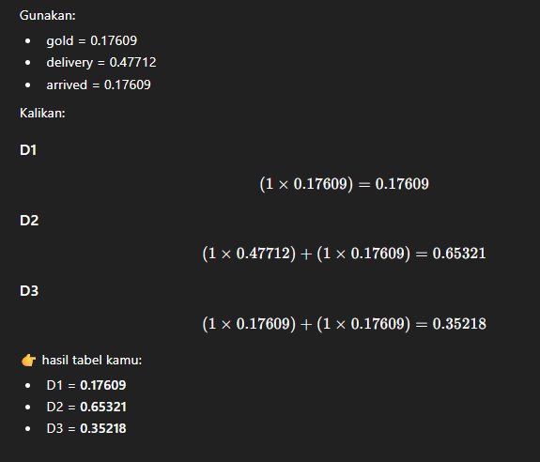

TF-IDF Ternormalisasi

