Overview
Generator 3.1 x64 - |  | Generator 3.1 x86 - |  | Generator 4.1 x64 - |  | Generator 4.1 x86 - |  | Generator 4.2 x64 - |  | Generator 4.2 x86 - |  | Generator 5.1 x64 - |  | Generator 5.1 x86 -
ms | Ticks | ms | Ticks | ms | Ticks | ms | Ticks | ms | Ticks | ms | Ticks | ms | Ticks | ms | Ticks
973 | 9736563 | 1305 | 13051191 | 542 | 5420977 | 758 | 7585018 | 390 | 3907146 | 488 | 4886123 | 834 | 8346047 | 1037 | 10378010
1004 | 10041059 | 997 | 9971242 | 532 | 5319526 | 642 | 6421902 | 394 | 3940464 | 466 | 4656346 | 792 | 7916794 | 1021 | 10208521
999 | 9985023 | 949 | 9496943 | 544 | 5444035 | 657 | 6564046 | 386 | 3860611 | 487 | 4877316 | 813 | 8128272 | 1003 | 10032583
840 | 8399680 | 1177 | 11766640 | 527 | 5270523 | 685 | 6855796 | 385 | 3842862 | 488 | 4874129 | 820 | 8204318 | 1006 | 10051186
821 | 8210017 | 965 | 9651299 | 526 | 5262620 | 663 | 6629668 | 392 | 3928447 | 467 | 4668350 | 846 | 8455817 | 1013 | 10136012
771 | 7715555 | 1284 | 12842666 | 532 | 5314143 | 687 | 6864394 | 382 | 3815172 | 468 | 4685819 | 887 | 8869619 | 1019 | 10191738
783 | 7822580 | 1123 | 11221008 | 529 | 5296509 | 607 | 6075285 | 380 | 3800047 | 462 | 4619702 | 917 | 9175894 | 1030 | 10299040
756 | 7562486 | 1023 | 10238991 | 544 | 5437644 | 623 | 6233405 | 378 | 3776743 | 479 | 4784690 | 864 | 8639626 | 1019 | 10189794
802 | 8026931 | 1007 | 10063322 | 547 | 5468653 | 631 | 6306033 | 384 | 3841581 | 480 | 4802936 | 905 | 9053371 | 999 | 9990709
808 | 8077000 | 1065 | 10649246 | 529 | 5287244 | 660 | 6601397 | 378 | 3777294 | 474 | 4734947 | 899 | 8987394 | 998 | 9980123
870 | 8696079 | 1016 | 10166827 | 540 | 5398935 | 606 | 6062109 | 377 | 3773994 | 482 | 4826287 | 883 | 8832753 | 1003 | 10026485
869 | 8696813 | 966 | 9659901 | 530 | 5300164 | 618 | 6178362 | 388 | 3882683 | 471 | 4707132 | 893 | 8921866 | 1012 | 10123884
889 | 8889160 | 895 | 8944324 | 523 | 5232875 | 661 | 6609787 | 384 | 3834336 | 458 | 4585806 | 900 | 9005654 | 1006 | 10052304
821 | 8202943 | 982 | 9823060 | 527 | 5272521 | 625 | 6243879 | 363 | 3630548 | 460 | 4599097 | 902 | 9013352 | 1004 | 10041219
878 | 8786300 | 989 | 9889675 | 533 | 5332473 | 649 | 6497006 | 372 | 3718776 | 460 | 4592480 | 875 | 8756277 | 1005 | 10056407
866 | 8657445 | 931 | 9305903 | 524 | 5235147 | 624 | 6240752 | 365 | 3657926 | 464 | 4648411 | 814 | 8133710 | 1019 | 10184750
897 | 8973524 | 911 | 9114422 | 508 | 5080571 | 645 | 6446680 | 367 | 3667236 | 456 | 4555326 | 833 | 8329238 | 1003 | 10035107
896 | 8952709 | 847 | 8472539 | 521 | 5210930 | 657 | 6573286 | 371 | 3709403 | 458 | 4577424 | 811 | 8116783 | 1013 | 10123826
927 | 9270065 | 880 | 8800420 | 511 | 5110640 | 629 | 6285040 | 372 | 3722787 | 460 | 4605841 | 794 | 7935665 | 1023 | 10228725
1087 | 10875021 | 879 | 8786291 | 509 | 5088002 | 590 | 5901240 | 366 | 3656420 | 464 | 4637132 | 799 | 7989004 | 1022 | 10224331
881 | 8807175 | 876 | 8762376 | 505 | 5052283 | 643 | 6431157 | 375 | 3753048 | 458 | 4580993 | 833 | 8333416 | 1011 | 10109729
827 | 8274849 | 891 | 8905935 | 505 | 5044583 | 607 | 6072701 | 366 | 3662001 | 464 | 4638441 | 777 | 7767619 | 994 | 9936560
900 | 8997993 | 873 | 8728642 | 508 | 5085433 | 588 | 5877300 | 370 | 3693936 | 457 | 4573524 | 783 | 7833576 | 1010 | 10103294
874 | 8739810 | 885 | 8853497 | 513 | 5129865 | 631 | 6305357 | 370 | 3700319 | 473 | 4724346 | 829 | 8292700 | 1004 | 10037650
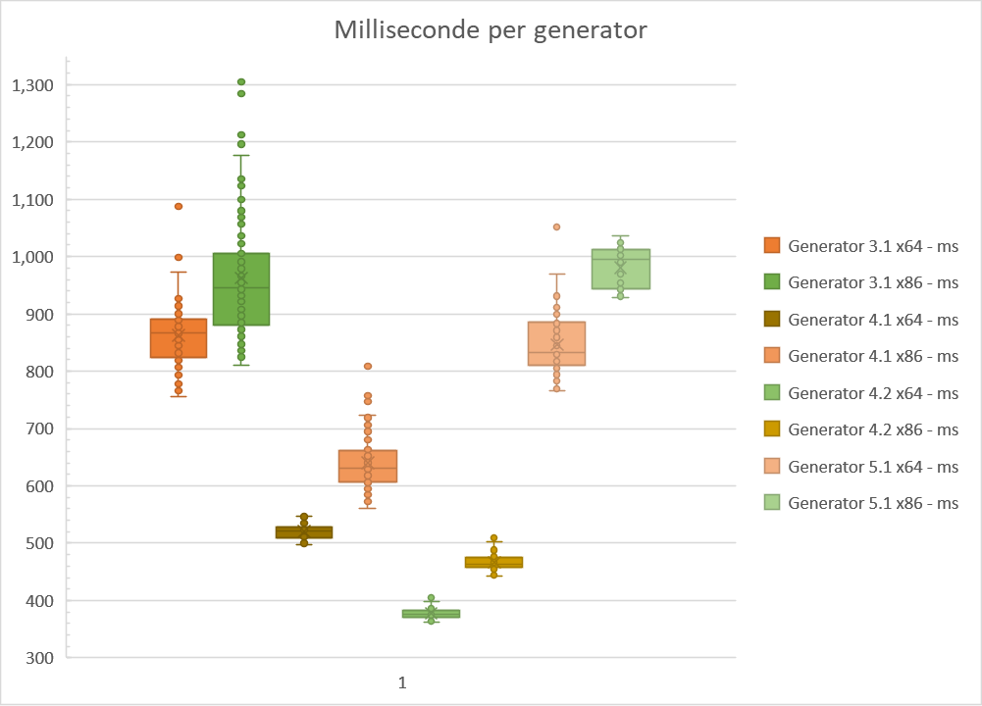
796 | 7954717 | 847 | 8472281 | 523 | 5224915 | 584 | 5841431 | 372 | 3720666 | 454 | 4541284 | 815 | 8149872 | 1023 | 10230831
861 | 8615355 | 897 | 8966227 | 515 | 5150379 | 631 | 6315117 | 370 | 3702149 | 458 | 4584262 | 813 | 8128269 | 1011 | 10115705
801 | 8007441 | 852 | 8521915 | 516 | 5161988 | 588 | 5874501 | 365 | 3647740 | 476 | 4752836 | 794 | 7934895 | 990 | 9898585
856 | 8563274 | 916 | 9161825 | 514 | 5137332 | 613 | 6136957 | 373 | 3734233 | 450 | 4507410 | 821 | 8209710 | 976 | 9757888
892 | 8917228 | 852 | 8517372 | 505 | 5053970 | 598 | 5972228 | 370 | 3694407 | 459 | 4590876 | 801 | 8011084 | 963 | 9632084
870 | 8697923 | 900 | 8997320 | 504 | 5039010 | 595 | 5953290 | 379 | 3787222 | 450 | 4499390 | 788 | 7885117 | 948 | 9478468
884 | 8840369 | 932 | 9323124 | 497 | 4968252 | 597 | 5969412 | 374 | 3748116 | 463 | 4622574 | 826 | 8259433 | 943 | 9427999
871 | 8710791 | 1001 | 10004476 | 509 | 5093876 | 606 | 6055927 | 366 | 3655924 | 455 | 4558110 | 832 | 8318109 | 948 | 9481265
884 | 8843866 | 1026 | 10266688 | 508 | 5079465 | 580 | 5807094 | 378 | 3781654 | 462 | 4615933 | 792 | 7919050 | 948 | 9480291
853 | 8523230 | 1023 | 10228925 | 515 | 5147219 | 591 | 5908939 | 374 | 3737694 | 461 | 4608923 | 871 | 8708727 | 941 | 9411646
840 | 8401328 | 1036 | 10359153 | 506 | 5066669 | 613 | 6133046 | 364 | 3646019 | 465 | 4652594 | 934 | 9338326 | 959 | 9591643
832 | 8327104 | 974 | 9735034 | 512 | 5113267 | 599 | 5988086 | 373 | 3723917 | 463 | 4627486 | 890 | 8899062 | 939 | 9382200
816 | 8154426 | 1028 | 10288021 | 509 | 5096084 | 663 | 6630264 | 372 | 3723722 | 467 | 4674914 | 859 | 8599475 | 932 | 9327268
901 | 9014879 | 921 | 9202347 | 510 | 5097592 | 809 | 8085067 | 370 | 3702744 | 458 | 4575231 | 918 | 9180041 | 941 | 9403369
850 | 8498443 | 963 | 9633115 | 504 | 5037252 | 719 | 7195381 | 371 | 3703130 | 502 | 5024168 | 877 | 8767215 | 944 | 9440408
901 | 9003258 | 953 | 9534673 | 513 | 5134099 | 610 | 6098136 | 370 | 3705605 | 464 | 4634204 | 885 | 8850151 | 941 | 9411090
856 | 8568129 | 861 | 8604760 | 510 | 5097519 | 632 | 6318896 | 379 | 3785342 | 477 | 4769163 | 905 | 9044020 | 932 | 9324827
890 | 8896605 | 879 | 8789340 | 501 | 5005436 | 650 | 6501266 | 366 | 3660585 | 455 | 4548384 | 892 | 8920443 | 950 | 9493699
867 | 8667307 | 834 | 8340703 | 516 | 5167119 | 631 | 6305767 | 386 | 3856278 | 446 | 4461623 | 864 | 8645373 | 939 | 9397232
874 | 8744352 | 905 | 9047788 | 535 | 5350733 | 604 | 6041292 | 365 | 3653057 | 463 | 4637524 | 851 | 8503728 | 1006 | 10057306
850 | 8497688 | 843 | 8437261 | 528 | 5279908 | 611 | 6109073 | 368 | 3676377 | 477 | 4761960 | 839 | 8398089 | 1017 | 10171405
896 | 8958267 | 900 | 8994806 | 528 | 5272188 | 655 | 6556687 | 378 | 3786012 | 488 | 4885923 | 812 | 8111957 | 1020 | 10196505
879 | 8794411 | 856 | 8563355 | 546 | 5459949 | 612 | 6116884 | 370 | 3694104 | 483 | 4828447 | 805 | 8055421 | 1002 | 10018196
882 | 8813611 | 861 | 8612049 | 546 | 5463757 | 668 | 6681095 | 386 | 3865643 | 509 | 5089920 | 810 | 8101605 | 997 | 9973172
914 | 9147640 | 865 | 8645063 | 529 | 5293360 | 633 | 6324840 | 393 | 3926240 | 472 | 4721263 | 863 | 8627250 | 1016 | 10161949
886 | 8852103 | 944 | 9442686 | 525 | 5244655 | 619 | 6192139 | 382 | 3822328 | 460 | 4593478 | 795 | 7954761 | 1019 | 10192582
887 | 8878671 | 871 | 8712062 | 523 | 5228531 | 695 | 6946749 | 382 | 3819158 | 475 | 4758444 | 766 | 7657879 | 1013 | 10122752
867 | 8669773 | 960 | 9597208 | 536 | 5366142 | 747 | 7478357 | 386 | 3857166 | 483 | 4822142 | 832 | 8312791 | 1005 | 10052223
908 | 9078317 | 956 | 9559783 | 520 | 5202749 | 712 | 7117966 | 380 | 3800127 | 476 | 4766218 | 796 | 7968593 | 1004 | 10035617
858 | 8582486 | 943 | 9428668 | 533 | 5324165 | 652 | 6522279 | 383 | 3834610 | 488 | 4878298 | 810 | 8100358 | 931 | 9310675
908 | 9079786 | 836 | 8359376 | 528 | 5279535 | 681 | 6802184 | 380 | 3798846 | 483 | 4827292 | 814 | 8137427 | 938 | 9384917
865 | 8644146 | 868 | 8682900 | 535 | 5352961 | 645 | 6448275 | 386 | 3863036 | 478 | 4778034 | 829 | 8287211 | 941 | 9410744
844 | 8445955 | 825 | 8250895 | 521 | 5210682 | 588 | 5883276 | 377 | 3770328 | 476 | 4766063 | 788 | 7880902 | 951 | 9508740
903 | 9023523 | 955 | 9548856 | 528 | 5277886 | 631 | 6308567 | 383 | 3829691 | 475 | 4750774 | 812 | 8119667 | 935 | 9345253
850 | 8497518 | 1010 | 10100218 | 524 | 5244348 | 605 | 6048836 | 383 | 3823983 | 486 | 4859384 | 845 | 8445678 | 937 | 9371615
855 | 8555787 | 1069 | 10683711 | 546 | 5456094 | 598 | 5983200 | 374 | 3741056 | 476 | 4759025 | 817 | 8177630 | 956 | 9564351
915 | 9147251 | 1059 | 10593731 | 525 | 5252695 | 609 | 6093187 | 399 | 3991516 | 472 | 4721696 | 810 | 8094223 | 949 | 9489595
884 | 8845978 | 1036 | 10357384 | 502 | 5016406 | 575 | 5750150 | 382 | 3822301 | 478 | 4780338 | 845 | 8453275 | 945 | 9449609
918 | 9170743 | 908 | 9084870 | 509 | 5091161 | 575 | 5748831 | 382 | 3813926 | 473 | 4731691 | 909 | 9087467 | 936 | 9354824
870 | 8705563 | 1006 | 10062955 | 500 | 5003453 | 596 | 5956472 | 405 | 4051492 | 497 | 4966808 | 862 | 8621348 | 978 | 9779891
904 | 9043350 | 1680 | 16800529 | 512 | 5113863 | 587 | 5876346 | 415 | 4151271 | 450 | 4495795 | 907 | 9072950 | 962 | 9620908
862 | 8617479 | 1136 | 11351285 | 508 | 5083913 | 622 | 6215276 | 413 | 4131592 | 445 | 4456410 | 911 | 9105942 | 932 | 9326243
905 | 9045873 | 968 | 9682384 | 523 | 5225138 | 665 | 6652160 | 386 | 3862832 | 449 | 4488762 | 890 | 8903132 | 946 | 9462141
851 | 8513735 | 833 | 8328734 | 501 | 5007997 | 612 | 6117077 | 386 | 3859402 | 458 | 4582166 | 862 | 8618547 | 935 | 9346684
838 | 8379145 | 877 | 8769329 | 517 | 5179000 | 560 | 5604812 | 378 | 3776997 | 456 | 4556812 | 939 | 9394857 | 970 | 9694927
901 | 9013983 | 810 | 8104013 | 503 | 5021644 | 593 | 5922368 | 389 | 3890144 | 461 | 4603968 | 1052 | 10517071 | 1026 | 10260621
868 | 8673087 | 953 | 9529603 | 509 | 5097703 | 572 | 5728742 | 385 | 3852937 | 462 | 4620503 | 969 | 9689082 | 1011 | 10114460
905 | 9052340 | 909 | 9089885 | 517 | 5164907 | 600 | 5996438 | 368 | 3673779 | 468 | 4679630 | 937 | 9371781 | 1022 | 10214648
881 | 8814756 | 845 | 8450639 | 505 | 5054605 | 626 | 6254626 | 376 | 3760892 | 458 | 4587660 | 835 | 8342861 | 1013 | 10138582
905 | 9044607 | 917 | 9165000 | 510 | 5098944 | 689 | 6891783 | 365 | 3651251 | 467 | 4664377 | 819 | 8196698 | 1020 | 10190682
876 | 8761006 | 840 | 8406320 | 511 | 5107422 | 660 | 6606980 | 368 | 3684203 | 457 | 4575612 | 821 | 8210662 | 1024 | 10245374
844 | 8440428 | 923 | 9230358 | 518 | 5179476 | 706 | 7055694 | 383 | 3828649 | 456 | 4552792 | 809 | 8088031 | 1027 | 10273520
880 | 8795606 | 951 | 9504819 | 531 | 5307914 | 615 | 6146898 | 373 | 3726540 | 462 | 4625837 | 790 | 7897657 | 1013 | 10127235
862 | 8626498 | 923 | 9234452 | 539 | 5395098 | 640 | 6405874 | 378 | 3781221 | 456 | 4554757 | 845 | 8453789 | 1015 | 10151322
881 | 8807243 | 922 | 9216373 | 510 | 5093521 | 672 | 6715339 | 384 | 3844903 | 465 | 4655792 | 792 | 7917229 | 955 | 9548983
898 | 8984225 | 870 | 8698209 | 513 | 5132849 | 610 | 6103501 | 367 | 3669730 | 457 | 4565937 | 813 | 8134098 | 931 | 9305419
857 | 8567962 | 885 | 8850888 | 507 | 5069182 | 752 | 7515396 | 370 | 3696511 | 463 | 4628840 | 800 | 7996281 | 937 | 9368992
793 | 7928749 | 891 | 8914404 | 509 | 5088273 | 697 | 6977481 | 367 | 3672966 | 460 | 4607058 | 831 | 8309341 | 957 | 9569805
801 | 8007373 | 1196 | 11953720 | 505 | 5058340 | 764 | 7632074 | 371 | 3704453 | 461 | 4605399 | 795 | 7948300 | 954 | 9545987
778 | 7779671 | 946 | 9464669 | 507 | 5064347 | 652 | 6519229 | 373 | 3730033 | 444 | 4439998 | 769 | 7695547 | 941 | 9405640
813 | 8128400 | 993 | 9931133 | 510 | 5104678 | 724 | 7247415 | 378 | 3779977 | 453 | 4527820 | 821 | 8207272 | 944 | 9444718
788 | 7884046 | 1212 | 12122395 | 507 | 5069774 | 758 | 7581258 | 371 | 3716538 | 443 | 4431234 | 789 | 7889359 | 943 | 9428613
824 | 8237325 | 974 | 9740474 | 505 | 5043318 | 666 | 6658627 | 372 | 3713582 | 454 | 4538564 | 802 | 8024962 | 961 | 9606200
796 | 7962948 | 987 | 9867912 | 503 | 5035316 | 697 | 6967155 | 371 | 3708040 | 465 | 4653223 | 786 | 7853925 | 941 | 9414256
807 | 8070883 | 924 | 9236750 | 530 | 5299890 | 649 | 6493648 | 376 | 3764897 | 455 | 4552615 | 793 | 7930242 | 932 | 9314292
816 | 8160544 | 987 | 9876111 | 523 | 5224096 | 713 | 7128370 | 372 | 3722585 | 464 | 4638173 | 832 | 8317737 | 938 | 9385437
832 | 8315937 | 902 | 9019965 | 524 | 5240821 | 655 | 6549965 | 378 | 3776191 | 460 | 4594739 | 872 | 8718630 | 954 | 9537624
793 | 7936066 | 979 | 9790179 | 537 | 5370250 | 652 | 6521395 | 367 | 3674258 | 467 | 4669725 | 886 | 8867672 | 934 | 9343133
819 | 8181916 | 922 | 9212604 | 530 | 5302963 | 624 | 6237254 | 373 | 3721718 | 454 | 4539727 | 893 | 8929751 | 945 | 9452710
799 | 7996369 | 981 | 9814792 | 525 | 5255223 | 623 | 6231936 | 364 | 3649943 | 463 | 4633874 | 931 | 9310676 | 929 | 9282145
856 | 8560878 | 955 | 9547757 | 529 | 5282445 | 639 | 6386336 | 373 | 3722442 | 458 | 4584523 | 869 | 8684624 | 1016 | 10159542
779 | 7782093 | 1100 | 11003585 | 539 | 5393705 | 645 | 6450938 | 374 | 3746954 | 466 | 4654012 | 846 | 8458501 | 1014 | 10145102
766 | 7662748 | 991 | 9909661 | 521 | 5206175 | 611 | 6113139 | 366 | 3652729 | 471 | 4710349 | 914 | 9144292 | 1017 | 10168601
811 | 8109968 | 1080 | 10797971 | 536 | 5366930 | 616 | 6156914 | 376 | 3764463 | 473 | 4735851 | 900 | 8998795 | 1017 | 10168670
840 | 8398387 | 1057 | 10568485 | 525 | 5244836 | 637 | 6368471 | 395 | 3951775 | 482 | 4817682 | 872 | 8716552 | 1013 | 10128668
914 | 9145476 | 1082 | 10817125 | 543 | 5433691 | 612 | 6124166 | 379 | 3790854 | 479 | 4786809 | 876 | 8759201 | 1027 | 10274226

862.16 | 8621671.22 | 962.88 | 9628817.96 | 520.05 | 5200573.44 | 640.21 | 6402178.25 | 377.31 | 3773191.76 | 466.59 | 4665937.1 | 846.58 | 8465804.44 | 980.54 | 9805465.16

Generator 3.1 x64 -|862.16|8621671.22| |  | Generator 3.1 x86 -|962.88|9628817.96| |  | Generator 4.1 x64 -|520.05|5200573.44| |  | Generator 4.1 x86 -|640.21|6402178.25| |  | Generator 4.2 x64 -|377.31|3773191.76| |  | Generator 4.2 x86 -|466.59|4665937.1| |  | Generator 5.1 x64 -|846.58|8465804.44| |  | Generator 5.1 x86 -|980.54|9805465.16|

