Restassured Extract Json
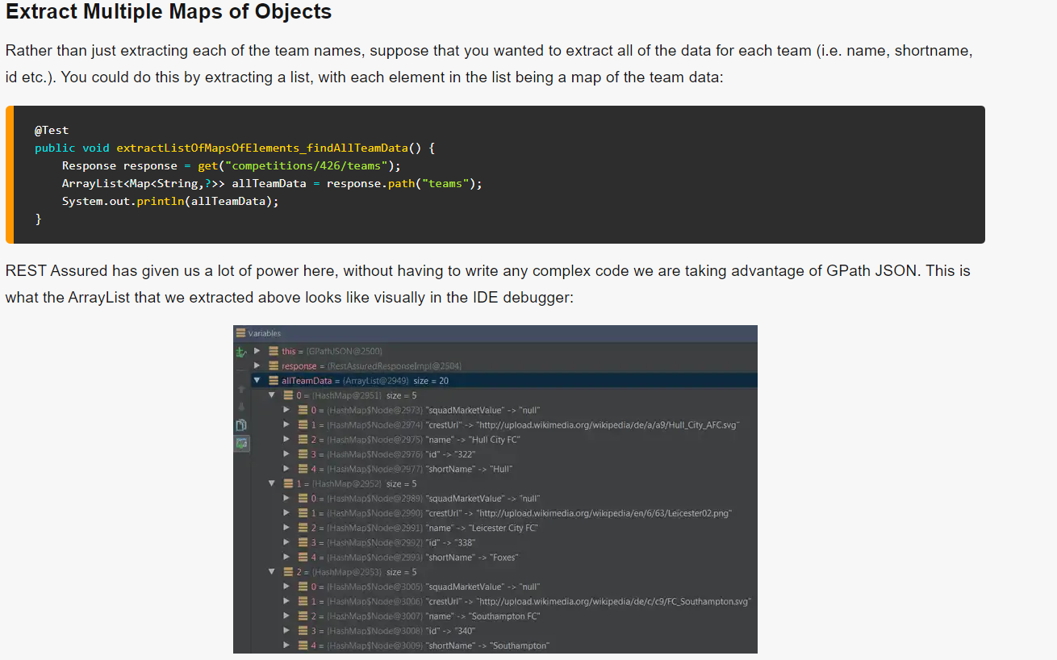
https://www.james-willett.com/rest-assured-gpath-json

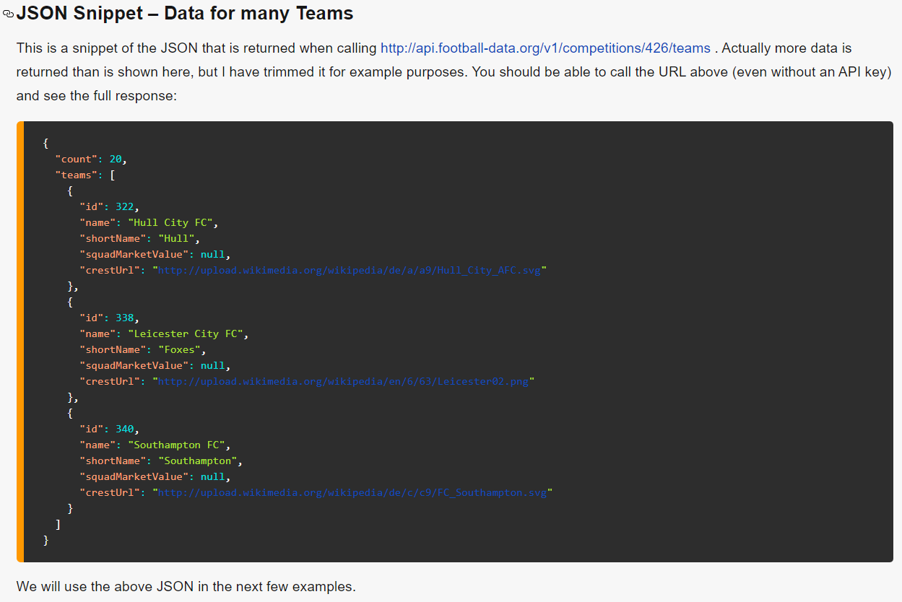
Extract Multiple Maps of Objects

