Strings
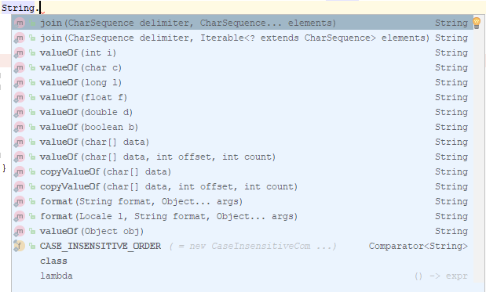
 | difference-between-string-replace-and-replaceall
 | replace() method doesn't uses regex pattern whereas replaceAll() method uses regex pattern. So replace() performs faster than replaceAll().
 | Both replace() and replaceAll() replace all occurrences in the String.

 | The copyValueOf() primarily copies the content of a character array into the string. Two variants of this function are available and both are discussed in this article.

char[] ch = {'A', 's', 't', 'h', 'a', ' ', 'T', 'y', 'a', 'g', 'i'};

// Initialising String
String ch2 = "";

// Copying value in ch2
// only first 5 are extracted
// now ch2 is equal to "Astha"
ch2 = ch2.copyValueOf( ch , 0, 5 );

// Printing String
System.out.println("The new copied string is : " + ch2);
 | //The new copied string is : Astha

 | ch2 = ch2.copyValueOf( ch );

 | // Printing String
 | System.out.println("The new copied string is : " + ch2);
 | //The new copied string is : Astha Tyagi

 | List<String> words = Arrays.asList(new String[] { "Hello", "World", "2019" });
 | String msg = String.join(" ", words);
 | System.out.println(msg);
 | Output: Hello World 2019

Format Date
 | //Getting today's date

 | Date today = new Date();

 | //Printing today's date in the default format

 | System.out.println("Today is : "+today);

 | //Formatting today's date in E, dd MMM yyyy format

 | SimpleDateFormat formatter = new SimpleDateFormat("E, dd MMM yyyy");

 | System.out.println("Today in E, dd MMM yyyy format : "+formatter.format(today));

StringBuffer
 | //Creating BufferedReader object

 | reader = new BufferedReader(new FileReader("C:\sample.txt"));

 | //Reading the first line into currentLine

 | String currentLine = reader.readLine();

 | while (currentLine != null)
 | {
 | //Updating the lineCount

 | lineCount++;

 | //Getting number of words in currentLine

 | String[] words = currentLine.split(" ");

 | //Updating the wordCount

 | wordCount = wordCount + words.length;

 | //Iterating each word

 | for (String word : words)
 | {
 | //Updating the charCount

 | charCount = charCount + word.length();
 | }

 | //Reading next line into currentLine

 | currentLine = reader.readLine();
 | }

 | //Printing charCount, wordCount and lineCount

 | System.out.println("Number Of Chars In A File : "+charCount);

 | System.out.println("Number Of Words In A File : "+wordCount);

 | System.out.println("Number Of Lines In A File : "+lineCount);

Files
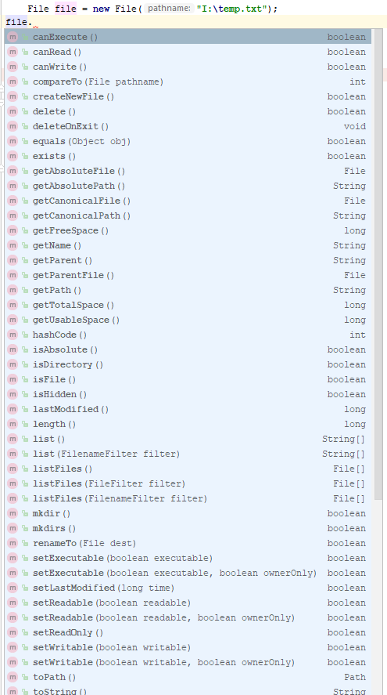

how-to-read-all-files-in-a-folder-from-java
File folder = new File("/Users/you/folder/");
File[] listOfFiles = folder.listFiles();

for (File file : listOfFiles) {
if (file.isFile()) {
System.out.println(file.getName());
}
}

Modify file content
 | static void modifyFile(String filePath, String oldString, String newString)
 | {
 | File fileToBeModified = new File(filePath);
 | String oldContent = "";
 | BufferedReader reader = null;
 | FileWriter writer = null;
 | try
 | {
 | reader = new BufferedReader(new FileReader(fileToBeModified));
 | //Reading all the lines of input text file into oldContent
 | String line = reader.readLine();
 | while (line != null)
 | {
 | oldContent = oldContent + line + System.lineSeparator();
 | line = reader.readLine();
 | }
 | //Replacing oldString with newString in the oldContent
 | String newContent = oldContent.replaceAll(oldString, newString);
 | //Rewriting the input text file with newContent
 | writer = new FileWriter(fileToBeModified);
 | writer.write(newContent);
 | }

Arrays
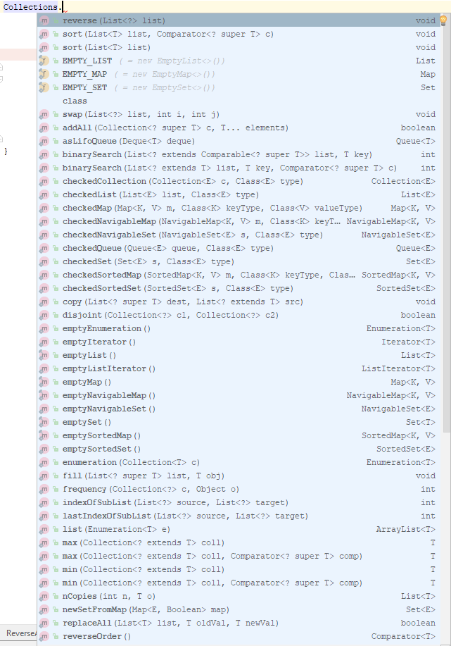
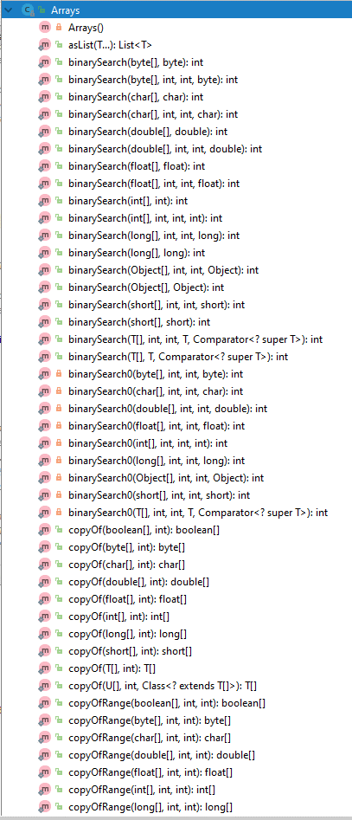
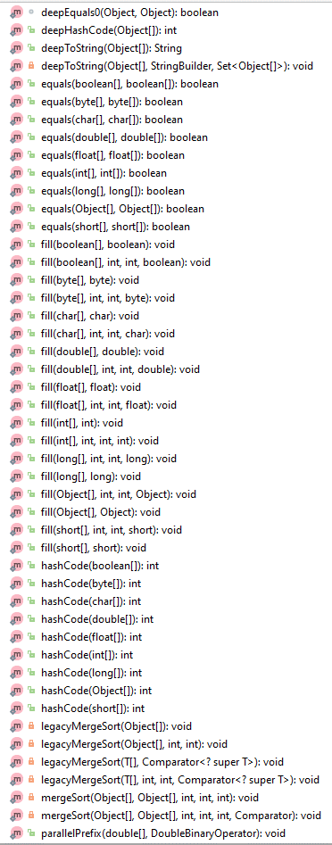
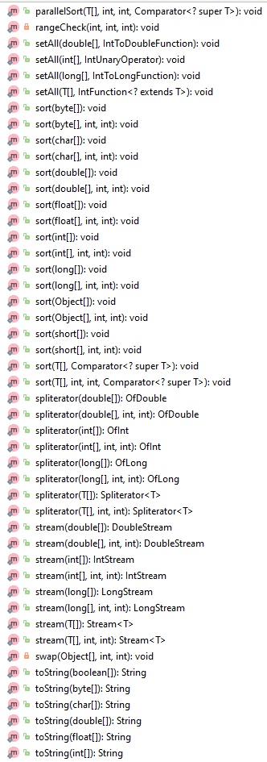
Bubble sort | int[] arr = new int[] { 6, 8, 7, 4, 312, 78, 54, 9, 12, 100, 89, 74 };

 | for (int i = 0; i < arr.length; i++) {
 | for (int j = i + 1; j < arr.length; j++) {
 | int tmp = 0;
 | if (arr[i] > arr[j]) {
 | tmp = arr[i];
 | arr[i] = arr[j];
 | arr[j] = tmp;
 | }
 | }
 | }
 | }

number of digits in int variable
 | int x = 12345;
 | int len = String.valueOf(x).length()

Remove duplicates |  | public static void main(String[] args){
 |  | int[] arrInt = {1,1,2,3,4,4,5,6};
 |  | LinkedHashSet<Integer> removeDup = new LinkedHashSet<>();

 |  | for (int i = 0; i < arrInt.length; i++){
 |  | removeDup.add(arrInt[i]);
 |  | }
 |  | System.out.println(removeDup);
 |  | }

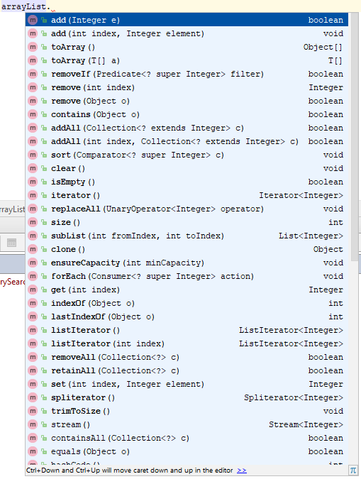
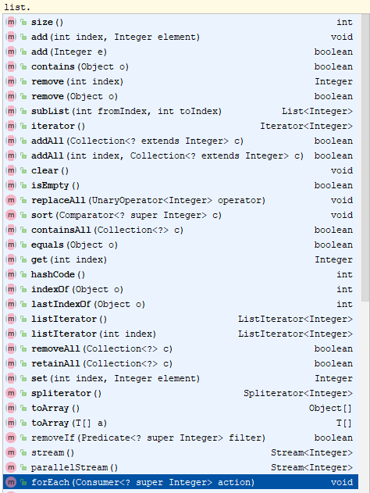

ArrayList interview questions : https://javaconceptoftheday.com/java-arraylist-programming-examples/

ArrayList<Integer> Numbers = new ArrayList<Integer>();

// Add Number to list
Numbers.add(23);
Numbers.add(32);
Numbers.add(45);
Numbers.add(63);

// apply removeIf() method
// we are going to remove numbers divisible by 3
Numbers.removeIf(n -> (n % 3 == 0));

DesignPrinciples
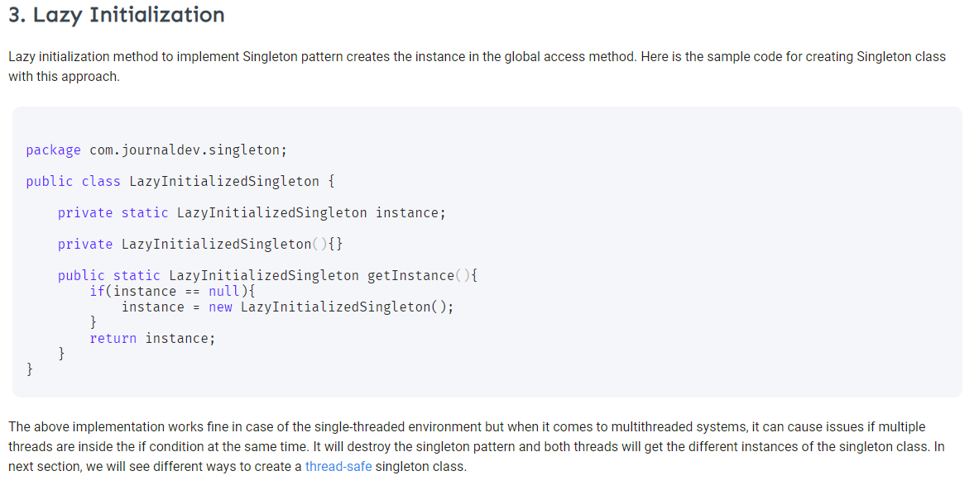
Singleton design pattern | https://www.journaldev.com/1377/java-singleton-design-pattern-best-practices-examples

