Action class
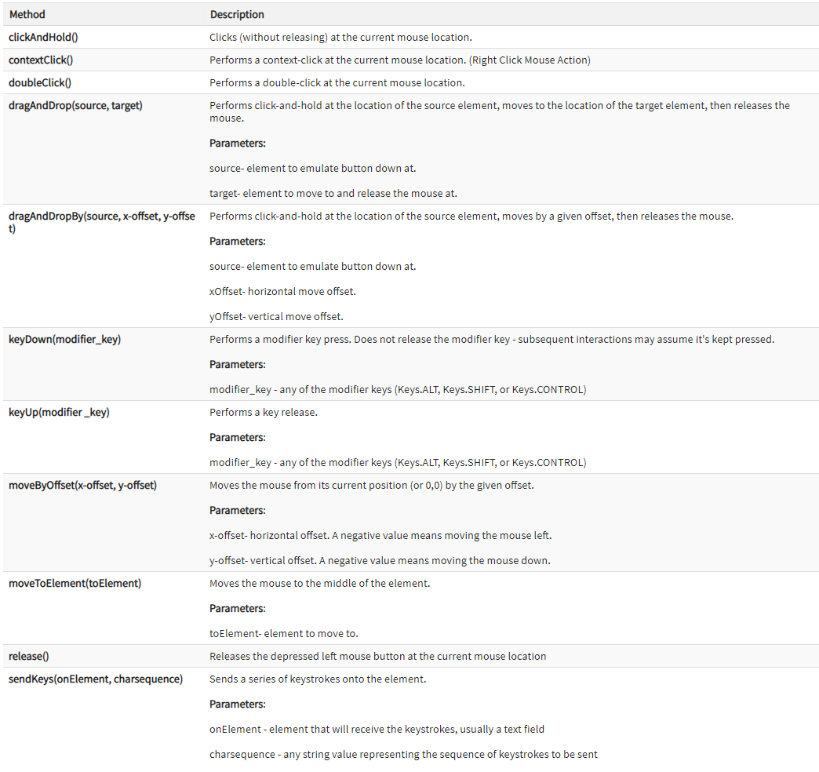
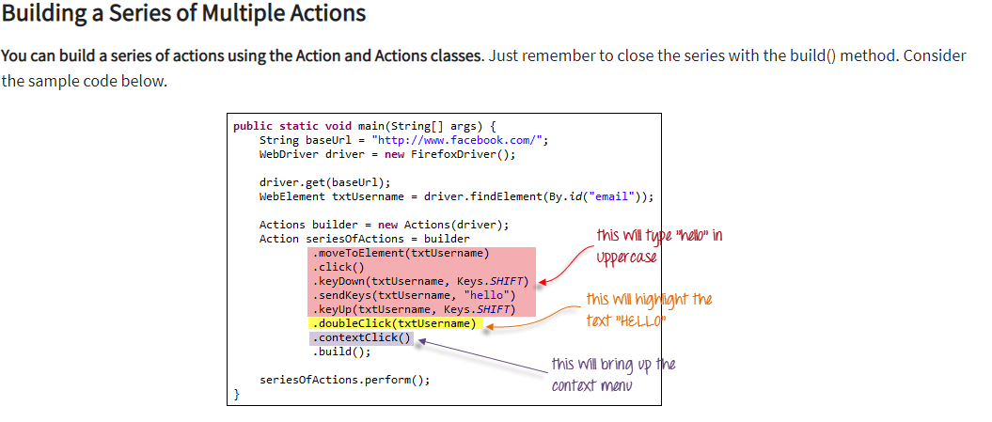
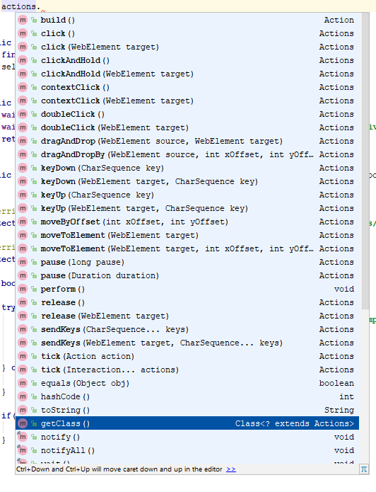
 | Actions builder = new Actions(driver);
1 | dragAndDrop(WebElement source, WebElement target): This method performs left click, hold the click to hold the source element, moves to the location of the target element and then releases the mouse click.

 |  | WebElement from = driver.findElement(By.id("draggable"));
 |  | WebElement to = driver.findElement(By.id("droppable"));
 |  | //Perform drag and drop
 |  | builder.dragAndDrop(from, to).perform();

2 | dragAndDropBy(WebElement source, int xOffset, int yOffset): This method clicks & holds the source element and moves by a given offset, then releases the mouse. Offsets are defined by x & y.

 |  |  |  | WebElement from = driver.findElement(By.id("draggable"));
 |  |  |  | WebElement to = driver.findElement(By.id("droppable"));
 |  |  |  | //Here, getting x and y offset to drop source object on target object location
 |  |  |  | //First, get x and y offset for from object
 |  |  |  | int xOffset1 = from.getLocation().getX();
 |  |  |  | int yOffset1 = from.getLocation().getY();
 |  |  |  | System.out.println("xOffset1--->"+xOffset1+" yOffset1--->"+yOffset1);

 |  |  |  | //Secondly, get x and y offset for to object
 |  |  |  | int xOffset = to.getLocation().getX();
 |  |  |  | int yOffset = to.getLocation().getY();
 |  |  |  | System.out.println("xOffset--->"+xOffset+" yOffset--->"+yOffset);
 |  |  |  | //Find the xOffset and yOffset difference to find x and y offset needed in which from object required to dragged and dropped
 |  |  |  | xOffset =(xOffset-xOffset1)+10;
 |  |  |  | yOffset=(yOffset-yOffset1)+20;
 |  |  |  | //Perform dragAndDropBy
 |  |  |  | builder.dragAndDropBy(from, xOffset,yOffset).perform();

3 | MOuse hover
 |  | Action mouseOverHome = builder
 |  | .moveToElement(link_Home)
 |  | .build();

4 |  | action.sendKeys(element, "iphone").build().perform();

 |  | The build() method generates a composite action containing all actions which are ready to be performed. The perform() method is used to perform the series of actions that are defined.

5 |  | action.clickAndHold(source).moveToElement(destination).release().build().perform();
 |  | Drag and Drop

6 |  | sendKeys
 |  | Actions action = new Actions(driver);

 |  |  | //specify the locator of the search box
 |  |  | WebElement elementToType = driver.findElement(By.id("twotabsearchtextbox"));

 |  |  | //pass the name of the product
 |  |  | action.sendKeys(elementToType, "iphone").build().perform();

 |  |  | //pass the Enter value through sendKeys
 |  |  | action.sendKeys(Keys.ENTER).build().perform();

7 |  | //holds the SHIFT key and converts the text to uppercase
 |  |  | action.keyDown(element,Keys.SHIFT).sendKeys("lambdatest").build().perform();

8 |  | Actions act = new Actions(driver);
 |  |  | // Scroll Down using Actions class
 |  |  | act.keyDown(Keys.CONTROL).sendKeys(Keys.END).perform();
 |  | // Scroll Up using Actions class
 |  |  | act.keyDown(Keys.CONTROL).sendKeys(Keys.HOME).perform();

9 |  | Copy and paste

 |  | action.keyDown( Keys.CONTROL ).sendKeys( "a" ).keyUp( Keys.CONTROL ).build().perform();
 |  |  | action.keyDown( Keys.CONTROL ).sendKeys( "c" ).keyUp( Keys.CONTROL ).build().perform();

 |  |  | userName.click();
 |  |  | action.keyDown( Keys.CONTROL ).sendKeys( "v" ).keyUp( Keys.CONTROL ).build().perform();

 |  | Refresh | >> sendKeys(Keys.F5).build().perform();

Webdriver
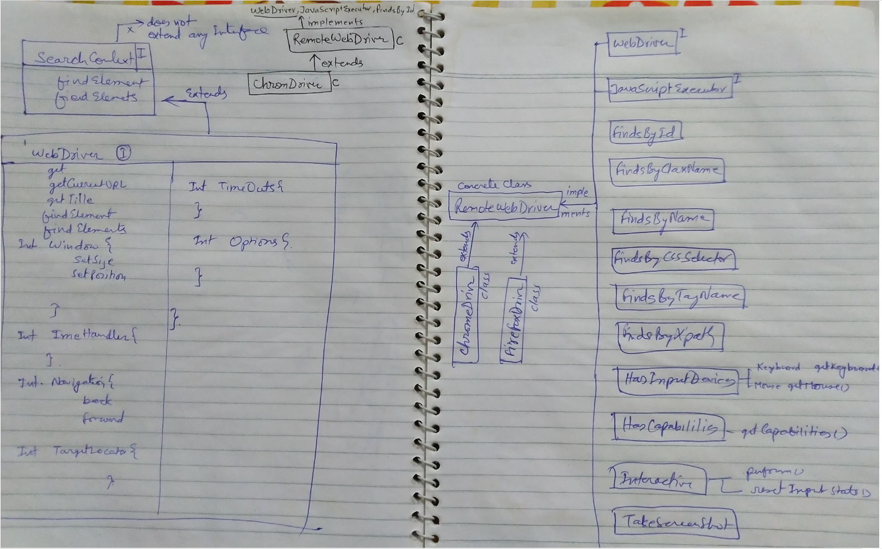

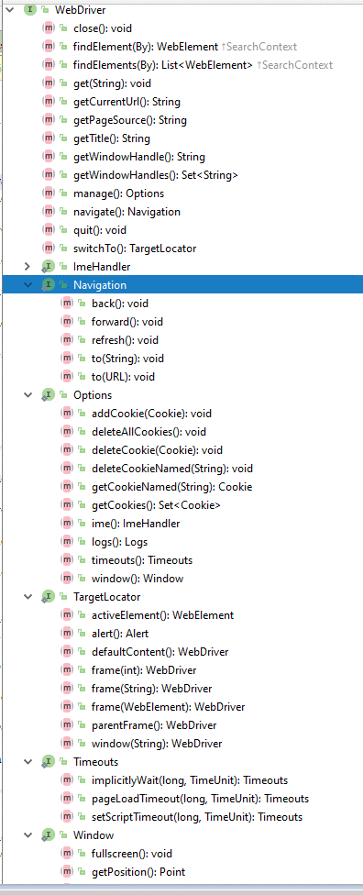

WebElement
