ANSWER 1
NOTE: THIS DATA WAS EXTRACTED FROM POSTGRESQL QUERY THEN EXPORTED TO THIS EXCEL FILE

invoice_avg_days_settled
26



 | INSIGHTS:
 | The processing time in which invoices are settled took an average of 26 days.

ANSWER 2
NOTE: THIS DATA WAS EXTRACTED FROM POSTGRESQL QUERY THEN EXPORTED TO THIS EXCEL FILE

dispute_ave_days_settled
36

 | INSIGHTS:
 | The processing time for the company to settle disputes took an average of 36 days.

ANSWER 3
NOTE: THIS DATA WAS EXTRACTED FROM POSTGRESQL QUERY THEN EXPORTED TO THIS EXCEL FILE

percent_dispute_lost
17.69%



 | INSIGHTS:
 | A toal of 101 out of 571 or 17.69 % of customer disputes were lost. This transales to $690,167.00 of unpaid invoices.

ANSWER 4
NOTE: THIS DATA WAS EXTRACTED FROM POSTGRESQL QUERY THEN EXPORTED TO THIS EXCEL FILE

percent_dispute_lost
4.67%



 | INSIGHTS:
 | $ 690,167.00 or 4.67% from total revenue of 14,770,318.00 were lost due to client disputes.

ANSWER 5
NOTE: THIS DATA WAS EXTRACTED FROM POSTGRESQL QUERY THEN EXPORTED TO THIS EXCEL FILE

country | total_losses
France | $526,264.00
Russia | $81,291.00
China | $42,630.00
United States | $22,936.00
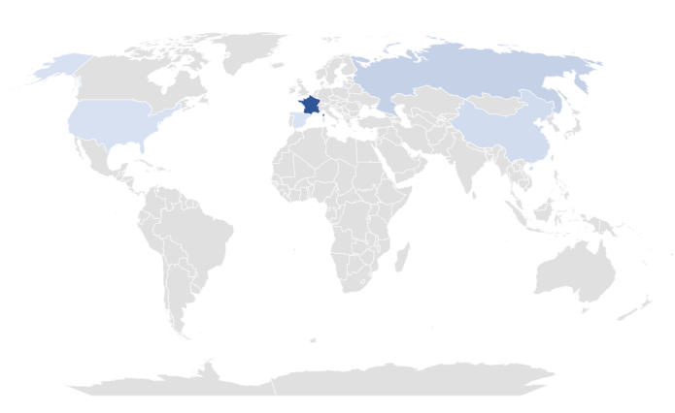
LOSSES FROM DISPUTES (PER COUNTRY)
Spain | $17,046.00

 |  | INSIGHTS:
 |  | France has the highest loss recorded. Total losses reached $ 526,264.00. This contributes to 76.25% of the total disputes lost from all the countries that were analyzed.
 |  | TOTAL DISPUTE LOSSES (all countries): $ 690,167.00

ADDITIONAL INSIGHT
 |  | INSIGHTS:
 |  | Additionally, France has the highest losses recorded due to customer disputes. Total losses reached $ 526,264.00 which contributes to 76.25% of the total dispute losses from all countries combined.

Years | (All)

TOTAL DISPUTES FILED (PER COUNTRY)
COUNTRY NAME | DISPUTES FILED
France | 222
Russia | 149
United States | 80
China | 61
Spain | 59
Grand Total | 571


BREAKDOWN OF DISPUTES FILED IN FRANCE (2020-2021)
country | France

COUNTRY NAME | DISPUTES FILED
2020 | 110
Qtr1 | 25
Qtr2 | 27
Qtr3 | 33
Qtr4 | 25
2021 | 112
Qtr1 | 31
Qtr2 | 27
Qtr3 | 32
Qtr4 | 22
Grand Total | 222

