Differential Amp
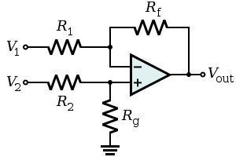
Value | Units | Description | Value | Units | Description
5 | Volts | Input High Reference | 1 | Volts | V1, bias voltage
0 | Volts | Input Low Reference | 0.1 | Volts | Maximum Differential Voltage
1 | Volts | Low Signal | 50 | Volts/Volt | Amplifier Gain, Rf/R1, Rg/R2
1.1 | Volts | High Signal | 500000 | Ohms | Rf, Rg resistance
10000 | Ohms | R1, R2 resistance | 800 | Ohms | Rz resistance
0.005 | Amps | Zener Diode Current

