Sheet1
 | MATERIAL CHECKLIST - CANADA DRY SAMPLING

CLIENT : | CANADA DRY
PROJECT NAME : | HBS 2026 - Sampling Canada Dry BE
ACTION TYPE : | SAMPLING
NAME | DATE |  |  | START |  |  | END
BUILD-UP / ARRIVAL : | 2026-07-02 |  |  | 13:20:00 |  |  | 13:35:00
EVENT / ACTION HOURS : |  |  |  | 15:00:00 |  |  | 19:00:00
BREAK-DOWN / RETOUR : | 2026-07-02 |  |  |  |  |  | 20:00:00

ACCOUNT + AGENCY : | Steve Fernand |  |  |  | COST CODE : | hb26000178
ADDRESS PICK UP : | Schaarbeeklei 647, 1800 Vilvoorde
ADDRESS ACTION : | Antwerpen Nationalestraat (CROSSROAD)
CONTACT : | Charles 0486 90 53 82
TRANSPORT : | 10m3

CONSUMABLES : TRAYS / COUPONS / …
PICTURE |  | NAME |  | UNITS | NOTES |  |  | # OUT | # RETOUR
 |  | Canada Dry (15cl) |  | 3000 unités -> 125 Trays
ICE / FRUIT / DRINKS
PICTURE |  | NAME |  | UNITS | NOTES |  |  | # OUT | # RETOUR
 |  | ISOMO BOX |  | 5
 |  | Flake Ice (for cooling) |  | 5
MATERIALS : BIG
PICTURE |  | NAME |  | UNITS | NOTES |  |  | # OUT | # RETOUR
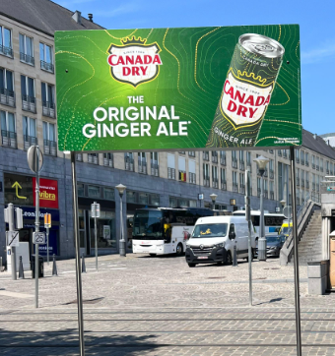
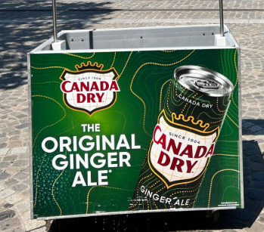 |  | SAMPLING UNIT Canada Dry |  | 1 | Propre & en bon état
 |  | TOPCARD Canada Dry |  | 1 | Propre & en bon état
 |  | RAMPES |  | 1 | Le set complet
 |  | DIABLE HBS |  | 1 | Roues et pneus en bon état !!
MATERIALS : SMALL
PICTURE |  | NAME |  | UNITS | NOTES |  |  | # OUT | # RETOUR
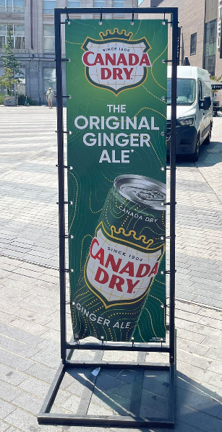 |  | TOTEM Canada Dry |  | 1 | Propre & en bon état
MATERIALS : CLEANING / TOOLS
PICTURE |  | NAME |  | UNITS | NOTES |  |  | # OUT | # RETOUR
 |  | CUTTER |  | 2
 |  | TRASHBAG BLUE ROLL |  | 1
 |  | TRASHBAG GREY ROLL |  | 1
 |  | KITCHEN PAPER ROLL |  | 1
 |  | CLEANING SPRAY |  | 1
CLOTHES
PICTURE |  | NAME |  | UNITS | NOTES |  |  | # OUT | # RETOUR
 |  | T - shirt + Sweat |  | 2 | Propres
EXTRA
PICTURE |  | NAME |  | UNITS | NOTES |  |  | # OUT | # RETOUR
 |  | Thermomètres |  | 1 | fonctionnels
 |  | Blikjes Opener |  | 3 | fonctionnels
WAREHOUSE | NAME
PREPARATION :
RETOUR :
EXTRA INFO : Bien vérifier que rien ne manque svp
Upon collection, the materials are checked for missing items and/or damage, which must be reported immediately if necessary! +32 400 00 00 00
The receipt must be signed upon delivery and collection of the materials.
The organisation or person receiving the materials is responsible for any defects and/or damage to the materials.
Materials are provided on loan and are the responsibility of the borrower during the period of use.
WAREHOUSE PREPARATION |  |  | ACCOUNT |  |  | WAREHOUSE RETOUR
SIGNATURE + NAME |  |  | SIGNATURE + NAME |  |  | SIGNATURE + NAME

SIGANTURE FOR RECEIVED MATERIAL |  |  |  | SIGNATURE FOR EQUIPEMENT RECOVERY
NAME RESPONSIBLE PERSON: |  |  |  | NAME RESPONSIBLE PERSON:

