Screenshots
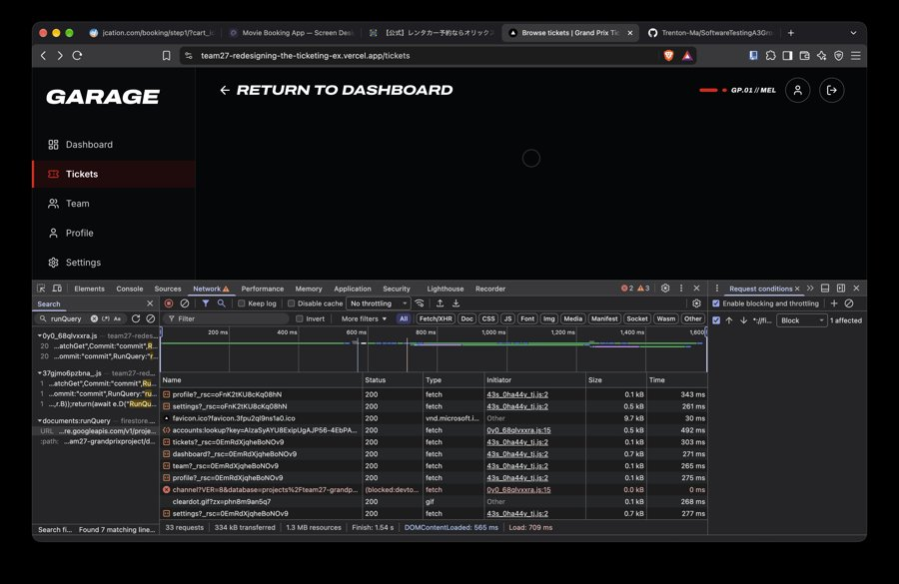
Evidence screenshots

S3-18 / S3-20: on 3G, /tickets shows only a spinner, and the header says "Welcome back, User" (18/10/2026)
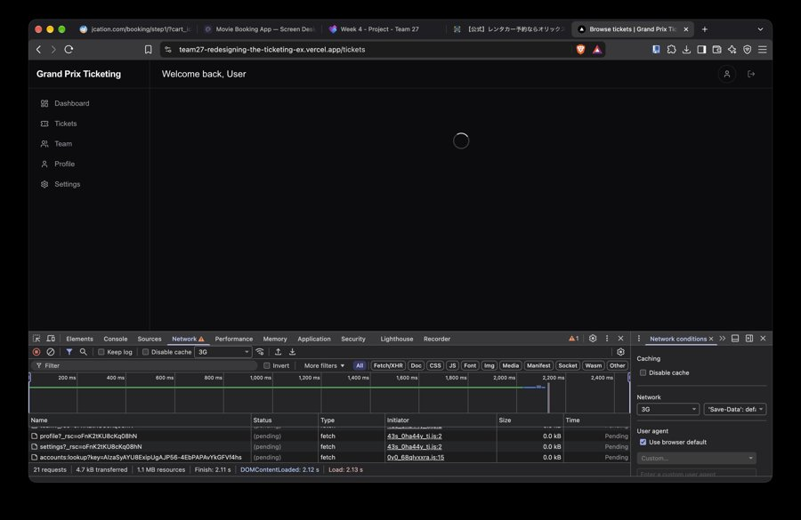

S3-19: cards appear with blank white boxes where the circuit map should be, while albert-park-circuit.png is still loading (18/10/2026)
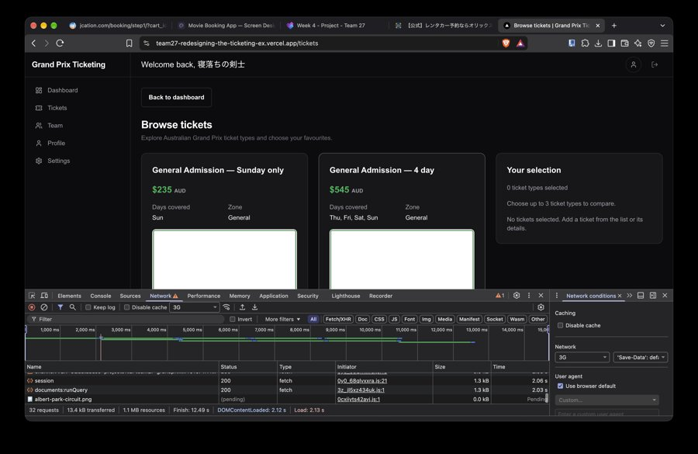

New front end on 3G (18/10/2026): skeleton cards (S3-18 closed), red palette (S3-17 closed), "GARAGE" logo (S3-21), "Your Name" / "Row 1 · Seat 1" placeholders (S3-10)
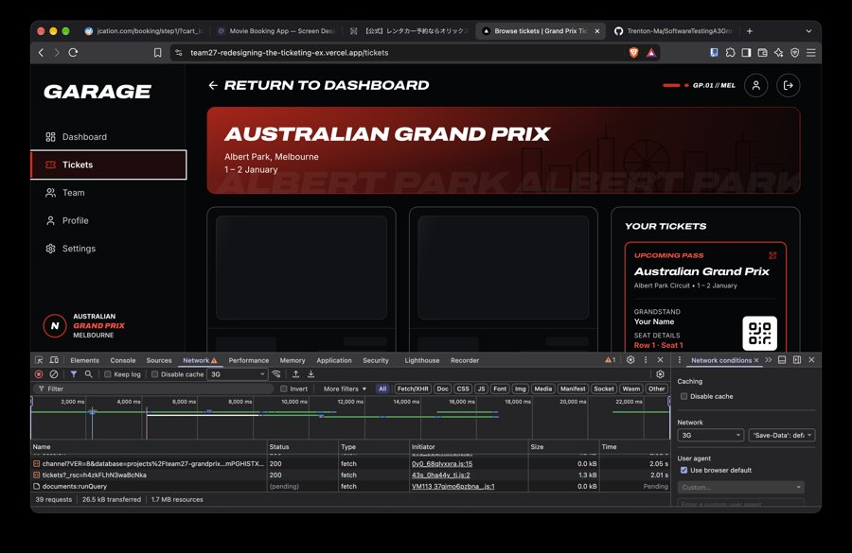

S3-25: firestore.googleapis.com blocked in DevTools; /tickets shows an endless spinner with no message or Retry (18/10/2026)

