Sheet1
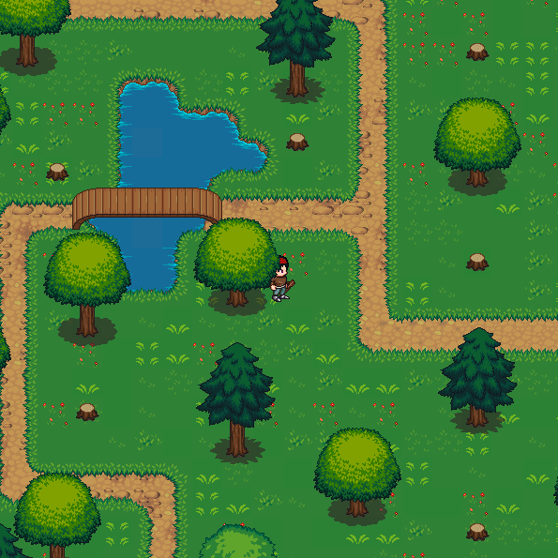
5 | 5 | 1 | 1 | 1 | 1 | 1 | 6 | 6 | 6 | 1 | 4 | 4 | 4 | 4 | 4 | 4 | 4 | 4 | 4 | 4
7 | 4 | 4 | 4 | 4 | 4 | 4 | 6 | 6 | 6 | 1 | 4 | 4 | 4 | 4 | 7 | 4 | 4 | 4 | 4 | 4
7 | 4 | 4 | 4 | 4 | 4 | 4 | 4 | 7 | 4 | 1 | 4 | 4 | 4 | 4 | 4 | 4 | 4 | 4 | 4 | 4
4 | 4 | 4 | 4 | 3 | 3 | 4 | 4 | 7 | 4 | 1 | 4 | 4 | 4 | 5 | 5 | 5 | 4 | 4 | 4 | 4
4 | 4 | 4 | 4 | 3 | 3 | 3 | 4 | 4 | 4 | 1 | 4 | 4 | 4 | 5 | 5 | 5 | 4 | 4 | 4 | 4
4 | 7 | 4 | 4 | 3 | 3 | 3 | 3 | 7 | 4 | 1 | 4 | 4 | 4 | 4 | 7 | 4 | 4 | 4 | 4 | 4
4 | 4 | 4 | 4 | 3 | 3 | 4 | 4 | 4 | 4 | 1 | 4 | 4 | 4 | 4 | 4 | 4 | 4 | 4 | 4 | 4
1 | 1 | 1 | 2 | 2 | 2 | 1 | 1 | 1 | 1 | 1 | 4 | 4 | 4 | 4 | 4 | 4 | 4 | 4 | 4 | 4
1 | 4 | 4 | 3 | 3 | 3 | 5 | 5 | 5 | 4 | 1 | 4 | 4 | 4 | 4 | 7 | 4 | 4 | 4 | 4 | 4
1 | 4 | 5 | 5 | 5 | 4 | 5 | 5 | 5 | 4 | 1 | 4 | 4 | 4 | 4 | 4 | 4 | 4 | 4 | 4 | 4
1 | 4 | 5 | 5 | 5 | 4 | 4 | 7 | 4 | 4 | 1 | 1 | 1 | 1 | 1 | 1 | 6 | 1 | 1 | 1 | 1
1 | 4 | 4 | 7 | 4 | 4 | 4 | 4 | 4 | 4 | 4 | 4 | 4 | 4 | 4 | 6 | 6 | 6 | 4 | 4 | 4
1 | 4 | 4 | 7 | 4 | 4 | 6 | 4 | 4 | 4 | 4 | 4 | 4 | 4 | 4 | 6 | 6 | 6 | 4 | 4 | 4
1 | 4 | 4 | 4 | 4 | 6 | 6 | 6 | 4 | 4 | 4 | 4 | 4 | 4 | 4 | 4 | 7 | 4 | 4 | 4 | 4
1 | 4 | 7 | 4 | 4 | 6 | 6 | 6 | 4 | 4 | 4 | 4 | 4 | 4 | 4 | 4 | 7 | 4 | 4 | 4 | 4
1 | 4 | 4 | 4 | 4 | 4 | 7 | 4 | 4 | 4 | 4 | 4 | 4 | 4 | 4 | 4 | 4 | 4 | 4 | 4 | 4
1 | 4 | 4 | 4 | 4 | 4 | 7 | 4 | 4 | 4 | 5 | 5 | 5 | 4 | 4 | 4 | 4 | 4 | 4 | 4 | 4
5 | 5 | 5 | 1 | 1 | 4 | 4 | 4 | 4 | 4 | 5 | 5 | 5 | 4 | 4 | 4 | 4 | 4 | 4 | 4 | 4
5 | 5 | 5 | 4 | 1 | 4 | 4 | 4 | 4 | 4 | 4 | 7 | 4 | 4 | 4 | 4 | 4 | 4 | 4 | 4 | 4
4 | 7 | 4 | 4 | 1 | 4 | 4 | 4 | 4 | 4 | 4 | 4 | 4 | 4 | 4 | 4 | 7 | 4 | 4 | 4 | 4
4 | 7 | 4 | 4 | 1 | 4 | 4 | 4 | 4 | 4 | 4 | 4 | 4 | 4 | 4 | 4 | 4 | 4 | 4 | 4 | 4

