Cover


System Architecture
Project: Gateway 3.0

Doc Version: 1.0
Author: luannd
Last Update: 21/10/2019

Login
Màn hình login
Select language
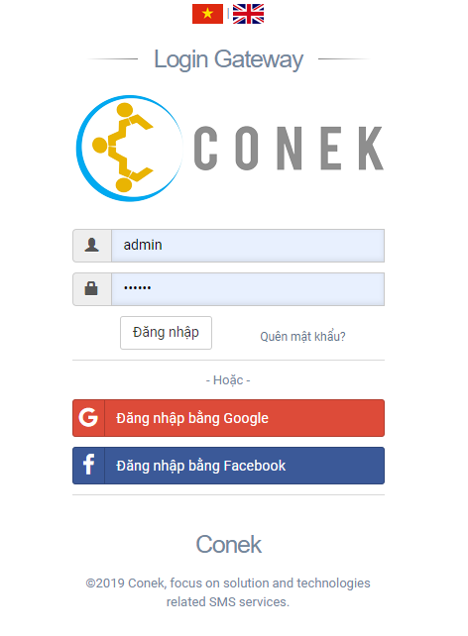

Login
Reset pass

Tiếng Việt

Select language
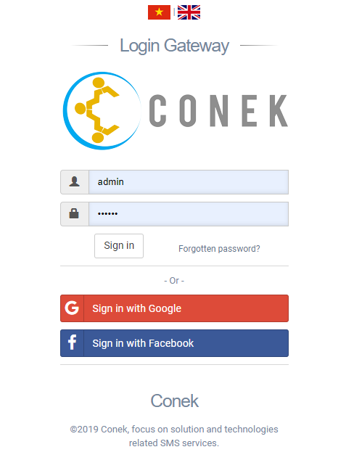

Tiếng Anh

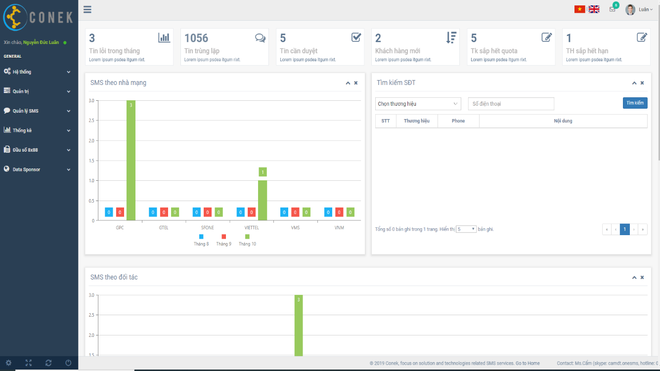

Login

Login

Show message login fail

Reset pass

Reset pass

Show message reset password fail

