Cover


System Architecture
Project: Gateway v3.0

Doc Version: 1.0
Author: hiennt
Last Update: 24/10/2019

SystemConfig
CẦU HÌNH HỆ THỐNG - SYSTEM CONFIG (SYS_VAR)

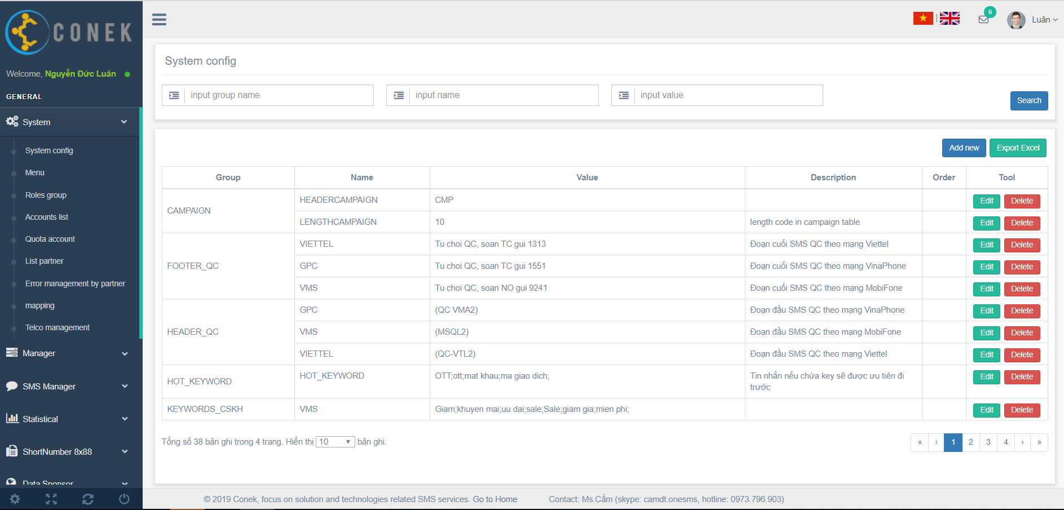

Search

Add new
Export excel

Edit
Delete

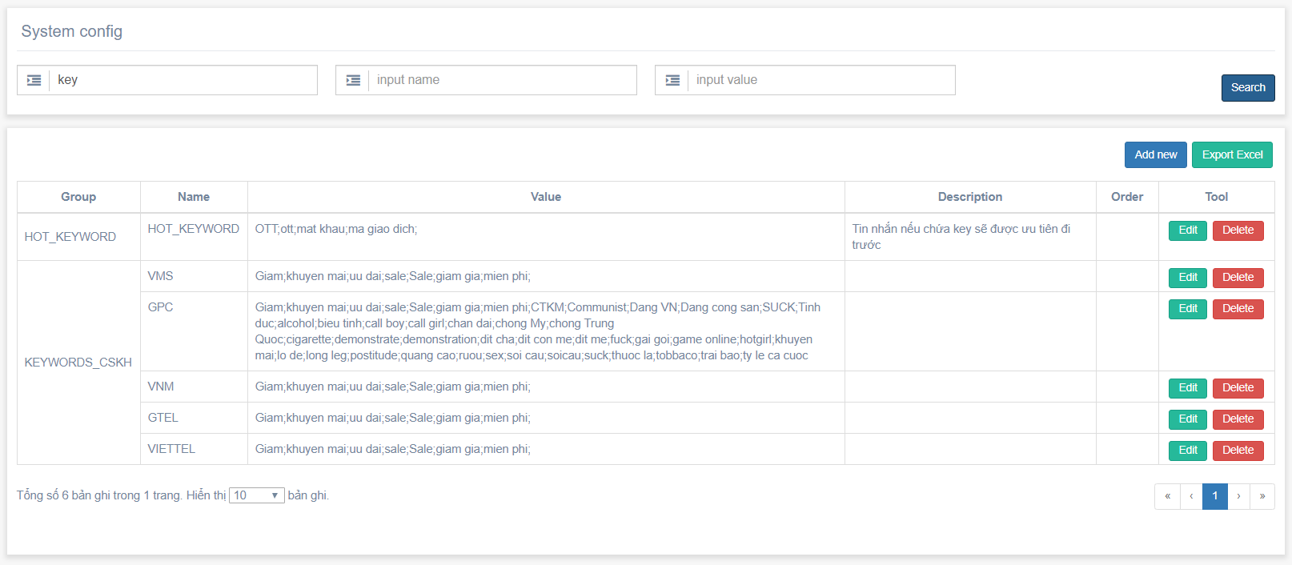

Search
Search

No data find

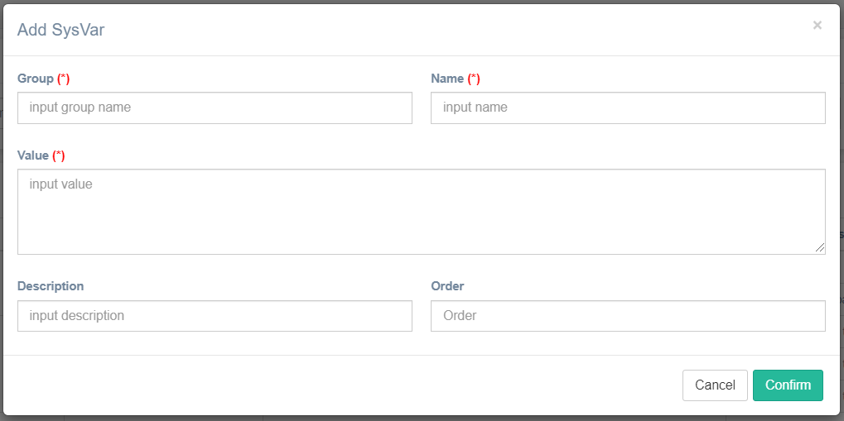
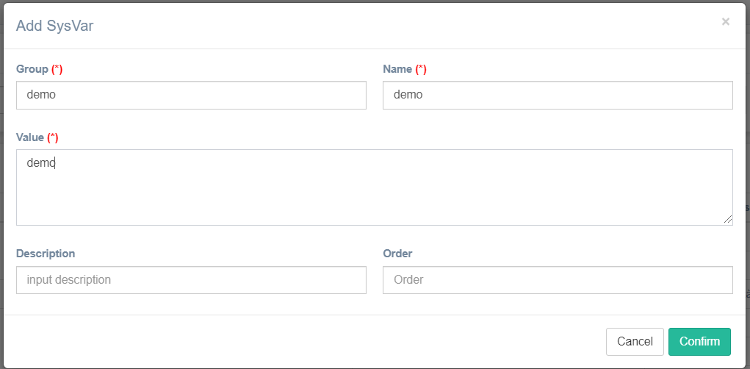

Confirm
Add new
Show message create success

Show message create fail

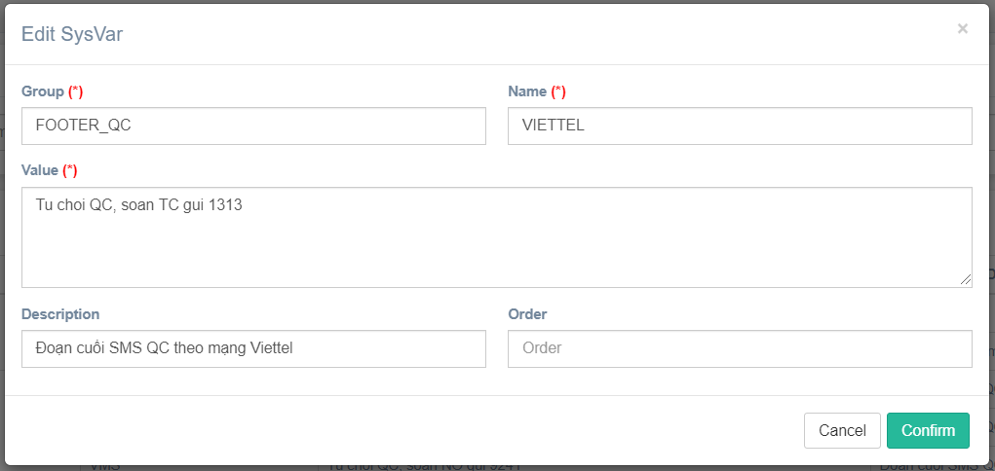

Confirm
Show message edit success
Edit

Show message edit fail

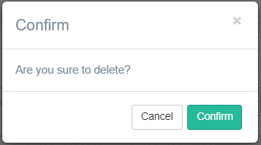

Confirm
Show message delete success
Delete

Show message delete fail

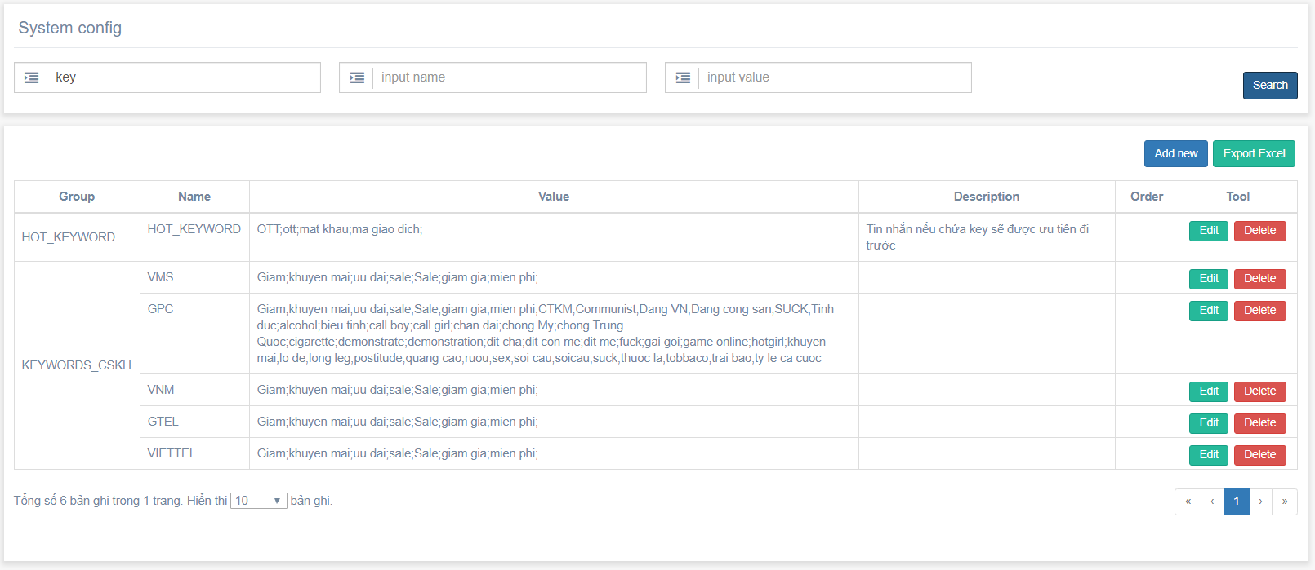

Export
Export excel

Show message fail

Menu
DANH SÁCH MENU (MENU)

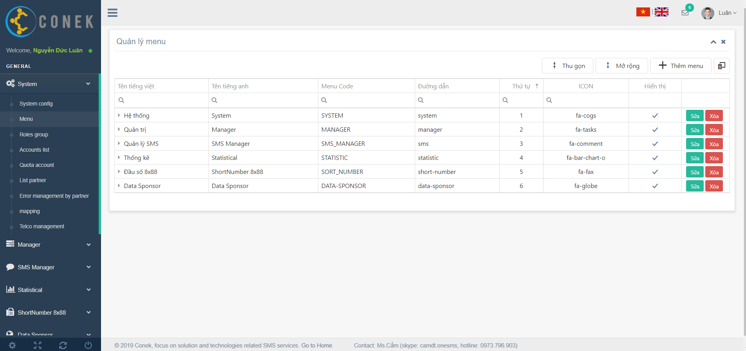
Collapse/Extend
Create new

Edit
Delete

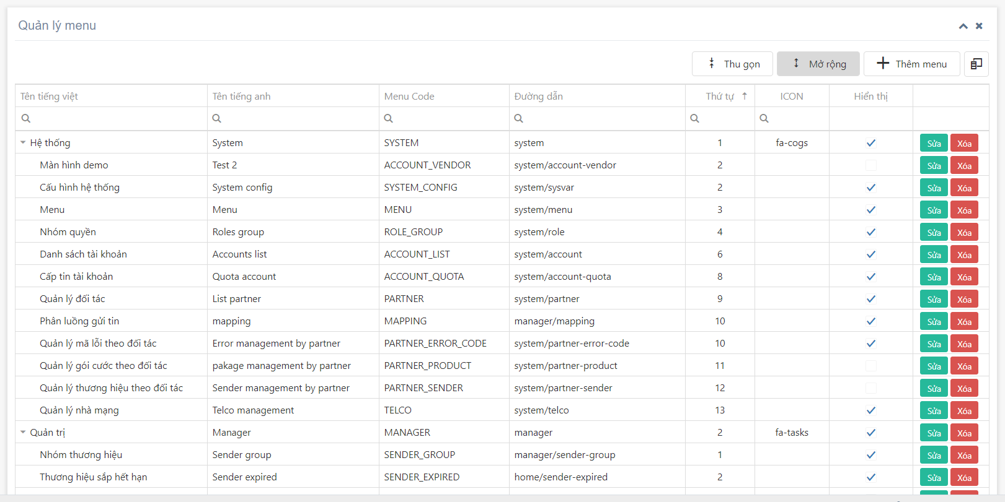

Extend
Collapse
Collapse/Extend

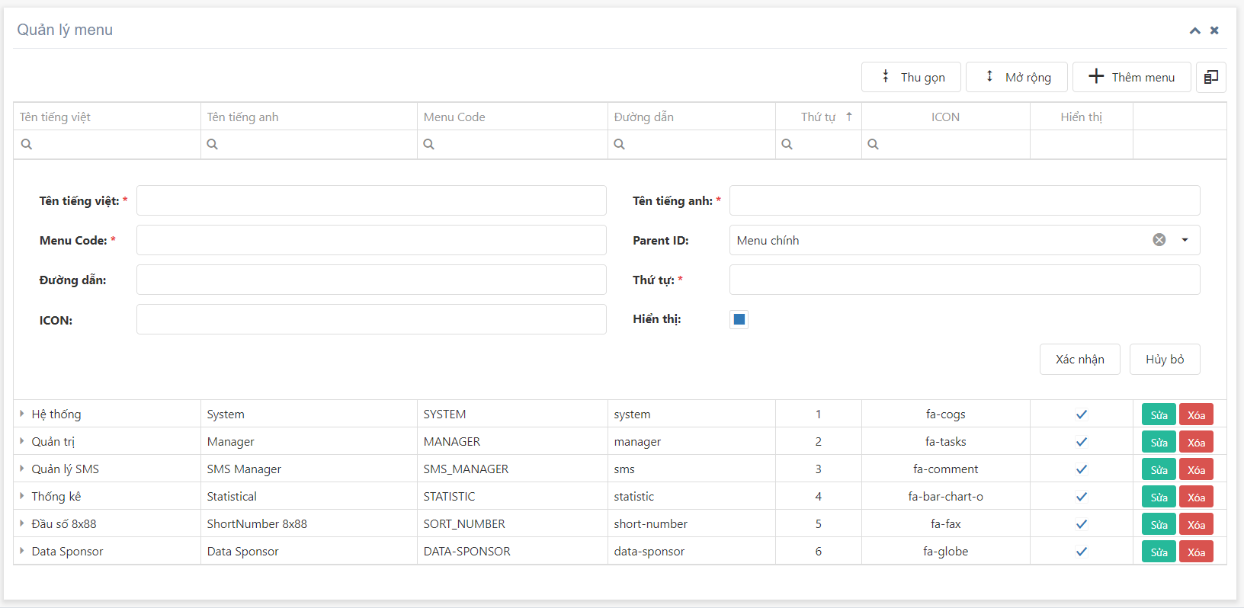
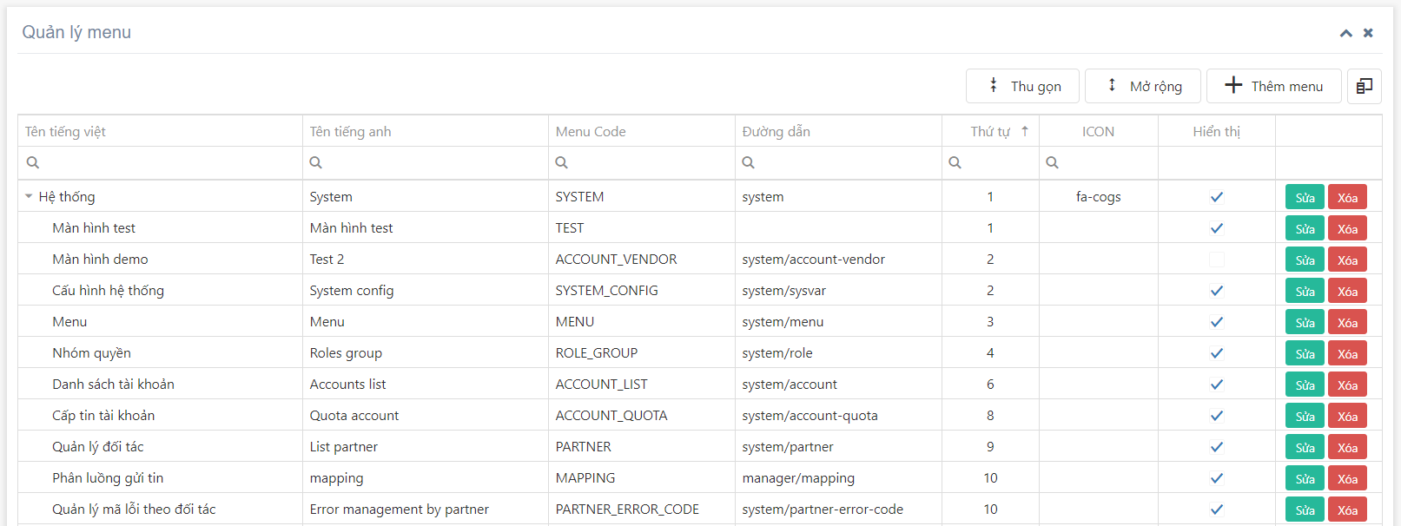
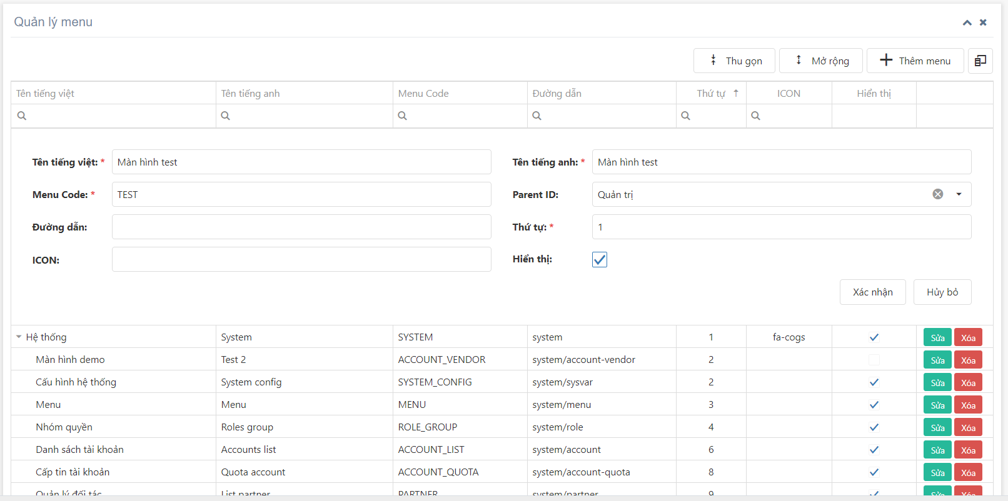

Confirm

Create new

Show message create fail

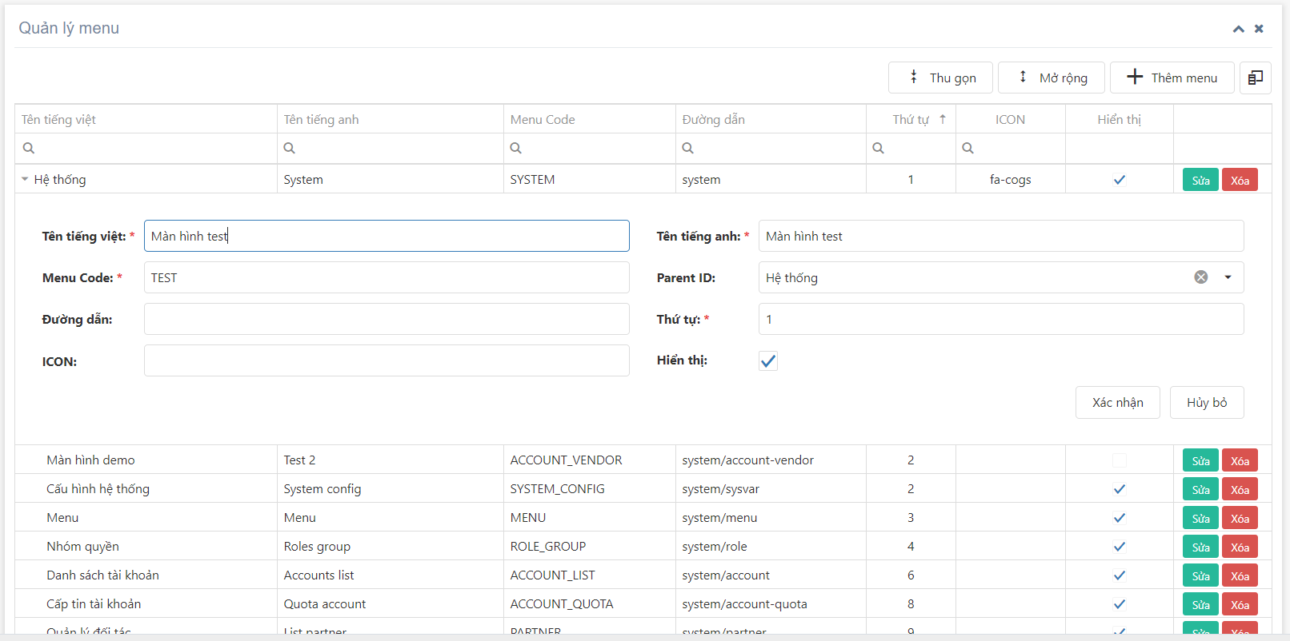

Confirm
Edit

Show message edit fail

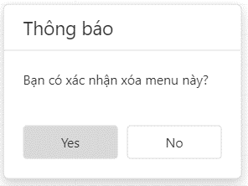

Confirm

Delete

Show message delete fail

Role
ROLE MANAGEMENT (ACCESS_ROLES)

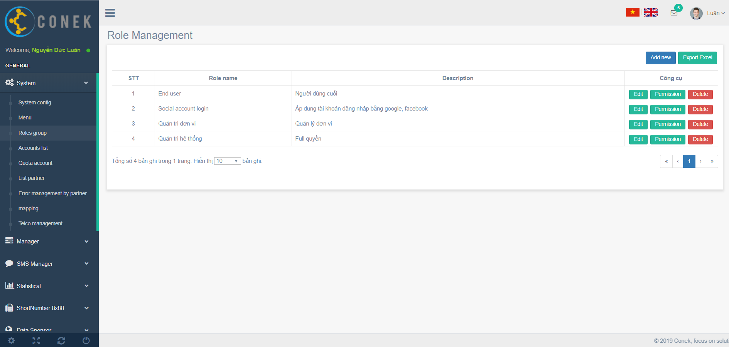

Create new
Export excel

Edit
Delete

Permission

Confirm

Create new

Show message create fail

Confirm
Edit

Show message edit fail

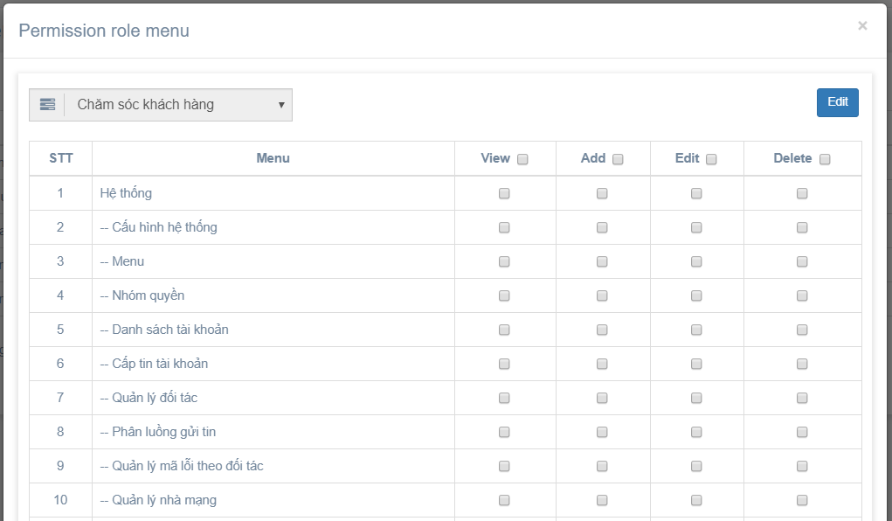
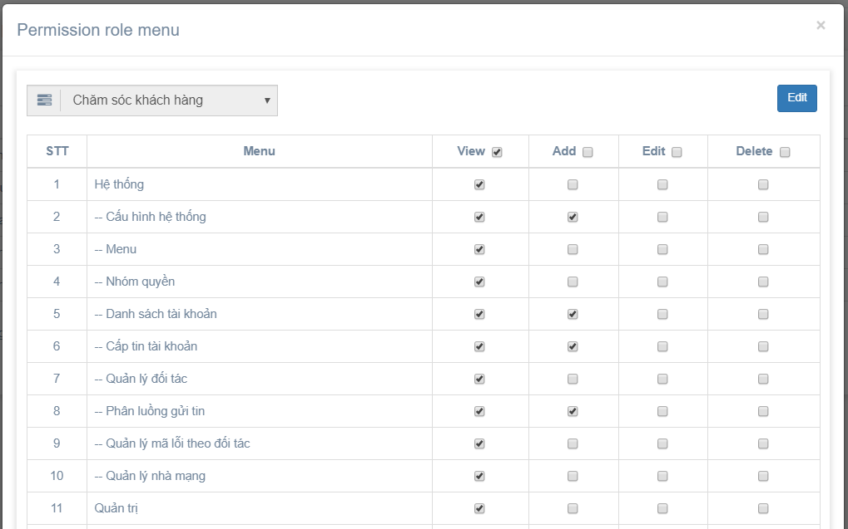

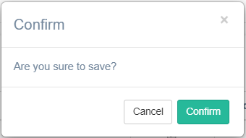

Confirm

Permission

Show message fail

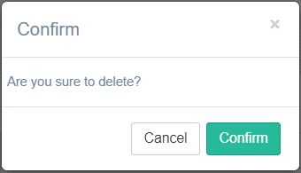

Confirm
Delete

Show message delete fail

Export
Export excel

Show message fail

Account
Provide quota
ACCOUNT MANAGEMENT (ACCOUNTS)

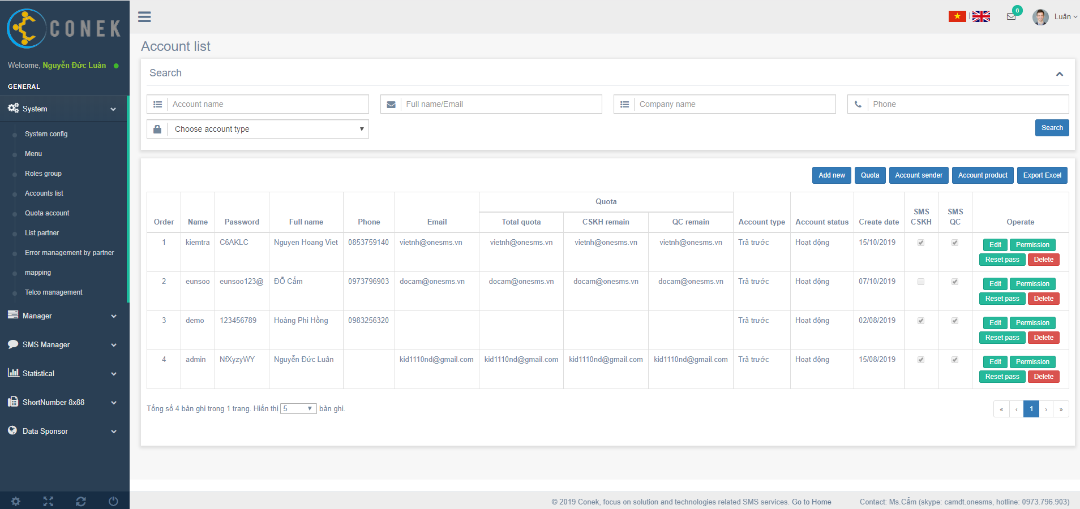

Account product
Account product

Search
Provide quota

Create new
Export excel

Account sender

Permission
Edit
Delete
Reset pass

Search

Search

No data find

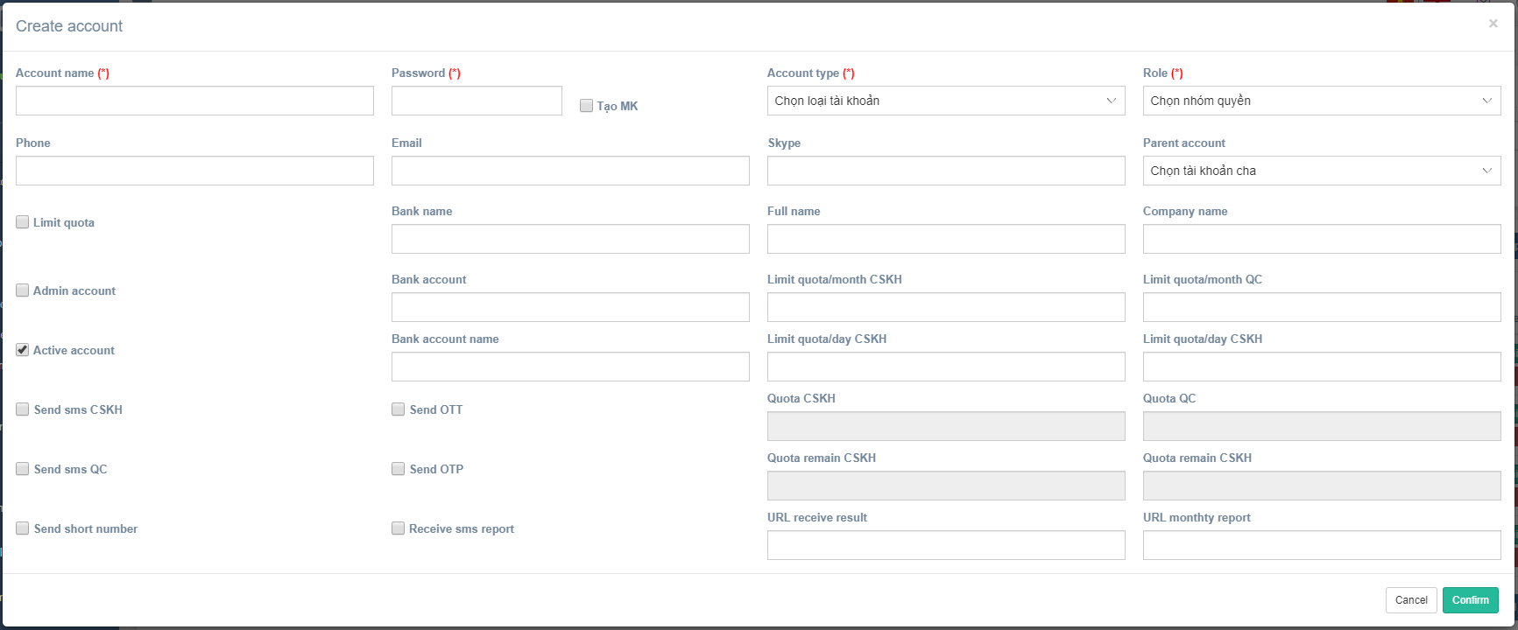


Confirm
Create new

Show message create fail

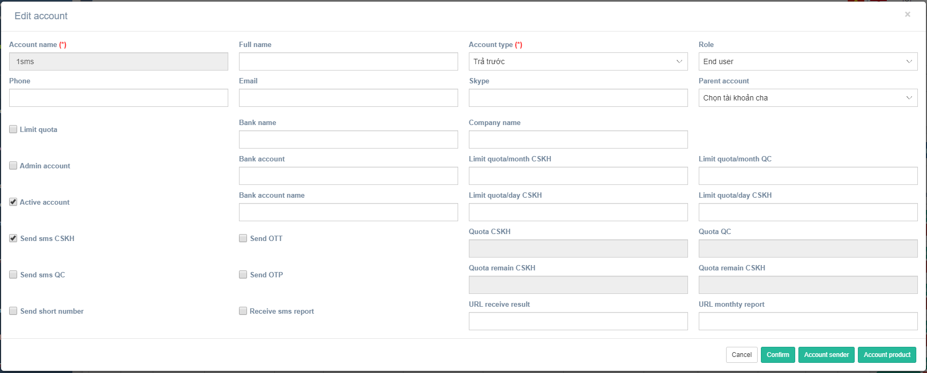
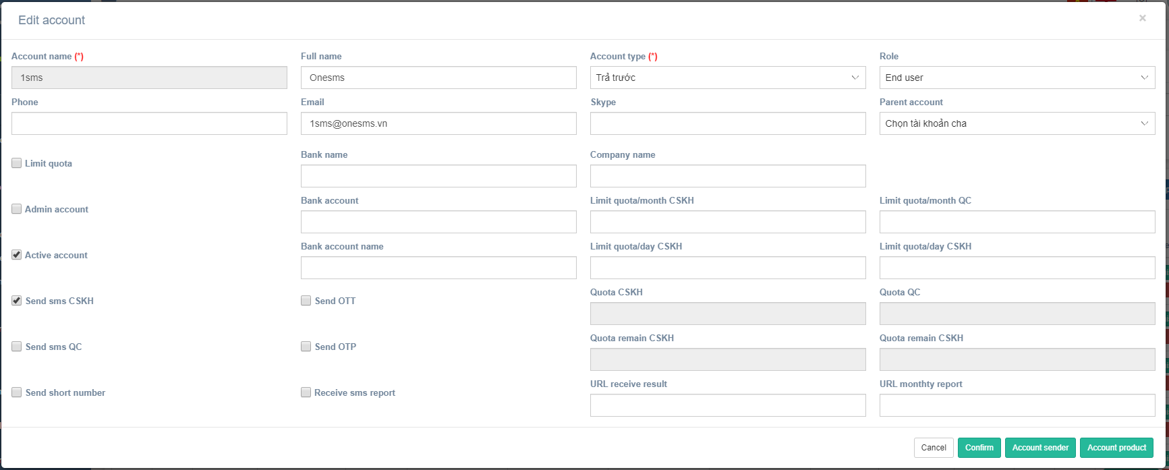

Confirm
Edit

Show message edit fail

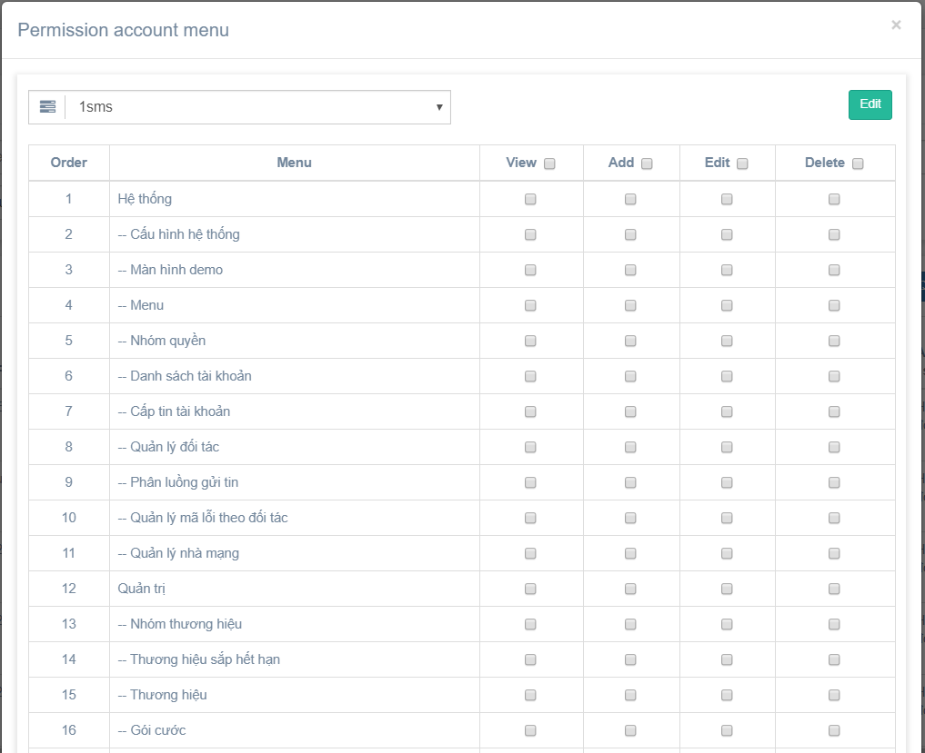
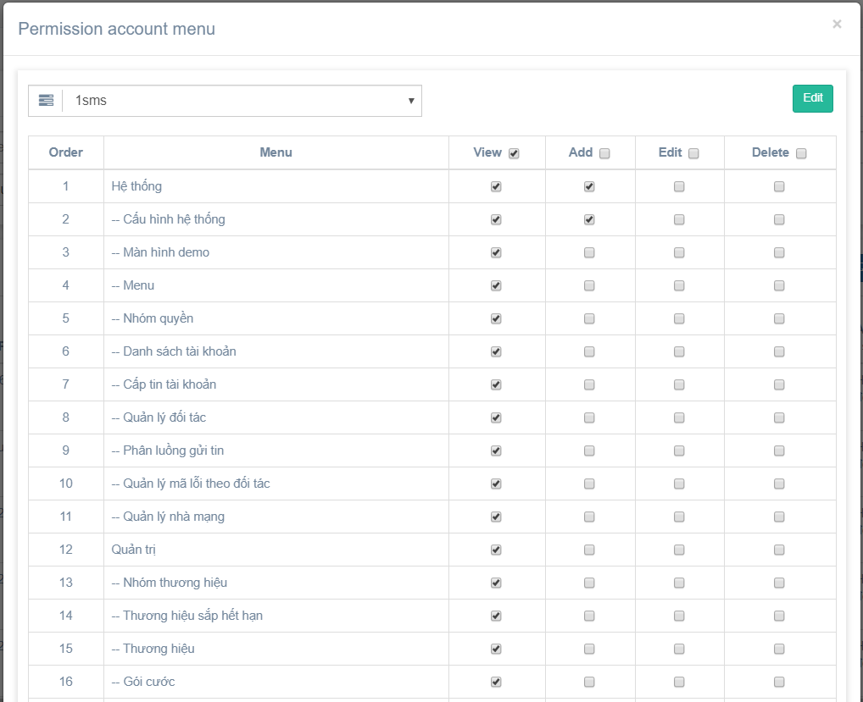

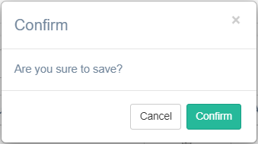

Confirm
Permission

Show message fail

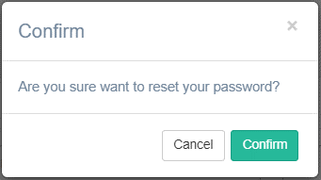

Confirm
Reset pass

Show message fail

Confirm
Delete

Show message delete fail

Search
Account sender

Show message delete fail

Export
Export excel

Show message fail

ProvideQuota
ACCOUNT_CIMAST, ACCOUNT_CIMAST_TRAN

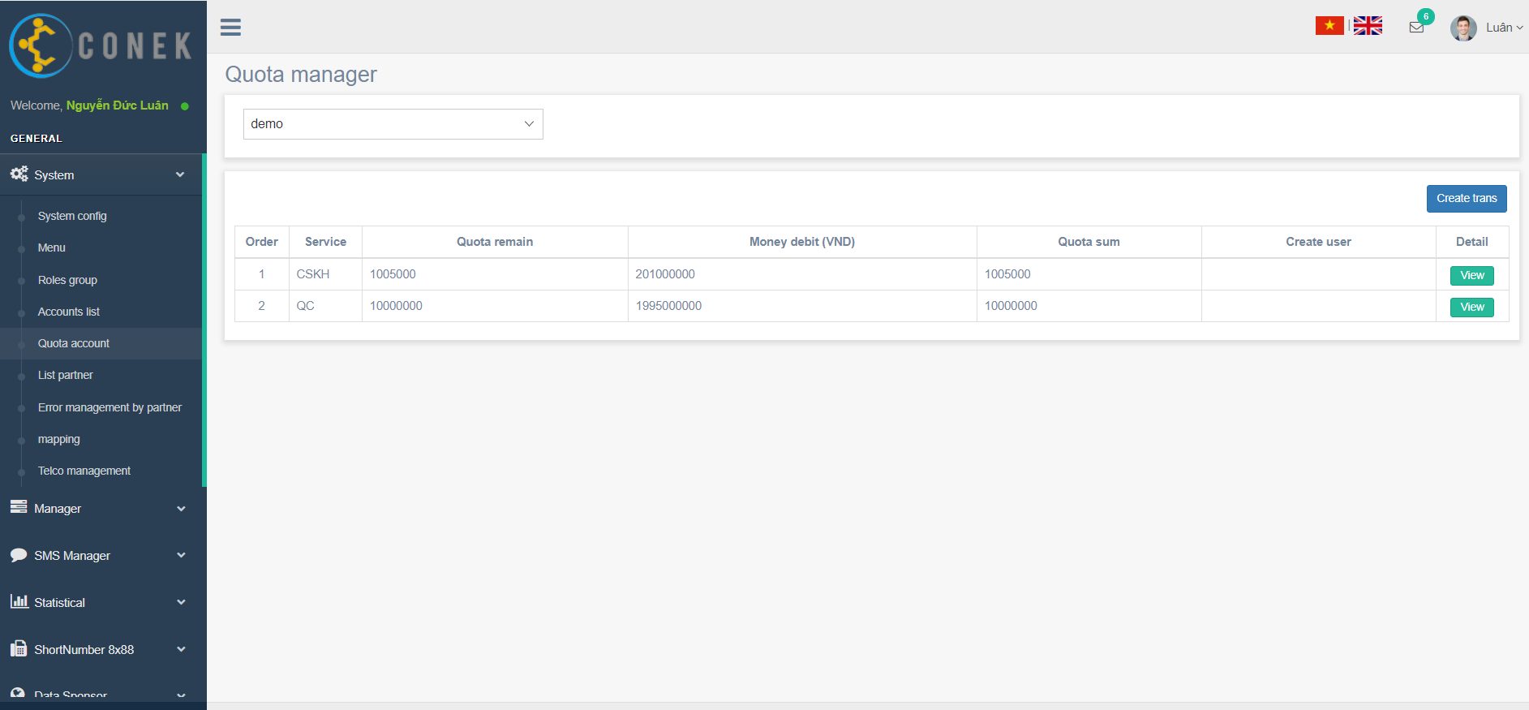

Create trans

View detail

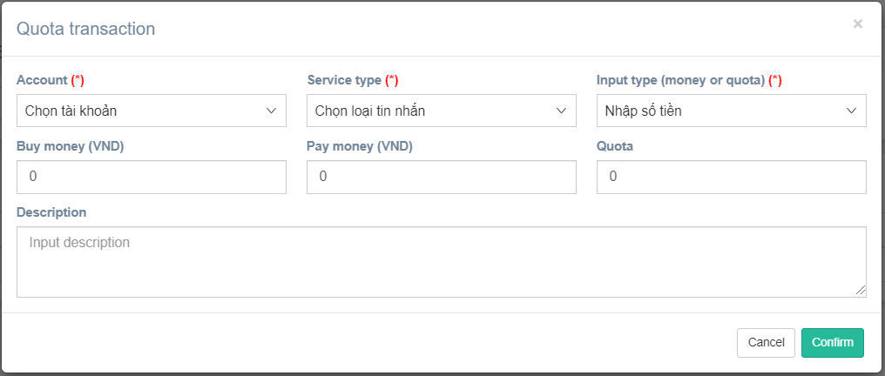
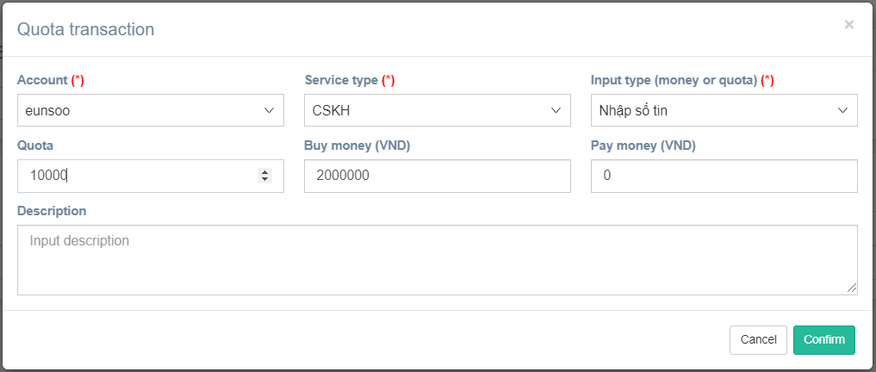

Confirm
Create new

Show message create fail

View detail

Product
PACKAGES

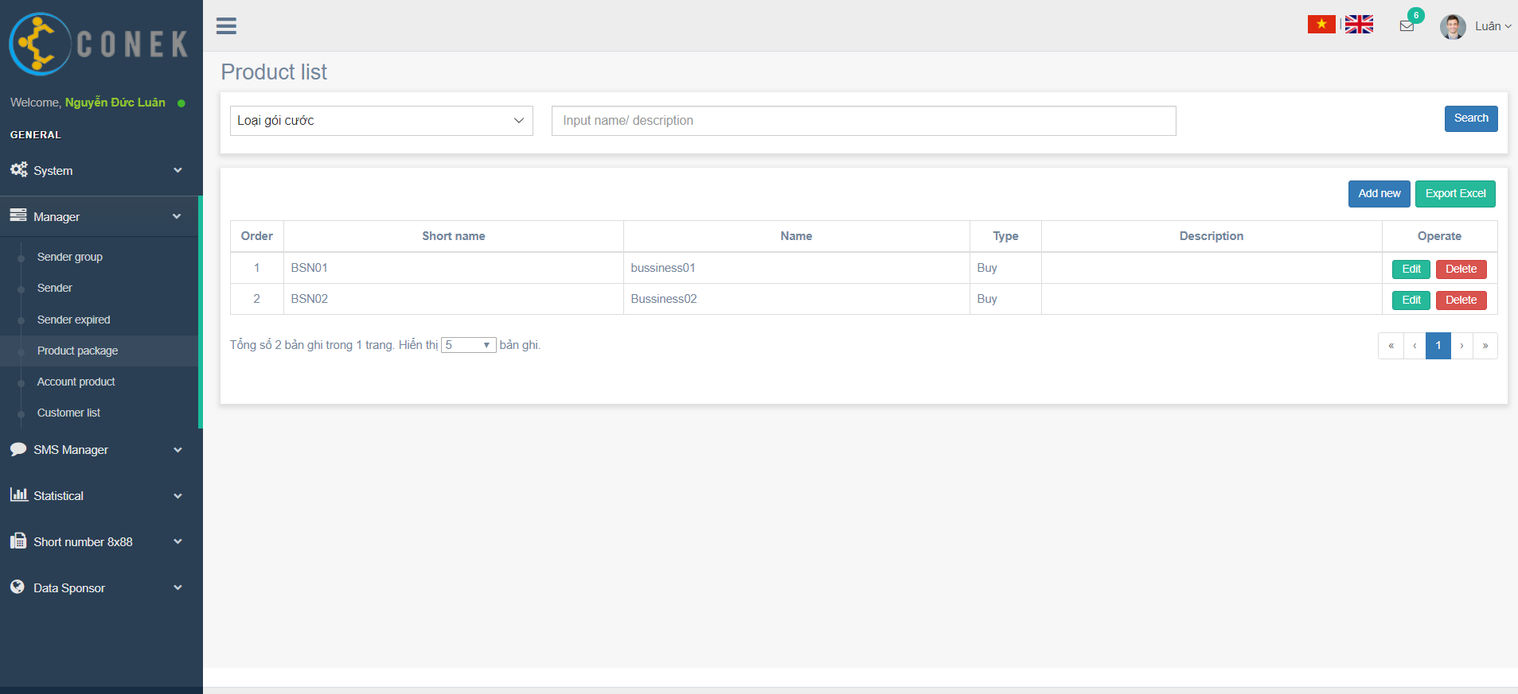

Search

Create new
Export excel

Edit
Delete

Search
Search

No data find

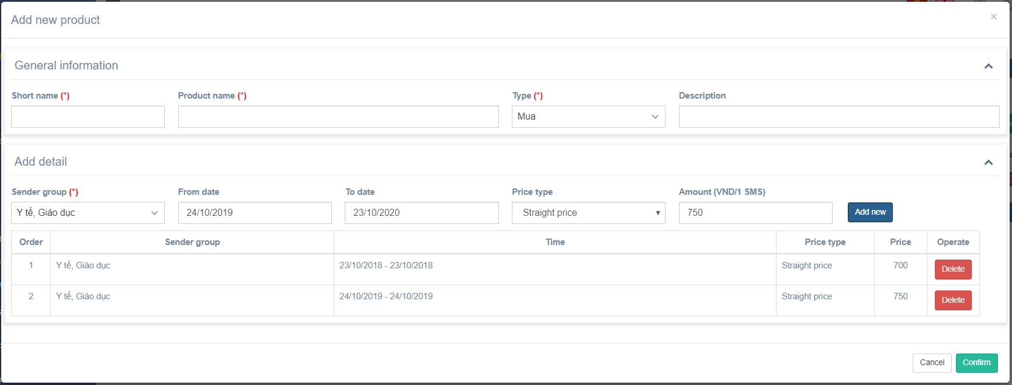

Create new
Add detail

Add detail

Confirm create product

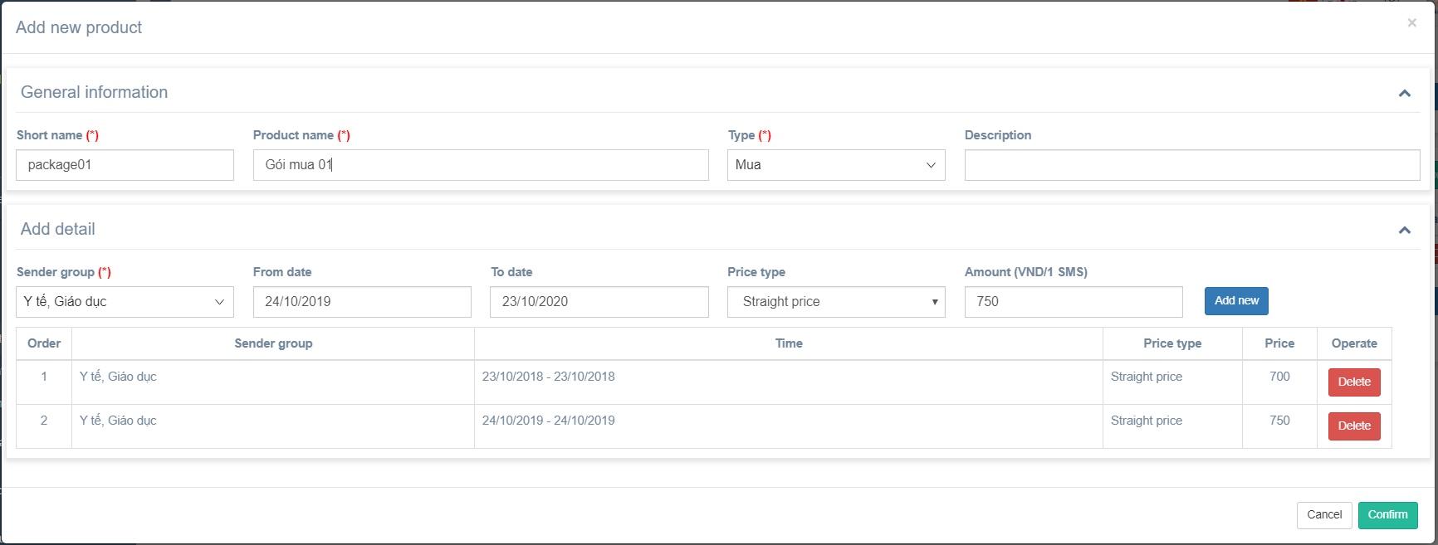

Confirm
Confirm create product

Show message create fail

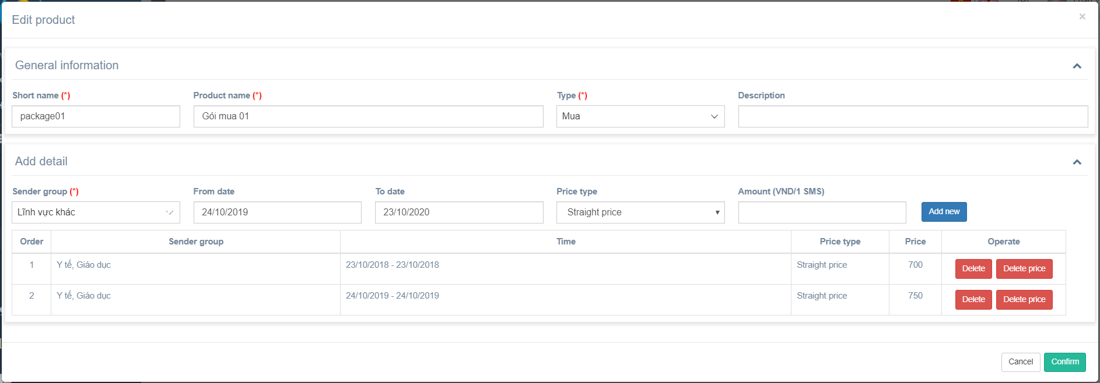

Confirm
Edit

Show message edit fail

Confirm
Delete

Show message delete fail

AccountProduct
ACCOUNT_PRODUCT

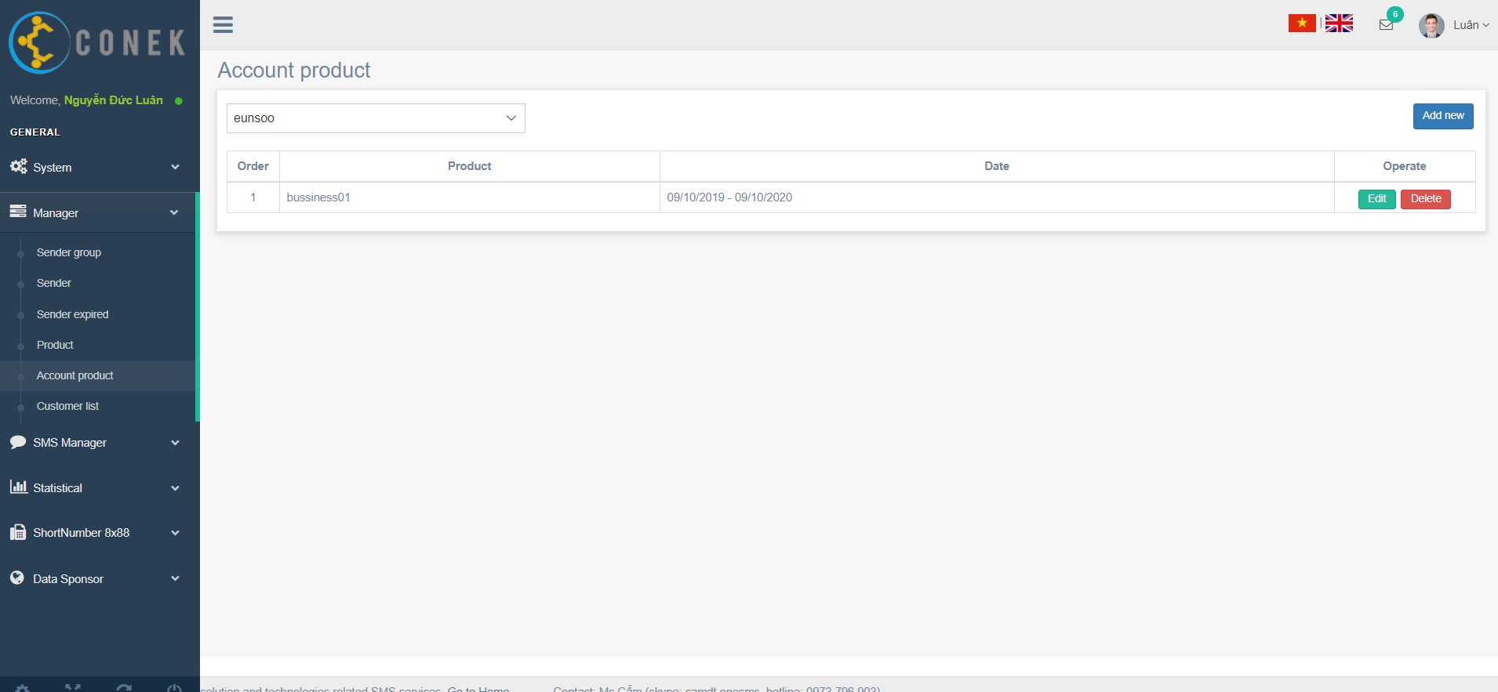

Create new

Delete
Edit

Confirm
Create new

Show message create fail

Confirm
Edit

Show message edit fail



Confirm
Delete

Show message delete fail

Telco
TELCO

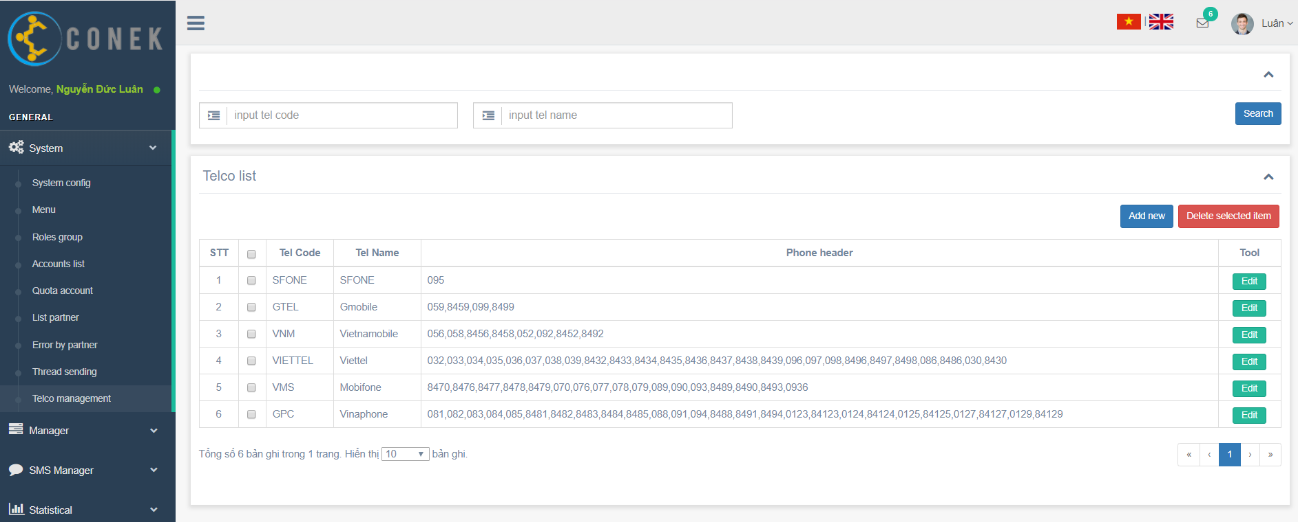

Search

Create new
Delete

Edit

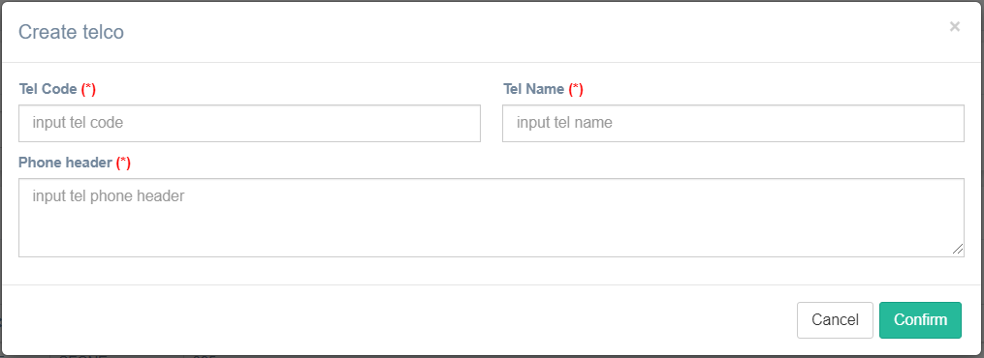
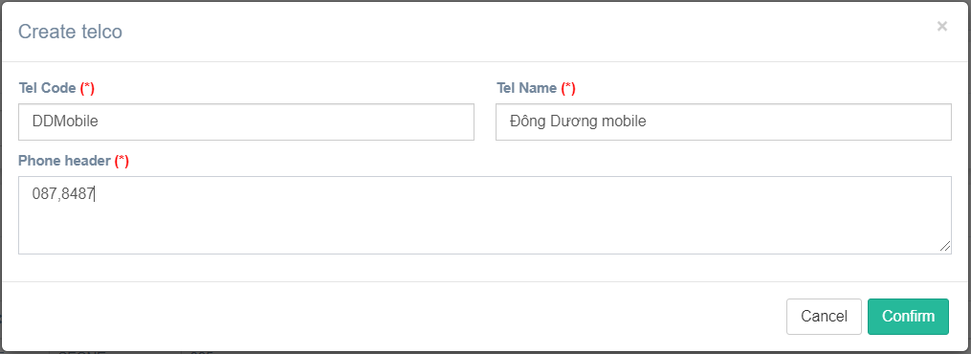

Confirm

Create new

Show message create fail

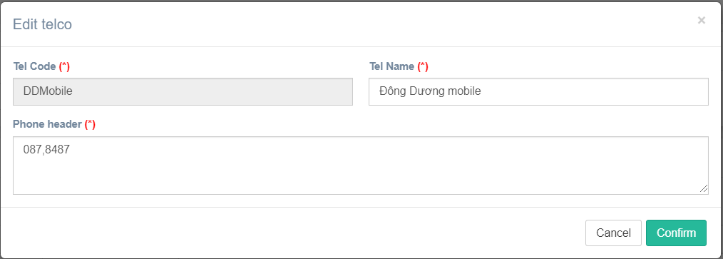

Confirm
Edit

Show message edit fail

Confirm
Delete

Show message delete fail

Customers
Search
Import excel

Create new
Export excel

Edit
Delete

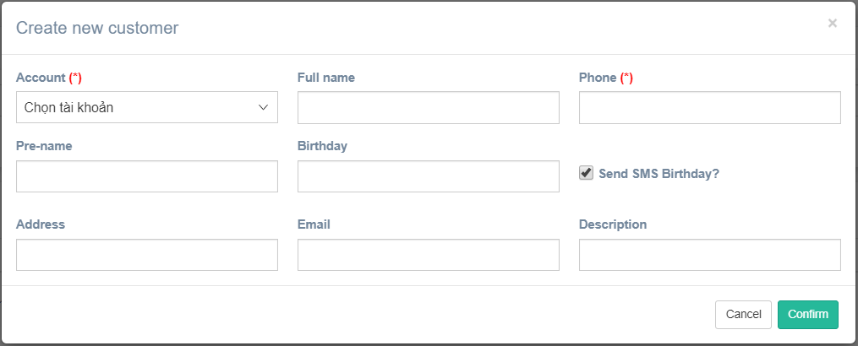
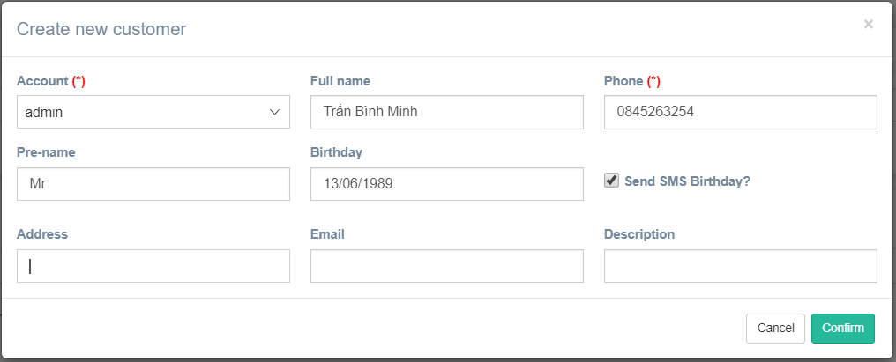

Confirm
Create new

Show message create fail

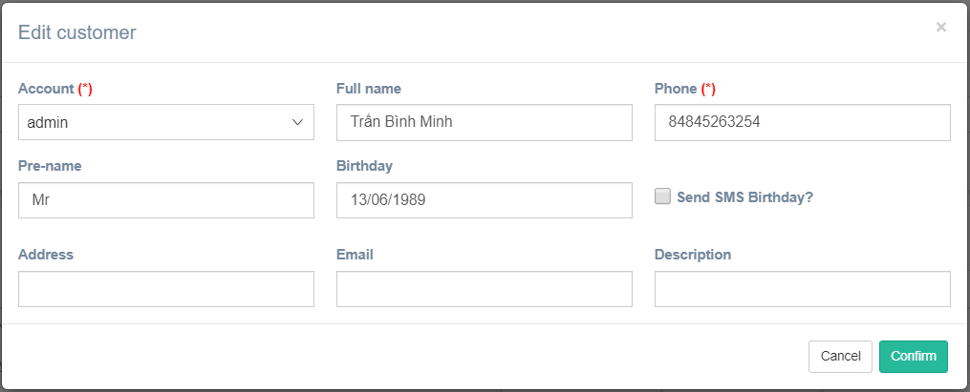

Confirm
Edit

Show message edit fail

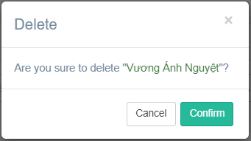

Confirm
Delete

Show message delete fail

Import excel
Export template
Export template file

Choose file

Confirm
Choose file

Show message fail

