Cover


System Architecture
Project: Gateway v3.0

Doc Version: 1.0
Author: hiennt
Last Update: 25/10/2019

SenderGroup
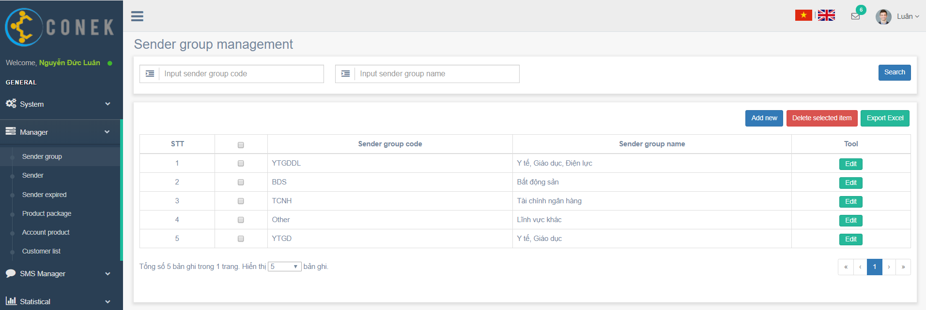

Search
Delete
Create new
Export excel

Edit

Search
Search

No data find

Confirm
Create new

Show message create fail

Confirm
Edit

Show message edit fail

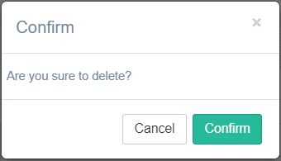

Confirm

Delete

Show message delete fail

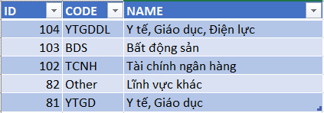

Export excel

Sender
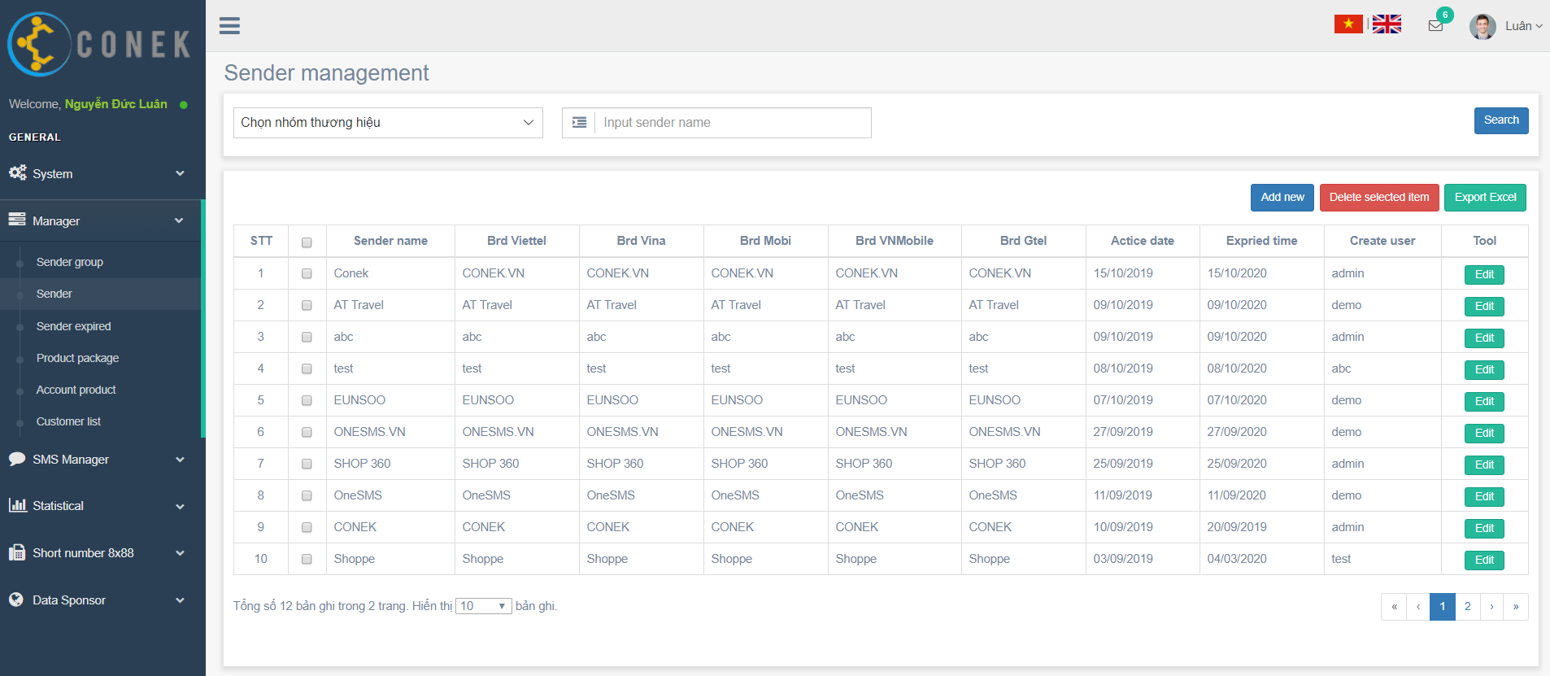

Search
Delete

Create new
Export excel

Edit

Search
Search

No data find

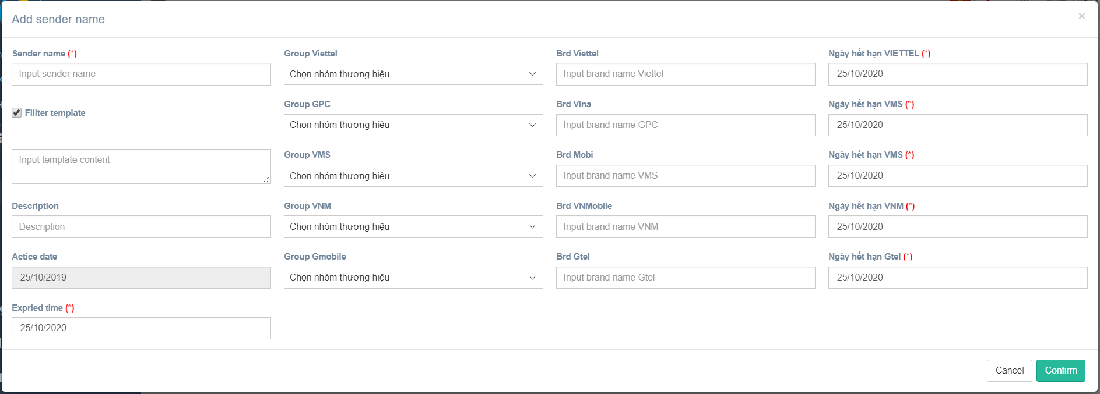
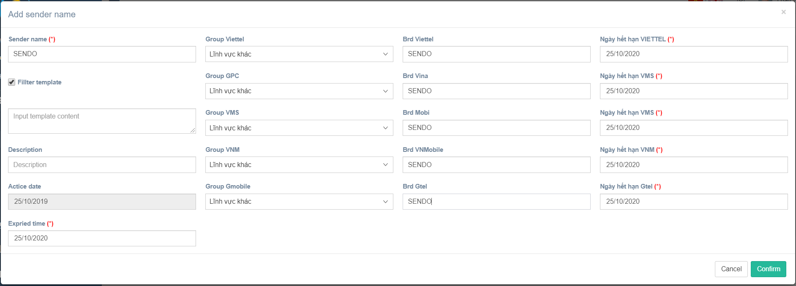

Confirm
Create new

Show message create fail

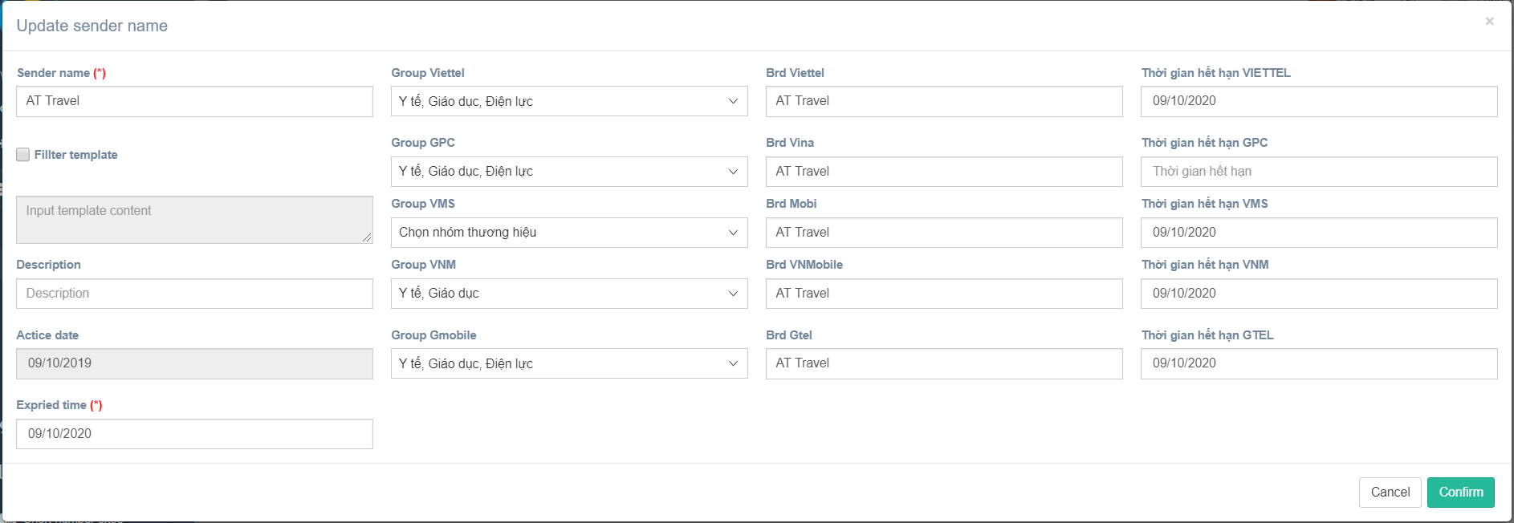

Confirm
Edit

Show message edit fail

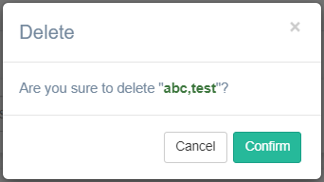

Confirm
Delete

Show message delete fail

Export excel

Thống kê danh sách thương hiệu sắp hết hạn

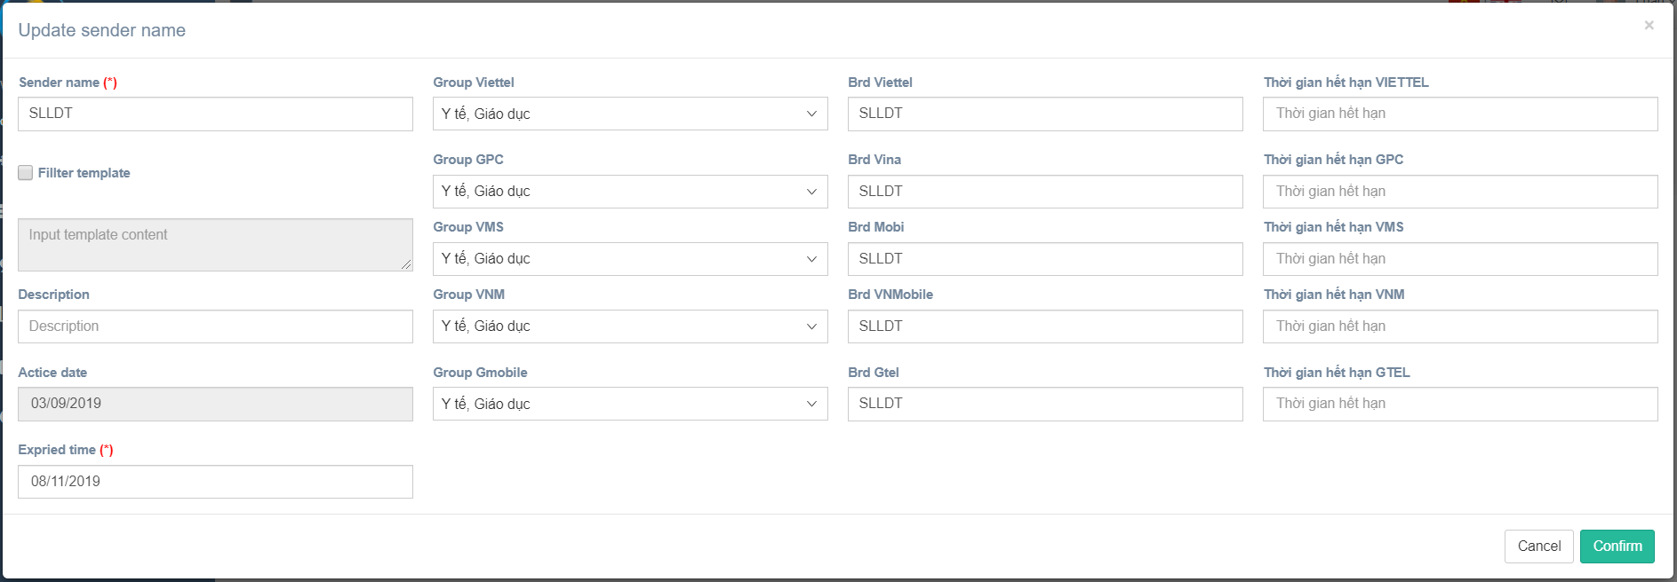

Confirm

Show message edit fail

Thống kê thương hiệu theo tài khoản

