Cover


System Architecture
Project: Gateway v3.0

Doc Version: 1.0
Author: hiennt
Last Update: 24/10/2019

Partner
PARTNERS

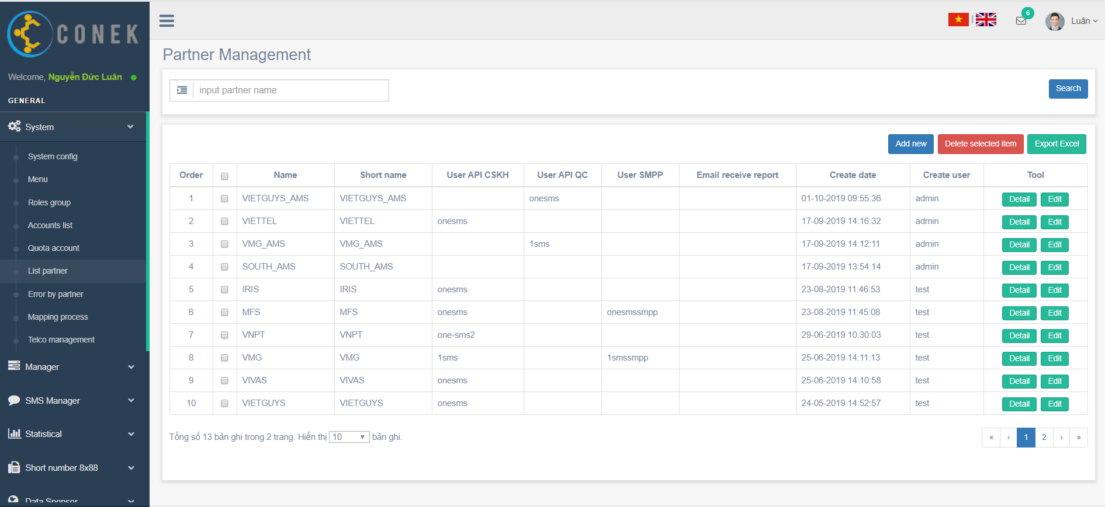

Search
Delete
Create new
Export excel

View detail
Edit

Search
Search

No data find

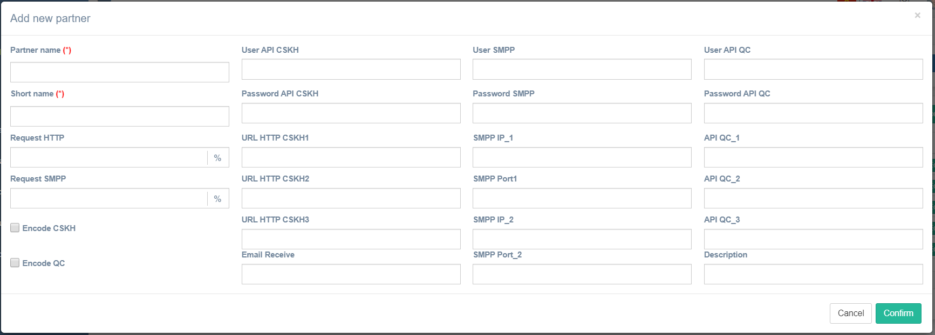
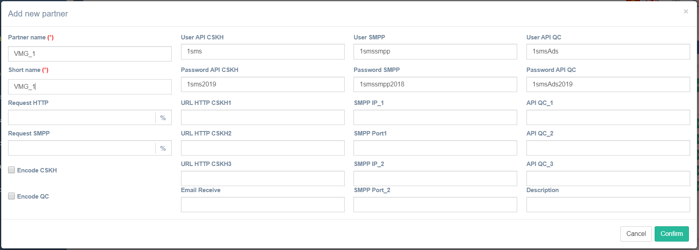

Confirm
Create new

Show message create fail



Confirm
Edit

Show message edit fail

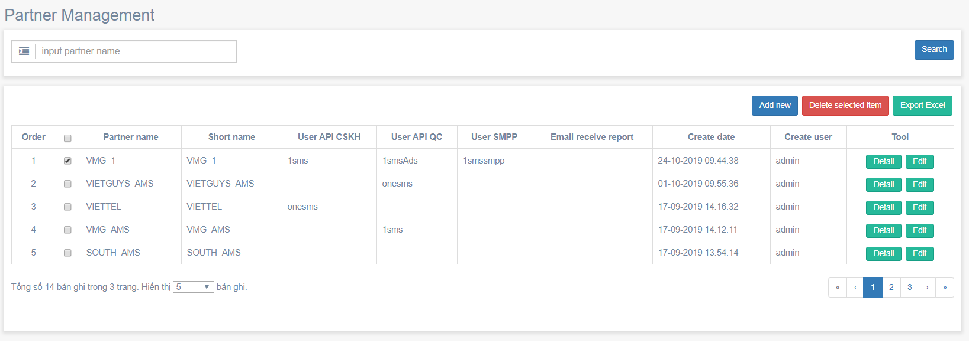

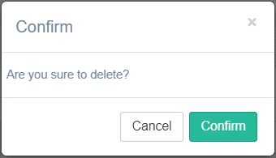

Confirm
Delete

Show message delete fail

Export excel

Partner - sender

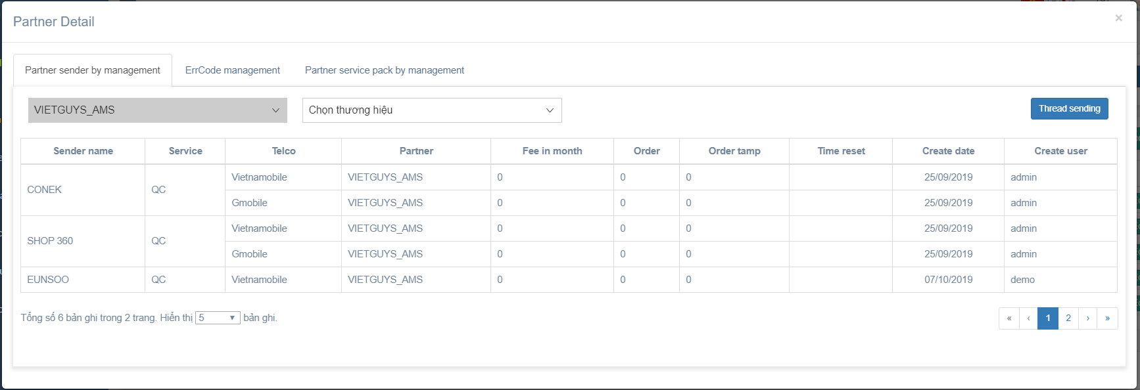
Partner err_code
Partner_err_code

Partner sender
Partner product
Partner_product
Thread sending

View detail

PartnerErrorCode
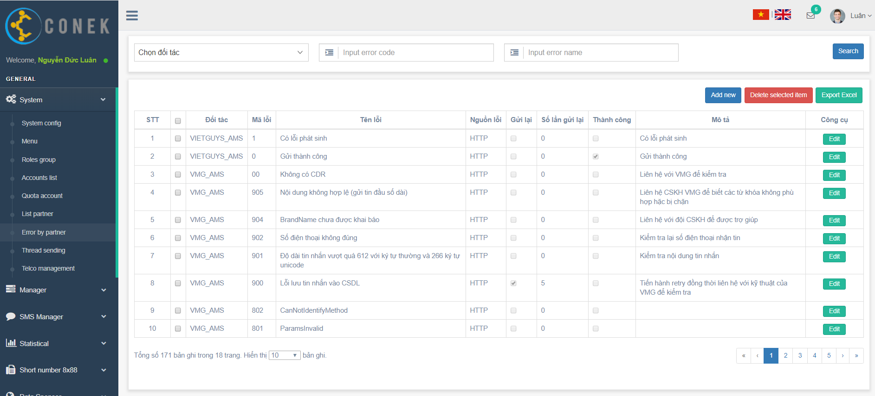

Search
Delete
Create new
Export excel

Edit

Search
Search

No data find

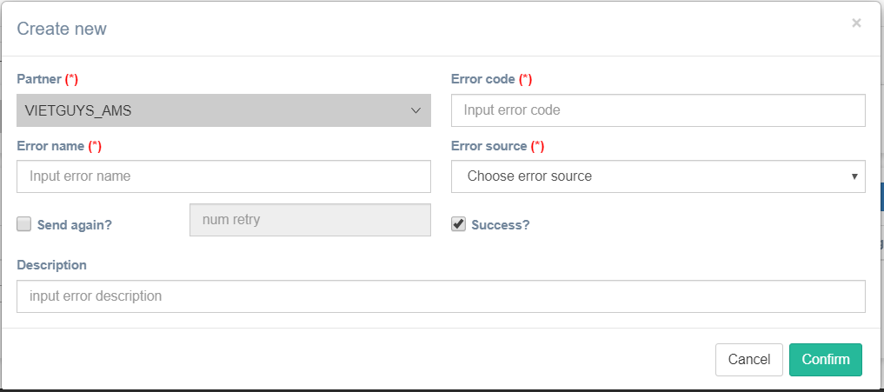
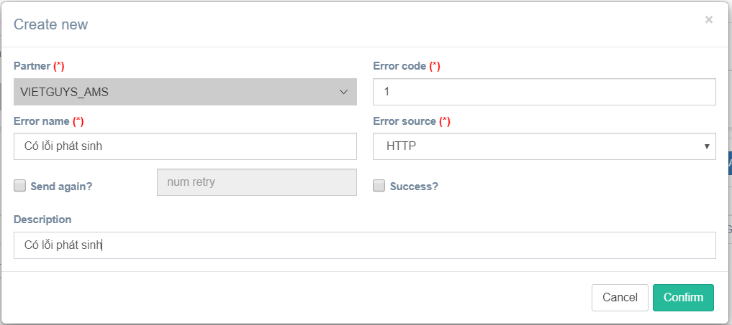

Confirm

Create new

Show message create fail

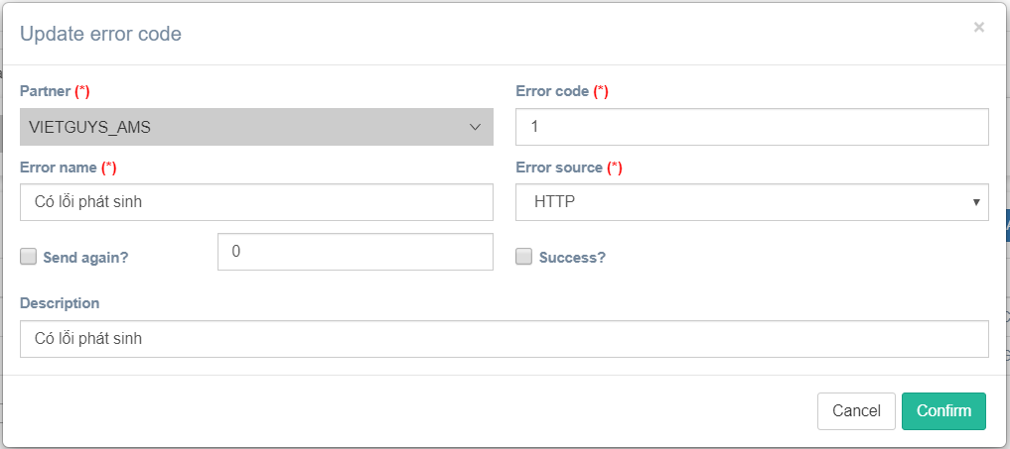

Confirm
Edit

Show message edit fail

Confirm
Delete

Show message delete fail

Export excel

PartnerProduct
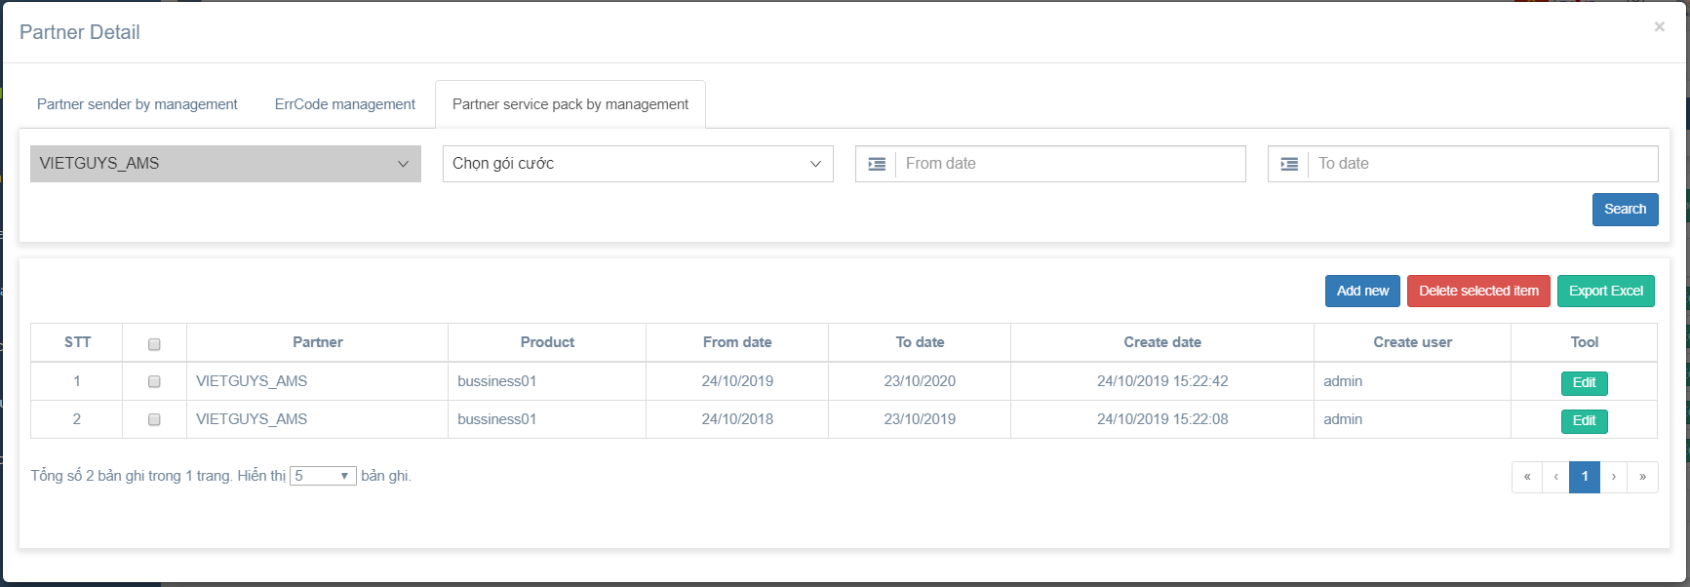

Search
Delete

Create new
Export excel

Edit

Search
Search

No data find

Confirm
Create new

Show message create fail

Confirm
Edit

Show message edit fail

Confirm
Delete

Show message delete fail

Export excel

PartnerSender
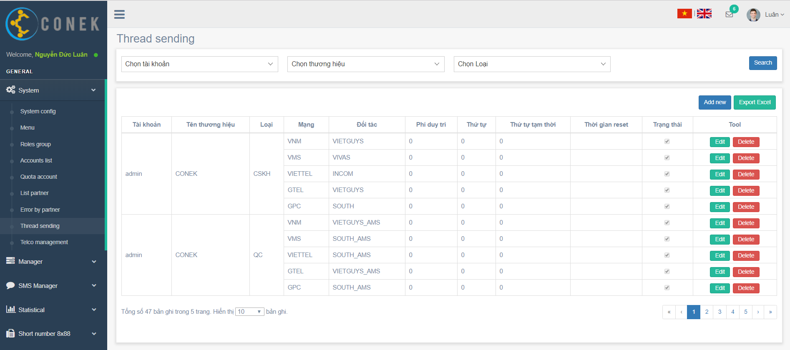

Search

Create new
Export excel

Edit
Delete

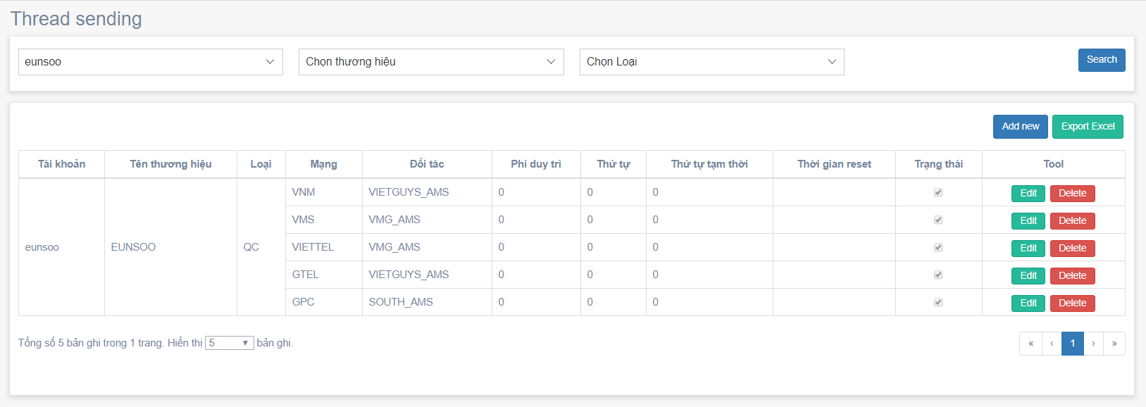

Search
Search

No data find

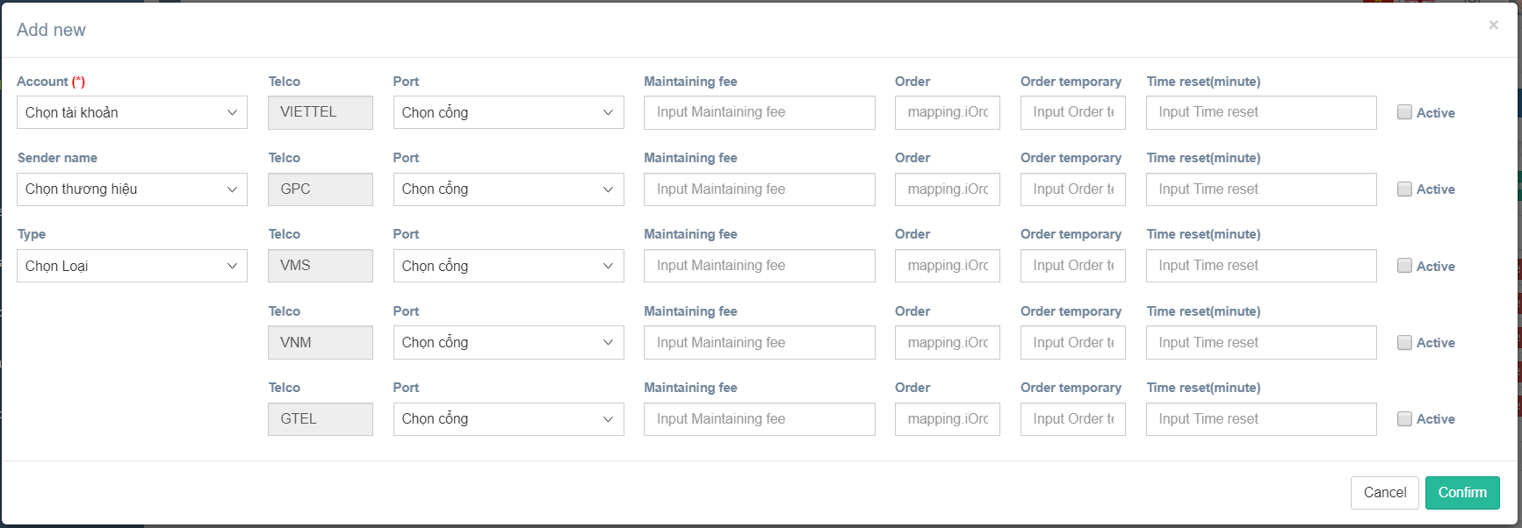
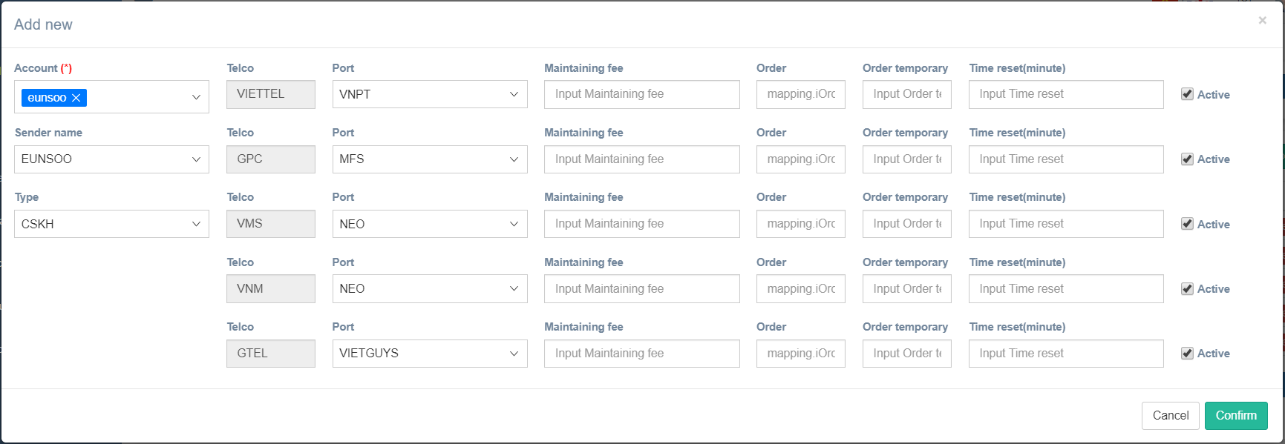

Confirm
Create new

Show message create fail

Confirm
Edit

Show message edit fail

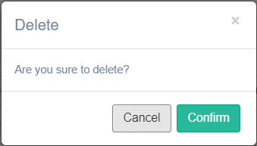

Confirm
Delete

Show message delete fail

Export excel

