paledit
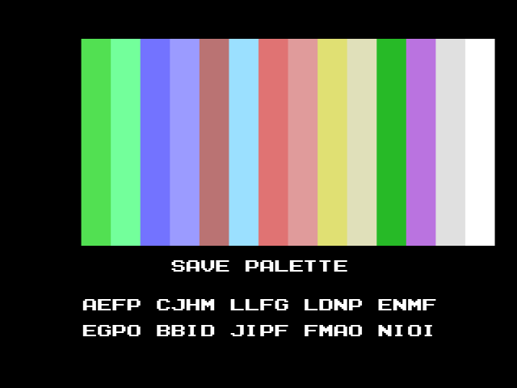
 | R | G | B | R B | G
0 | 0 | 0 | 0 | 0x00 | 0x00
1 | 0 | 0 | 0 | 0x00 | 0x00
2 | 2 | 6 | 2 | 0x22 | 0x06
3 | 3 | 7 | 4 | 0x34 | 0x07
4 | 3 | 3 | 7 | 0x37 | 0x03
5 | 4 | 4 | 7 | 0x47 | 0x04
6 | 5 | 3 | 3 | 0x53 | 0x03
7 | 4 | 6 | 7 | 0x47 | 0x06
8 | 6 | 3 | 3 | 0x63 | 0x03
9 | 6 | 4 | 4 | 0x64 | 0x04
10 | 6 | 6 | 3 | 0x63 | 0x06
11 | 6 | 6 | 5 | 0x65 | 0x06
12 | 1 | 5 | 1 | 0x11 | 0x05
13 | 5 | 3 | 6 | 0x56 | 0x03
14 | 6 | 6 | 6 | 0x66 | 0x06
15 | 7 | 7 | 7 | 0x77 | 0x07
CUSTOM MSX1 PALETTE by KdL 2022.04.24

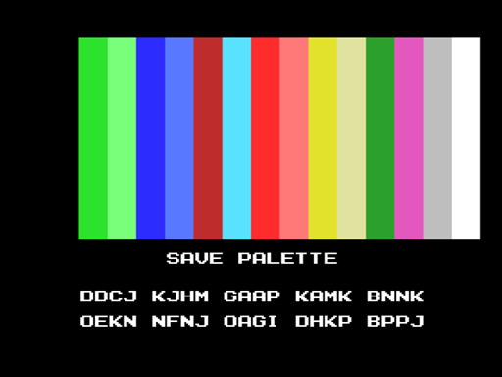
 | R | G | B | R B | G
0 | 0 | 0 | 0 | 0x00 | 0x00
1 | 0 | 0 | 0 | 0x00 | 0x00
2 | 1 | 6 | 1 | 0x11 | 0x06
3 | 3 | 7 | 3 | 0x33 | 0x07
4 | 1 | 1 | 7 | 0x17 | 0x01
5 | 2 | 3 | 7 | 0x27 | 0x03
6 | 5 | 1 | 1 | 0x51 | 0x01
7 | 2 | 6 | 7 | 0x27 | 0x06
8 | 7 | 1 | 1 | 0x71 | 0x01
9 | 7 | 3 | 3 | 0x73 | 0x03
10 | 6 | 6 | 1 | 0x61 | 0x06
11 | 6 | 6 | 4 | 0x64 | 0x06
12 | 1 | 4 | 1 | 0x11 | 0x04
13 | 6 | 2 | 5 | 0x65 | 0x02
14 | 5 | 5 | 5 | 0x55 | 0x05
15 | 7 | 7 | 7 | 0x77 | 0x07
DEFAULT MSX2 PALETTE

