Sheet1
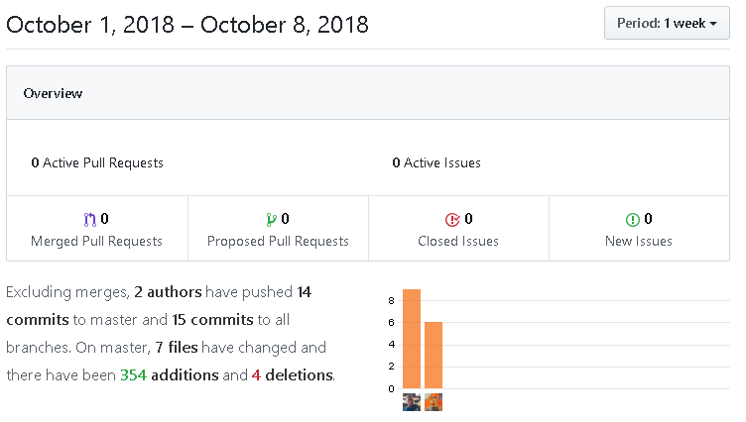
Sprint 1 | Oct 2 - Oct 9
# | item | Done | TA
1 | Create Repository | yes | Mitchell
2 | Add team members as Contributors | yes
3 | Connect all team members on Discord | yes | Team
4 | Configure Development environment with Junit and Maven | yes | Poe Kgengwenyane
5 | Create Test casses for basic game attributes |  | Dairo Emmanue
6 | Player test cases | yes | Talbot Matthew
7 | Table test cases | yes | Dallaire Jacob
8 | Frist Strategy test cases | yes
9 | Second Strategy test cases | yes
10 | Third Stategy Test cases | yes
11 | Player strategy test cases | no
12 | Deck class test cases | yes
13 | Tile class test cases | yes

