Sheet1
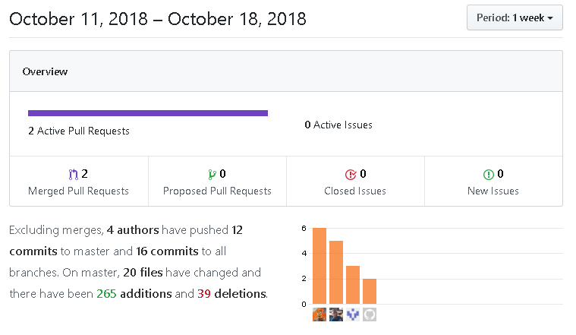
Sprint 2 | Oct 9 - Oct 18
# | item | Done | TA
1 | Create Repository | yes | Mitchell
2 | Add team members as Contributors | yes
3 | 2 meetings | yes | Team
4 | Create Game class | yes | Poe Kgengwenyane
5 | Update Strategy |  | Dairo Emmanue
6 | Player test cases updated | yes | Talbot Matthew
7 | Table test cases updated | yes | Dallaire Jacob
8 | Frist Strategy test cases | no
9 | Second Strategy test cases | no
10 | Third Stategy Test cases | no
11 | Player strategy test cases | no
12 | Deck class test cases | yes
13 | Tile class test cases | yes
14 | Create test cases for game logic | no
15 | Create test cases for player moves | no

