Sheet1
Sprint 2 | Oct 9 - Oct 18
# | item | Contributor | Done | TA
1 | Merged run with loop to cycle through the players properly | Talbot Matthew | yes | Mitchell
2 | Added Run and play functions to the game class | Talbot Matthew | yes
3 | Modified the Play function. | Talbot Matthew | yes | Team
4 | testing game loop: fail | Poe Kgengwenyane | yes | Poe Kgengwenyane
5 | testing game loop: pass | Poe Kgengwenyane | yes | Dairo Emmanuel
6 | update sprint report, fix errors in TestTable.java | Poe Kgengwenyane | yes | Talbot Matthew
7 | refactoring Table, Strategy extends Strategy, comments | Poe Kgengwenyane | yes | Dallaire Jacob
8 | strategy: is now an abstract class | Dairo Emmanuel | yes
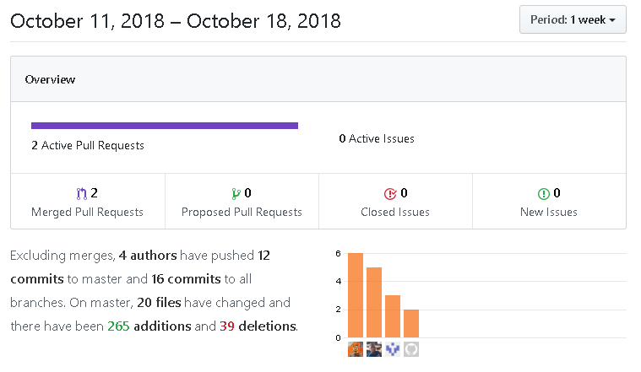
9 | color and value comparator:for sorting hand | Dairo Emmanuel | yes
10 | firststrategy:refactored the code | Dairo Emmanuel | yes
11 | Added test for player first30 flag | Dallaire Jacob | yes
12 | Added flag to player to determine if first 30 pts played | Dallaire Jacob | yes
13 | Re did data structure for melds as well as adding a new meld | Dallaire Jacob | yes
14 | Refactoring of stategy classes | Dallaire Jacob | yes
15 | Added tests for game input and player input. | Talbot Matthew | yes
16 | Created a game class that will handle the player playing the game against the ai | Talbot Matthew | yes
17 | eclipse javafx jar file | Poe Kgengwenyane | yes
18 | add shapes as collections and display on canvas | Poe Kgengwenyane | yes
19 | Resolved differences in master file | Poe Kgengwenyane | yes
20 | app: started game fuctionality | Dairo Emmanuel | yes
21 | table: created helper functions | Dairo Emmanuel | yes
22 | deck: created helper functions | Dairo Emmanuel | yes
23 | bug fix in table test | Poe Kgengwenyane | yes

 | TODO:
 | Integrate code to create single playable class

 | ISSUES:
 | Lots of code not preceded by relevant tests
 | Strategy class implementation not clear to group members - some clonflicts with Player class
 | Tough week with all those midterms!

