Pivot Tables
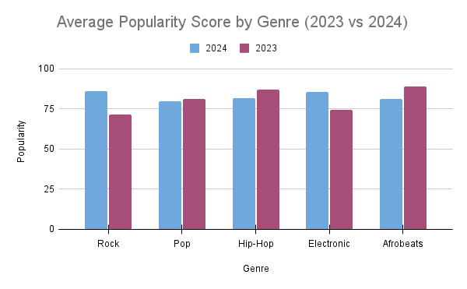
Overview by Genre

Trend over Time

Explicit vs Non-Explicit Streams

AVERAGE of Popularity_Score | Genre
Realese_Year | Rock | R&B | Pop | Latin | K-Pop | Indie | Hip-Hop | Electronic | Afrobeats
2024 | 86.25 | 74.666666667 | 80 | 71 | 79.5 | 78.111111111 | 81.5 | 85.6 | 81
2023 | 71.75 | 81.25 | 81.333333333 | 79 | 78.5 | 80.5 | 86.833333333 | 74.222222222 | 88.75

