Sheet2
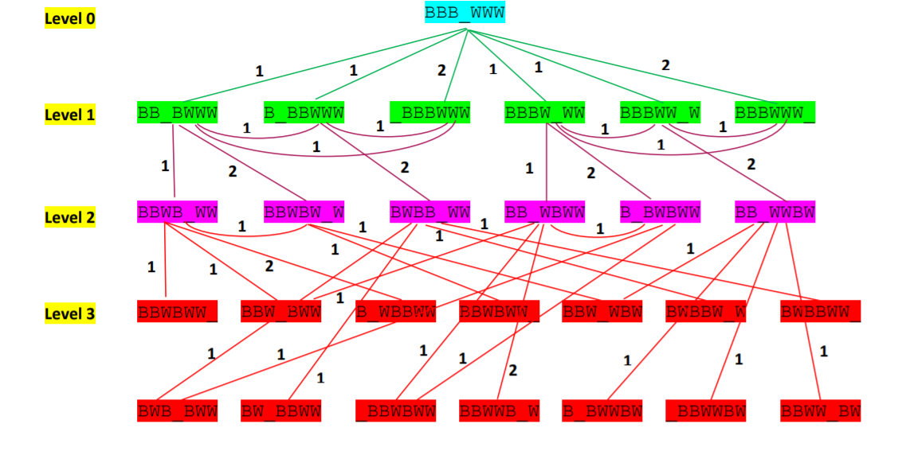
 |  |  | BBB_WWW

BB_BWWW | B_BBWWW | _BBBWWW |  | BBW_WW | BBBWW_W | BBBWWW_

BBWB_WW

