Analysis in a classroom
10-Dec-2018

 | This file presents the results of an analysis of the Bluetooth RSSI in function of the distance. The aim of this test is to determine if the power of the Bluetooth signal, represented by the RSSI, depends on the distance between the devices. To do this test, we connect a laptop and a smartphone by Bluetooth. Then we monitored the RSSI of the signal received by the laptop from the smartphone placed at different distances. This analysis was made in a classroom (CSH 214) of the INSA Campus (France).

 | We used a bash script (BL_RSSI_monitor.sh), running on a Mac OSX, to collect the value of the RSSI. This script saved in a .txt file (BL_RSSI_output.txt) the value of the RSSI of the signal received by the laptop from the smartphone. We moved the smartphone from 0m to (about) 8.4m, in increments of (about) 1.2m. The script collects 3 times the value of the RSSI for each distance. The .txt file resulting from the execution of the script, and the script are available on the Git directory "BL_Signal_Analysis".

 | This .txt is then analysed with a Python script (BL_RSSI_plot.py). This Python scipt calculates the mean of the 3 values of the RSSI collected for each distance. Then, it plots the RSSI in function of the distance laptop-smartphone. The figure below shows this resulting plot.

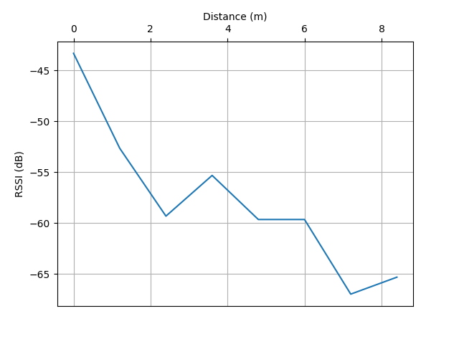

 |  | x

 | => Conclusion: This graph shows that farther the smartphone is from the laptop, the weaker ithe signal. But we can see that sometimes, this relation is not respected, for example at 2.4m the signal is weaker than at 3.6m. This might be due to interference from other signals present in the room or to the impact of the "physical environment" like human bodies, tables, chairs, etc. which can distort the propgation of the Bluetooth signal.

