Overview
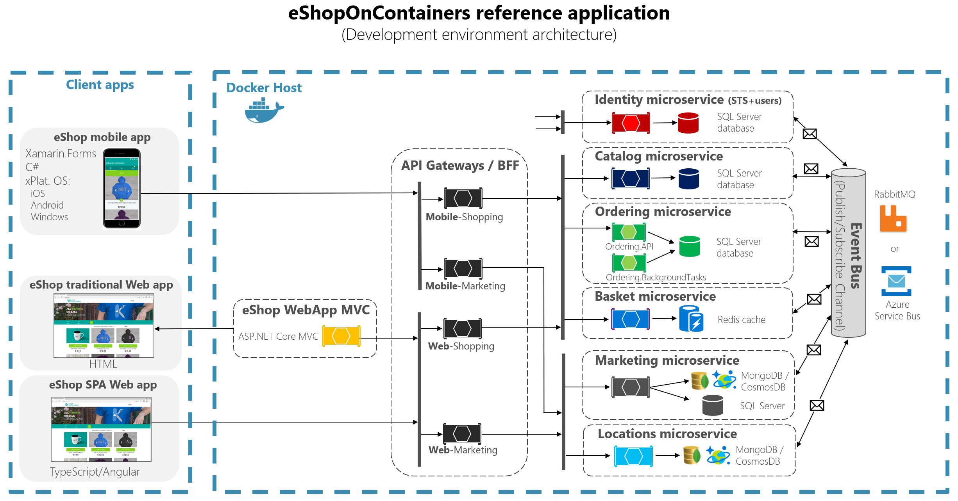

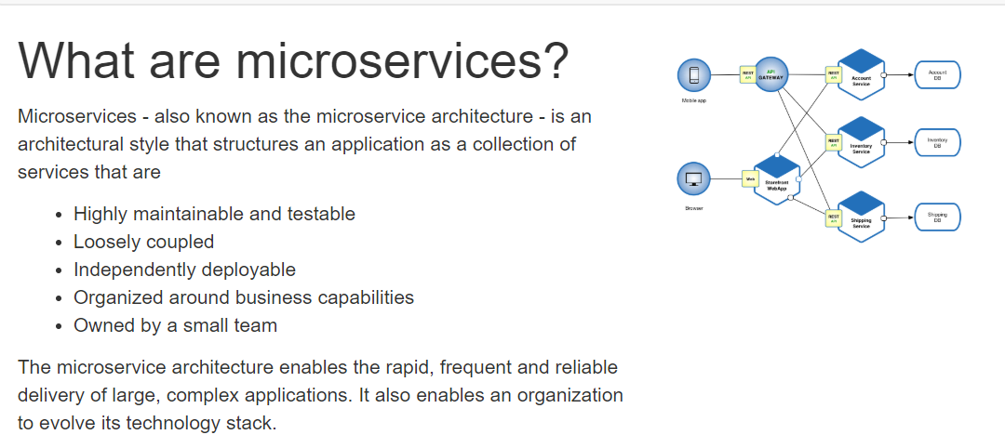

Building Blocks
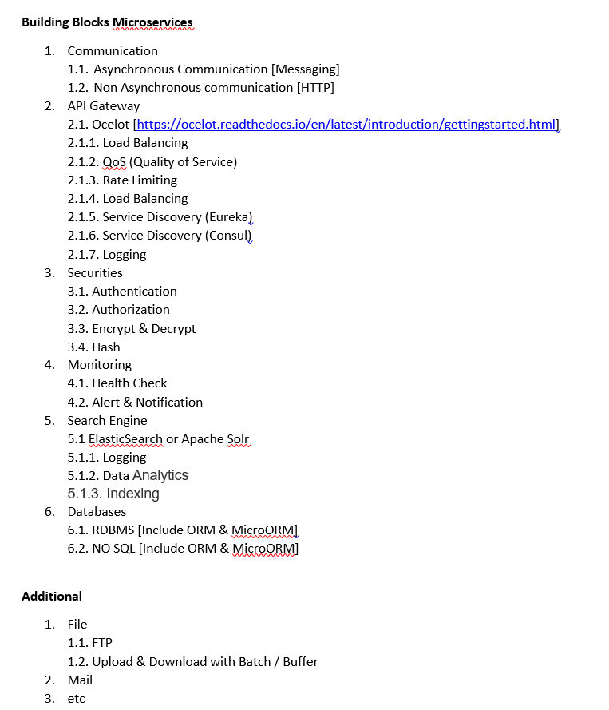
Task
Communication | Gateway | Securities | Monitoring | Search Engine | Databases | Additional
Kafka | Ocelot | Oath 2.0 | Alert & Notification | ElasticSearch | Sql | Upload File
Rabbit Mq |  |  | All Service must Ready | Indexing Full Text | MongoDb | Download File
 |  |  | Notif If Service Down / fail | Logging | MySql | Batch
 |  |  | Data Analys |  | Postgree | Mail
 |  |  | Logging |  | Cassandra | Chat
 |  |  |  |  | Hadoop

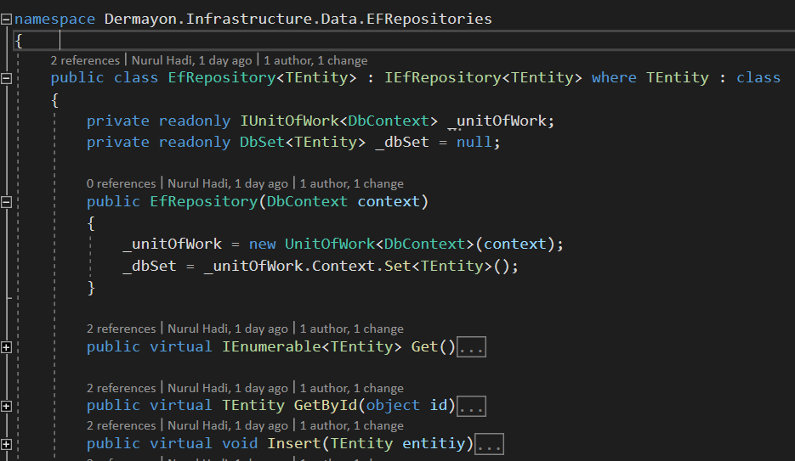 Create an generic / core function for supporting build an microservices in .net application, make it composable, readable, clean code, reuseable. example : user just use this generic repositories for CRUD, just insert context and model

Legend
Done

Communication
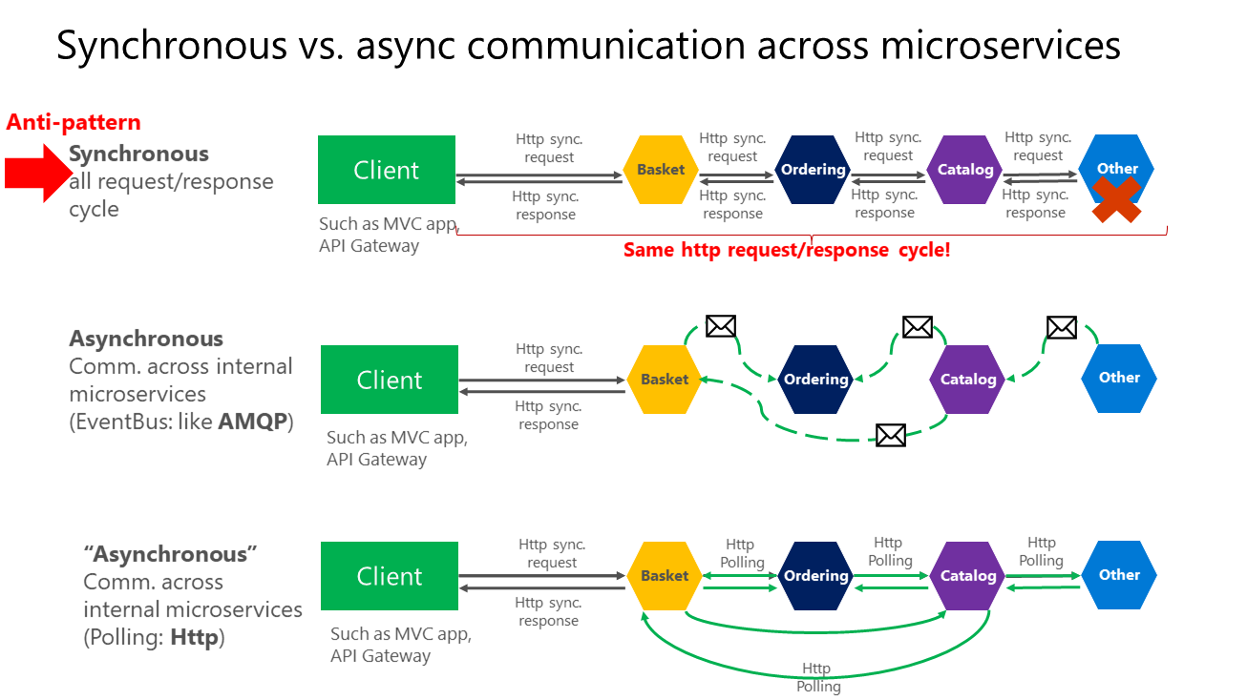

API Gateway
