IRS Changes
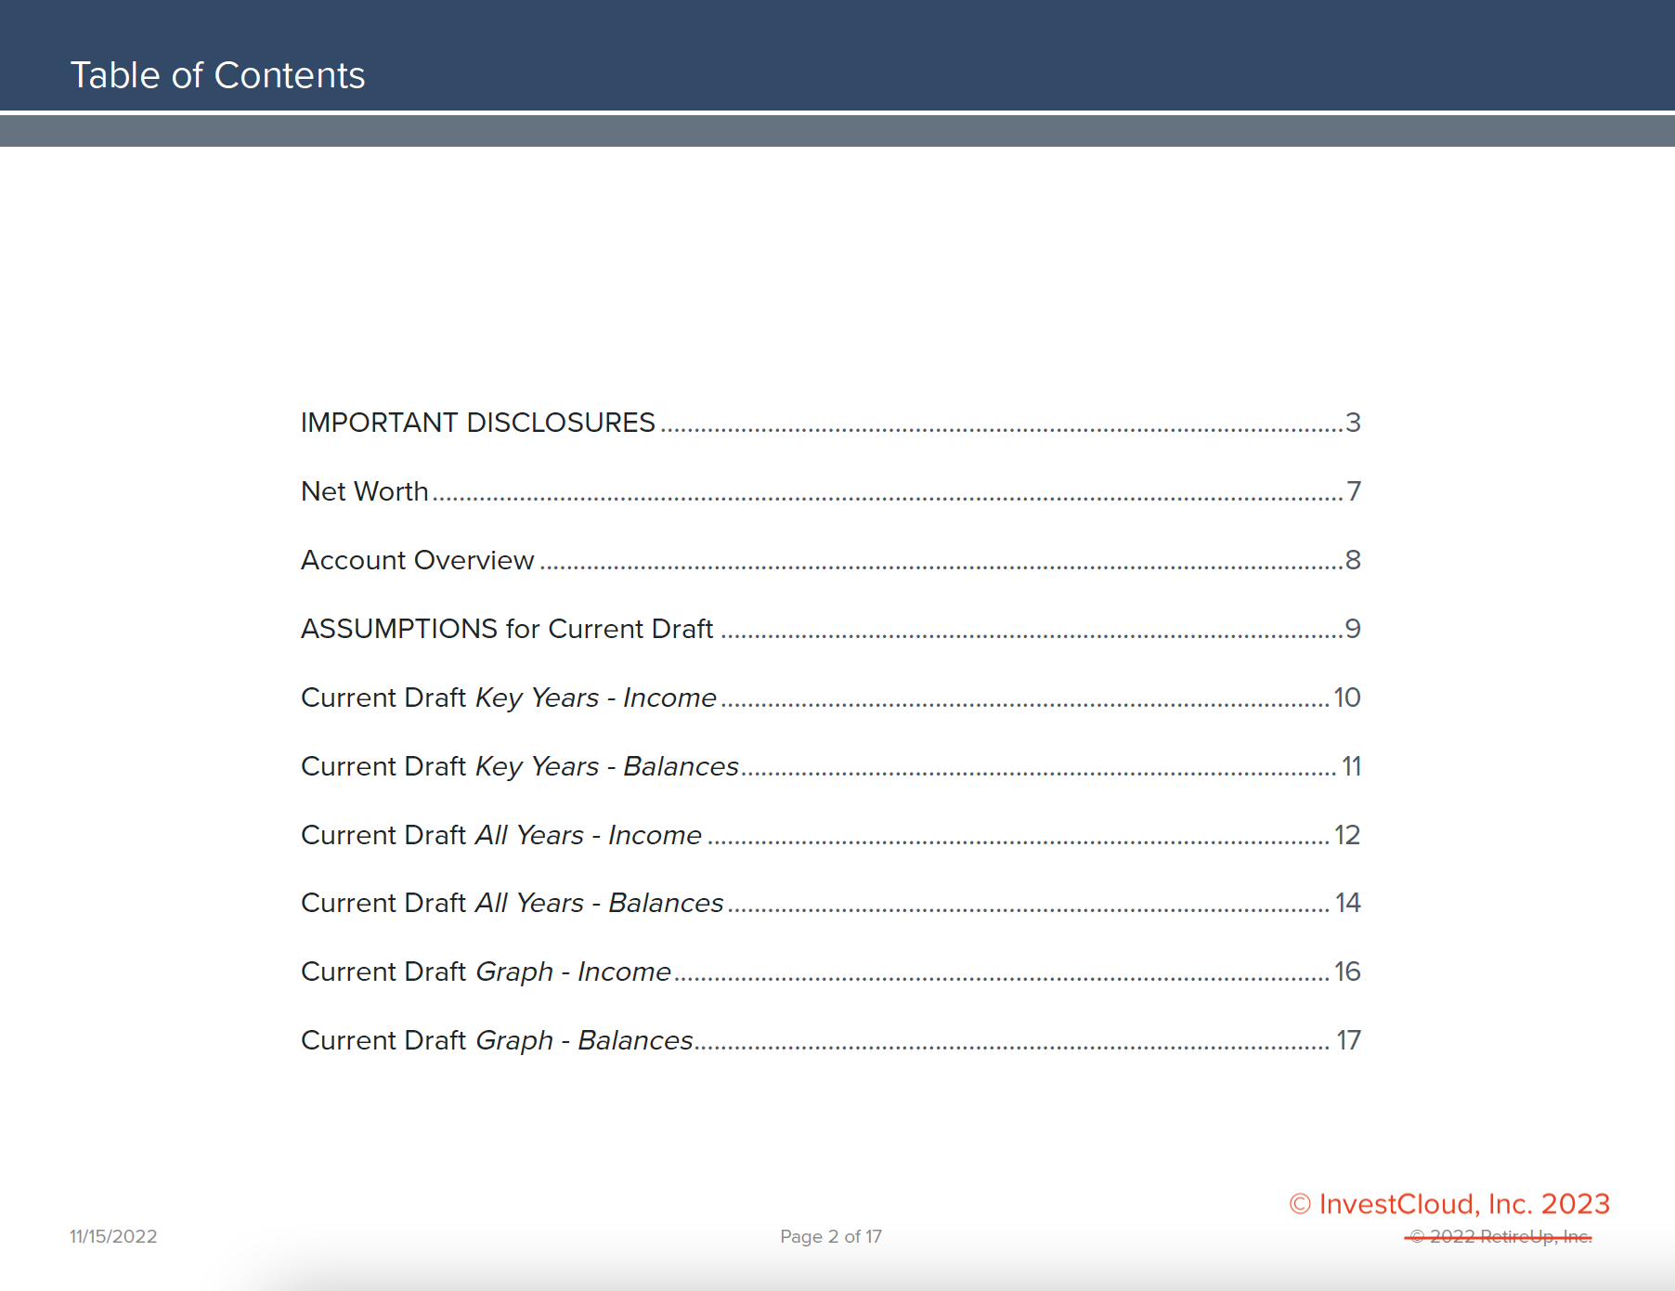
IRS Changes |  | Color Code: | No Update | New Value
 |  |  |  |  |  | Required Minimum Distribution Table
Retirement Plans |  |  | 2021 | 2022 | 2023 | Age | 2022 | 2023
 | Elective deferrals 401(k), 403(b), 457, and SARSEPs |  | $19,500 | $20,500 | $22,500 | 72 | 27.4 | - | SECURE 2.0 Act
 | Catch-up Contribution Age 50+ |  | $6,500 | $6,500 | $7,500 | 73 | 26.5 | 26.5
 | Defined Contribution 401k, etc. (Emplyee&Emplyor) |  | $58,000 | $61,000 | $66,000 | 74 | 25.5 | 25.5
 | SIMPLE plan |  | $13,500 | $14,000 | $15,500 | 75 | 24.6 | 24.6
 | SIMPLE plan Catch-up Contribution Age 50+ |  | $3,000 | $3,000 | $3,500 | 76 | 23.7 | 23.7
 | IRA or Roth IRA contribution limit |  | $6,000 | $6,000 | $6,500 | 77 | 22.9 | 22.9
 | IRA or Roth IRA catch-up Age 50+ |  | $1,000 | $1,000 | $1,000 | 78 | 22 | 22
HSA |  |  |  |  |  | 79 | 21.1 | 21.1
 |  |  |  |  |  | 80 | 20.2 | 20.2
 | Minimum Deductible Amount |  |  |  |  | 81 | 19.4 | 19.4
 | Single |  | $3,600 | $3,650 | $3,850 | 82 | 18.5 | 18.5
 | Family |  | $7,200 | $7,300 | $7,750 | 83 | 17.7 | 17.7
 | Catch-up Contribution Age 55+ |  | $1,000 | $1,000 | $1,000 | 84 | 16.8 | 16.8
Tax Tables |  |  |  |  |  | 85 | 16 | 16
 |  | Rate | 2021 | 2022 | 2023 | 86 | 15.2 | 15.2
 | Single | 10% | $9,950 | $10,275 | $11,000 | 87 | 14.4 | 14.4
 |  | 12% | $40,525 | $41,775 | $44,725 | 88 | 13.7 | 13.7
 |  | 22% | $86,375 | $89,075 | $95,375 | 89 | 12.9 | 12.9
 |  | 24% | $164,925 | $170,050 | $182,100 | 90 | 12.2 | 12.2
 |  | 32% | $209,425 | $215,950 | $231,250 | 91 | 11.5 | 11.5
 |  | 35% | $523,600 | $539,900 | $578,125 | 92 | 10.8 | 10.8
 |  | 37% |  |  |  | 93 | 10.1 | 10.1
 |  |  |  |  |  | 94 | 9.5 | 9.5
 | Married Filing Jointly | 10% | $19,900 | $20,550 | $22,000 | 95 | 8.9 | 8.9
 |  | 12% | $81,050 | $83,550 | $89,450 | 96 | 8.4 | 8.4
 |  | 22% | $172,750 | $178,150 | $190,750 | 97 | 7.8 | 7.8
 |  | 24% | $329,850 | $340,100 | $364,200 | 98 | 7.3 | 7.3
 |  | 32% | $418,850 | $431,900 | $462,500 | 99 | 6.8 | 6.8
 |  | 35% | $628,300 | $647,850 | $693,750 | 100 | 6.4 | 6.4
 |  | 37% |  |  |  | 101 | 6 | 6
Standard Deduction |  |  |  |  |  | 102 | 5.6 | 5.6
 |  |  |  |  |  | 103 | 5.2 | 5.2
 | Single |  | $12,550 | $12,950 | 13,850 | 104 | 4.9 | 4.9
 | MFJ |  | $25,100 | $25,900 | 27700 | 105 | 4.6 | 4.6
Estate and Gift Tax |  |  |  |  |  | 106 | 4.3 | 4.3
 |  |  |  |  |  | 107 | 4.1 | 4.1
 | Annual gift tax exclusion |  | $15,000 | $16,000 | $17,000 | 108 | 3.9 | 3.9
 | Estate and gift tax basic exclusion |  | $11,700,000 | $12,060,000 | $12,920,000 | 109 | 3.7 | 3.7
 | Generation skipping exemption |  | $11,700,000 | $12,060,800 | $12,920,000 | 110 | 3.5 | 3.5
 | Maximum estate tax rate |  | 40% | 40% | 40% | 111 | 3.4 | 3.4
Capital Gains Tax |  |  |  |  |  | 112 | 3.3 | 3.3
 |  |  |  |  |  | 113 | 3.1 | 3.1
 | Single | 0% | 40400 | 41675 | 44625 | 114 | 3 | 3
 |  | 15% | 445,850 | 459750 | 492300 | 115 | 2.9 | 2.9
 |  | 20% |  |  |  | 116 | 2.8 | 2.8
 |  |  |  |  |  | 117 | 2.7 | 2.7
 | MFJ | 0% | 80800 | 83350 | 89250 | 118 | 2.5 | 2.5
 |  | 15% | 501600 | 517200 | 553850 | 119 | 2.3 | 2.3
 |  | 20% |  |  |  | 120 | 2 | 2
 |  |  |  |  |  | 121 | 2 | 2
PDF Disclosure Changes |  |  |  |  |  | 122 | 2 | 2
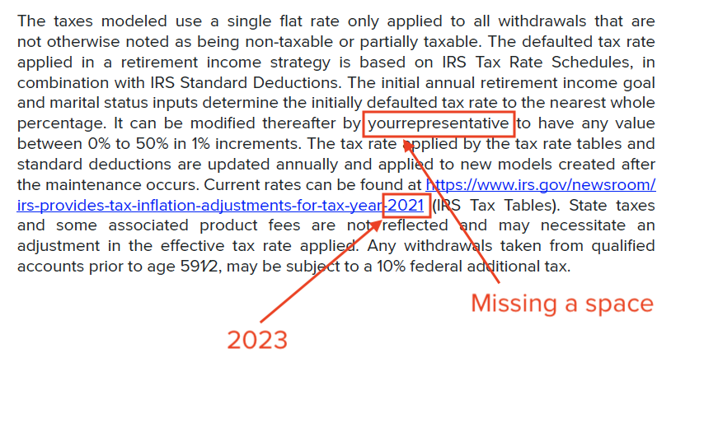
 |  |  |  |  |  | https://www.irs.gov/pub/irs-tege/uniform_rmd_wksht.pdf

