Charts
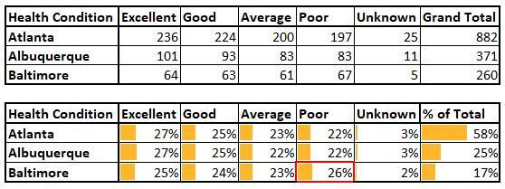
Health Conditions (Yearly Trend)
 | Albuquerque | Atlanta | Baltimore
2019 | 42 | 138 | 31
2020 | 89 | 182 | 57
2021 | 76 | 167 | 49
2022 | 70 | 167 | 54
2023 | 61 | 161 | 52
2024 | 33 | 67 | 17
Health Conditions (Monthly Trend)
 | Albuquerque | Atlanta | Baltimore
Jan | 36 | 86 | 18
Feb | 23 | 71 | 26
Mar | 29 | 76 | 26
Apr | 16 | 58 | 16
May | 36 | 87 | 14
Jun | 31 | 62 | 24
Jul | 38 | 67 | 23
Aug | 36 | 87 | 21
Sep | 29 | 89 | 18
Oct | 26 | 73 | 25
Nov | 36 | 55 | 20
Dec | 35 | 71 | 29

Report
