Sheet1
S.No | issues in the Features
1 | we need to add the delete option for the feature based on the roles we do further | implemented need to fix by super admin
2 | after creating the featute no oppup and edit popup | done by nag
3 | no edit option for the feature which we created because we have differ role
4 | add feature we neeed to add the validation | done by nag
5 | feature table add column feature status (active / inactive) | done by nag
6 | seach bar need to fecth the names from the first letter features and geo featues both | done by nag

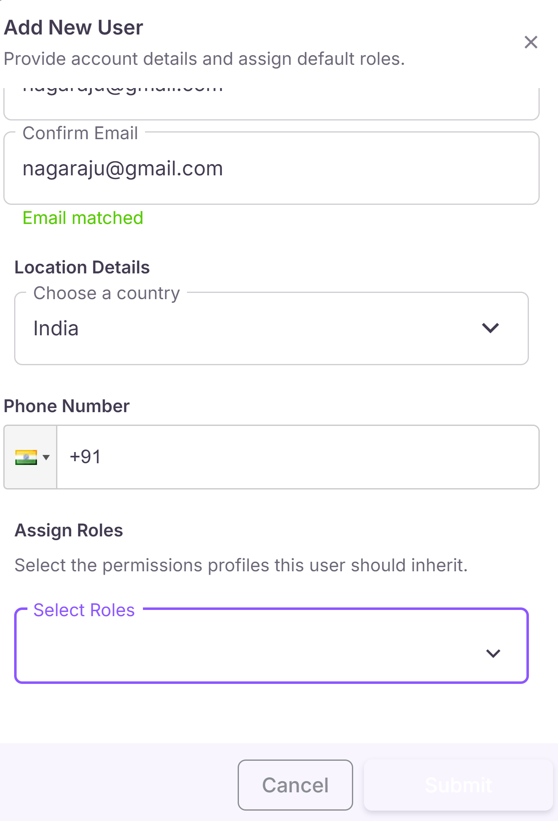
S.No | issues in the manage roles and the user role
1 | add edit popup needed | done by nag
2 | edit can be done by the super admin (need to change the role accesss)
3 | role name need to mandatory field when we create the role without data and permissions
4 | edit option is not working for the users in the role | done by nag
5 | total popup issues in the users editing time | done by nag |  | super user role
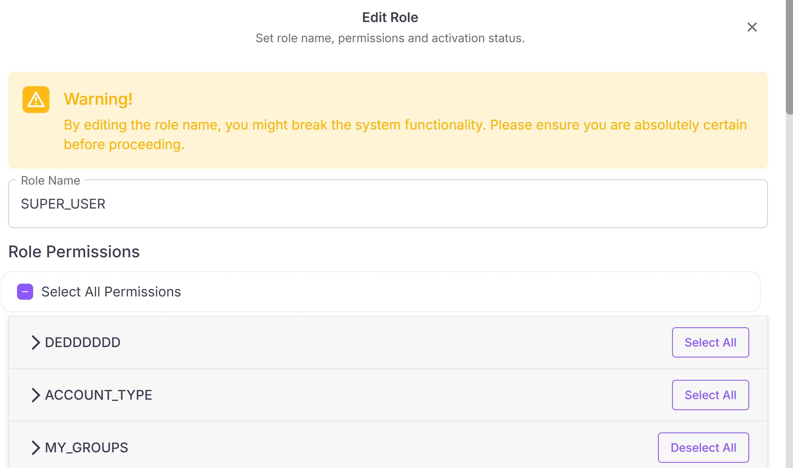
6 | same role duplication is allowing we need to resolve that

S.No | issues in the manage_Users
1 | phone number and the select roles are mandatory fields with the popup
2 | mobile number validation after integration
3 | neeed to remove the transition effect | done by nag
4 | after edit the popup need to be like status updated

S.No | RBAC
1 | In the users we needto keep the user is the mandatory role when he is editing? No option to remove the user?

S.No | Super Amin role
1 | super Admin permissions are edited and we need to show the popup

S.No | Users Sponsorship
1 | selecting some country and getting mobile number as the indian
2 | without selectingthe quiz, email and the mobile number are excedeing the count in the sponsorship quizzespage |  |  | submit sponsorship got error
3 | without selecting the quiz tha amount need to add in the general as a new field amount |  | selecting some country and getting mobile number as the indian
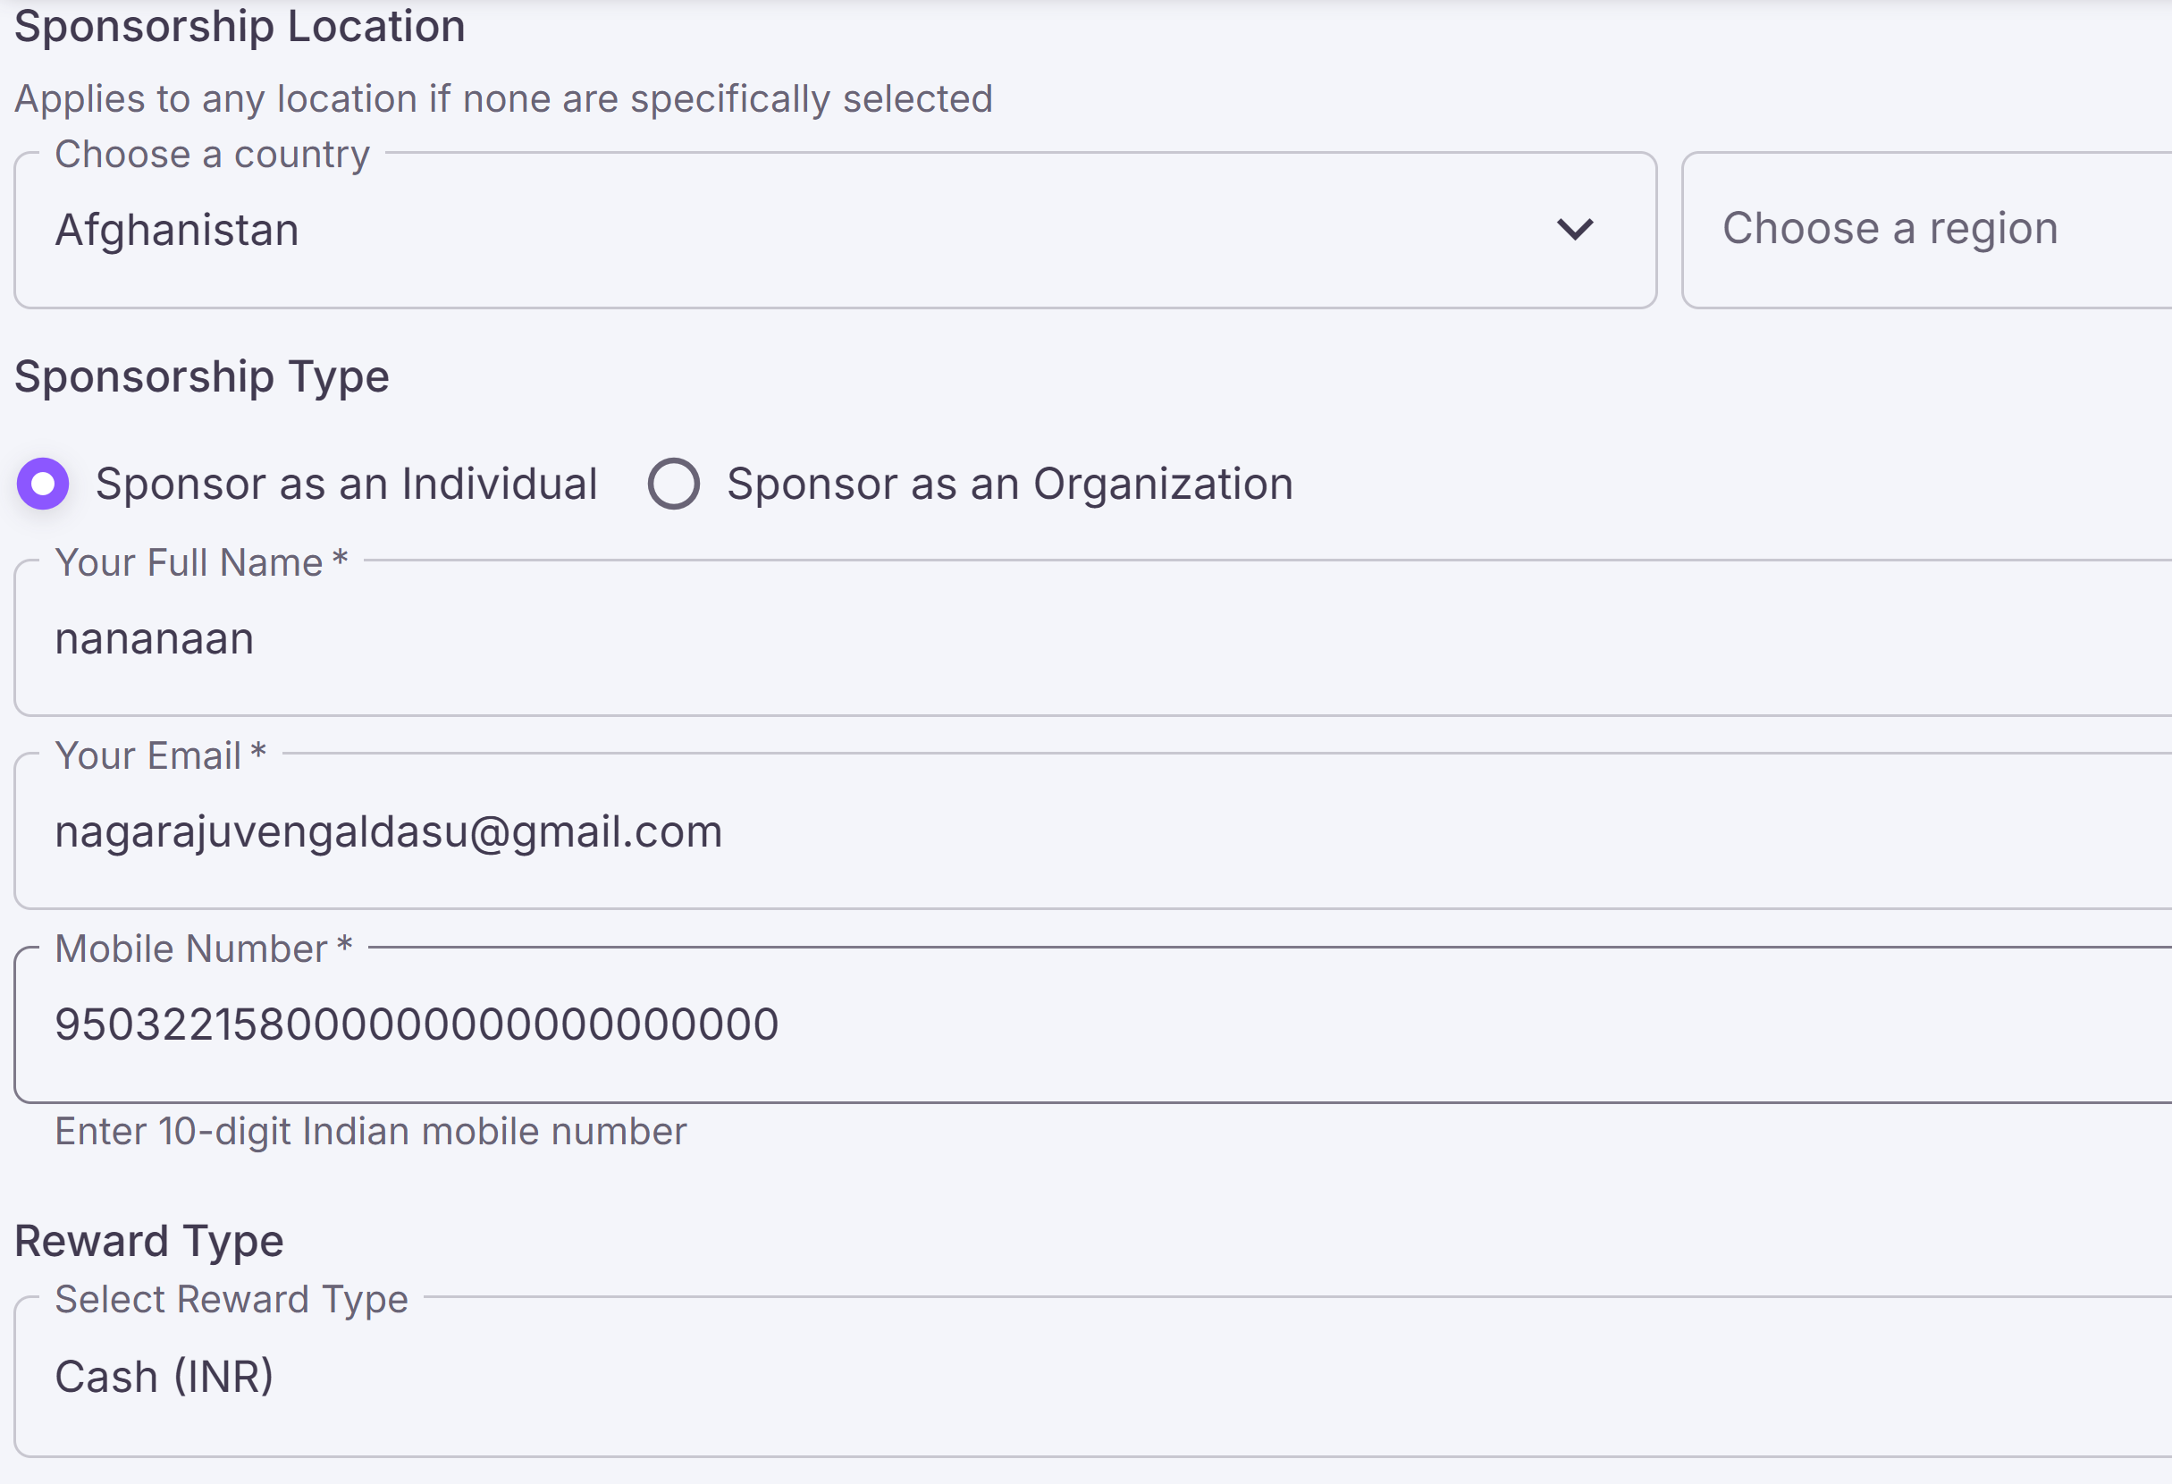
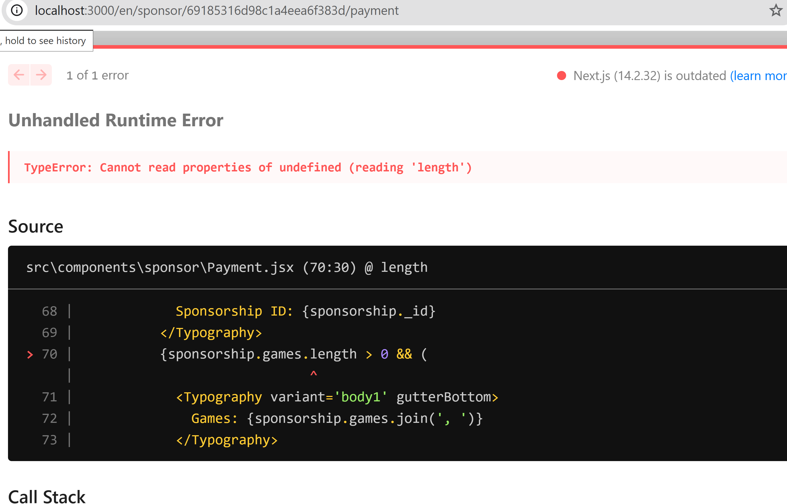

S.No | Create Games
1 | the videso links which we are uploading in the game need to take youtube or any videos search for any api exist? For validatingthe url to esist the videos mandatory
2 | while adding the reward when the reward amount is greater then the sponsors amount we need the text message that need more amount(need sponsors) insufficnt fund to game reward
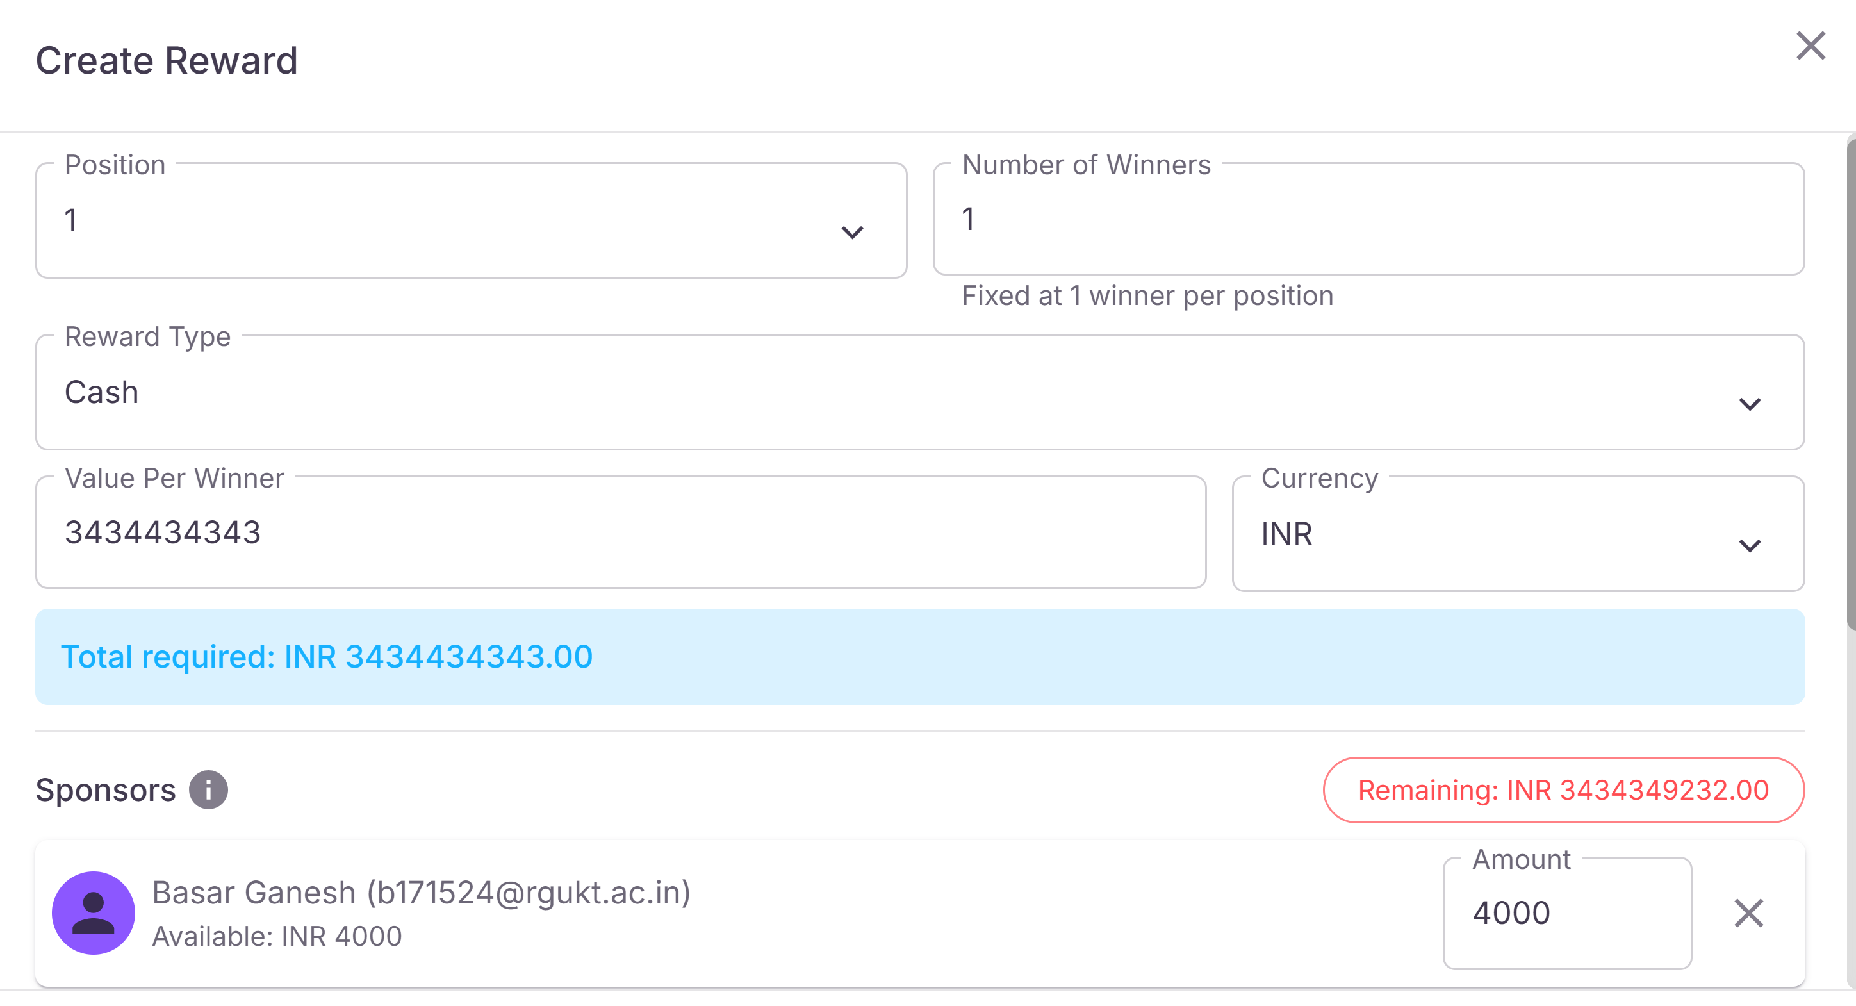
3

