README - How To
 | How to:
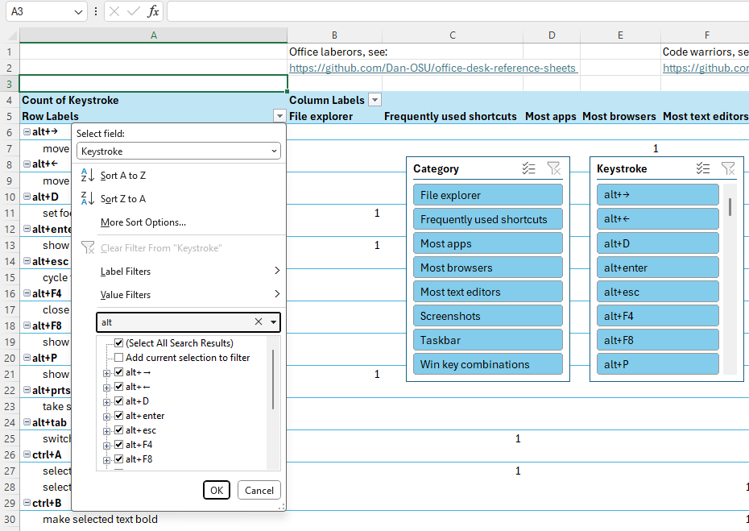

 |  |  |  |  |  | On any given sheet (tab at the bottom), you can click the down arrow in the first column, which is usually they keystroke column. Then in the second search field from that, one with another down arrow, you can either start typing what you think it is that you're searching for.

 |  |  |  |  |  | You can also click on any of the filter buttons from the included slicers. These are usually the category and keystroke columns, pulled from the sister sheet for each that houses the actual data.

 |  |  |  |  |  | The other columns on the right and the
 |  |  |  |  |  | accompanying 1's don't serve too much
 |  |  |  |  |  | of a purpose until you start filtering,
 |  |  |  |  |  | then you can see which category your
 |  |  |  |  |  | command / description fall under.

 |  | Usually the description for each keystroke.
 |  |  | Right click on any "worksheet" on the bottom if you'd like to reveal hidden sheets.
The keyboard shortcut that |  |  | This is where you can find the actual data for the pivot tables and slicers. |  |  |  | Click the "…" to reveal the rest
you're probably looking for. |  |  |  | There are also some hidden Easter eggs in there for the |  |  | of the sheets that are basically
 |  |  |  |  | programmer homies. |  | just tabs.

