PLATE_1
Date: | Sep. 29, 2022
Project: | Biobank
Rack ID: | StickleBackFish Fin Extraction_PLATE1
Quantification Protocol: | Picogreen

Extraction Information: | Done on Perkin Elmer Chemagic MSM
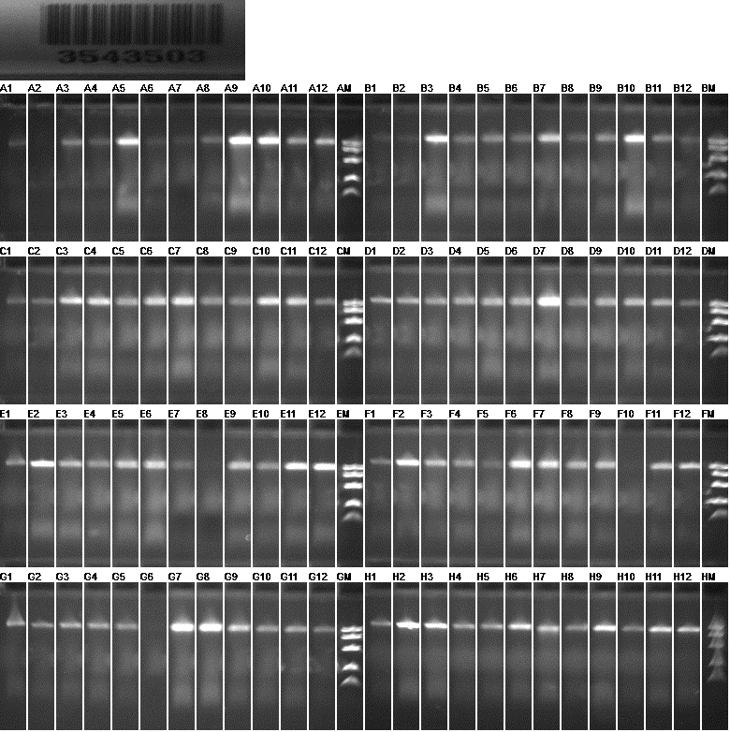
Fig.1: Electrophoresis of Sticklebackfish Fin clip Extraction Trial Plate 1

Sample ID | Extraction Position | Picogreen Conc. (ng/µl) | Volume (µl) | DF | Final conc. (ng/µl) | Yield (µg) | Comments
SR_S180668 | A01 | 11.8 | 150 | 1 | 11.8 | 1.8
SR_S180674 | A02 | 0.1 | 150 | 1 | 0.1 | 0.0 | No Appearance of Tissue in the well
SR_S180688 | A03 | 16.2 | 150 | 1 | 16.2 | 2.4
SR_S180673 | A04 | 7.7 | 150 | 1 | 7.7 | 1.2
SR_S180681 | A05 | 36.8 | 150 | 1 | 36.8 | 5.5
SR_S180672 | A06 | 5.6 | 150 | 1 | 5.6 | 0.8
SR_S180687 | A07 | 3.8 | 150 | 1 | 3.8 | 0.6
TN_S180544 | A08 | 7.9 | 150 | 1 | 7.9 | 1.2
TN_S180542 | A09 | 37.8 | 150 | 1 | 37.8 | 5.7
TN_S180541 | A10 | 31.1 | 150 | 1 | 31.1 | 4.7
TN_S180538 | A11 | 20.1 | 150 | 1 | 20.1 | 3.0
TN_S180531 | A12 | 32.1 | 150 | 1 | 32.1 | 4.8
TN_S180522 | B01 | 4.7 | 150 | 1 | 4.7 | 0.7
TN_S180543 | B02 | 2.4 | 150 | 1 | 2.4 | 0.4
TN_S180537 | B03 | 23.9 | 150 | 1 | 23.9 | 3.6
TN_S180534 | B04 | 7.8 | 150 | 1 | 7.8 | 1.2
TN_S180535 | B05 | 9.6 | 150 | 1 | 9.6 | 1.4
TN_S180521 | B06 | 6.3 | 150 | 1 | 6.3 | 0.9
TN_S180532 | B07 | 15.1 | 150 | 1 | 15.1 | 2.3
TN_S180523 | B08 | 5.4 | 150 | 1 | 5.4 | 0.8
TN_S180533 | B09 | 10.0 | 150 | 1 | 10.0 | 1.5
TN_S180536 | B10 | 31.8 | 150 | 1 | 31.8 | 4.8
TN_S180540 | B11 | 14.1 | 150 | 1 | 14.1 | 2.1
WK_S180619 | B12 | 10.9 | 150 | 1 | 10.9 | 1.6
WK_S180639 | C01 | 11.4 | 150 | 1 | 11.4 | 1.7
WK_S180622 | C02 | 7.3 | 150 | 1 | 7.3 | 1.1
WK_S180612 | C03 | 19.5 | 150 | 1 | 19.5 | 2.9
WK_S180611 | C04 | 14.7 | 150 | 1 | 14.7 | 2.2
WK_S180617 | C05 | 11.6 | 150 | 1 | 11.6 | 1.7
WK_S180614 | C06 | 14.5 | 150 | 1 | 14.5 | 2.2
WK_S180618 | C07 | 22.8 | 150 | 1 | 22.8 | 3.4
WK_S180641 | C08 | 10.4 | 150 | 1 | 10.4 | 1.6
WK_S180613 | C09 | 9.8 | 150 | 1 | 9.8 | 1.5
WK_S180640 | C10 | 20.4 | 150 | 1 | 20.4 | 3.1
WK_S180620 | C11 | 23.6 | 150 | 1 | 23.6 | 3.5
WK_S180615 | C12 | 5.7 | 150 | 1 | 5.7 | 0.9
WK_S180616 | D01 | 10.8 | 150 | 1 | 10.8 | 1.6
WK_S180644 | D02 | 9.6 | 150 | 1 | 9.6 | 1.4
WK_S180636 | D03 | 8.8 | 150 | 1 | 8.8 | 1.3
WK_S180621 | D04 | 13.2 | 150 | 1 | 13.2 | 2.0
WK_S180635 | D05 | 14.3 | 150 | 1 | 14.3 | 2.1
WK_S180637 | D06 | 13.4 | 150 | 1 | 13.4 | 2.0
WK_S180642 | D07 | 30.4 | 150 | 1 | 30.4 | 4.6
WK_S180638 | D08 | 8.6 | 150 | 1 | 8.6 | 1.3
WK_S180610 | D09 | 13.3 | 150 | 1 | 13.3 | 2.0
WK_S180608 | D10 | 13.3 | 150 | 1 | 13.3 | 2.0
WK_S180609 | D11 | 14.2 | 150 | 1 | 14.2 | 2.1
WK_S180643 | D12 | 8.1 | 150 | 1 | 8.1 | 1.2
WT_S180342 | E01 | 15.8 | 150 | 1 | 15.8 | 2.4
WT_S180411 | E02 | 22.4 | 150 | 1 | 22.4 | 3.4
WT_S180435 | E03 | 13.5 | 150 | 1 | 13.5 | 2.0
WT_S180432 | E04 | 8.9 | 150 | 1 | 8.9 | 1.3
WT_S180448 | E05 | 14.7 | 150 | 1 | 14.7 | 2.2
WT_S180431 | E06 | 17.4 | 150 | 1 | 17.4 | 2.6
WT_S180421 | E07 | 5.8 | 150 | 1 | 5.8 | 0.9
WT_S180423 | E08 | 0.1 | 150 | 1 | 0.1 | 0.0
WT_S180424 | E09 | 13.9 | 150 | 1 | 13.9 | 2.1
WT_S180446 | E10 | 9.5 | 150 | 1 | 9.5 | 1.4
WT_S180450 | E11 | 21.5 | 150 | 1 | 21.5 | 3.2
WT_S180345 | E12 | 25.0 | 150 | 1 | 25.0 | 3.7
WT_S180346 | F01 | 6.3 | 150 | 1 | 6.3 | 0.9
WT_S180417 | F02 | 23.3 | 150 | 1 | 23.3 | 3.5
WT_S180433 | F03 | 14.2 | 150 | 1 | 14.2 | 2.1
WT_S180344 | F04 | 8.9 | 150 | 1 | 8.9 | 1.3
WT_S180442 | F05 | 4.7 | 150 | 1 | 4.7 | 0.7
WT_S180444 | F06 | 17.2 | 150 | 1 | 17.2 | 2.6
WT_S180425 | F07 | 17.4 | 150 | 1 | 17.4 | 2.6
WT_S180426 | F08 | 10.8 | 150 | 1 | 10.8 | 1.6
WT_S180343 | F09 | 17.0 | 150 | 1 | 17.0 | 2.5
WT_S180420 | F10 | 0.1 | 150 | 1 | 0.1 | 0.0
WT_S180416 | F11 | 16.7 | 150 | 1 | 16.7 | 2.5
WT_S180415 | F12 | 20.1 | 150 | 1 | 20.1 | 3.0
WT_S180430 | G01 | 19.4 | 150 | 1 | 19.4 | 2.9
WT_S180429 | G02 | 8.1 | 150 | 1 | 8.1 | 1.2
WT_S180347 | G03 | 11.1 | 150 | 1 | 11.1 | 1.7
WT_S180443 | G04 | 12.6 | 150 | 1 | 12.6 | 1.9
SL_S180556 | G05 | 8.4 | 150 | 1 | 8.4 | 1.3
SL_S180590 | G06 | 0.1 | 150 | 1 | 0.1 | 0.0
SL_S180557 | G07 | 27.0 | 150 | 1 | 27.0 | 4.0
SL_S180560 | G08 | 26.0 | 150 | 1 | 26.0 | 3.9
SL_S180562 | G09 | 17.3 | 150 | 1 | 17.3 | 2.6
SL_S180586 | G10 | 12.3 | 150 | 1 | 12.3 | 1.8
SL_S180583 | G11 | 14.4 | 150 | 1 | 14.4 | 2.2
SL_S180561 | G12 | 9.9 | 150 | 1 | 9.9 | 1.5
SL_S180582 | H01 | 9.1 | 150 | 1 | 9.1 | 1.4
SL_S180577 | H02 | 25.8 | 150 | 1 | 25.8 | 3.9
SL_S180563 | H03 | 20.6 | 150 | 1 | 20.6 | 3.1
SL_S180559 | H04 | 9.8 | 150 | 1 | 9.8 | 1.5
SL_S180584 | H05 | 10.1 | 150 | 1 | 10.1 | 1.5
SL_S180558 | H06 | 16.0 | 150 | 1 | 16.0 | 2.4
SL_S180569 | H07 | 16.5 | 150 | 1 | 16.5 | 2.5
SL_S180564 | H08 | 7.8 | 150 | 1 | 7.8 | 1.2
SL_S180588 | H09 | 21.6 | 150 | 1 | 21.6 | 3.2
SL_S180585 | H10 | 9.3 | 150 | 1 | 9.3 | 1.4
SL_S180581 | H11 | 26.3 | 150 | 1 | 26.3 | 3.9
SL_S180555 | H12 | 11.0 | 150 | 1 | 11.0 | 1.7
 |  |  |  | Average | 14.2 | 2.1
 |  |  |  | Std. dev | 8.0 | 1.2
 |  |  |  | Min | 0.1 | 0.0
 |  |  |  | Max | 37.8 | 5.7

PLATE_2
Date: | Oct. 07, 2022
Project: | Biobank
Rack ID: | StickleBackFish Fin Extraction_PLATE2
Quantification Protocol: | Picogreen

Extraction Information: | Done on Perkin Elmer Chemagic MSM

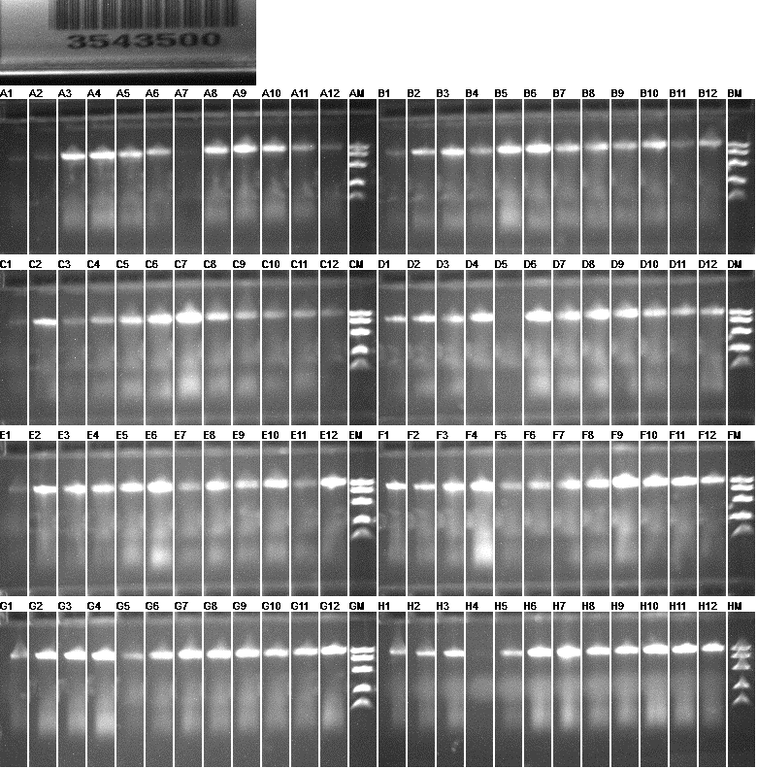
Fig.2: Electrophoresis of Sticklebackfish Fin clip Extraction Trial Plate 2
Sample ID | Extraction Position | Picogreen Conc. (ng/µl) | Volume (µl) | DF | Final conc. (ng/µl) | Yield (µg) | Comments
SL_S180571 | A01 | 8.1 | 100 | 1 | 8.1 | 0.8
SL_S180574 | A02 | 7.5 | 100 | 1 | 7.5 | 0.7
SL_S180570 | A03 | 54.0 | 100 | 1 | 54.0 | 5.4
SL_S180566 | A04 | 66.9 | 100 | 1 | 66.9 | 6.7
SL_S180567 | A05 | 36.9 | 100 | 1 | 36.9 | 3.7
SL_S180573 | A06 | 17.9 | 100 | 1 | 17.9 | 1.8
SL_S180565 | A07 | 1.1 | 100 | 1 | 1.1 | 0.1
SL_S180568 | A08 | 32.0 | 100 | 1 | 32.0 | 3.2
SL_S180572 | A09 | 33.7 | 100 | 1 | 33.7 | 3.4
WB_S180917 | A10 | 32.3 | 100 | 1 | 32.3 | 3.2
WB_S180769 | A11 | 25.2 | 100 | 1 | 25.2 | 2.5
WB_S180925 | A12 | 12.2 | 100 | 1 | 12.2 | 1.2
WB_S180776 | B01 | 8.6 | 100 | 1 | 8.6 | 0.9
WB_S180920 | B02 | 23.1 | 100 | 1 | 23.1 | 2.3
WB_S180919 | B03 | 30.6 | 100 | 1 | 30.6 | 3.1
WB_S180913 | B04 | 13.0 | 100 | 1 | 13.0 | 1.3
WB_S180763 | B05 | 31.3 | 100 | 1 | 31.3 | 3.1
WB_S180928 | B06 | 36.7 | 100 | 1 | 36.7 | 3.7
WB_S180918 | B07 | 16.6 | 100 | 1 | 16.6 | 1.7
WB_S180765 | B08 | 25.7 | 100 | 1 | 25.7 | 2.6
WB_S180767 | B09 | 17.9 | 100 | 1 | 17.9 | 1.8
WB_S180929 | B10 | 28.4 | 100 | 1 | 28.4 | 2.8
WB_S180915 | B11 | 11.3 | 100 | 1 | 11.3 | 1.1
WB_S180924 | B12 | 36.0 | 100 | 1 | 36.0 | 3.6
WB_S180916 | C01 | 7.8 | 100 | 1 | 7.8 | 0.8
WB_S180930 | C02 | 25.9 | 100 | 1 | 25.9 | 2.6
WB_S180921 | C03 | 8.2 | 100 | 1 | 8.2 | 0.8
WB_S180914 | C04 | 12.4 | 100 | 1 | 12.4 | 1.2
WB_S180766 | C05 | 23.8 | 100 | 1 | 23.8 | 2.4
WB_S180747 | C06 | 34.8 | 100 | 1 | 34.8 | 3.5
WB_S180904 | C07 | 43.4 | 100 | 1 | 43.4 | 4.3
WB_S180922 | C08 | 21.8 | 100 | 1 | 21.8 | 2.2
WB_S180901 | C09 | 29.9 | 100 | 1 | 29.9 | 3.0
WB_S180926 | C10 | 11.0 | 100 | 1 | 11.0 | 1.1
WB_S180770 | C11 | 14.3 | 100 | 1 | 14.3 | 1.4
WB_S180762 | C12 | 9.8 | 100 | 1 | 9.8 | 1.0
WB_S180908 | D01 | 16.5 | 100 | 1 | 16.5 | 1.7
WB_S180905 | D02 | 20.5 | 100 | 1 | 20.5 | 2.0
FG_S180779 | D03 | 18.4 | 100 | 1 | 18.4 | 1.8
FG_S180842 | D04 | 19.6 | 100 | 1 | 19.6 | 2.0 | This well was empty and one tissue part was sticked on the seal between the well C04 and C05. The tissue has been put in the well D04.
FG_S180778 | D05 | 0.1 | 100 | 1 | 0.1 | 0.0
FG_S180845 | D06 | 25.1 | 100 | 1 | 25.1 | 2.5
FG_S180780 | D07 | 25.4 | 100 | 1 | 25.4 | 2.5
FG_S180848 | D08 | 26.4 | 100 | 1 | 26.4 | 2.6
FG_S180781 | D09 | 28.8 | 100 | 1 | 28.8 | 2.9
FG_S180784 | D10 | 23.2 | 100 | 1 | 23.2 | 2.3
FG_S180843 | D11 | 17.4 | 100 | 1 | 17.4 | 1.7
FG_S180853 | D12 | 32.4 | 100 | 1 | 32.4 | 3.2
FG_S180785 | E01 | 8.0 | 100 | 1 | 8.0 | 0.8
FG_S180787 | E02 | 32.6 | 100 | 1 | 32.6 | 3.3
FG_S180856 | E03 | 20.7 | 100 | 1 | 20.7 | 2.1
FG_S180831 | E04 | 13.8 | 100 | 1 | 13.8 | 1.4
FG_S180858 | E05 | 16.8 | 100 | 1 | 16.8 | 1.7
FG_S180828 | E06 | 29.0 | 100 | 1 | 29.0 | 2.9
FG_S180847 | E07 | 7.7 | 100 | 1 | 7.7 | 0.8
FG_S180859 | E08 | 18.3 | 100 | 1 | 18.3 | 1.8
FG_S180861 | E09 | 13.1 | 100 | 1 | 13.1 | 1.3
FG_S180840 | E10 | 22.6 | 100 | 1 | 22.6 | 2.3
FG_S180844 | E11 | 8.6 | 100 | 1 | 8.6 | 0.9
FG_S180839 | E12 | 38.0 | 100 | 1 | 38.0 | 3.8
FG_S180854 | F01 | 29.0 | 100 | 1 | 29.0 | 2.9
FG_S180855 | F02 | 17.8 | 100 | 1 | 17.8 | 1.8
FG_S180782 | F03 | 23.2 | 100 | 1 | 23.2 | 2.3
FG_S180830 | F04 | 43.0 | 100 | 1 | 43.0 | 4.3
FG_S180862 | F05 | 11.2 | 100 | 1 | 11.2 | 1.1
FG_S180864 | F06 | 13.0 | 100 | 1 | 13.0 | 1.3
FG_S180846 | F07 | 16.7 | 100 | 1 | 16.7 | 1.7
LG_S180739 | F08 | 22.1 | 100 | 1 | 22.1 | 2.2
LG_S180941 | F09 | 35.8 | 100 | 1 | 35.8 | 3.6
LG_S180733 | F10 | 24.8 | 100 | 1 | 24.8 | 2.5
LG_S180740 | F11 | 27.1 | 100 | 1 | 27.1 | 2.7
LG_S180738 | F12 | 26.4 | 100 | 1 | 26.4 | 2.6
LG_S180939 | G01 | 13.8 | 100 | 1 | 13.8 | 1.4
LG_S180743 | G02 | 35.9 | 100 | 1 | 35.9 | 3.6
LG_S180989 | G03 | 33.6 | 100 | 1 | 33.6 | 3.4
LG_S180981 | G04 | 35.8 | 100 | 1 | 35.8 | 3.6
LG_S180742 | G05 | 12.0 | 100 | 1 | 12.0 | 1.2
LG_S180977 | G06 | 16.1 | 100 | 1 | 16.1 | 1.6
LG_S180976 | G07 | 25.9 | 100 | 1 | 25.9 | 2.6
LG_S180940 | G08 | 19.0 | 100 | 1 | 19.0 | 1.9
LG_S180978 | G09 | 22.2 | 100 | 1 | 22.2 | 2.2
LG_S180985 | G10 | 18.6 | 100 | 1 | 18.6 | 1.9
LG_S180979 | G11 | 22.6 | 100 | 1 | 22.6 | 2.3
LG_S180741 | G12 | 34.8 | 100 | 1 | 34.8 | 3.5
LG_S180744 | H01 | 24.1 | 100 | 1 | 24.1 | 2.4
LG_S180730 | H02 | 28.7 | 100 | 1 | 28.7 | 2.9
LG_S180935 | H03 | 18.5 | 100 | 1 | 18.5 | 1.8
LG_S180933 | H04 | 0.1 | 100 | 1 | 0.1 | 0.0
LG_S180980 | H05 | 10.3 | 100 | 1 | 10.3 | 1.0
LG_S180982 | H06 | 31.8 | 100 | 1 | 31.8 | 3.2
LG_S180736 | H07 | 32.0 | 100 | 1 | 32.0 | 3.2
LG_S180986 | H08 | 23.5 | 100 | 1 | 23.5 | 2.4
LG_S180936 | H09 | 23.7 | 100 | 1 | 23.7 | 2.4
LG_S180987 | H10 | 44.5 | 100 | 1 | 44.5 | 4.4
LG_S180732 | H11 | 53.7 | 100 | 1 | 53.7 | 5.4
LG_S180737 | H12 | 43.9 | 100 | 1 | 43.9 | 4.4
 |  |  |  | Average | 23.4 | 2.3
 |  |  |  | Std. dev | 12.0 | 1.2
 |  |  |  | Min | 0.1 | 0.0
 |  |  |  | Max | 66.9 | 6.7

