C3.1
Back to contents
 | Chart 3.1: Cumulative monthly LBTT receipts: 2023-24 to 2025-26

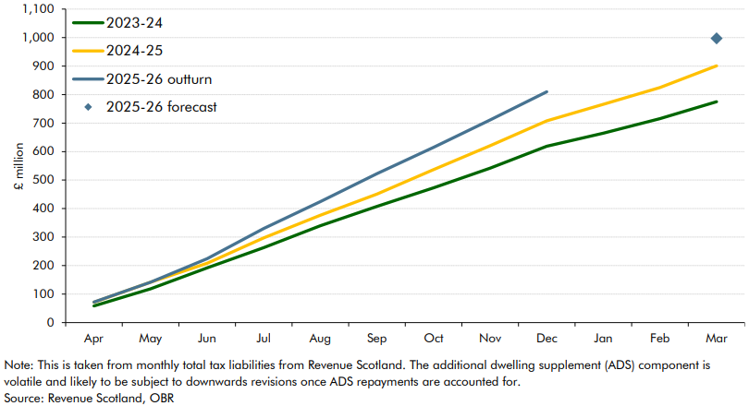

 |  | Cumulative tax liabilities
 | Apr-23 | 58.6
 | May | 118.4
 | Jun | 192.0
 | Jul | 263.2
 | Aug | 339.7
 | Sep | 407.7
 | Oct | 473.1
 | Nov | 541.9
 | Dec | 619.1
 | Jan-24 | 664.5
 | Feb | 715.7
 | Mar | 775.1
 | Apr | 71.4
 | May | 141.9
 | Jun | 208.3
 | Jul | 297.5
 | Aug | 376.7
 | Sep | 450.8
 | Oct | 536.6
 | Nov | 620.9
 | Dec | 707.7
 | Jan-25 | 766.1
 | Feb | 824.5
 | Mar | 900.8
 | Apr | 72
 | May | 141.8
 | Jun | 224.3
 | Jul | 330.5
 | Aug | 424.6
 | Sep | 522.5
 | Oct | 614.9
 | Nov | 711.3
 | Dec | 810

 | 2025-26 Forecast | 997.7

C3.2
Back to contents
 | Chart 3.2: Cumulative monthly LTT receipts: 2023-24 to 2025-26

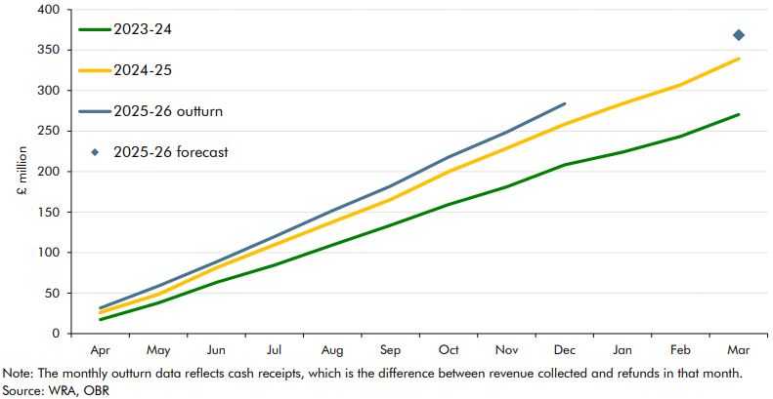

 |  | Cumulative tax liabilities
 | Apr-23 | 17.3
 | May | 37.9
 | Jun | 63.2
 | Jul | 84.4
 | Aug | 109.3
 | Sep | 133.7
 | Oct | 159.2
 | Nov | 181.2
 | Dec | 208.2
 | Jan-24 | 224.1
 | Feb | 243.5
 | Mar | 270.4
 | Apr | 26.2
 | May | 48.3
 | Jun | 81.2
 | Jul | 109.6
 | Aug | 137.8
 | Sep | 165.3
 | Oct | 199.9
 | Nov | 228.8
 | Dec | 258.4
 | Jan-25 | 283.9
 | Feb | 307.0
 | Mar | 339.3
 | Apr | 31.5
 | May | 58.6
 | Jun | 88.4
 | Jul | 119.6
 | Aug | 151.9
 | Sep | 182.1
 | Oct | 217.8
 | Nov | 248.6
 | Dec | 283.7

 | 2025-26 Forecast | 368.5

C5.1
Back to contents
 | Chart 5.1: Scottish net tax position based on OBR and SFC forecasts

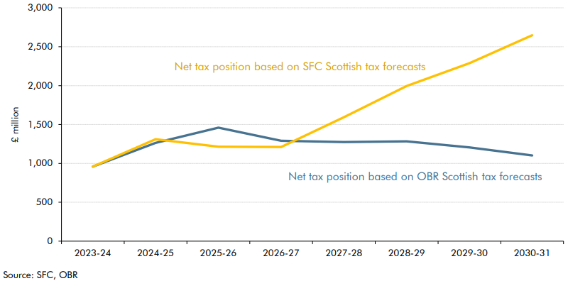

 |  | 2023-24 | 2024-25 | 2025-26 | 2026-27 | 2027-28 | 2028-29 | 2029-30 | 2030-31
 | Net tax position based on OBR tax forecasts | 959.5 | 1262.9 | 1459.4 | 1289.8 | 1274.7 | 1283.0 | 1206.1 | 1102.7
 | Net tax position based on SFC Scottish tax forecasts | 959.5 | 1310.9 | 1214.1 | 1210.0 | 1592.8 | 1995.2 | 2289.5 | 2647.5

C5.2
Back to contents
 | Chart 5.2: Change in the Scottish net tax position since November

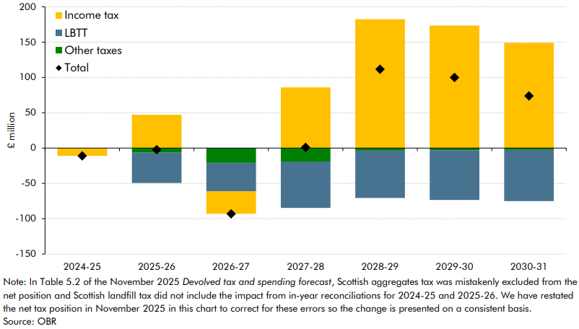

 |  | 2024-25 | 2025-26 | 2026-27 | 2027-28 | 2028-29 | 2029-30 | 2030-31
 | Autumn 2025 | 1274.0 | 1461.7 | 1383.0 | 1273.6 | 1171.3 | 1106.2 | 1028.8
 | Spring 2026 | 1262.9 | 1459.4 | 1289.8 | 1274.7 | 1283.0 | 1206.1 | 1102.7
 | Total | -11.1 | -2.3 | -93.2 | 1.1 | 111.7 | 99.9 | 73.9
 | of which
 | Income tax | -11.1 | 47.1 | -31.8 | 85.9 | 182.4 | 173.4 | 148.9
 | LBTT | 0.0 | -42.8 | -40.3 | -65.6 | -66.9 | -70.4 | -72.4
 | Other taxes | 0.0 | -6.6 | -21.1 | -19.2 | -3.8 | -3.1 | -2.7

C5.3
Back to contents
 | Chart 5.3: Change in the Welsh net tax position since November

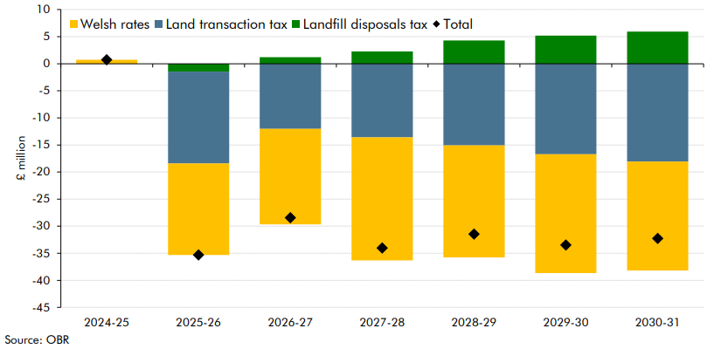

 |  | 2024-25 | 2025-26 | 2026-27 | 2027-28 | 2028-29 | 2029-30 | 2030-31
 | Autumn 2025 | 330.4 | 421.0 | 421.8 | 458.1 | 476.4 | 510.6 | 544.9
 | Spring 2026 | 331.1 | 385.7 | 393.3 | 424.1 | 444.9 | 477.1 | 512.7
 | Total | 0.7 | -35.3 | -28.4 | -34.0 | -31.5 | -33.5 | -32.3
 | of which
 | Welsh rates | 0.7 | -16.9 | -17.6 | -22.7 | -20.7 | -22.0 | -20.1
 | Land transaction tax | 0.0 | -17.0 | -12.0 | -13.6 | -15.1 | -16.7 | -18.1
 | Landfill disposals tax | 0.0 | -1.4 | 1.2 | 2.3 | 4.3 | 5.2 | 5.9

