Asset List
Asset List

Asset Name/File Name | Type | Category | Done | Priority | Notes | Purpose | Referece Img
Border/UI_Border.png | Art, UI | Player, Key Asset | Yes | Very High | Pixel art, used to frame game view | Reminiscent of old dungeon crawler | 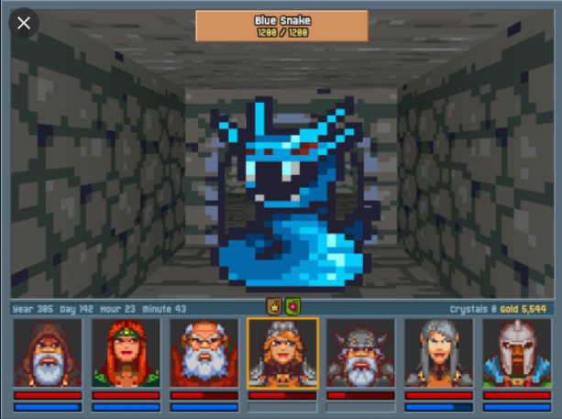
Player Verb inventory/UI_Inventory | Art, UI | Player, Key Asset | Yes | Very High | Pixel Art, stores verbs | Simple, needs 4 sections for verbs
Verb Slots/UI_Spell_Slots | Art, UI | Key Asset | Yes | Very High | Pixel Art, contains verbs for magic | Needs to fit 5 on screen
Verb/UI_Spell_Verb | Art, UI | Key Asset | Yes | Very High | Pixel Art, Contains text for verbs | Needs to fit in spell slot, and in inventory screen
Pause Icon/UI_Pause_Icon | Art, UI | Key Asset | Yes | Medium | Pixel Art, displays when game's paused | Needs to be visible in top of screen
Tick Icon/UI_Tick_Icon | Art, UI | Key Asset | Yes | High | Pixel Art, tells player if they have correct combination | Needs to be visible in top of screen, and easily noticable when dragging verbs
Enemy Health Bar/UI_Enemey_Healthbar_Foregournd | Art, UI | Enemy, UI | Yes | High | Pixel Art, background for healthbar | Needs to always be facing player
Enemy Health Bar/UI_Enemey_Healthbar_Fill | Art, UI | Enemy, UI | Yes | High | Pixel Art, fill for healthbar | Needs to be bright and visible to player
Enemy Health Bar/UI_Enemey_Healthbar_Background | Art, UI | Enemy, UI | Yes | High | Pixel Art, foreground for healthbar | Needs to be aesthetically pleasing
Wizard Model/Mdl_Wizard | Art, Model | Player, Key Asset | Null | Very High | Low Poly, Pointy hat, Torse and above visible | Player model, mostly seen in gui | 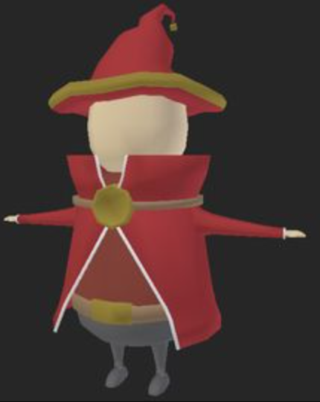
Skeleton/Mdl_Skeleton | Art, Model | Enemy, Key Asset | Null | High | Low Poly, short and stubby, lacking a jaw | Main enemy type for player | 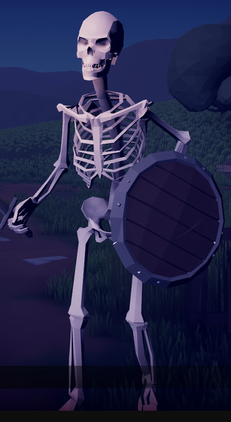
Chest/Mdl_Chest | Art, Model | Object, Key Asset | Null | Medium | Low Poly, made of marble to stand out in map | Stores verbs and Adverbs | 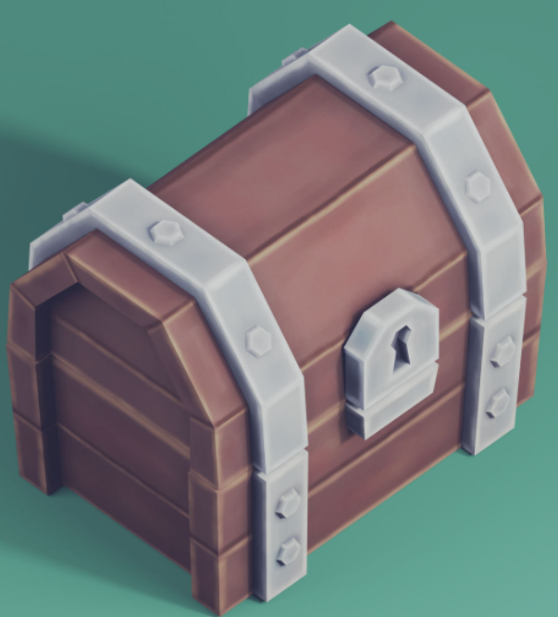
Door/Mdl_Door | Art, Model | Object | Null | Medium | Low Poly, curved to, wood frame with metal bolts/hinges | Tied to riddle plaques | 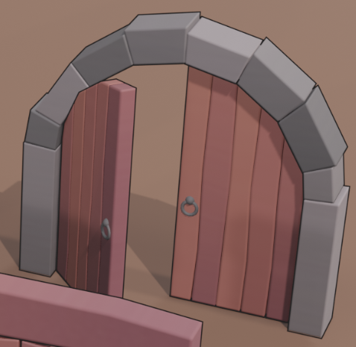
Riddle Plaque/Mdl_Plaque | Art, Model | Object | Null | Medium | Low Poly, dark black block with white writing | Seen with Mdl_Door | 