Asset List
Asset List

Asset Name/File Name | Type | Category | Priority | Notes | Purpose | Referece Img | Done
Border/UI_Border.png | Art, UI | Player, Key Asset | Very High | Pixel art, used to frame game view | Reminiscent of old dungeon crawler | 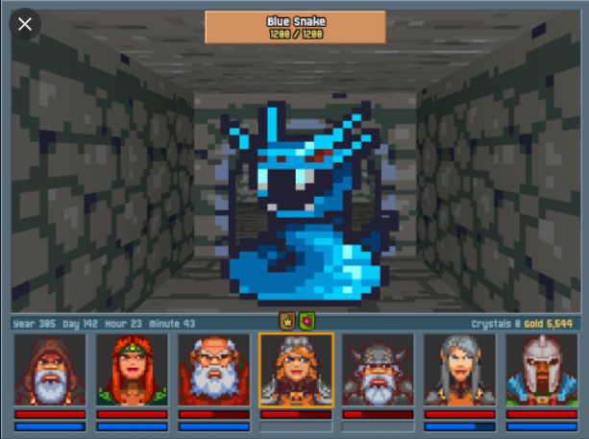 | Yes
Player Verb inventory/UI_Inventory | Art, UI | Player, Key Asset | Very High | Pixel Art, stores verbs | Simple, needs 4 sections for verbs |  | Yes
Verb Slots/UI_Spell_Slots | Art, UI | Key Asset | Very High | Pixel Art, contains verbs for magic | Needs to fit 5 on screen |  | Yes
Verb/UI_Spell_Verb | Art, UI | Key Asset | Very High | Pixel Art, Contains text for verbs | Needs to fit in spell slot, and in inventory screen |  | Yes
Red Verb FX/FX_Red_Verb | VFX | Visual Feedback | Medium | Looks like red spark of fire | For when Red verbs are used in spells |  | Yes
Blue Verb FX/FX_Blue_Verb | VFX | Visual Feedback | Medium | Looks like blue spark of electricity | For when Blue verbs are used in spells | 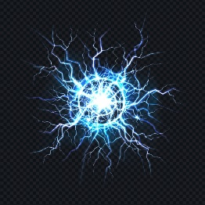 | Yes
Green Verb FX/FX_Green_Verb | VFX | Visual Feedback | Medium | Looks like sickly green light | For when Green verbs are used in spells | 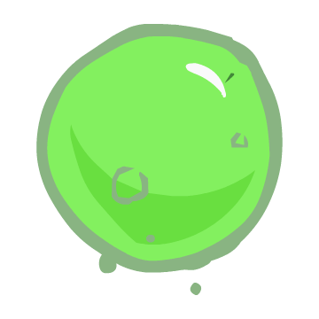 | Yes
Pause Icon/UI_Pause_Icon | Art, UI | Key Asset | Medium | Pixel Art, displays when game's paused | Needs to be visible in top of screen |  | Yes
Tick Icon/UI_Tick_Icon | Art, UI | Key Asset | High | Pixel Art, tells player if they have correct combination | Needs to be visible in top of screen, and easily noticable when dragging verbs | 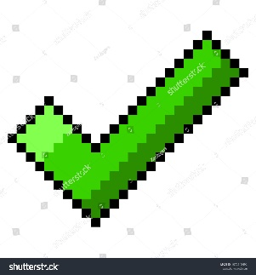 | Yes
Enemy Health Bar/UI_Enemy_Healthbar_Foregournd | Art, UI | Enemy, UI | High | Pixel Art, background for healthbar | Needs to always be facing player |  | Yes
Enemy Health Bar/UI_Enemy_Healthbar_Fill | Art, UI | Enemy, UI | High | Pixel Art, fill for healthbar | Needs to be bright and visible to player |  | Yes
Enemy Health Bar/UI_Enemy_Healthbar_Background | Art, UI | Enemy, UI | High | Pixel Art, foreground for healthbar | Needs to be aesthetically pleasing |  | Yes
Wizard Model/Mdl_Wizard | Art, Model | Player, Key Asset | High | Low Poly, Pointy hat, Torse and above visible | Player model, mostly seen in gui | 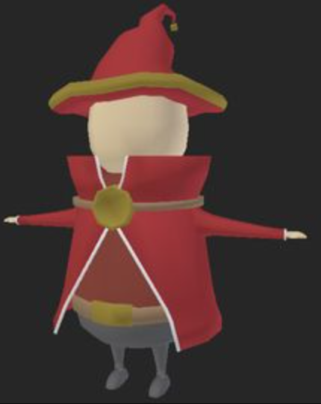
Skeleton/Mdl_Skeleton | Art, Model | Enemy, Key Asset | High | Low Poly, short and stubby, lacking a jaw | Main enemy type for player | 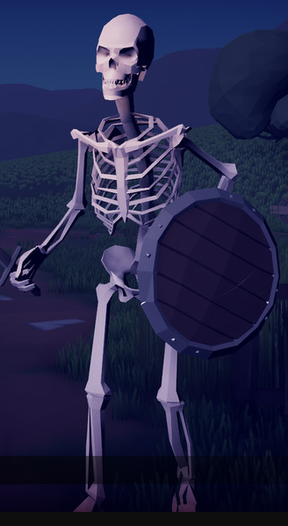
Chest/Mdl_Chest | Art, Model | Object, Key Asset | Medium | Low Poly, made of marble to stand out in map | Stores verbs and Adverbs | 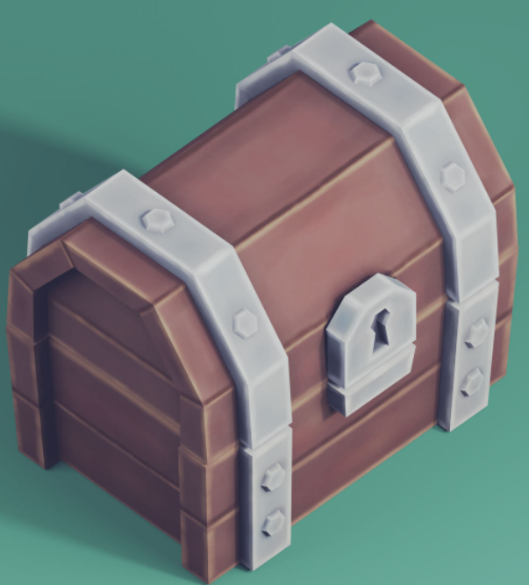 | Yes
Door/Mdl_Door | Art, Model | Object | Medium | Low Poly, curved to, wood frame with metal bolts/hinges | Tied to riddle plaques | 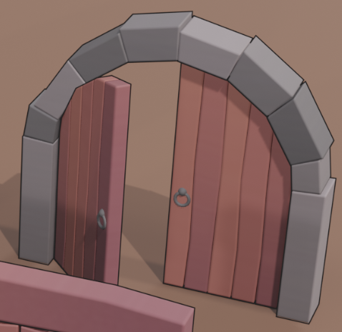 | Yes
Riddle Plaque/Mdl_Plaque | Art, Model | Object | Medium | Low Poly, dark black block with white writing | Seen with Mdl_Door | 