Sheet1
test # | Species | Mooring | detTotal | numTP | numFP | numFN | TPR | FPR | TPdivFP | AUC | Total counts | test # | Species | Mooring | detTotal | numTP | numFP | numFN | TPR | FPR | TPdivFP | AUC | Total counts | RW 0: | RW 1: | RW 2:
0 | GS | rf AW15_AU_BS3_files_705-749 | 958 | 633 | 325 | 64 | 0.90817790531 | 0.33924843424 | 1.9476923077 | 0.94405257587 | 2169 | 0 | RW | rf BS15_AU_02a_files_1-104 | 625 | 262 | 363 | 18 | 0.93571428571 | 0.5808 | 0.7217630854 | 0.96162577459 | 1559 | MeanDecreaseGini | MeanDecreaseGini | MeanDecreaseGini
0 | GS | rf BS12_AU_02a_files_1-46 | 508 | 390 | 118 | 11 | 0.97256857855 | 0.23228346457 | 3.3050847458 | 0.94405257587 | 758 | 0 | RW | rf BS14_AU_04_files_All | 1480 | 383 | 1097 | 78 | 0.83080260304 | 0.74121621622 | 0.34913400182 | 0.96162577459 | 5015 | meantime 30.33264 | meantime 34.6093 | meantime 19.21986
0 | GS | rf AW14_AU_BS3_files_1-71 | 1453 | 944 | 509 | 75 | 0.92639842983 | 0.35030970406 | 1.8546168959 | 0.94405257587 | 3187 | 0 | RW | rf AW12_AU_BS3_files_All | 1958 | 741 | 1217 | 112 | 0.86869871043 | 0.6215526047 | 0.60887428102 | 0.96162577459 | 5346 | V1 24.47645 | V1 28.7135 | V1 16.09742
0 | GS | rf BS13_AU_04_files_137-224 | 1320 | 654 | 666 | 35 | 0.94920174165 | 0.50454545455 | 0.98198198198 | 0.94405257587 | 3660 | 0 | RW | rf BS13_AU_04_files_All | 3492 | 1334 | 2158 | 270 | 0.83167082294 | 0.61798396334 | 0.61816496756 | 0.96162577459 | 12191 | V2 26.51570 | V2 29.4323 | V2 16.57521
0 | GS | rf AW12_AU_BS3_files_1-250 | 2632 | 1619 | 1013 | 188 | 0.89596015495 | 0.38487841945 | 1.5982230997 | 0.94405257587 | 5560 | 0 | RW | rf BS16_AU_02a_files_1-175 | 1095 | 439 | 656 | 51 | 0.89591836735 | 0.59908675799 | 0.66920731707 | 0.96162577459 | 3174 | V3 29.07645 | V3 32.3696 | V3 18.68006
0 | GS | rf AW12_AU_BS3_files_1464-1507 | 728 | 552 | 176 | 67 | 0.89176090468 | 0.24175824176 | 3.1363636364 | 0.94405257587 | 1126 | 0 | RW | rf BS15_AU_02b_files_All | 578 | 134 | 444 | 43 | 0.75706214689 | 0.76816608997 | 0.3018018018 | 0.96162577459 | 2528 | V4 22.07549 | V4 25.0412 | V4 14.22411
0 | GS | rf all | 7599 | 4792 | 2807 | 440 | 0.91590214067 | 0.3693907093 | 1.7071606698 | 0.94405257587 | 16460 | 0 | RW | rf AW14_AU_BS3_files_1-160 | 1719 | 512 | 1207 | 94 | 0.84488448845 | 0.70215241419 | 0.4241922121 | 0.96162577459 | 5641 | V5 27.28107 | V5 30.7588 | V5 17.40000
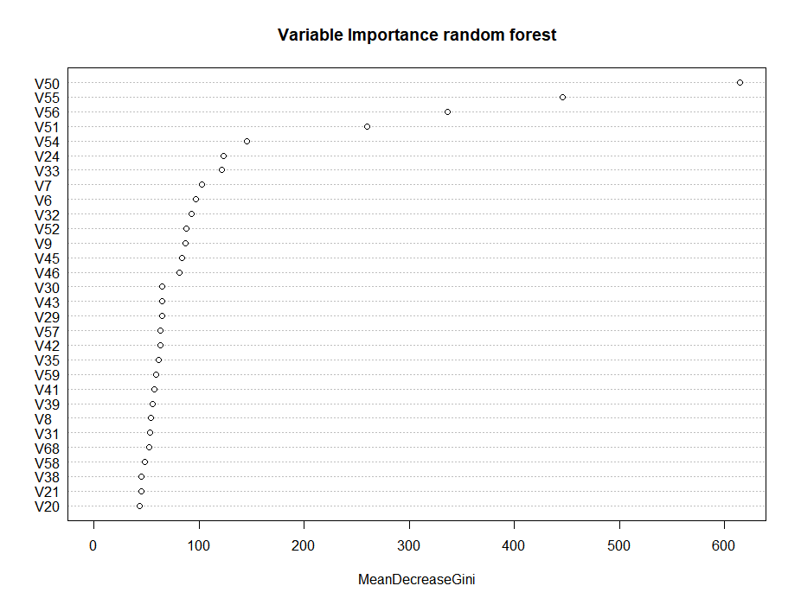
average |  |  |  |  |  |  |  |  |  |  |  | 0 | RW | rf all | 10947 | 3805 | 7142 | 666 | 0.85104003579 | 0.65241618708 | 0.53276393167 | 0.96162577459 | 35454 | V6 96.72895 | V6 101.2315 | V6 73.98680
1 | GS | rf AW14_AU_BS3_files_309-369 | . | . |  | . | 0.91590214067 | 0.3693907093 | 1.7071606698 | 0.94405257587 | 3344 | average |  |  | All data test_20190402160603 |  |  |  |  |  |  |  |  | V7 103.00263 | V7 109.0255 | V7 75.15991

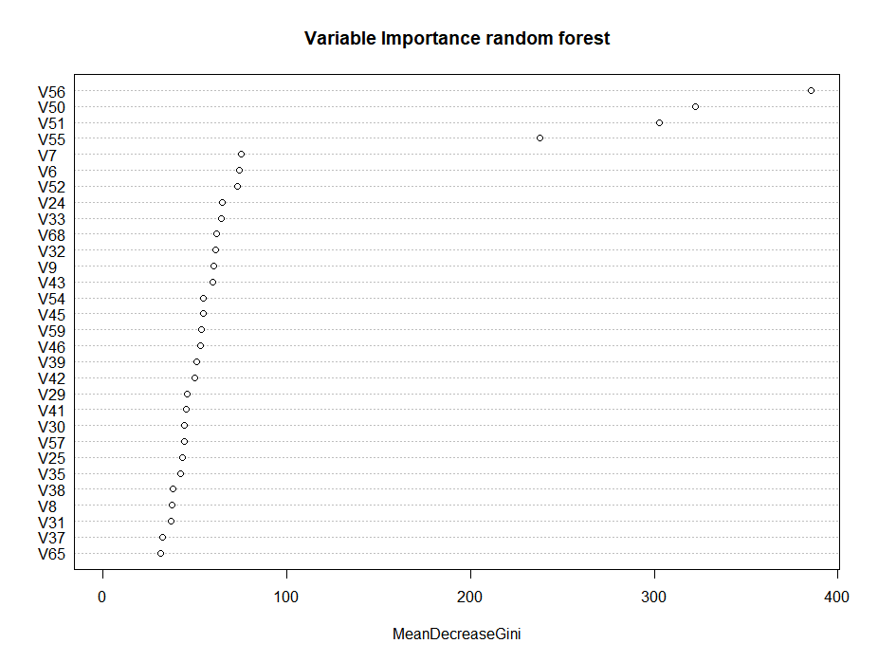
actual |  |  |  |  |  |  |  |  |  |  |  | 1 | RW | RW AL16_AU_BS1_files_All |  | . | . | . | 0.85104003579 | 0.65241618708 | 0.53276393167 | 0.96162577459 | 5880 | V8 53.82238 | V8 65.3403 | V8 37.50698
1 | GS | rf AW14_AU_BS3_files_309-369 | 909 | 626 | 283 | 92 | 0.87186629526 | 0.31133113311 | 2.2120141343 | 0.888619 | 3344 | actual |  |  |  |  |  |  |  |  |  |  |  | V9 86.68343 | V9 95.1747 | V9 60.08768
Combined |  |  |  |  |  |  |  |  |  |  |  | 1 | RW | RW AL16_AU_BS1_files_All | 2328 | 393 | 1935 | 41 | 0.90552995392 | 0.83118556701 | 0.20310077519 | 0.94056584545 | 5880 | V10 29.06102 | V10 32.9898 | V10 19.30313
1 | GS | rf AW15_AU_BS3_files_705-749 | 1000 | 639 | 361 | 58 | 0.91678622669 | 0.361 | 1.7700831025 | 0.94777387727 | 2169 | Combined |  |  |  |  |  |  |  |  |  |  |  | V11 33.56794 | V11 35.3133 | V11 19.97013
1 | GS | rf BS12_AU_02a_files_1-46 | 516 | 393 | 123 | 8 | 0.98004987531 | 0.23837209302 | 3.1951219512 | 0.94777387727 | 758 | 1 | RW | rf BS15_AU_02a_files_1-104 | 632 | 262 | 370 | 18 | 0.93571428571 | 0.58544303797 | 0.70810810811 | 0.96140644564 | 1559 | V12 22.66629 | V12 26.0716 | V12 15.18652
1 | GS | rf AW14_AU_BS3_files_1-71 | 1489 | 952 | 537 | 67 | 0.93424926398 | 0.36064472801 | 1.7728119181 | 0.94777387727 | 3187 | 1 | RW | rf BS14_AU_04_files_All | 1534 | 382 | 1152 | 79 | 0.82863340564 | 0.75097783572 | 0.33159722222 | 0.96140644564 | 5015 | V13 24.56040 | V13 28.1178 | V13 15.87116
1 | GS | rf BS13_AU_04_files_137-224 | 1416 | 670 | 746 | 19 | 0.97242380261 | 0.52683615819 | 0.8981233244 | 0.94777387727 | 3660 | 1 | RW | rf AW12_AU_BS3_files_All | 1990 | 744 | 1246 | 109 | 0.87221570926 | 0.62613065327 | 0.59711075441 | 0.96140644564 | 5346 | V14 36.21953 | V14 37.3995 | V14 20.81085
1 | GS | rf AW12_AU_BS3_files_1-250 | 2736 | 1631 | 1105 | 176 | 0.90260099613 | 0.40387426901 | 1.4760180995 | 0.94777387727 | 5560 | 1 | RW | rf BS13_AU_04_files_All | 3506 | 1336 | 2170 | 268 | 0.83291770574 | 0.61893896178 | 0.61566820276 | 0.96140644564 | 12191 | V15 39.29224 | V15 40.8041 | V15 24.19183
1 | GS | rf AW12_AU_BS3_files_1464-1507 | 739 | 554 | 185 | 65 | 0.89499192246 | 0.25033829499 | 2.9945945946 | 0.94777387727 | 1126 | 1 | RW | rf BS16_AU_02a_files_1-175 | 1104 | 436 | 668 | 54 | 0.88979591837 | 0.60507246377 | 0.65269461078 | 0.96140644564 | 3174 | V16 18.92194 | V16 20.8889 | V16 12.18593
1 | GS | rf AW14_AU_BS3_files_309-369 | 859 | 614 | 245 | 104 | 0.85515320334 | 0.28521536671 | 2.506122449 | 0.94777387727 | 3344 | 1 | RW | rf BS15_AU_02b_files_All | 553 | 133 | 420 | 44 | 0.75141242938 | 0.75949367089 | 0.31666666667 | 0.96140644564 | 2528 | V17 24.10380 | V17 27.4359 | V17 15.67156
1 | GS | rf all | 8755 | 5453 | 3302 | 497 | 0.91647058824 | 0.37715591091 | 1.6514233798 | 0.94777387727 | 19804 | 1 | RW | rf AW14_AU_BS3_files_1-160 | 1645 | 510 | 1135 | 96 | 0.84158415842 | 0.68996960486 | 0.44933920705 | 0.96140644564 | 5641 | V18 22.97403 | V18 26.7331 | V18 15.51111
average |  |  |  |  |  |  |  |  |  |  |  | 1 | RW | rf AL16_AU_BS1_files_All | 1562 | 386 | 1176 | 53 | 0.87927107062 | 0.7528809219 | 0.32823129252 | 0.96140644564 | 5880 | V19 22.53368 | V19 25.1757 | V19 14.51214
2 | GS | GS AW15_AU_BS2_files_33-103 | . | . | . | . | 0.91647058824 | 0.37715591091 | 1.6514233798 | 0.94777387727 | 3282 | 1 | RW | rf all | 12526 | 4189 | 8337 | 721 | 0.85315682281 | 0.66557560275 | 0.50245891808 | 0.96140644564 | 41334 | V20 43.27752 | V20 49.7080 | V20 27.46790
actual |  |  |  |  |  |  |  |  |  |  |  |  |  |  |  |  |  |  |  |  |  |  |  | V21 44.83074 | V21 51.6959 | V21 28.26706
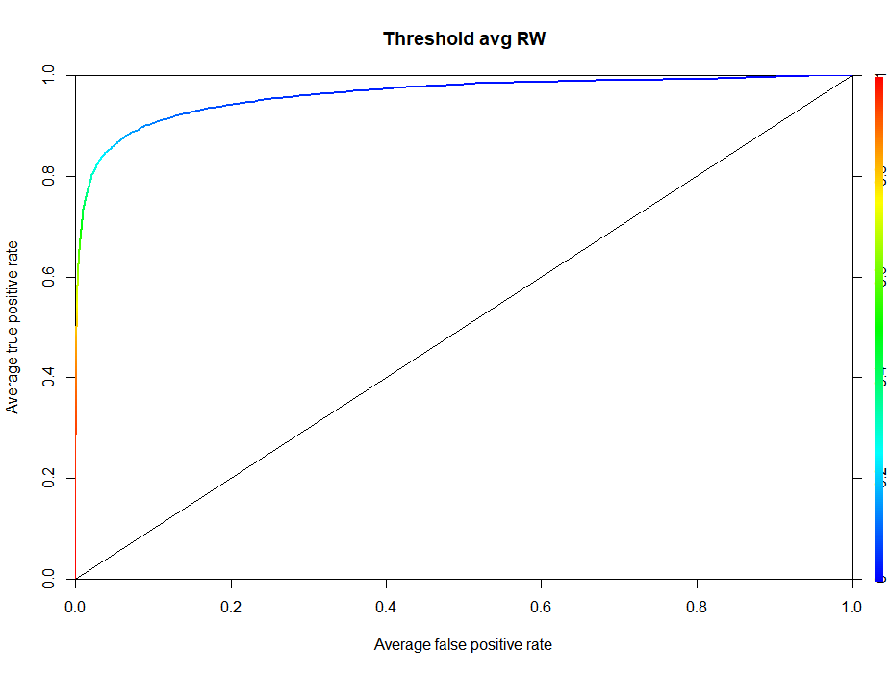
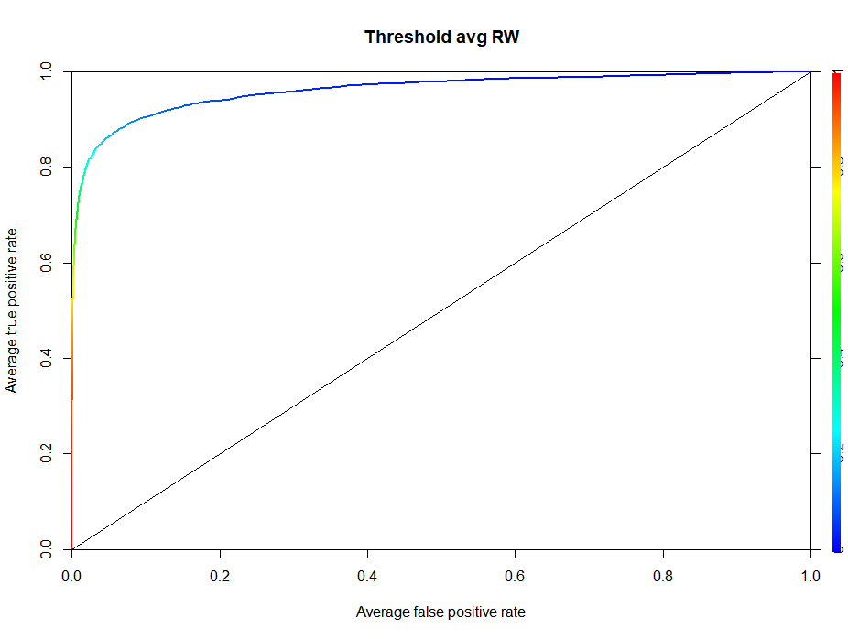
2 | GS | GS AW15_AU_BS2_files_33-103 | 956 | 416 | 540 | 64 | 0.86666666667 | 0.56485355649 | 0.77037037037 | 0.84250133547 | 3282 | not clear that adding more data will resolve issues. Trying to balance dataset (test with 50/50 tp and fp in training dataset) |  |  |  |  |  |  |  |  |  |  |  | V22 22.69953 | V22 25.4408 | V22 15.72033
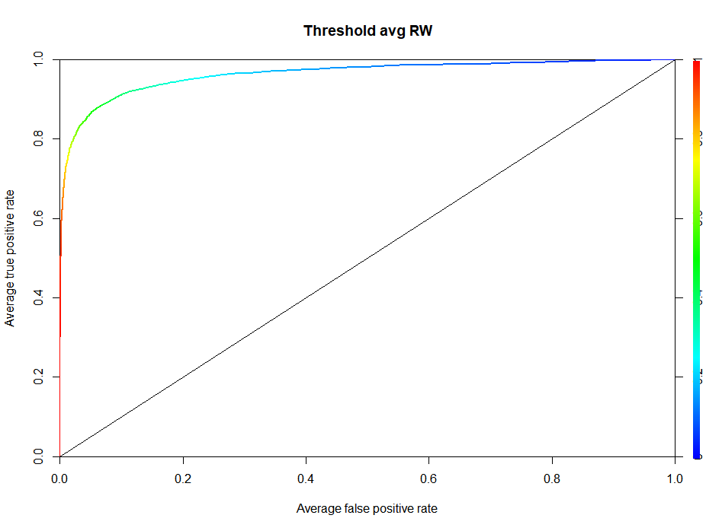
Combined |  |  |  |  |  |  |  |  |  |  |  | 2 | RW | rf BS15_AU_02a_files_1-104 | 579 | 262 | 317 | 18 | 0.93571428571 | 0.54749568221 | 0.82649842271 | 0.96342368358 | 1559 | V23 22.14109 | V23 24.9897 | V23 14.28475
2 | GS | rf AW15_AU_BS3_files_705-749 | 994 | 641 | 353 | 56 | 0.91965566714 | 0.35513078471 | 1.8158640227 | 0.9487874062 | 2169 | 2 | RW | rf BS14_AU_04_files_All | 1408 | 384 | 1024 | 77 | 0.83297180043 | 0.72727272727 | 0.375 | 0.96342368358 | 5015 | V24 123.07117 | V24 136.0352 | V24 64.73438
2 | GS | rf BS12_AU_02a_files_1-46 | 529 | 394 | 135 | 7 | 0.9825436409 | 0.25519848771 | 2.9185185185 | 0.9487874062 | 758 | 2 | RW | rf AW12_AU_BS3_files_All | 1894 | 742 | 1152 | 111 | 0.86987104338 | 0.60823653643 | 0.64409722222 | 0.96342368358 | 5346 | V25 41.67658 | V25 50.7936 | V25 43.15723
2 | GS | rf AW14_AU_BS3_files_1-71 | 1507 | 952 | 555 | 67 | 0.93424926398 | 0.36828135368 | 1.7153153153 | 0.9487874062 | 3187 | 2 | RW | rf BS13_AU_04_files_All | 3268 | 1344 | 1924 | 260 | 0.83790523691 | 0.58873929009 | 0.69854469854 | 0.96342368358 | 12191 | V26 23.25397 | V26 26.4804 | V26 14.91409
2 | GS | rf BS13_AU_04_files_137-224 | 1498 | 678 | 820 | 11 | 0.98403483309 | 0.5473965287 | 0.82682926829 | 0.9487874062 | 3660 | 2 | RW | rf BS16_AU_02a_files_1-175 | 1054 | 439 | 615 | 51 | 0.89591836735 | 0.5834914611 | 0.71382113821 | 0.96342368358 | 3174 | V27 0.00000 | V27 0.0000 | V27 0.00000
2 | GS | rf AW12_AU_BS3_files_1-250 | 2884 | 1648 | 1236 | 159 | 0.91200885445 | 0.42857142857 | 1.3333333333 | 0.9487874062 | 5560 | 2 | RW | rf BS15_AU_02b_files_All | 490 | 135 | 355 | 42 | 0.76271186441 | 0.72448979592 | 0.38028169014 | 0.96342368358 | 2528 | V28 22.42647 | V28 25.1963 | V28 14.24820
2 | GS | rf AW12_AU_BS3_files_1464-1507 | 755 | 557 | 198 | 62 | 0.89983844911 | 0.26225165563 | 2.8131313131 | 0.9487874062 | 1126 | 2 | RW | rf AW14_AU_BS3_files_1-160 | 1568 | 516 | 1052 | 90 | 0.85148514851 | 0.67091836735 | 0.49049429658 | 0.96342368358 | 5641 | V29 64.65842 | V29 69.6252 | V29 45.72083
2 | GS | rf AW14_AU_BS3_files_309-369 | 865 | 619 | 246 | 99 | 0.86211699164 | 0.28439306358 | 2.5162601626 | 0.9487874062 | 3344 | 2 | RW | rf AL16_AU_BS1_files_All | 1423 | 387 | 1036 | 52 | 0.88154897494 | 0.72803935348 | 0.37355212355 | 0.96342368358 | 5880 | V30 65.19587 | V30 67.1617 | V30 44.35137
2 | GS | rf AW15_AU_BS2_files_33-103 | 750 | 398 | 352 | 76 | 0.83966244726 | 0.46933333333 | 1.1306818182 | 0.9487874062 | 3281 | 2 | rW | rf all | 11684 | 4209 | 7475 | 701 | 0.85723014257 | 0.63976377953 | 0.56307692308 | 0.96342368358 | 41334 | V31 53.32393 | V31 58.1505 | V31 37.24649
2 | GS | rf all | 9782 | 5887 | 3895 | 537 | 0.91640722291 | 0.39818033122 | 1.5114249037 | 0.9487874062 | 23085 | definitely performed better, and model seems to have changed somewhat. |  |  |  |  |  |  |  |  |  |  |  | V32 92.70996 | V32 96.9610 | V32 61.41655
average |  |  |  |  |  |  |  |  |  |  |  | test with 33/66 tp/fp. Seemed to do a little worse |  |  |  |  |  |  |  |  |  |  |  | V33 121.80218 | V33 136.3890 | V33 64.52643
3 | GS | rf AL16_AU_BS3_files_77-170 | 734 | uk | uk | uk | 0.91640722291 | 0.39818033122 | 1.5114249037 | 0.9487874062 | 2268 | 3 | RW | rf BS15_AU_02a_files_1-104 | 602 | 262 | 340 | 18 | 0.93571428571 | 0.56478405316 | 0.77058823529 | 0.96307324939 | 1559 | V34 14.63108 | V34 16.1026 | V34 9.50826
actual |  |  |  |  |  |  |  |  |  |  |  | 3 | RW | rf BS14_AU_04_files_All | 1468 | 386 | 1082 | 75 | 0.83731019523 | 0.73705722071 | 0.35674676525 | 0.96307324939 | 5015 | V35 61.32886 | V35 66.6875 | V35 41.93842
3 | GS | rf AL16_AU_BS3_files_77-170 | 734 | 333 | 401 | 33 | 0.90983606557 | 0.54632152589 | 0.83042394015 | 0.82763436753 | 2268 | 3 | RW | rf AW12_AU_BS3_files_All | 1923 | 744 | 1179 | 109 | 0.87221570926 | 0.61310452418 | 0.631043257 | 0.96307324939 | 5346 | V36 9.85296 | V36 10.7497 | V36 5.77112
Combined |  |  |  |  |  |  |  |  |  |  |  | 3 | RW | rf BS13_AU_04_files_All | 3348 | 1342 | 2006 | 262 | 0.83665835411 | 0.59916367981 | 0.66899302094 | 0.96307324939 | 12191 | V37 41.51339 | V37 49.0663 | V37 32.41480
3 | GS | rf AW15_AU_BS3_files_705-749 | 1005 | 644 | 361 | 53 | 0.92395982783 | 0.3592039801 | 1.783933518 | 0.94921359656 | 2169 | 3 | RW | rf BS16_AU_02a_files_1-175 | 1077 | 440 | 637 | 50 | 0.89795918367 | 0.59145775302 | 0.69073783359 | 0.96307324939 | 3174 | V38 45.43012 | V38 53.6909 | V38 38.03560
3 | GS | rf BS12_AU_02a_files_1-46 | 532 | 396 | 136 | 5 | 0.98753117207 | 0.25563909774 | 2.9117647059 | 0.94921359656 | 758 | 3 | RW | rf BS15_AU_02b_files_All | 518 | 134 | 384 | 43 | 0.75706214689 | 0.74131274131 | 0.34895833333 | 0.96307324939 | 2528 | V39 55.62313 | V39 66.9026 | V39 50.77495
3 | GS | rf AW14_AU_BS3_files_1-71 | 1501 | 954 | 547 | 65 | 0.93621197252 | 0.36442371752 | 1.7440585009 | 0.94921359656 | 3187 | 3 | RW | rf AW14_AU_BS3_files_1-160 | 1600 | 513 | 1087 | 93 | 0.84653465347 | 0.679375 | 0.47194112236 | 0.96307324939 | 5641 | V40 22.08506 | V40 23.1110 | V40 15.07898
3 | GS | rf BS13_AU_04_files_137-224 | 1540 | 682 | 858 | 7 | 0.98984034833 | 0.55714285714 | 0.79487179487 | 0.94921359656 | 3660 | 3 | RW | rf AL16_AU_BS1_files_All | 1488 | 386 | 1102 | 53 | 0.87927107062 | 0.74059139785 | 0.3502722323 | 0.96307324939 | 5880 | V41 57.28670 | V41 59.3416 | V41 45.49287
3 | GS | rf AW12_AU_BS3_files_1-250 | 2919 | 1657 | 1262 | 150 | 0.91698948533 | 0.43233984241 | 1.3129952456 | 0.94921359656 | 5560 | 3 | RW | rf all | 12024 | 4207 | 7817 | 703 | 0.85682281059 | 0.6501164338 | 0.53818600486 | 0.96307324939 | 41334 | V42 63.07435 | V42 65.6015 | V42 50.11693
3 | GS | rf AW12_AU_BS3_files_1464-1507 | 765 | 557 | 208 | 62 | 0.89983844911 | 0.27189542484 | 2.6778846154 | 0.94921359656 | 1126 |  |  |  |  |  |  |  |  |  |  |  |  | V43 64.67906 | V43 72.1922 | V43 59.80697
3 | GS | rf AW14_AU_BS3_files_309-369 | 875 | 616 | 259 | 102 | 0.85793871866 | 0.296 | 2.3783783784 | 0.94921359656 | 3344 |  | Compare whiten and non whiten |  |  |  |  |  |  |  |  |  |  | V44 0.00000 | V44 0.0000 | V44 0.00000
3 | GS | rf AW15_AU_BS2_files_33-103 | 750 | 400 | 350 | 74 | 0.84388185654 | 0.46666666667 | 1.1428571429 | 0.94921359656 | 3281 |  | non whiten: |  |  |  |  |  |  |  |  |  |  | V45 83.49588 | V45 92.7575 | V45 54.43878
3 | GS | rf AL16_AU_BS3_files_77-170 | 644 | 311 | 333 | 55 | 0.84972677596 | 0.51708074534 | 0.93393393393 | 0.94921359656 | 2268 | 4 | RW | RW BS15_AU_02a_files_1-104 | 1559 | 276 | 1283 | 6 | 0.97872340426 | 0.8229634381 | 0.2151208106 |  |  | V46 81.55872 | V46 90.0311 | V46 53.10992
3 | GS | rf all | 10531 | 6217 | 4314 | 573 | 0.91561119293 | 0.40964770677 | 1.4411219286 | 0.94921359656 | 25353 | 4 | RW | RW BS14_AU_04_files_All | 5015 | 434 | 4581 | 29 | 0.9373650108 | 0.91345962114 | 0.094739139926 |  |  | V47 39.57383 | V47 42.9706 | V47 24.06097
average |  |  |  |  |  |  |  |  |  |  |  | 4 | RW | RW AW12_AU_BS3_files_All | 5346 | 805 | 4541 | 50 | 0.94152046784 | 0.8494201272 | 0.17727372825 |  |  | V48 23.68543 | V48 25.8709 | V48 14.27802
4 | GS | rf BS12_AU_02b_files_689-747 | 2093 | uk | uk | uk | 0.91561119293 | 0.40964770677 | 1.4411219286 | 0.94921359656 | 2824 | 4 | RW | RW BS13_AU_04_files_All | 12191 | 1477 | 10714 | 129 | 0.9196762142 | 0.87884504963 | 0.13785700952 |  |  | V49 34.39782 | V49 37.5465 | V49 26.27757
actual |  |  |  |  |  |  |  |  |  |  |  | 4 | RW | RW BS16_AU_02a_files_1-175 | 3174 | 471 | 2703 | 19 | 0.9612244898 | 0.85160680529 | 0.17425083241 |  |  | V50 614.99319 | V50 700.6316 | V50 322.35182
4 | GS | rf BS12_AU_02b_files_689-747 | 2093 | 1599 | 494 | 120 | 0.93019197208 | 0.23602484472 | 3.2368421053 | 0.83790792829 | 2824 | 4 | RW | RW BS15_AU_02b_files_All | 2528 | 160 | 2368 | 19 | 0.8938547486 | 0.93670886076 | 0.067567567568 |  |  | V51 260.29624 | V51 287.9677 | V51 302.80746
Combined |  |  |  |  |  |  |  |  |  |  |  | 4 | RW | RW AW14_AU_BS3_files_1-160 | 5641 | 570 | 5071 | 41 | 0.93289689034 | 0.89895408615 | 0.11240386512 |  |  | V52 87.65482 | V52 94.8857 | V52 72.97018
4 | GS | rf AW15_AU_BS3_files_705-749 | 1004 | 642 | 362 | 55 | 0.92109038737 | 0.36055776892 | 1.773480663 | 0.94755662737 | 2169 | 4 | RW | RW AL16_AU_BS1_files_All | 5880 | 440 | 5440 | 0 | 1 | 0.92517006803 | 0.080882352941 | * after raven GT'd |  | V53 0.00000 | V53 0.0000 | V53 0.00000
4 | GS | rf BS12_AU_02a_files_1-46 | 528 | 396 | 132 | 5 | 0.98753117207 | 0.25 | 3 | 0.94755662737 | 758 | 4 | all |  | 41334 | 4633 | 36701 | 293 | 0.940519691 | 0.887913098 | 0.126236342 |  |  | V54 145.58102 | V54 162.7699 | V54 54.80017
4 | GS | rf AW14_AU_BS3_files_1-71 | 1488 | 952 | 536 | 67 | 0.93424926398 | 0.36021505376 | 1.776119403 | 0.94755662737 | 3187 |  | whiten |  |  |  |  |  |  |  |  |  |  | V55 445.78820 | V55 512.0619 | V55 237.89295
4 | GS | rf BS13_AU_04_files_137-224 | 1488 | 678 | 810 | 11 | 0.98403483309 | 0.54435483871 | 0.83703703704 | 0.94755662737 | 3660 | 4 | RW | RW BS15_AU_02a_files_1-104 | 1496 | 278 | 1218 | 3 | 0.98932384342 | 0.81417112299 | 0.22824302135 |  |  | V56 336.85737 | V56 379.3941 | V56 385.49635
4 | GS | rf AW12_AU_BS3_files_1-250 | 2901 | 1653 | 1248 | 154 | 0.91477587161 | 0.43019648397 | 1.3245192308 | 0.94755662737 | 5560 | 4 | RW | RW BS14_AU_04_files_All | 4905 | 441 | 4464 | 23 | 0.95043103448 | 0.91009174312 | 0.098790322581 |  |  | V57 63.44061 | V57 68.7303 | V57 44.07672
4 | GS | rf AW12_AU_BS3_files_1464-1507 | 768 | 558 | 210 | 61 | 0.901453958 | 0.2734375 | 2.6571428571 | 0.94755662737 | 1126 | 4 | RW | RW AW12_AU_BS3_files_All | 5346 | 810 | 4536 | 46 | 0.94626168224 | 0.84848484848 | 0.17857142857 |  |  | V58 48.27832 | V58 53.9546 | V58 30.82573
4 | GS | rf AW14_AU_BS3_files_309-369 | 859 | 614 | 245 | 104 | 0.85515320334 | 0.28521536671 | 2.506122449 | 0.94755662737 | 3344 | 4 | RW | RW BS13_AU_04_files_All | 12297 | 1482 | 10815 | 128 | 0.92049689441 | 0.87948280068 | 0.13703190014 | arguably did worse |  | V59 58.81375 | V59 65.1120 | V59 53.26411
4 | GS | rf AW15_AU_BS2_files_33-103 | 725 | 398 | 327 | 76 | 0.83966244726 | 0.45103448276 | 1.2171253823 | 0.94755662737 | 3281 | 4 | RW | RW BS16_AU_02a_files_1-175 | 3168 | 470 | 2698 | 20 | 0.95918367347 | 0.85164141414 | 0.17420311342 |  |  | V60 29.71219 | V60 33.6311 | V60 20.61579
4 | GS | rf AL16_AU_BS3_files_77-170 | 618 | 309 | 309 | 57 | 0.84426229508 | 0.5 | 1 | 0.94755662737 | 2268 | 4 | RW | RW BS15_AU_02b_files_All | 2400 | 161 | 2239 | 17 | 0.90449438202 | 0.93291666667 | 0.071907101385 |  |  | V61 38.38135 | V61 40.7483 | V61 18.89348
4 | GS | rf BS12_AU_02b_files_689-747 | 1925 | 1438 | 487 | 275 | 0.83946293053 | 0.25298701299 | 2.9527720739 | 0.94755662737 | 2824 | 4 | RW | RW AW14_AU_BS3_files_1-160 | 5539 | 567 | 4972 | 44 | 0.92798690671 | 0.89763495216 | 0.11403861625 |  |  | V62 36.96990 | V62 40.6415 | V62 21.18279
4 | GS | rf all | 12304 | 7638 | 4666 | 865 | 0.8982711984 | 0.37922626788 | 1.6369481354 | 0.94755662737 | 28177 | 4 | RW | RW AL16_AU_BS1_files_All | 5947 | 430 | 5517 | 13 | 0.97065462754 | 0.92769463595 | 0.077940909915 |  |  | V63 26.50391 | V63 29.3303 | V63 13.94913
average |  |  |  |  |  |  |  |  |  |  |  | 4 | RW | all | 41098 | 4639 | 36459 | 294 | 0.94040137847 | 0.887123461 | 0.1272388162 |  |  | V64 15.56699 | V64 17.4070 | V64 10.10320
5 | GS | rf BS14_AU_04_files_74-148 | 895 | uk | uk | uk | 0.8982711984 | 0.37922626788 | 1.6369481354 | 0.94755662737 | 1912 |  |  |  |  |  |  |  |  |  |  |  |  | V65 33.37346 | V65 34.3994 | V65 31.12545
actual |  |  |  |  |  |  |  |  |  |  |  | 4 | RW | rf BS15_AU_02a_files_1-104 | 477 | 260 | 217 | 20 | 0.92857142857 | 0.45492662474 | 1.198156682 | 0.96553217459 |  | V66 24.50127 | V66 27.6883 | V66 15.99462
5 | GS | rf BS14_AU_04_files_74-148 | 895 | 357 | 538 | 44 | 0.89027431421 | 0.60111731844 | 0.66356877323 | 0.82750460779 | 1912 | 4 | RW | rf BS14_AU_04_files_All | 1229 | 390 | 839 | 71 | 0.84598698482 | 0.68266883645 | 0.46483909416 | 0.96553217459 |  | V67 15.77185 | V67 16.6363 | V67 10.34226
Combined |  |  |  |  |  |  |  |  |  |  |  | 4 | RW | rf AW12_AU_BS3_files_All | 1681 | 752 | 929 | 101 | 0.8815943728 | 0.55264723379 | 0.80947255113 | 0.96553217459 |  | V68 52.49620 | V68 57.9733 | V68 61.76588
5 | GS | rf AW15_AU_BS3_files_705-749 | 1012 | 644 | 368 | 53 | 0.92395982783 | 0.36363636364 | 1.75 | 0.94707602411 | 2169 | 4 | RW | rf BS13_AU_04_files_All | 3294 | 1336 | 1958 | 268 | 0.83291770574 | 0.59441408622 | 0.68232890705 | 0.96553217459 |  | V69 36.10279 | V69 40.0289 | V69 25.62192
5 | GS | rf BS12_AU_02a_files_1-46 | 528 | 396 | 132 | 5 | 0.98753117207 | 0.25 | 3 | 0.94707602411 | 758 | 4 | RW | rf BS16_AU_02a_files_1-175 | 1020 | 441 | 579 | 49 | 0.9 | 0.56764705882 | 0.76165803109 | 0.96553217459 |  | V70 31.01837 | V70 33.9829 | V70 18.29040
5 | GS | rf AW14_AU_BS3_files_1-71 | 1487 | 954 | 533 | 65 | 0.93621197252 | 0.3584398117 | 1.7898686679 | 0.94707602411 | 3187 | 4 | RW | rf BS15_AU_02b_files_All | 579 | 143 | 436 | 34 | 0.80790960452 | 0.7530224525 | 0.32798165138 | 0.96553217459 |  | V71 25.48997 | V71 28.4721 | V71 15.40921
5 | GS | rf BS13_AU_04_files_137-224 | 1494 | 679 | 815 | 10 | 0.9854862119 | 0.54551539491 | 0.83312883436 | 0.94707602411 | 3660 | 4 | RW | rf AW14_AU_BS3_files_1-160 | 1621 | 514 | 1107 | 92 | 0.84818481848 | 0.68291178285 | 0.46431797651 | 0.96553217459 |  | V72 25.88114 | V72 28.6773 | V72 15.41393
5 | GS | rf AW12_AU_BS3_files_1-250 | 2936 | 1658 | 1278 | 149 | 0.91754288877 | 0.43528610354 | 1.2973395931 | 0.94707602411 | 5560 | 4 | RW | rf AL16_AU_BS1_files_All | 1449 | 376 | 1073 | 63 | 0.85649202733 | 0.74051069703 | 0.3504193849 | 0.96553217459 |  | V73 25.34329 | V73 28.3878 | V73 15.49700
5 | GS | rf AW12_AU_BS3_files_1464-1507 | 764 | 555 | 209 | 64 | 0.89660743134 | 0.27356020942 | 2.6555023923 | 0.94707602411 | 1126 | 4 | RW | rf all | 11350 | 4212 | 7138 | 698 | 0.85784114053 | 0.62889867841 | 0.59008125525 | 0.96553217459 |  | V74 25.89089 | V74 28.7030 | V74 15.54178
5 | GS | rf AW14_AU_BS3_files_309-369 | 868 | 617 | 251 | 101 | 0.85933147632 | 0.28917050691 | 2.4581673307 | 0.94707602411 | 3344 |  | fix features returning NA for st.error measurements |  |  |  |  |  |  |  |  |  |  | V75 11.97757 | V75 13.3788 | V75 7.69282
5 | GS | rf AW15_AU_BS2_files_33-103 | 740 | 403 | 337 | 71 | 0.85021097046 | 0.45540540541 | 1.1958456973 | 0.94707602411 | 3281 | 5 | RW | rf BS15_AU_02a_files_1-104 | 581 | 268 | 313 | 12 | 0.95714285714 | 0.53872633391 | 0.85623003195 | 0.96441925118
5 | GS | rf AL16_AU_BS3_files_77-170 | 635 | 314 | 321 | 52 | 0.85792349727 | 0.50551181102 | 0.97819314642 | 0.94707602411 | 2268 | 5 | RW | rf BS14_AU_04_files_All | 1408 | 410 | 998 | 51 | 0.88937093275 | 0.70880681818 | 0.41082164329 | 0.96441925118
5 | GS | rf BS12_AU_02b_files_689-747 | 1927 | 1437 | 490 | 276 | 0.83887915937 | 0.25428126622 | 2.9326530612 | 0.94707602411 | 2824 | 5 | RW | rf AW12_AU_BS3_files_All | 1907 | 771 | 1136 | 82 | 0.90386869871 | 0.59570005244 | 0.6786971831 | 0.96441925118
5 | GS | rf BS14_AU_04_files_74-148 | 652 | 327 | 325 | 73 | 0.8175 | 0.49846625767 | 1.0061538462 | 0.94707602411 | 1912 | 5 | RW | rf BS13_AU_04_files_All | 3278 | 1376 | 1902 | 228 | 0.8578553616 | 0.58023184869 | 0.72344900105 | 0.96441925118
5 | GS | rf all | 13043 | 7984 | 5059 | 919 | 0.89677636752 | 0.3878708886 | 1.5781775054 | 0.94707602411 | 30089 | 5 | RW | rf BS16_AU_02a_files_1-175 | 1089 | 453 | 636 | 37 | 0.92448979592 | 0.58402203857 | 0.71226415094 | 0.96441925118
 | test w 50/50 fp/tp models. Little bit of improvement |  |  |  |  |  |  |  |  |  |  | 5 | RW | rf BS15_AU_02b_files_All | 508 | 144 | 364 | 33 | 0.81355932203 | 0.71653543307 | 0.3956043956 | 0.96441925118
6 | GS | rf AW15_AU_BS3_files_705-749 | 1007 | 644 | 363 | 53 | 0.92395982783 | 0.36047666336 | 1.7741046832 | 0.94744678885 | 2169 | 5 | RW | rf AW14_AU_BS3_files_1-160 | 1569 | 541 | 1028 | 65 | 0.89273927393 | 0.65519439133 | 0.52626459144 | 0.96441925118
6 | GS | rf BS12_AU_02a_files_1-46 | 529 | 396 | 133 | 5 | 0.98753117207 | 0.25141776938 | 2.977443609 | 0.94744678885 | 758 | 5 | RW | rf AL16_AU_BS1_files_All | 1456 | 409 | 1047 | 30 | 0.93166287016 | 0.71909340659 | 0.39063992359 | 0.96441925118
6 | GS | rf AW14_AU_BS3_files_1-71 | 1470 | 949 | 521 | 70 | 0.93130520118 | 0.35442176871 | 1.8214971209 | 0.94744678885 | 3187 | 5 | RW | rf all | 11796 | 4372 | 7424 | 538 | 0.89042769857 | 0.62936588674 | 0.58890086207 | 0.96441925118
6 | GS | rf BS13_AU_04_files_137-224 | 1458 | 677 | 781 | 12 | 0.98258345428 | 0.53566529492 | 0.86683738796 | 0.94744678885 | 3660
6 | GS | rf AW12_AU_BS3_files_1-250 | 2924 | 1661 | 1263 | 146 | 0.91920309906 | 0.43194254446 | 1.3151227237 | 0.94744678885 | 5560
6 | GS | rf AW12_AU_BS3_files_1464-1507 | 765 | 558 | 207 | 61 | 0.901453958 | 0.27058823529 | 2.6956521739 | 0.94744678885 | 1126
6 | GS | rf AW14_AU_BS3_files_309-369 | 854 | 619 | 235 | 99 | 0.86211699164 | 0.27517564403 | 2.6340425532 | 0.94744678885 | 3344
6 | GS | rf AW15_AU_BS2_files_33-103 | 722 | 402 | 320 | 72 | 0.84810126582 | 0.4432132964 | 1.25625 | 0.94744678885 | 3281
6 | GS | rf AL16_AU_BS3_files_77-170 | 617 | 314 | 303 | 52 | 0.85792349727 | 0.49108589951 | 1.0363036304 | 0.94744678885 | 2268
6 | GS | rf BS12_AU_02b_files_689-747 | 1922 | 1439 | 483 | 274 | 0.84004670169 | 0.25130072841 | 2.9792960663 | 0.94744678885 | 2824
6 | GS | rf BS14_AU_04_files_74-148 | 647 | 333 | 314 | 67 | 0.8325 | 0.48531684699 | 1.0605095541 | 0.94744678885 | 1912
6 | GS | rf all | 12915 | 7992 | 4923 | 911 | 0.89767494103 | 0.38118466899 | 1.6234003656 | 0.94744678885 | 30089
 |  | after fix adaptive compare
7 | GS | rf AW15_AU_BS3_files_705-749 | 1014 | 653 | 361 | 44 | 0.9368723099 | 0.35601577909 | 1.8088642659 | 0.94870002137
7 | GS | rf BS12_AU_02a_files_1-46 | 537 | 401 | 136 | 0 | 1 | 0.25325884544 | 2.9485294118 | 0.94870002137
7 | GS | rf AW14_AU_BS3_files_1-71 | 1498 | 965 | 533 | 54 | 0.94700686948 | 0.35580774366 | 1.8105065666 | 0.94870002137
7 | GS | rf BS13_AU_04_files_137-224 | 1460 | 685 | 775 | 4 | 0.99419448476 | 0.53082191781 | 0.88387096774 | 0.94870002137
7 | GS | rf AW12_AU_BS3_files_1-250 | 2987 | 1695 | 1292 | 112 | 0.93801881572 | 0.43254101105 | 1.3119195046 | 0.94870002137
7 | GS | rf AW12_AU_BS3_files_1464-1507 | 778 | 562 | 216 | 57 | 0.90791599354 | 0.27763496144 | 2.6018518519 | 0.94870002137
7 | GS | rf AW14_AU_BS3_files_309-369 | 865 | 622 | 243 | 96 | 0.86629526462 | 0.28092485549 | 2.5596707819 | 0.94870002137
7 | GS | rf AW15_AU_BS2_files_33-103 | 745 | 407 | 338 | 67 | 0.85864978903 | 0.45369127517 | 1.2041420118 | 0.94870002137
7 | GS | rf AL16_AU_BS3_files_77-170 | 629 | 319 | 310 | 47 | 0.87158469945 | 0.49284578696 | 1.0290322581 | 0.94870002137
7 | GS | rf BS12_AU_02b_files_689-747 | 1986 | 1472 | 514 | 241 | 0.85931115003 | 0.25881168177 | 2.8638132296 | 0.94870002137
7 | GS | rf BS14_AU_04_files_74-148 | 674 | 343 | 331 | 57 | 0.8575 | 0.49109792285 | 1.0362537764 | 0.94870002137
7 | GS | rf all | 13173 | 8124 | 5049 | 779 | 0.91250140402 | 0.38328398998 | 1.6090314914 | 0.94870002137

 |  |  | Doing over test with bugs fixed. Start with 1 mooring and build up to track changes better.
 |  |  | randomly sample 1-11 | moorings (include added one as NEW) | test #
 |  |  | 8 | rf AW14_AU_BS3_files_309-369 | 1
 |  |  | 5 | rf AW12_AU_BS3_files_1-250 | 2
 |  |  | 11 | rf BS14_AU_04_files_74-148 | 3
 |  |  | 7 | rf AW14_AU_BS3_files_309-369 | 4
 |  |  | 1 | rf AW15_AU_BS3_files_705-749 | 5
 |  |  | 3 | rf AW14_AU_BS3_files_1-71 | 6
 |  |  | 2 | rf BS12_AU_02a_files_1-46 | 7
 |  |  | 10 | rf BS12_AU_02b_files_689-747 | 8
 |  |  | 9 | rf AL16_AU_BS3_files_77-170 | 9
 |  |  | 6 | rf AW12_AU_BS3_files_1464-1507 | 10
 |  |  | 4 | rf BS13_AU_04_files_137-224 | 11

