Readme
 | This sheet has a basic model to use to check out Numerical Catalyst.

1 | Load the NumCat addin if its not active see the pearl button and Excel Options to find add-ins )
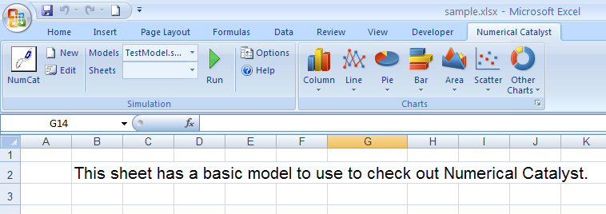

2 | Go to the Numerical Catalyst ribbon.

3 | Select TestModel.sym
4 | Open the model using edit by pressing the edit button
5 | Close the model again by closing or cancelling the edit window
6 | Press the now highlighted run button
 |  | The model will now run. If the product has not yet been activated then you will be advised of this.
 |  | The model can also be run from within the editor window which will close and run the model.

