model_stats
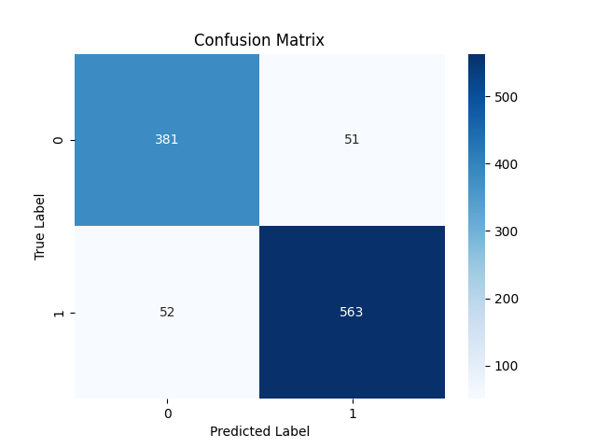

Metric | Score
Accuracy | 0.90162368672
Precision | 0.91693811075
Recall | 0.91544715447
F1 Score | 0.91619202604

Feature | Importance
RSI | 0.40317946172
MACD | 0.21952734923
Signal_line | 0.096278096659
VIX_short | 0.070712892491
VIX_long | 0.048786842181
close_short | 0.045326579448
close_long | 0.045295103568
VIX | 0.036720055279
DJI | 0.034173619423

