model_stats
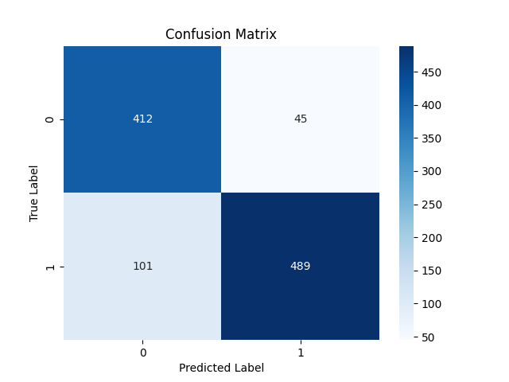

Metric | Score
Accuracy | 0.86055396371
Precision | 0.91573033708
Recall | 0.82881355932
F1 Score | 0.87010676157

Feature | Importance
RSI | 0.43318387455
MACD | 0.20568759571
Signal_line | 0.088789981422
VIX_short | 0.064892295561
close_long | 0.051049897087
close_short | 0.050284529326
VIX_long | 0.046032805407
VIX | 0.038585814804
fedrate | 0.02149320613

