model_stats
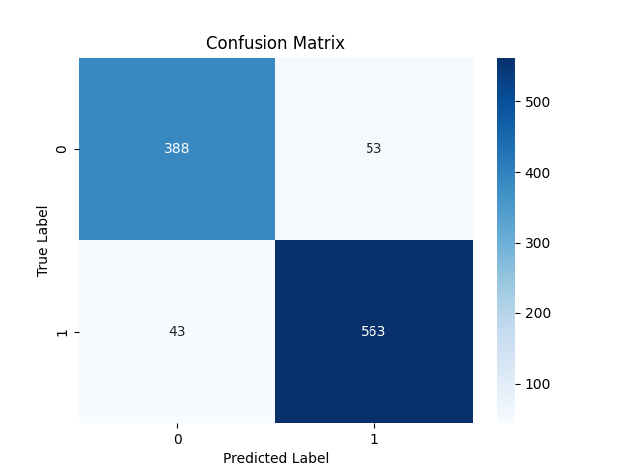

Metric | Score
Accuracy | 0.90830945559
Precision | 0.91396103896
Recall | 0.92904290429
F1 Score | 0.92144026187

Feature | Importance
MACD | 0.39308173134
RSI | 0.30803109852
Signal_line | 0.13202331356
VIX_short | 0.040503960274
close_short | 0.034036659318
close_long | 0.030710727985
VIX | 0.023694865407
VIX_long | 0.022111158377
fedrate | 0.015806485216

