model_stats
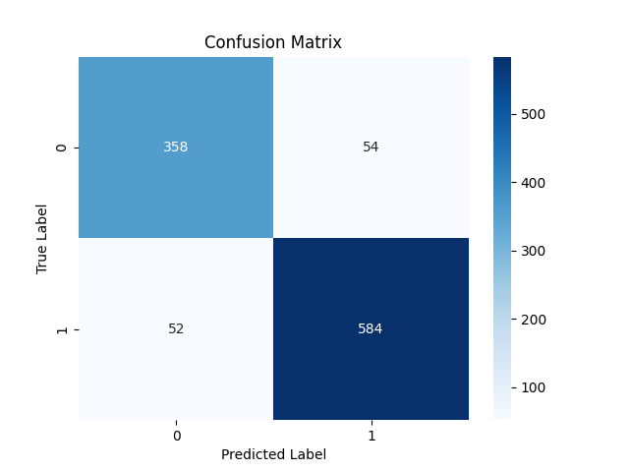

Metric | Score
Accuracy | 0.89885496183
Precision | 0.91536050157
Recall | 0.91823899371
F1 Score | 0.91679748823

Feature | Importance
RSI | 0.47910825664
MACD | 0.19480458766
Signal_line | 0.081336836554
VIX_short | 0.056409510747
VIX_long | 0.047507616151
VIX | 0.046144979838
close_long | 0.041682445582
close_short | 0.035937406921
fedrate | 0.01706835991

