model_stats
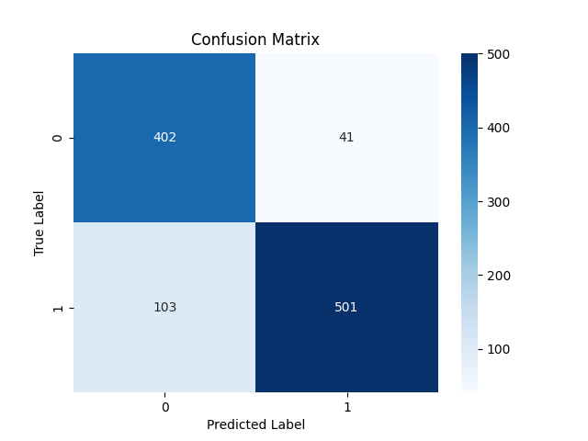

Metric | Score
Accuracy | 0.86246418338
Precision | 0.92435424354
Recall | 0.82947019868
F1 Score | 0.87434554974

Feature | Importance
RSI | 0.40686877708
MACD | 0.18496814795
Signal_line | 0.090775527657
VIX_short | 0.086505405832
VIX_long | 0.058842796865
VIX | 0.053285264758
close_long | 0.051446398093
close_short | 0.04760883173
fedrate | 0.019698850034

