model_stats
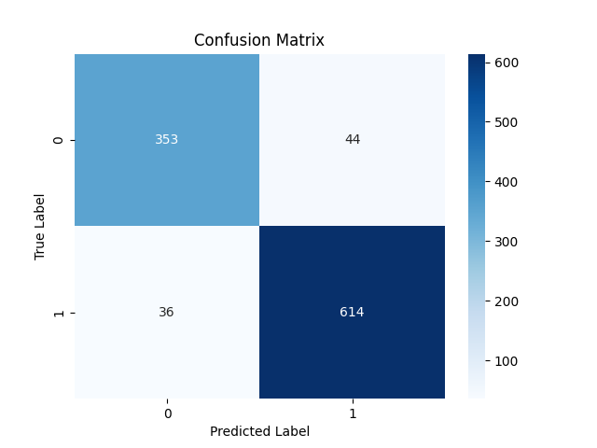

Metric | Score
Accuracy | 0.92359121299
Precision | 0.93313069909
Recall | 0.94461538462
F1 Score | 0.93883792049

Feature | Importance
RSI | 0.36326258331
MACD | 0.31373487621
Signal_line | 0.1267553732
VIX_short | 0.054042440981
close_long | 0.037773078292
VIX_long | 0.031643215807
VIX | 0.030173720506
close_short | 0.029600723134
fedrate | 0.013013988557

