model_stats
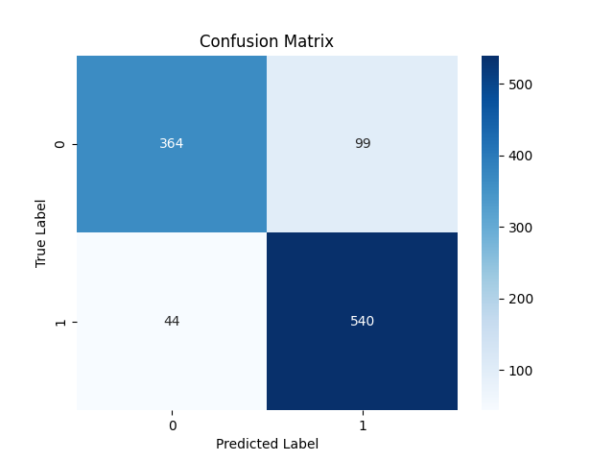

Metric | Score
Accuracy | 0.86341929322
Precision | 0.84507042254
Recall | 0.92465753425
F1 Score | 0.8830744072

Feature | Importance
RSI | 0.42396252488
MACD | 0.26214843408
Signal_line | 0.10350847248
close_long | 0.041768969608
close_short | 0.040616985699
VIX_short | 0.039762636979
DJI | 0.030472110439
VIX | 0.03017032765
VIX_long | 0.02758953819

