model_stats
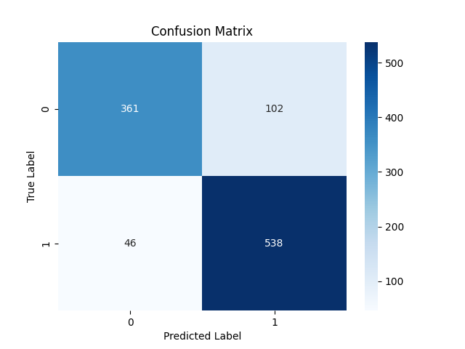

Metric | Score
Accuracy | 0.85864374403
Precision | 0.840625
Recall | 0.92123287671
F1 Score | 0.87908496732

Feature | Importance
RSI | 0.4073932701
MACD | 0.27335290726
Signal_line | 0.10892928037
close_short | 0.041605145485
close_long | 0.041437843295
VIX_short | 0.039859205365
VIX | 0.033102593136
VIX_long | 0.02745191596
DJI | 0.026867839027

